Sample electronic job card
 | Date | Auto

 | Job no | Auto fill | pick

 | Customer Name | Auto linked through system

 | Customer Address | Auto linked through system

 | Type | Auto linked through system | Installation / invoice / contract / warranty

 | Job sheet no | Generate this unique no, need some system, based on job no

 | Order no | customer po number Linked or blank to fill on site
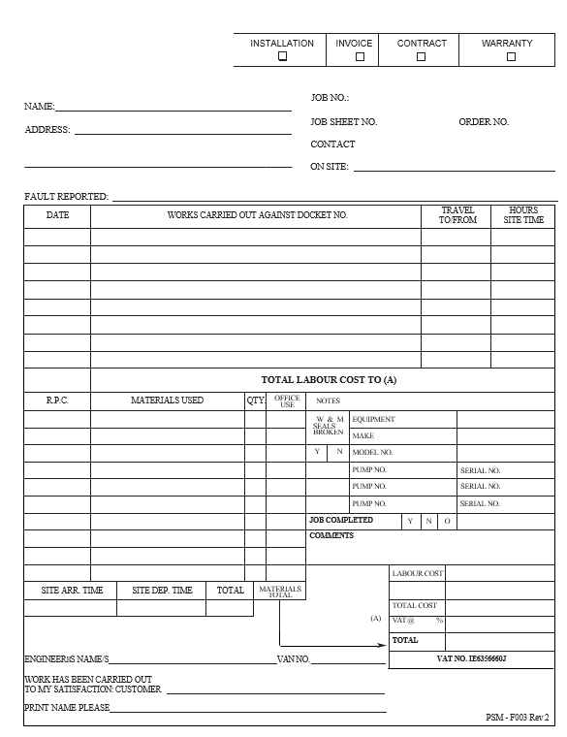
 | Contact on site | Petro site eng free types come from system

 | Fault reported | Pre populated by the office

 | Work carried out | Drop down

 | Work carried out | free type comment

 | Travel to | select hrs and mins, free type site eng
 | Travel from | select hrs and mins, free type site eng

 | Hours site time | Select hrs and mins (is this duplicated) | Donal and I think that when the engineer comes on site he logs onto the job to start it and this would record the time on site, this may need to be teased out.

RPC | Materials used | Fill qty
RPC | Materials used (can this be a drop down) |  | Material to add
RPC | Materials used (can this be a drop down) |  | Material to add
RPC | Materials used (can this be a drop down) |  | Material to add
RPC | Materials used (can this be a drop down) |  | Material to add
RPC | Materials used (can this be a drop down) |  | Material to add
RPC | Materials used (can this be a drop down) |  | Material to add
RPC | Materials used (can this be a drop down) |  | Material to add
RPC | Materials used (can this be a drop down) |  | Material to add
RPC | Materials used (can this be a drop down) |  | Material to add

 | Equipment | pull down menu showing pump, pos, tank guage, pipework, tanks
 | Make | Free type
 | Model no | Free type
 | W and M seals broken | Y/N
EQUIP NO |  | Serial no free type by site eng | plus to add
EQUIP NO |  | Serial no free type by site eng | plus to add
EQUIP NO |  | Serial no free type by site eng | plus to add
EQUIP NO |  | Serial no free type by site eng | plus to add
EQUIP NO |  | Serial no free type by site eng | plus to add
EQUIP NO |  | Serial no free type by site eng | plus to add
EQUIP NO |  | Serial no free type by site eng | plus to add
EQUIP NO |  | Serial no free type by site eng | plus to add

 | Job completed | Y/N

 | Comments | free type site engCAN THESE COMMENTS BE HIGHLIGHTED TO OFFICE IF OTHER WORKS HAVE TO BE DONE? | Yes, we can build this in, might put a button on the form, tick other works to be done

 | Site arrival time | Pick from clock site eng
 | Site dep time | Pick from clock site eng
 | Time on site | Calculation Auto

 | Engineers name | Link to log in
 | Van no | Link to eng but possible to change

 | Labour cost | No longer needed on form ?NO NEED
 | Submit on site
Work has been carried out to my satisfaction (customer) | Customer name | Free type print name | Need ability to save form, bring up for customer
 | Customer signature | Signature box

 | Submit to office

Office reopen | Office check for quality, details tbd
 | office add in labour cost
 | office add in material cost
 | VAT
 | Total cost

