1. Title Page
Instacard Grocery Basket Analysis

Project Name: Instacart Grocery Basket Analysis
Date: 15 Nov 2021
Analyst Name: Alina Racu

Contents:
Population Flow
Consistency checks
Wrangling steps
Column derivations
Visualizations
Recommendations

Data Source:
“The Instacart Online Grocery Shopping Dataset 2017”, accessed from www.instacart.com/datasets/grocery-shopping-2017 on 20 Nov 2021.

2. Population Flow
Population flow

Exclusion flag
Condition: max_order < 5
Obervations to be removed: 774,315
Final total count of order_products_all: 9,216,591
Orders - original data
orders_products_prior - original data
Products -original data
Customers - original data
Total: 3,421,083
Total: 10,000,000
Total: 49,693
Total: 206,209

orders_products_prior - after consistency checks
Products - after consistency checks
Orders -
after consistency checks
Customers - after consistency checks
Total: 3,421,083
Total: 10,000,000
Total: 49,672
Total: 206,209

orders_combined
orders_products_all
orders_products_combined

Total: 9,990,906
Total: 9,990,906
Total: 10,000,000

1.) The grey boxes in the first row of the population flow represent the original data sets as they were when you downloaded them. In the Total fields you need to add the count of the rows when you imported the data set into Jupyter.
2.) The second row of boxes (coloured) represents the data sets after you manipulated them, e.g., removed missing values and duplicates. In the Total fields you need to add the count of the rows after conducting these operations. This offers a visual oveview of how the data flows throughout the data consistency checks.
3.) The third row, where also the arrows are coloured, represents the merges you performed between the datasets. In the Total fields you need to add the count of the rows in the merged datasets, so that you end up with the final dataset (in the red box). Keep in mind the final dataset should be without exclusions (based on the exclusion flag).

3. Consistency checks
 |  |  |  | Title page
Consistency checks

Dataset | Missing values | Missing values treatment | Duplicates
orders | 206,209 missing values in column "days_since_prior_order" | No action
products | 16 missing values in column "product_name" | Create a subset of the dataframe without the missing values
products |  |  | 5 full duplicates
orders_products_prior | na | na | na
customers | first_name | Deleted "first_name" and "surname" due to data confidentiality/sensitivity | na

4. Wrangling steps
 |  |  |  |  | Title page
Wrangling steps

Dataset | Columns dropped | Columns renamed | Columns' type changed | Comment/Reason
orders | eval_set |  |  | Not relevant for the analysis
orders |  | order_dow => order_day_of_week |  | For better clarity
orders |  |  | order_id | From numeric to string, to avoid being included in mathematical operations
orders |  |  | user_id | From numeric to string, to avoid being included in mathematical operations
products |  |  | product_id | From numeric to string, to avoid being included in mathematical operations
orders_products_prior |  |  | order_id | From numeric to string, to avoid being included in mathematical operations
orders_products_prior |  |  | product_id | From numeric to string, to avoid being included in mathematical operations
customers |  | gender, state age | user_id | From numeric to string, to avoid being included in mathematical operations

5. Column derivations
Column derivations and aggregations

In this tab you should add tables below that the frequences of flags/label variables that you produced after deriving them. NB: don't do this for continuous variables, only for flags.
Dataset | New column | Column/s it was derived from | Conditions
df_ords_prods_merged | price_range_loc | prices | If prices > 15, then "High-range product" If prices <= 15 and > 5, then "Mid-range product" If prices <= 5, then "Low-range product"
df_ords_prods_merged | busiest_day | order_day_of_week | If value = 0, then "Busiest day" If value = 4, then "Least busy" Else "Regulary busy"
df_ords_prods_merged | busiest_days | order_day_of_week | If value = 0 or 1, then "Busiest days" If value = 4 or 3, then "Slowest days" Else "Regulary busy"
df_ords_prods_merged | busiest_period_of_day | order_hour_of_day | If value = 10 or 11 or 14, then "Most orders" If value = 3 or 4 or 2, then "Fewest orders" Else, "Average orders"
df_ords_prods_merged | max_order | order_number user_id | Max. number of orders grouped by user id
df_ords_prods_merged | loyalty_flag | max_order | If max_order > 40, then "Loyal customer" If max_order <= 40 and > 10, then "Regular customer" If max_order <= 10, then "New customer"
df_ords_prods_merged | avg_price | prices user_id | Average order prices grouped by user id
df_ords_prods_merged | spending_flag | avg_price | If avg_price < 10, then "Low spender" If avg_price >= 10, then "High spender"
df_ords_prods_merged | median_prior_order | days_since_prior_order user_id | Median of values in column "days_since_prior_order" grouped by user id
df_ords_prods_merged | order_frequency_flag | median_prior_order | If value > 20, then "Non-frequent customer" If value > 10 and <= 20, then "Regular customer" If value <= 10, then "Frequent customer"

 | price_range_loc
Mid-range product | 6739551
Low-range product | 3122612
High-range product | 128743

 | busiest_day
Regularly busy | 6913759
Busiest day | 1912844
Least busy | 1164303

 | busiest_days
Regularly busy | 3983209
Busiest days | 3659542
Slowest days | 2348155

 | busiest_period_of_day
Average orders | 7414455
Most orders | 2522953
Fewest orders | 53498

 | loyalty_flag
Regular customer | 4719480
Loyal customer | 2960923
New customer | 2310503

 | spending_flag
Low spender | 9805888
High spender | 185018

 | order_frequency_flag
Frequent customer | 6594124
Regular customer | 2024899
Non-frequent customer | 1290903
NaN | 80980

6. Visualizations
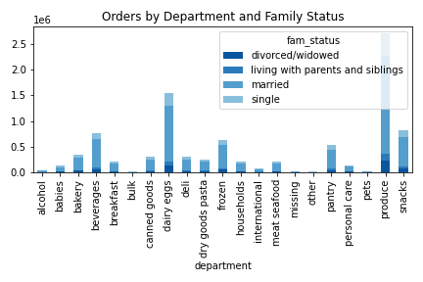
Visualisations

In this tab you should include all the visualtions from Exercises 4.9 and 4.10, alongside the questions from the project brief that they answer. Include any commentary on the relationship between different variables.

1. What are the busiest days of the week and hours of the day?

Saturday and Sunday are the busiest days when customers are shopping.
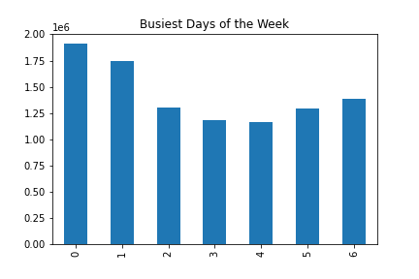

The busiest shopping hours are between 10:00 and 15:00, while the least busy time is after midnight.
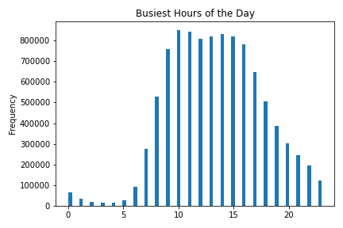

2. Are there particular times of the day when people spend the most money?

The most expensive products tend to be purchased after midnight and peaking at around 2 am, while the least expensive around 9-10 am.

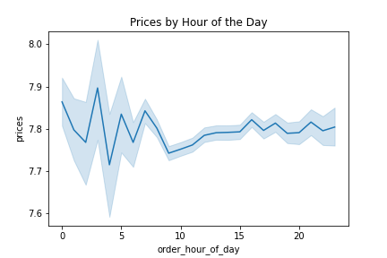

3. Instacart has a lot of products with different price tags. Marketing and sales want to use simpler price range groupings to help direct their efforts.

Mid-range products ($ 5-15) account for the majority of the sales, while high-range products ($ >15) represent only a tiny fraction of all sales.

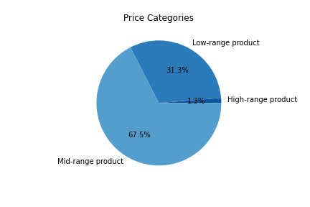

4. Are there certain types of products that are more popular than others?

The produce department is by far the most popular product category, followed by dairy & eggs.
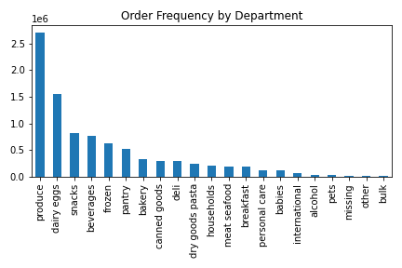

5. What’s the distribution among users in regards to their brand loyalty (i.e., how often do they return to Instacart)?

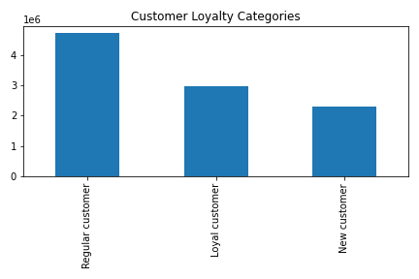
The largest customer category is accounted by regular customers. New customer are the smallest category.

6. Are there differences in ordering habits based on a customer’s loyalty status?

Middle class and upper middle class customers represent almost 90% of the customer base.
Most of them are regular customers.
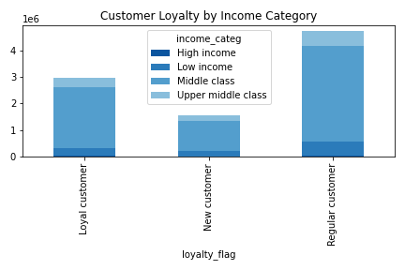

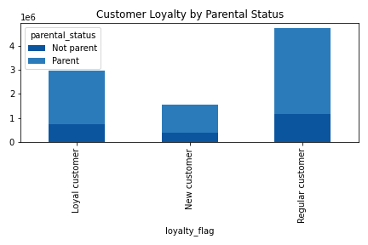
Parents account for a large majority in all 3 customer categories.

Regular customers tend to shop more during the weekend.
Orders by loyal customers are relatively evenly spread out over the days of the week compared to the other customer categories.
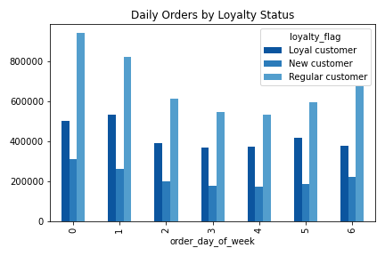

The vast majority of the customers are low spenders (average order price < $10) regardless of the loyalty status.
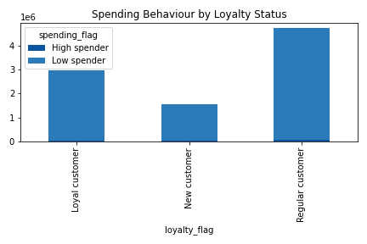

7. Are there differences in ordering habits based on a customer’s region?

The South is Instacart's largest region. The Northeast area has the lowest number of customers.
The middle class and upper middle class customers constitute the largest segment, with the highest numbers concentrated in the South region.

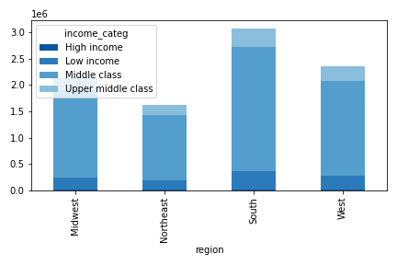

When normalized, data on spending habits looks similar across the regions.

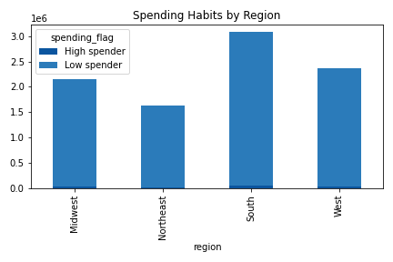

 | region | High spender | Low spender | All | % High | % Low | % High | % Low
 | Midwest | 36,882 | 2,113,389 | 2,150,271 | 2% | 98% | 24% | 23%
 | Northeast | 25,674 | 1,604,355 | 1,630,029 | 2% | 98% | 17% | 18%
 | South | 52,526 | 3,024,495 | 3,077,021 | 2% | 98% | 34% | 33%
 | West | 40,126 | 2,319,144 | 2,359,270 | 2% | 98% | 26% | 26%
 | All | 155,208 | 9,061,383 | 9,216,591 | 2% | 98% | 100% | 100%

As the smallest region, the Northeast also has a small number of loyal and regular customers.
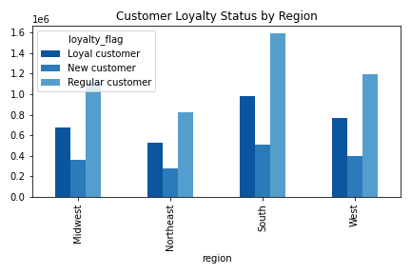

8. Is there a connection between age and family status in terms of ordering habits?

Customers living with parents and siblings are around of age 20. The age range for the married is the wide (20-80), while the divorced or widowers tend to be older than 60.

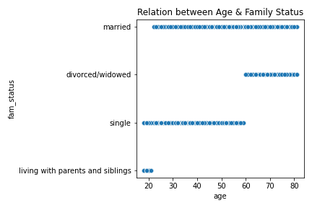

There is no clear pattern that would show that the age of the customers correlate with the number of dependants in their families.

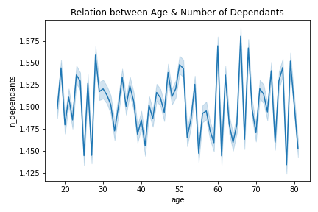

9. What different classifications does the demographic information suggest? Age? Income? Certain types of goods? Family status?

The customer pool is relatively balanced in terms of age groups, with late middle aged adults accounting for the highest share.
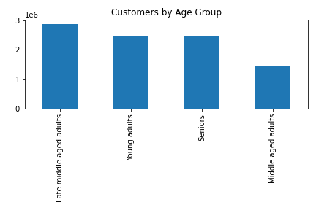

The majority of the customers are middle class.
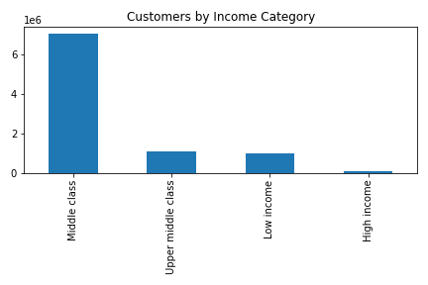

Three quarters of the customers are parents.
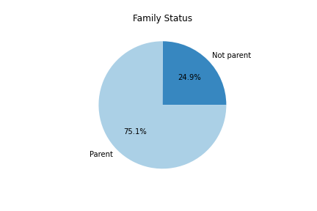

10. What differences can you find in ordering habits of different customer profiles?

Considering the demographics and spending habits, Instacart could target the following customer profiles:

Middle class young adults
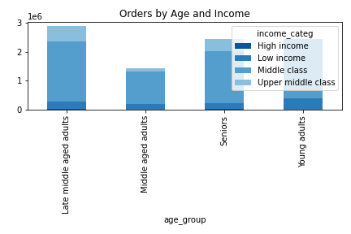

Young parents
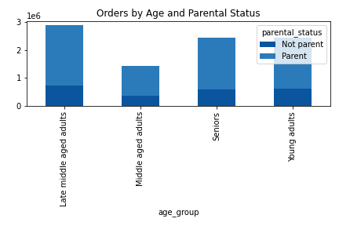

Loyalt customers with large families
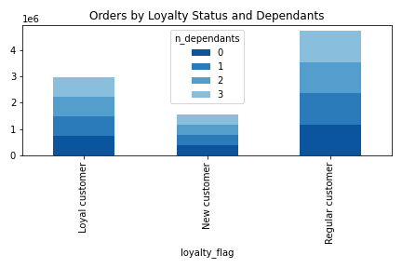

Singles with pets

7. Recommendations
Recommendations

In this tab you should include any recommendations you would made to Instcart in terms of their marketing strategy based on the questions posed in the brief. Every key question has been covered in the Tasks of the Exercises - here you need to add an item - a visualisation or table/crosstable that is showing the answer in the data, acompanied by a comment from you. Please, list the questions below and add the answer underneath.

Question
Key Question 1 | What the busiest days of the week and hours of the day are (i.e., the days and times with the most orders)?
Key Question 2 | Are there particular times of the day when people spend the most money?
Key Question 3 | Instacart has a lot of products with different price tags. Marketing and sales want to use simpler price range groupings to help direct their efforts.
Key Question 4 | Are there certain types of products that are more popular than others?
Key Question 5 | What’s the distribution among users in regards to their brand loyalty (i.e., how often do they return to Instacart)?
Key Question 6 | Are there differences in ordering habits based on a customer’s loyalty status?
Key Question 7 | Are there differences in ordering habits based on a customer’s region?
Key Question 8 | Is there a connection between age and family status in terms of ordering habits?
Key Question 9 | What different classifications does the demographic information suggest? Age? Income? Certain types of goods? Family status?
Key Question 10 | What differences can you find in ordering habits of different customer profiles?

Answer
Key Question 1
Key Question 2
Key Question 3
Key Question 4
Key Question 5
Key Question 6
Key Question 7
Key Question 8
Key Question 9
Key Question 10

Legend
 | Question
 | Chart comment
 | Recommendation

7.1
Recommendations

1. What are the busiest days of the week and hours of the day?

Saturday and Sunday are the busiest days when customers are shopping.
Advertising campaigns should be carried out Fridays before customers decide on their weekend shopping list.

Legend: 0 = Saturday, 1 = Sunday, 2 = Monday, 3 = Tuesday, 4 = Wednesday, 5 = Thursday, 6= Friday

The busiest shopping hours are between 10:00 and 15:00, while the least busy time is after midnight.
To stimulate sales, Instacard could sell products at a reduced price outside this time frame.

7.2
Recommendations
Recommendations

2. Are there particular times of the day when people spend the most money?

The most expensive products tend to be purchased after midnight and peaking at around 2 am, while the least expensive around 9-10 am.

Instacart should ensure that the servers function properly at peak hours and that there is sufficient personnel to arrange the deliveries after orders are made online.

7.3
Recommendations
Recommendations

3. Instacart has a lot of products with different price tags. Marketing and sales want to use simpler price range groupings to help direct their efforts.

Mid-range products ($ 5-15) account for the majority of the sales.
High-range products ($ >15) represent only a tiny fraction of all sales. Advertising campaigns can be carried out to highlight the premium products offer before the weekend starts.

7.4
Recommendations
Recommendations

4. Are there certain types of products that are more popular than others?

The produce department is by far the most popular product category, followed by dairy & eggs.
Sales of the dairy & eggs department could be expanded through additions of premium vegan products targeted at environmentally conscious customers.

Sales of snacks and beverages could sold as bundled products on Fridays before the start of the weekend.

7.5
Recommendations
Recommendations

5. What’s the distribution among users in regards to their brand loyalty (i.e., how often do they return to Instacart)?

The largest customer category is accounted by regular customers. New customer are the smallest category.
Special discounts could be offered following customers' first orders to encourage further purchases.

7.6
Recommendations
Recommendations

6. Are there differences in ordering habits based on a customer’s loyalty status?

Instacart could start a loyalty reward program for customer conversion targeted at parents in the middle class and upper middle class tax bracket.

At the same time purchases by regular customers, which tend to be higher on the weekend, could be stimulated during the weekdays though reduction campaigns.

Middle class and upper middle class customers represent almost 90% of the customer base.
Most of them are regular customers.

 | loyalty_flag | High income | Low income | Middle class | Upper middle class
 | Loyal customer | 29,670 | 297,274 | 2,281,373 | 352,606 | 2,960,923
 | New customer | 7,474 | 191,045 | 1,157,630 | 180,039 | 1,536,188
 | Regular customer | 40,305 | 505,868 | 3,613,906 | 559,401 | 4,719,480
 |  | 77,449 | 994,187 | 7,052,909 | 1,092,046 | 9,216,591

 |  | 38% | 30% | 32% | 32%
 |  | 10% | 19% | 16% | 16%
 |  | 52% | 51% | 51% | 51%

 |  | 1% | 10% | 77% | 12%
 |  | 0% | 12% | 75% | 12%
 |  | 1% | 11% | 77% | 12%

Parents account for a large majority in all 3 customer categories.

Regular customers tend to shop more during the weekend.
Orders by loyal customers are relatively evenly spread out over the days of the week compared to the other customer categories.

The vast majority of the customers are low spenders (average order price < $10) regardless of the loyalty status.

7.7
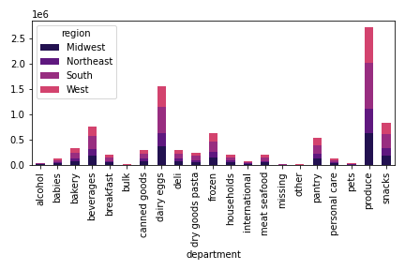
Recommendations
Recommendations

7. Are there differences in ordering habits based on a customer’s region?

The Northeast area has the lowest number of customers, which could be due to lack of awareness or strong competition. The reason needs to be investigated. In the first case, an advertising campaign to raise awareness could be rolled out, while the second case could require a discount program to increase the market penetration rate.

The middle class and upper middle class customers constitute the largest segment, with the highest numbers concentrated in the South region.

 | region | High income | Low income | Middle class | Upper middle class
 | Midwest | 19,503 | 230,999 | 1,645,344 | 254,425
 | Northeast | 11,627 | 172,941 | 1,253,827 | 191,634
 | South | 25,204 | 338,474 | 2,350,837 | 362,506
 | West | 21,115 | 251,773 | 1,802,901 | 283,481

In absolute terms, the South has the highest numbers of high spenders, while the Northeast the lowest. The same applies to the structure of loyalty status by region.

When normalized, data on spending habits looks similar across the regions.

 | region | High spender | Low spender | All |  | % High | % Low |  | % High | % Low
 | Midwest | 36,882 | 2,113,389 | 2,150,271 |  | 2% | 98% |  | 24% | 23%
 | Northeast | 25,674 | 1,604,355 | 1,630,029 |  | 2% | 98% |  | 17% | 18%
 | South | 52,526 | 3,024,495 | 3,077,021 |  | 2% | 98% |  | 34% | 33%
 | West | 40,126 | 2,319,144 | 2,359,270 |  | 2% | 98% |  | 26% | 26%
 | All | 155,208 | 9,061,383 | 9,216,591 |  | 2% | 98% |  | 100% | 100%

 | region | Loyal customer | New customer | Regular customer | All | % Loyal | % New | % Regular |  | % Loyal | % New | % Regular
 | Midwest | 677,996 | 362,550 | 1,109,725 | 2,150,271 | 32% | 17% | 52% |  | 23% | 24% | 24%
 | Northeast | 529,682 | 272,721 | 827,626 | 1,630,029 | 32% | 17% | 51% |  | 18% | 18% | 18%
 | South | 982,027 | 507,059 | 1,587,935 | 3,077,021 | 32% | 16% | 52% |  | 33% | 33% | 34%
 | West | 771,218 | 393,858 | 1,194,194 | 2,359,270 | 33% | 17% | 51% |  | 26% | 26% | 25%
 | All | 2,960,923 | 1,536,188 | 4,719,480 | 9,216,591 | 32% | 17% | 51% |  | 100% | 100% | 100%

As Instacart's largest region, the South has also the highest number of loyal as well as regular customers.

7.8
Recommendations
Recommendations

8. Is there a connection between age and family status in terms of ordering habits?

Customers living with parents and siblings are around of age 20. The age range for the married is the wide (20-80), while the divorced or widowers tend to be older than 60.

There is no clear pattern that would show that the age of the customers correlate with the number of dependants in their families.

7.9
Recommendations
Recommendations

9. What different classifications does the demographic information suggest? Age? Income? Certain types of goods? Family status?

The customer pool is relatively balanced in terms of age groups, with late middle aged adults accounting for the highest share.

The majority of the customers are middle class.
Sales to the upper middle class customers could be increased via portfolio expansion with premium products (e.g. vegan, organic, environmetally-friendly), while low income customers could be offered rebates on certain products.

Nonetheless, such a sales tactic could be considered discriminatory and should be treated with caution.

Three quarters of the customers are parents.
This is important to keep in mind when rolling out marketing campaigns. They may tend to be price conscious and/or prioritizing healthy products.

7.10
Recommendations
Recommendations

10. What differences can you find in ordering habits of different customer profiles?

Considering the demographics and spending habits, Instacart could target the following customer profiles:

Middle class young adults: Due to their long term potential, these customers could be turned into loyal customers.
 | age_group | High income | Low income | Middle class | Upper middle class
 | Late middle aged adults | 33,310 | 239,903 | 2,087,986 | 524,133
 | Middle aged adults | 9,271 | 176,236 | 1,138,870 | 115,286
 | Seniors | 25,197 | 201,898 | 1,778,857 | 438,902
 | Young adults | 9,671 | 376,150 | 2,047,196 | 13,725

Young parents: Instacard could expand its product portfolio with premium priced organic baby products targeted at conscious young parents. | age_group | Not parent | Parent
 | Late middle aged adults | 726,390 | 2,158,942
 | Middle aged adults | 357,172 | 1,082,491
 | Seniors | 603,611 | 1,841,243
 | Young adults | 610,515 | 1,836,227

 | department | High spender | Low spender
 | alcohol | 2,732 | 39,782
 | babies | 934 | 123,143
 | bakery | 6,760 | 326,621
 | beverages | 14,914 | 749,863
 | breakfast | 3,587 | 195,906
 | bulk | 50 | 9,948
 | canned goods | 5,041 | 293,849
 | dairy eggs | 28,986 | 1,515,868
 | deli | 4,313 | 294,374
 | dry goods pasta | 3,861 | 239,585
 | frozen | 11,164 | 616,778
 | households | 5,606 | 200,626
 | international | 1,177 | 75,043
 | meat seafood | 7,100 | 192,637
 | missing | 259 | 18,845
 | other | 236 | 9,911
 | pantry | 9,552 | 518,127
Loyalt customers with large families: Regular customers with a higher number of dependants could be converted into loyal customers with the help of loyalty rewards programs. | personal care | 2,427 | 122,851
 | pets | 966 | 26,650
 | produce | 35,408 | 2,675,197
 | snacks | 10,135 | 815,779

 | loyalty_flag | 0 | 1 | 2 | 3
 | Loyal customer | 747,181 | 732,944 | 735,770 | 745,028
 | New customer | 382,066 | 382,934 | 389,031 | 382,157
 | Regular customer | 1,168,441 | 1,181,697 | 1,177,627 | 1,191,715

Singles with pets: In the pet food category, singles account for the second largest demographic. Orders in this segment could be increased with advertising campaigns that would for example show vet testimonials for specific pet products. | department | divorced/widowed | living with parents and siblings | married | single
 | alcohol | 3,496 | 2,592 | 29,052 | 7,374
 | babies | 10,619 | 5,822 | 87,196 | 20,440
 | bakery | 28,599 | 16,056 | 234,040 | 54,686
 | beverages | 65,774 | 35,220 | 537,549 | 126,234
 | breakfast | 16,882 | 10,002 | 140,129 | 32,480
 | bulk | 782 | 500 | 7,101 | 1,615
 | canned goods | 24,904 | 14,076 | 210,777 | 49,133
 | dairy eggs | 132,161 | 74,882 | 1,085,330 | 252,481
 | deli | 26,123 | 14,203 | 209,151 | 49,210
 | dry goods pasta | 20,800 | 11,451 | 171,434 | 39,761
 | frozen | 54,374 | 30,414 | 441,139 | 102,015
 | households | 17,463 | 9,881 | 145,656 | 33,232
 | international | 6,470 | 3,584 | 53,523 | 12,643
 | meat seafood | 16,965 | 9,529 | 141,538 | 31,705
 | missing | 1,463 | 944 | 13,488 | 3,209
 | other | 834 | 542 | 7,063 | 1,708
 | pantry | 44,704 | 25,194 | 371,719 | 86,062
 | personal care | 10,640 | 5,897 | 88,057 | 20,684
 | pets | 2,471 | 1,482 | 19,020 | 4,643
 | produce | 232,062 | 128,220 | 1,905,075 | 445,248
 | snacks | 70,600 | 38,687 | 581,688 | 134,939

