Dashboard
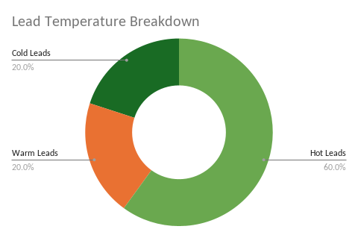
AI Sales Coordinator System Dashboard
Metric | Value
Total Leads | 5
Hot Leads | 3
Warm Leads | 1
Cold Leads | 1
High Priority | 3
Assigned Leads | 5
Appointments Booked | 0
Escalated Leads | 0
Pending Follow-Ups | 0
Sent Follow-Ups | 5
Escalated Follow-Ups | 1
Total Activities Logged | 24

Leads Per Agent
Anna Santos | 2
Bob Reyes | 2
Carl Cruz | 1

Pipeline Status
New | 0
Assigned | 5
Contacted | 0
Closed Won | 0
Closed Lost | 0

Follow-Up Status
Pending | 0
Sent | 5
Escalated | 5

Activity Log Summary
Agent Notified | 5
Acknowledgement Email Sent | 5
Follow-Up Scheduled | 5
Follow-Up Sent | 7
Escalation Sent | 1

