Feuil1
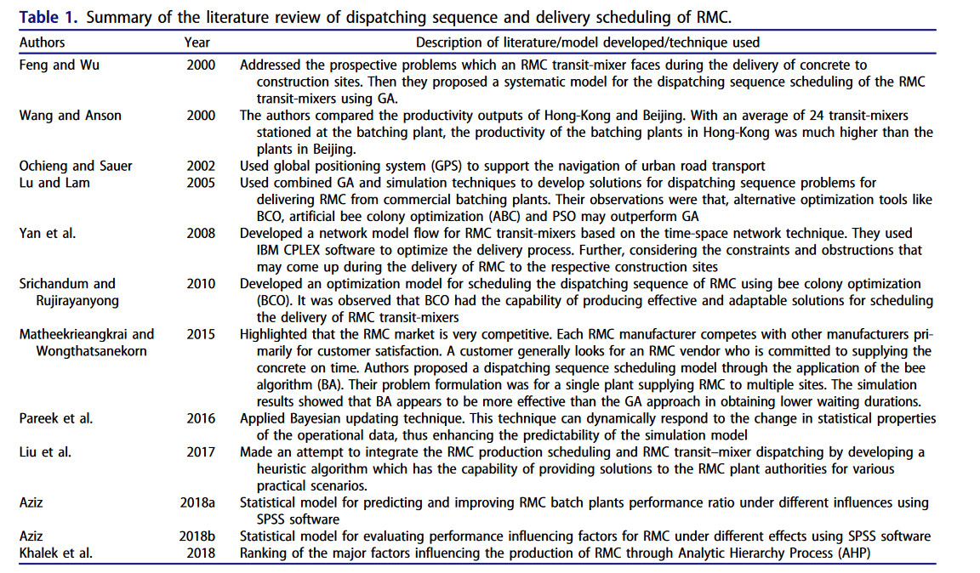
Feng and Wu 2000 Addressed the prospective problems which an RMC transit-mixer faces during the delivery of concrete to construction sites. Then they proposed a systematic model for the dispatching sequence scheduling of the RMC transit-mixers using GA. Wang and Anson 2000 The authors compared the productivity outputs of Hong-Kong and Beijing. With an average of 24 transit-mixers stationed at the batching plant, the productivity of the batching plants in Hong-Kong was much higher than the plants in Beijing. Ochieng and Sauer 2002 Used global positioning system (GPS) to support the navigation of urban road transport Lu and Lam 2005 Used combined GA and simulation techniques to develop solutions for dispatching sequence problems for delivering RMC from commercial batching plants. Their observations were that, alternative optimization tools like BCO, artificial bee colony optimization (ABC) and PSO may outperform GA Yan et al. 2008 Developed a network model flow for RMC transit-mixers based on the time-space network technique. They used IBM CPLEX software to optimize the delivery process. Further, considering the constraints and obstructions that may come up during the delivery of RMC to the respective construction sites Srichandum and Rujirayanyong 2010 Developed an optimization model for scheduling the dispatching sequence of RMC using bee colony optimization (BCO). It was observed that BCO had the capability of producing effective and adaptable solutions for scheduling the delivery of RMC transit-mixers Matheekrieangkrai and Wongthatsanekorn 2015 Highlighted that the RMC market is very competitive. Each RMC manufacturer competes with other manufacturers primarily for customer satisfaction. A customer generally looks for an RMC vendor who is committed to supplying the concrete on time. Authors proposed a dispatching sequence scheduling model through the application of the bee algorithm (BA). Their problem formulation was for a single plant supplying RMC to multiple s

