Bug Report
Bug ID | Module Name | Build No | Description | TC ID | Steps to Replicate Bug | Screenshot | Severity | Priority | Reported By | Assigned To | Resolution | Status | FixedDate
 |  | 1 | Dashboard is displayed after login is successful instead of MyInfo Page | TC_MyInfo_001 | 1)Launch the browser 2) Open URL "https:opensource-demo.orangehrmive.com" 3)Provide valid ESS username 4)Provide valid password 5)Click on Login button | 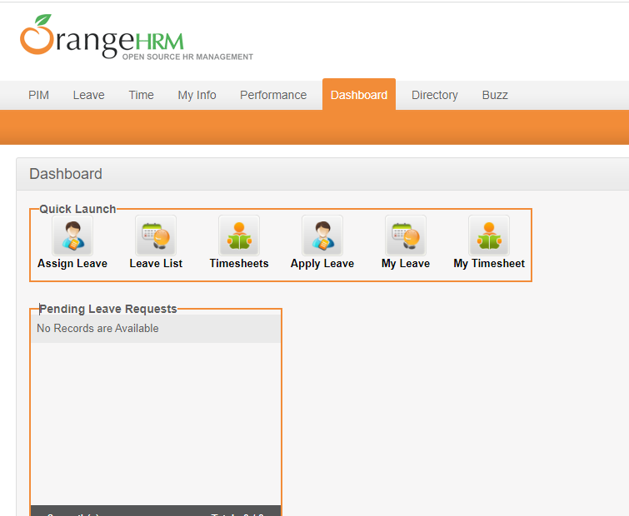 | S3 | P3 | Alisha | John | Accepted | In Progress

