Sheet1
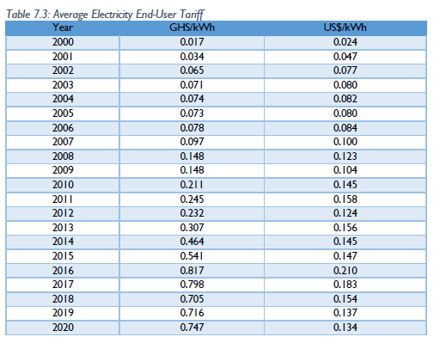
 |  |  |  | exchange rate | GC/$ | 3.6802721088
Electricity Price |  | Source: Energy Outlook 2021
 |  |  |  |  |  |  |  | $/kWh | $/GJ |  | Model bGC/PJ | GC/GJ | $/GJ

 |  |  |  |  |  |  | 2015 | 0.147 | 40.8 |  | .216->.13 | 216-130 | 58.4 | 35

Natural Gas Price |  |  | Source:
 |  |  |  |  |  |  |  | $/mbtu | $/GJ |  | Model bGC/PJ | GC/GJ | $/GJ
 |  |  |  |  |  |  | 2015 | 7.3 | 6.9523809524 |  | 0.032 | 32 | 8.6950092421

cpetr | Source Ghana energy outlook
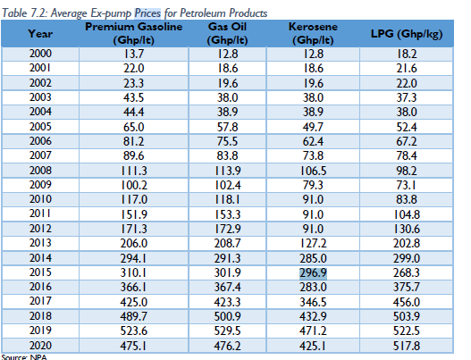

 |  |  |  |  |  |  |  |  | MJ/l | GJ/l
 |  |  |  |  |  |  |  |  | 36 | 0.036
 |  |  |  |  |  |  |  | Ghp/lt | $/lt | $/GJ | Model bGC/PJ | GC/GJ | $/GJ
 |  |  |  |  |  |  | 2015 | 297 | 0.81 | 22.42 | 1.466 | 1466 | 398.34011091

