Sheet1
 |  | 31 | 28 | 31 | 30 | 31 | 30 | 31 | 31 | 30 | 31 | 30 | 31
 |  | Jan | Feb | Mar | Apr | May | Jun | Jul | Aug | Sep | Oct | Nov | Dec |  | Avg | Dry | Model
Tana | Tana | 215 | 126 | 129 | 208 | 303 | 348 | 254 | 205 | 174 | 190 | 307 | 303 | 0.084207 | 0.106 | 0.047 | 0.058
 | Masinga | 394 | 521 | 508 | 318 | 214 | 331 | 466 | 568 | 525 | 439 | 329 | 412 | 0.152709 | 0.173 | 0.03 | 0
Kamburu/Masinga | Kamburu | 1073 | 1037 | 1032 | 1063 | 1095 | 1109 | 1063 | 1120 | 1103 | 1035 | 1151 | 1043 | 0.393107 | 0.407 | 0.178 | 0.011
Gitaru | Gitaru | 2199 | 2043 | 2044 | 2138 | 2251 | 2314 | 2254 | 2225 | 2197 | 2050 | 2274 | 2011 | 0.790948 | 0.936 | 0.425 | 1.043
Kindaruma | Kindaruma | 486 | 479 | 488 | 501 | 557 | 619 | 537 | 524 | 502 | 469 | 555 | 483 | 0.188586 | 0.331 | 0.142 | 0.494
Kiambere | Kiambere | 2418 | 2409 | 2342 | 2273 | 2573 | 2579 | 2555 | 2509 | 2519 | 2442 | 2394 | 2432 | 0.895803 | 0.883 | 0.423 | 0.032
Turkwell | Turkwel | 1461 | 1545 | 1593 | 1287 | 1079 | 1069 | 1216 | 1360 | 1418 | 1384 | 1343 | 1283 | 0.487426 | 0.373 | 0.125 | 0.009
Sondu_Miriu | Sondu | 720 | 424 | 432 | 823 | 1171 | 1317 | 1239 | 1290 | 1292 | 1169 | 1120 | 961 | 0.364874 | 0.364 | 0.97 | 0.209
Sangoro | Sang'oro | 201 | 121 | 115 | 259 | 357 | 431 | 380 | 404 | 431 | 385 | 370 | 300 | 0.11452 | 0.117 | 0.031 | 0.073
 | Karura | 607 | 599 | 610 | 626 | 696 | 774 | 671 | 655 | 628 | 586 | 693 | 604 | 0.235701
 |  |  |  |  |  |  |  |  |  |  |  |  |  | 3.707881 | 3.69 | 2.371 | 1.929

 |  |  |  |  |  |  |  | https://www.epra.go.ke/wp-content/uploads/2018/10/Kenya-PGTMP-Final-MTP-update-Vol-I-Main-Report-October-2016.pdf
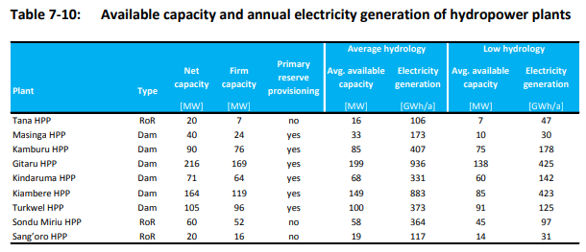

 |  |  |  | Scenario / Year of Year
 |  |  |  | NDC_FlexGas
 | Subsubsector | Tech Description | Process | 2019
 | EHydroDam | Kamburu/Masinga | KEHYDT03 | 0.011
 | EHydroDam | Kiambere | KEHYDT01 | 0.032
 | EHydroDam | Turkwell | KEHYDT02 | 0.009
 | EHydroROR | Gitaru | KEHYRO04 | 1.043
 | EHydroROR | Kindaruma | KEHYRO06 | 0.265
 | EHydroROR | Kindaruma_opt | KEHYRO10 | 0.229
 | EHydroROR | KY_Small_hydro_and_IPP | KEHYMI09 | 0.123
 | EHydroROR | Sangoro | KEHYRO07 | 0.073
 | EHydroROR | Sondu_Miriu | KEHYRO05 | 0.209
 | EHydroROR | Tana | KEHYRO08 | 0.058
 | Grand Total | Total | Total | 2.054

