Sheet1
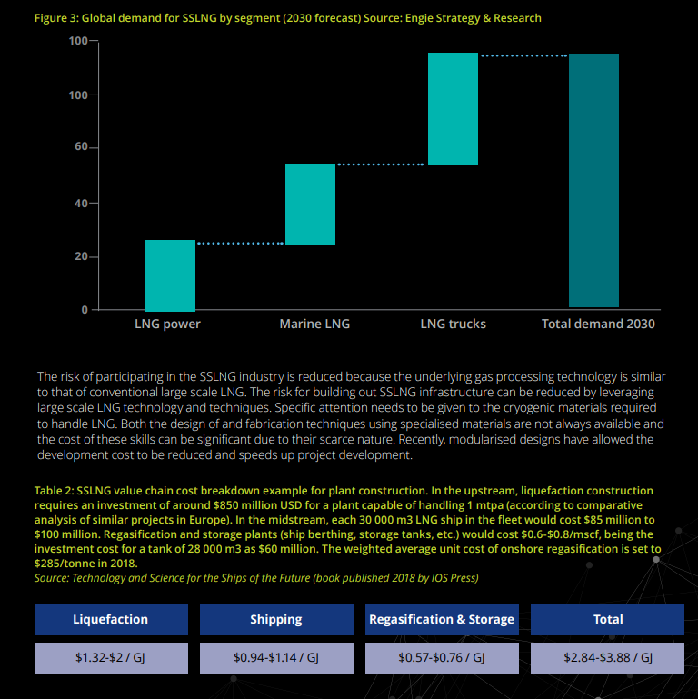
Lower heating value |  |  | million$/PJ/annnum in model |  |  |  |  |  |  |  |  | IDC cost
 |  |  | Exchange rate | 12.9 |  |  |  | FSRU ccost estimates |  |  |  |  | 1 | 2 | 3 | 4
 |  | LNG Terminal | Floating Terminal | Small Scale |  |  |  |  |  |  |  |  | 0.1 | 0.25 | 0.6 | 0.05
 |  | ULGTGRL-N | ULGTGRLFSRU-N |  |  |  |  | Darryl 2012 | Darryl 2023 | Globeleq 2023 | notes | 1.223451648 | 0.108 | 0.2916 | 0.7558272 | 0.068024448
capacity | PJ/a | 172.8 | 144.0 | 48 |  | Volumes | PJ/a |  | 96
LNG terminal capacity(throughput) | mton | 3.6 | 1 |  |  | Levelised cost | $/GJ |  | 1.11
EPC cost | m$ | 845
ODC | m$ | 68 |  |  |  | FSRU day rate | m$/day |  | 0.25
Total CAPEX | m$ | 913 |  |  |  | Annual cost |  |  | 91.25
Capital cost | $/Gja | 5.3 |  |  | 0.57419705842 | Marine Capex | m$ |  | 150
life |  | 30.0 | 10.0 |  |  | capex Annualised |  |  | 15.3
Lead Time |  | 4 | 2 |  |  | Total annual | m$/year |  | 106.5 | 100
IDC
Annual Cost | m$/yr | 99 | 100.00 | 33.333333333 |  | Pipeline cost | m$ |  | 105.63216868
Levelized Cost | $/GJ | 0.574 | 0.69 | 0.69
Levelized Cost (25% CF) |  | 2.30 | 2.78 | 2.78 |  | Total cost |  |  | 212.2
Levelized Cost (10% CF) |  | 5.74 | 6.94 | 6.94 |  | Levelized cost if only 56 PJ |  |  | 3.7885714286

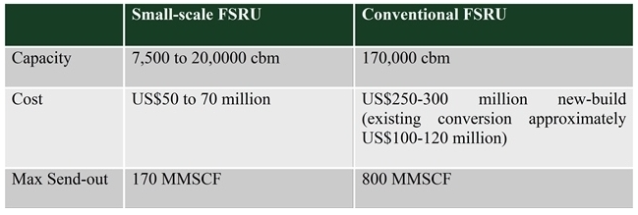
Gas supply to be modelled exogenously to cater for lumpiness of investment. |  |  |  |  |  |  |  |  |  |  |  |  | https://www.jdsupra.com/post/contentViewerEmbed.aspx?fid=6f058694-940c-42d7-bb0d-d650e5436a2d
LNG terminal to be modelled in full size (i.e. 172.8PJ) in the high gas scenario |  |  |  |  |  |  |  |  |  |  |  |  | These costs seem way lower than Darryl's costs
FSRU modelled as the minimum i.e. 1mton/a (i.e. 48PJ) in the mitigation scenario |  |  |  |  |  |  |  | LNG cost estimates
 |  |  |  |  |  |  |  | LNG Terminal | FSRU conv. | FSRU small
Thermal plant capacity in Kenya |  |  |  |  |  | Volume | PJ/a | 50.4576 |  |  | 1600 MW CCGT running 50%
 |  |  |  |  |  | Capex | m$ | 1000
HFO |  | GW | 0.7
Utilization |  |  | 50% |  |  | Capex unit cost | m$/Pja | 19.81861999
Efficiency |  |  | 50%
Energy needs |  | PJ | 22.0752 |  |  | Levelized cost check | $/GJ | 2.0185702218

 |  |  |  |  |  |  |  |  |  |  |  |  | Capacity
 |  |  |  |  |  |  |  |  |  |  |  |  | Cost
 |  |  |  |  |  |  |  |  |  |  |  |  | Max Send out | MMSCFD | 170 | 800
 |  |  |  |  |  |  |  |  |  |  |  |  |  | MTPA | 1.251 | 5.887
 |  |  |  |  |  |  |  |  |  |  |  |  |  | Pja | 59.57 | 280.32
 |  |  |  |  |  |  |  |  |  |  |  |  |  |  | 50.26835443
 |  |  |  |  |  |  |  |  |  |  |  |  |  |  | 135.8991085

 |  |  |  |  |  |  |  |  |  |  |  |  | Monthly | MTPA | 0.1062432
 |  |  |  |  |  |  |  |  |  |  |  |  |  | PJ/month | 5.0592

