Claim terms
Neutral |  | Positive | Negative
Maintenance of normal [...] |  | Enhancement of [...] | Reduce [...]
Maintenance of normal function [...] |  | Enhance | Shown to lower [...]
Normal functioning of [...] |  | Protection of [...] | Shown to reduce [...]
Role in [...] |  | Increase in [...] | Contributes to reducing [...]
Maintenance of [...] |  | Helps [...]
Maintenance to normal [...] |  | Contributes to an increase in [...]
Contribution to normal [...] |  | Contributes to the protection of [...]
Contributes to the maintenance of [...]
Contributes to the protection of [...]
Leads to [...]
Induces

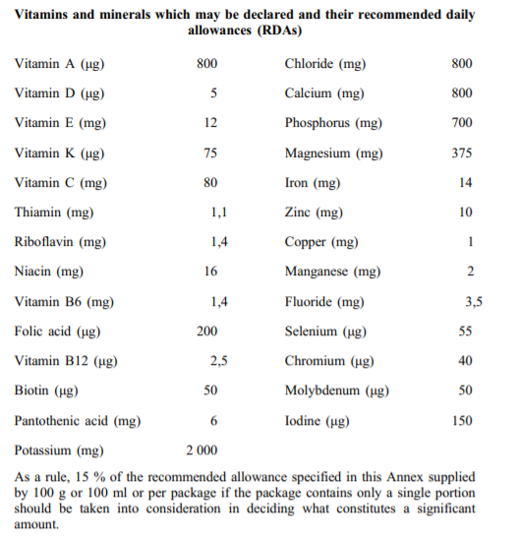
RDA
Micronutrient | Unit | Amount
Vitamin A | μg | 800
Vitamin D | μg | 5
Vitamin E | mg | 12
Vitamin K | μg | 75
Vitamin C | mg | 80
Thiamin (B1) | mg | 1,1
Riboflavin (B2) | mg | 1,4
Niacin (B3) | mg | 16
Vitamin B6 | mg | 1,4
Folic acid (B9) | μg | 200
Vitamin B12 | μg | 2,5
Biotin | μg | 50
Panthothenic acid | mg | 6
Potassium | mg | 2000
Chloride | mg | 800
Calcium | mg | 800
Phosphorus | mg | 700
Magnesium | mg | 375
Iron | mg | 14
Zinc | mg | 10
Copper | mg | 1
Manganese | mg | 2
Fluoride | mg | 3,5
Selenium | μg | 55
Chromium | μg | 40
Molybdenum | μg | 50
Iodine | μg | 150

As a rule, 15% of the RDA specified here supplied by 100g or 100ml or per package if the package contains only a single portion should be taken into consideration in deciding what constitutes a significant amount.

