Cover
HANOI UNIVERSITY OF SCIENCE AND TECHNOLOGY
School of Information and communications technology

Test Plan
Version 1.0

EcoBikeRental (EBR)
Subject: ITSS Software Development

Group 03
Trịnh Thu Hải - 20184255
Nguyễn Huy Hoàng - 20184265
Bùi Thanh Tùng - 20184324

Hanoi, November, 2021

Overall Description
2. Overall Description
2.1. General Overview
< Briefly describe the purpose and context for the system or situation, and summarize the history of its development. Include the high-level context diagram(s) for the system and subsystems previously provided in the Software Requirements Specification (SRS) and/or System Design Document (SDD), e.g., use case diagrams, activity diagram, package diagram, updated as necessary to reflect any changes that have been made based on more current information or understanding. If the high-level context diagram has been updated, identify the changes that were made and why.>

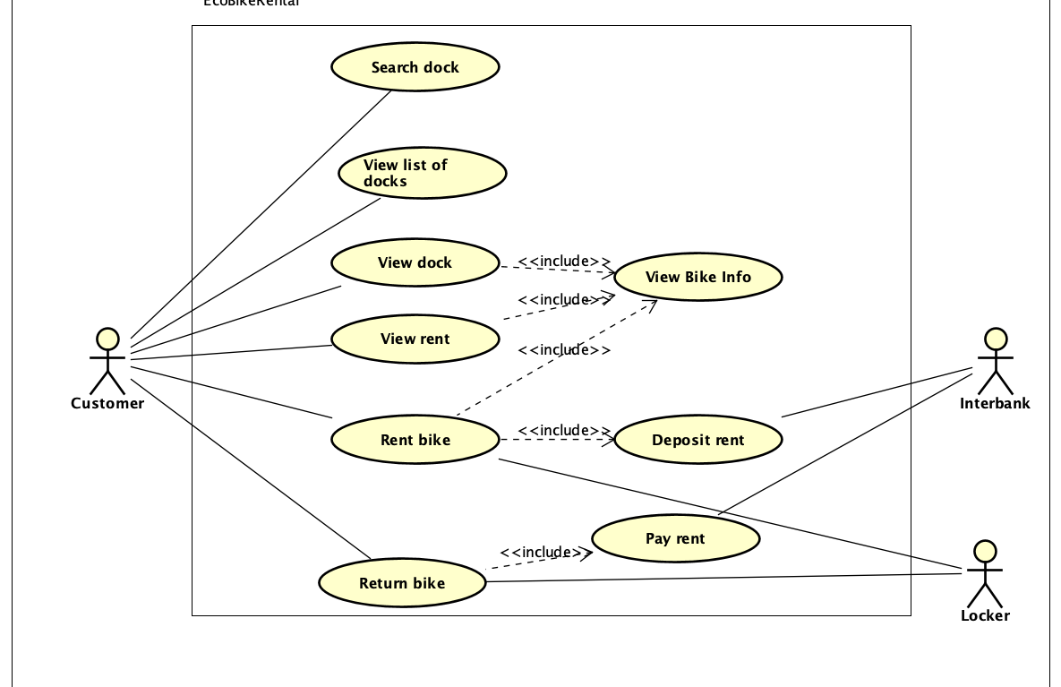
2.1.1. Usecase diagram

2.1.1.1. Usecase UC001-"View Bike Info"
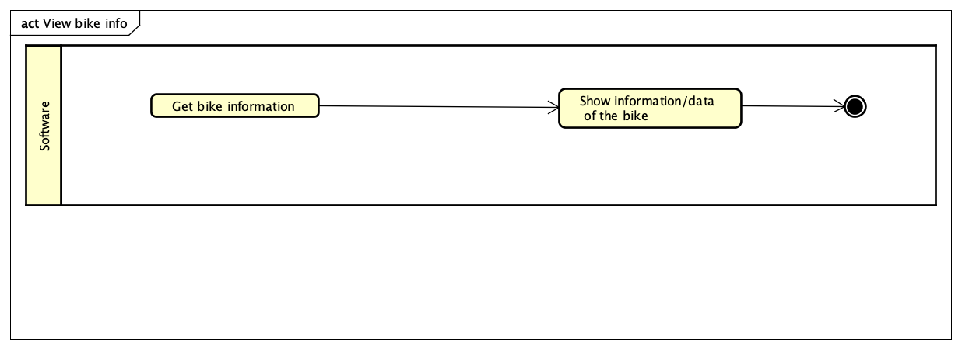

2.1.1.2. Usecase UC002-"View Rent"
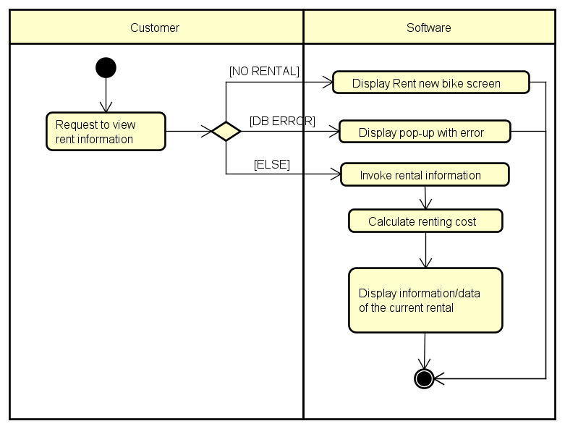

2.1.1.3. Usecase UC003-"Rent Bike"

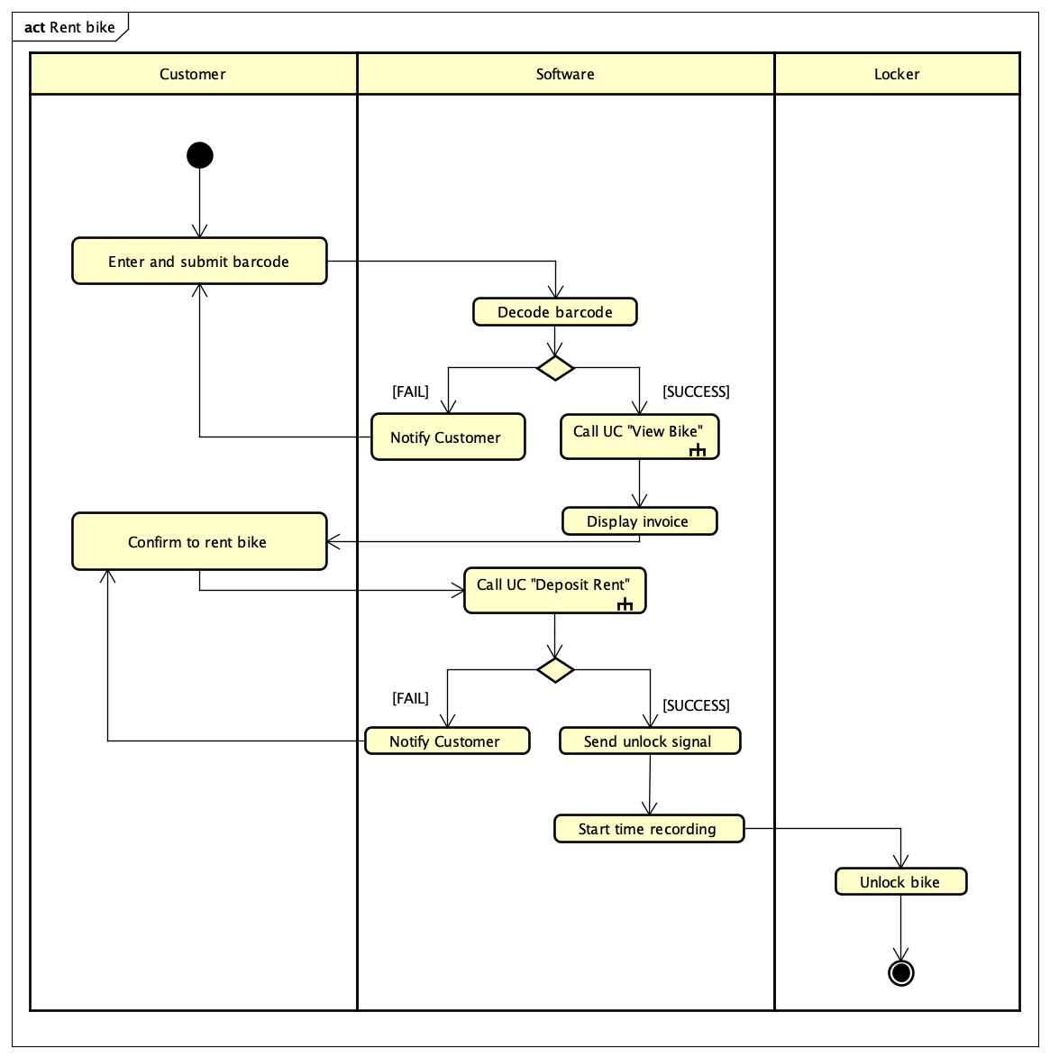

2.1.1.4. Usecase UC004-"Return Bike"

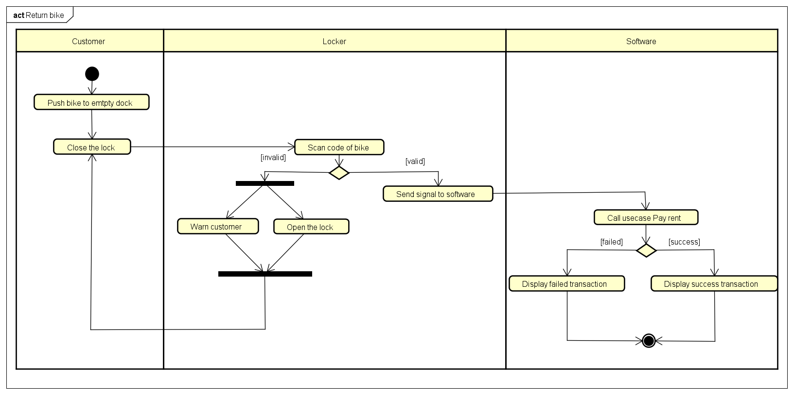

2.1.2. Class Design
2.1.2.1. General Class Diagram
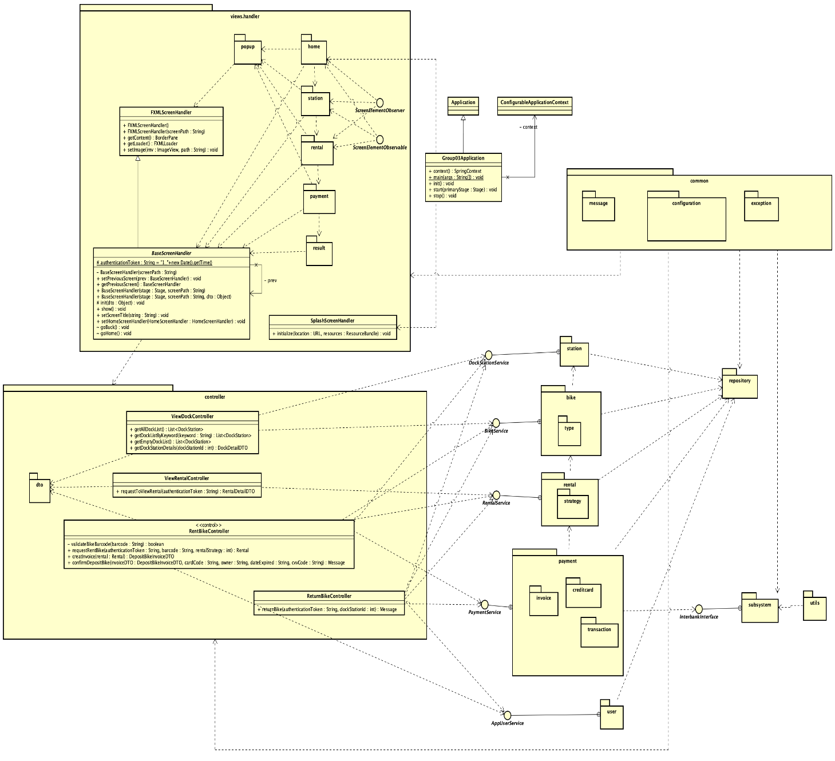

2.1.2.2. Class Diagram for Package "Controller"
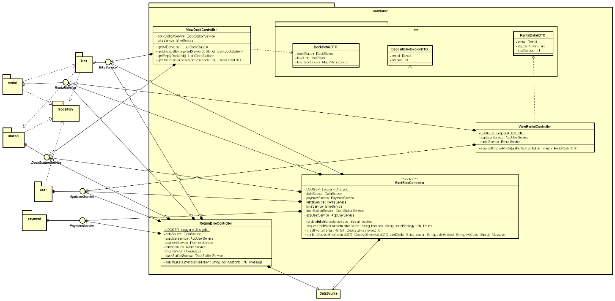

2.1.2.3. Class Diagram for Package "View-handler"
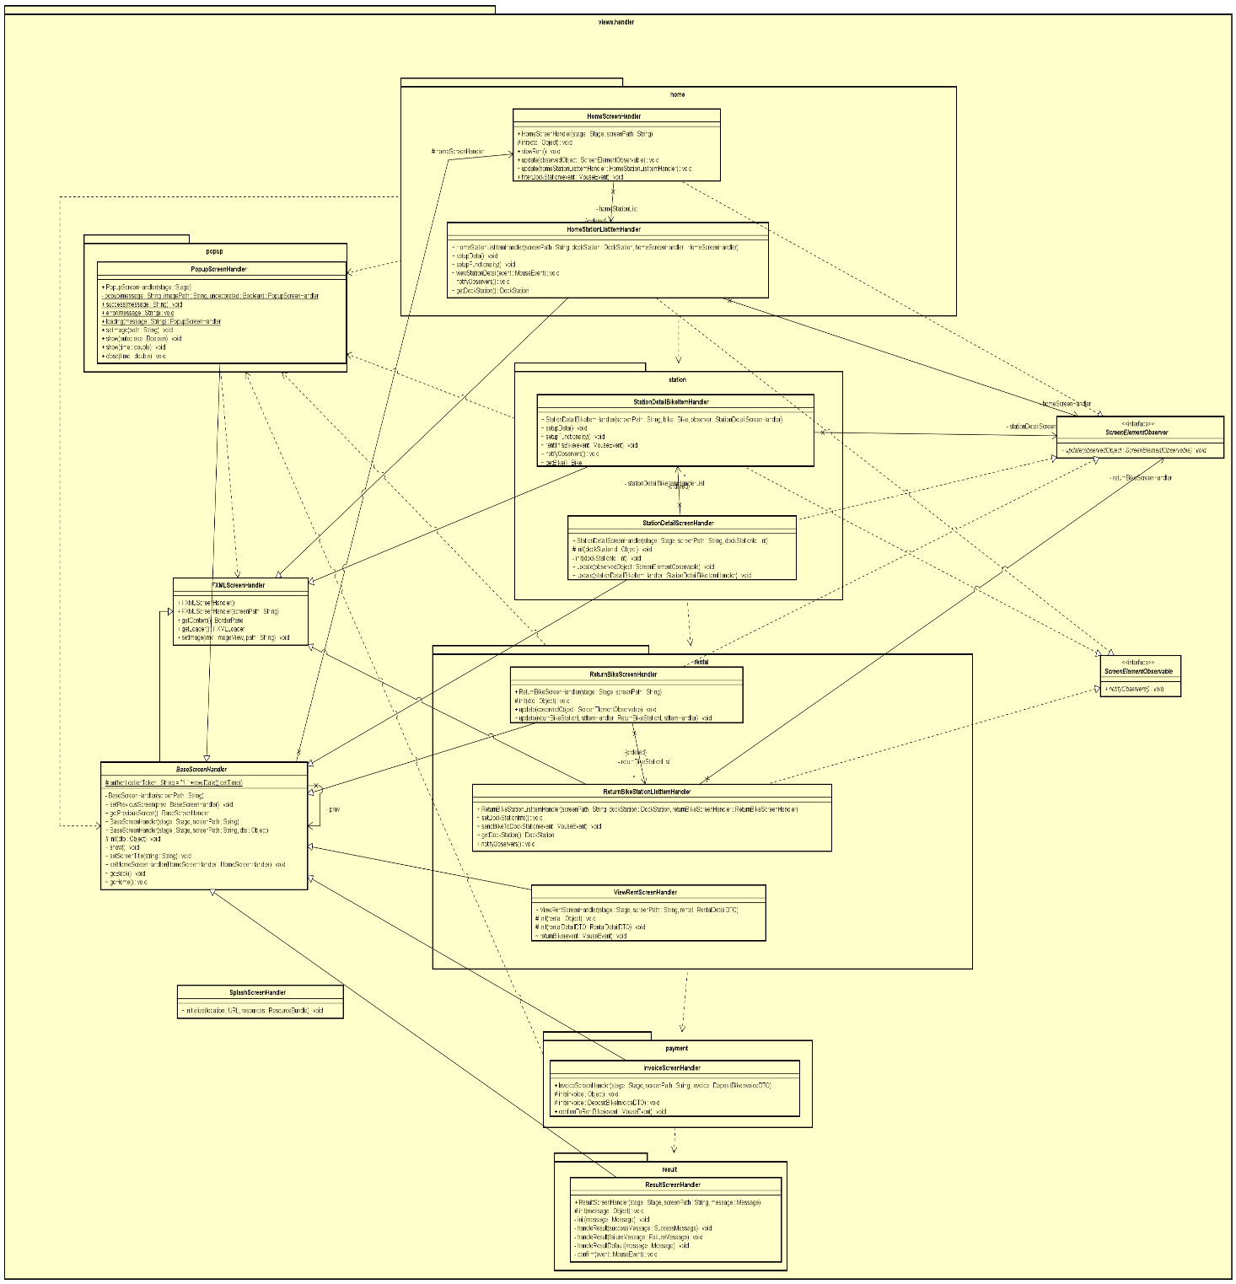

2.1.2.4. Class Diagram for Package "Bike"
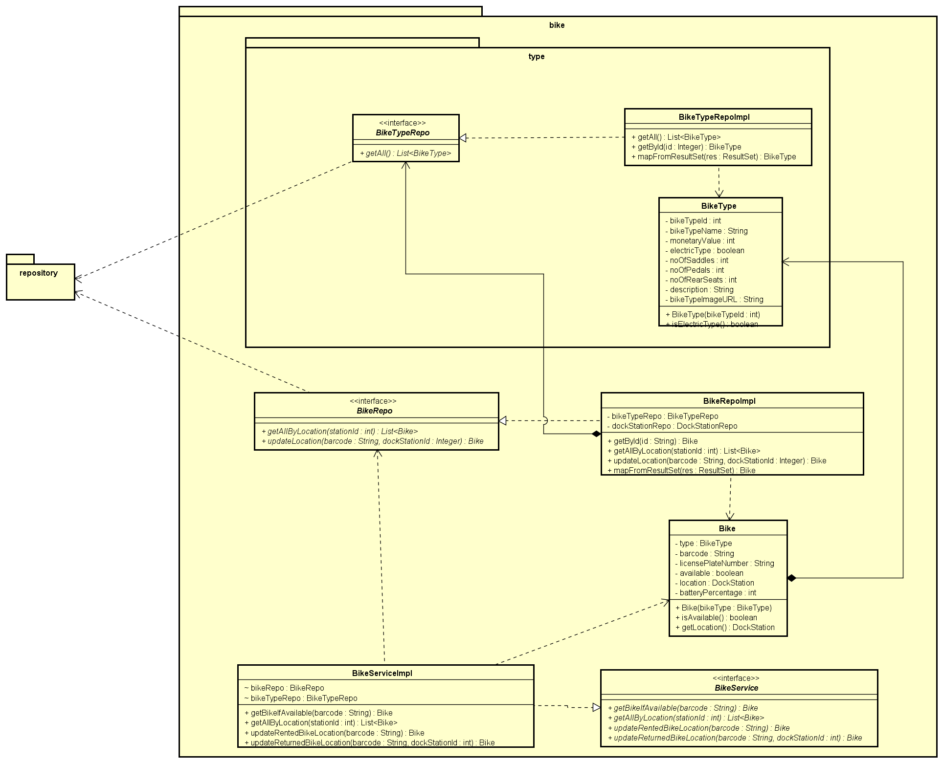

2.1.2.5. Class Diagram for Package "Payment"
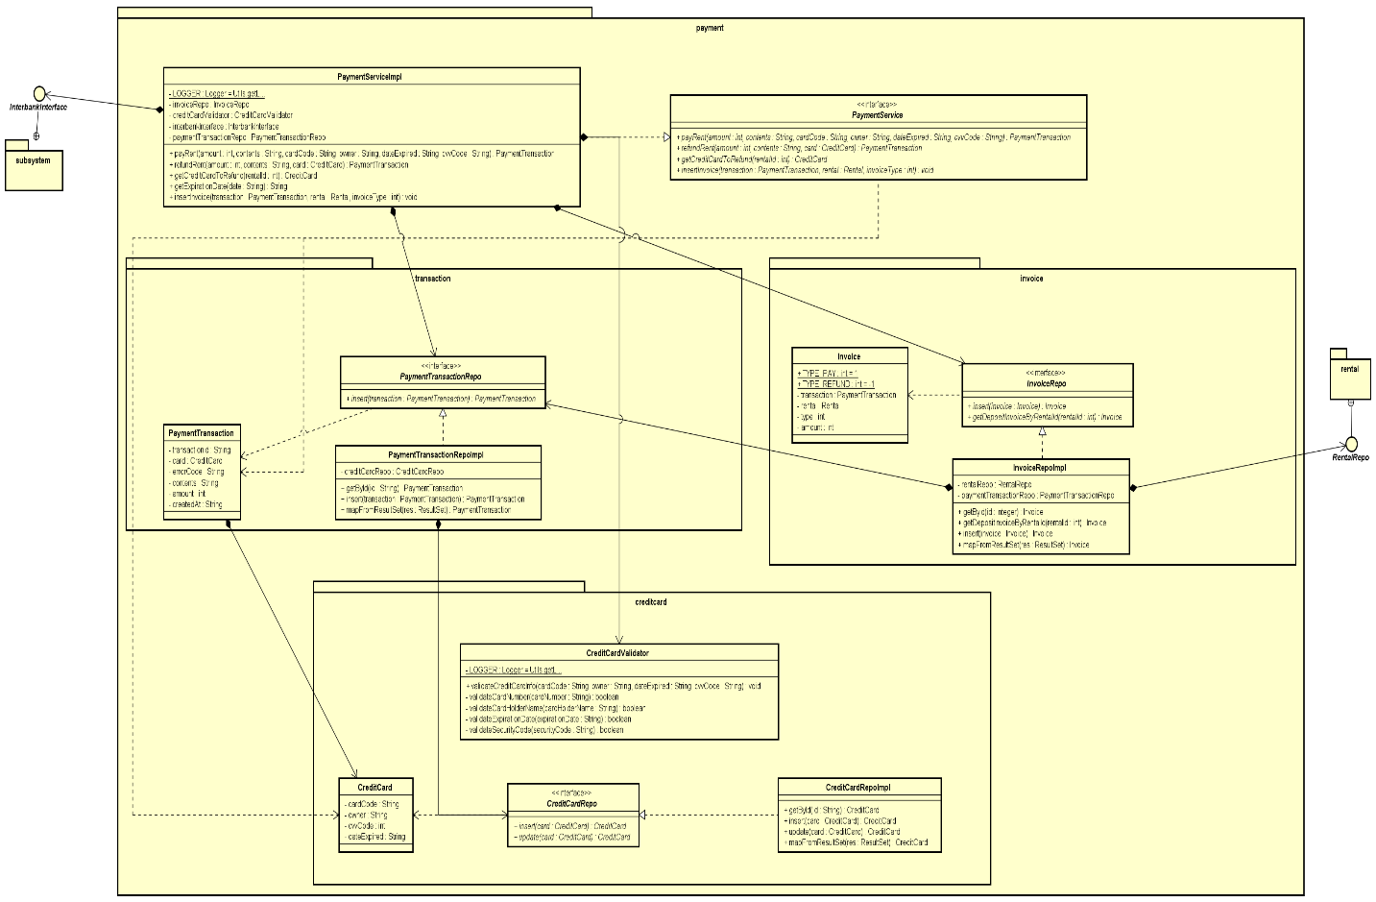

2.1.2.6. Class Diagram for Package "Station"
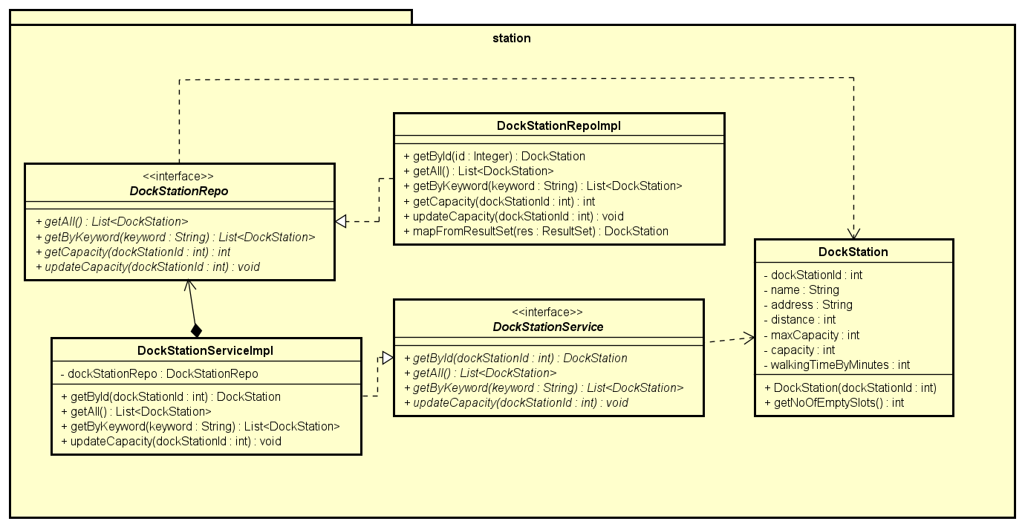

2.1.2.7. Class Diagram for Package "Subsystem"
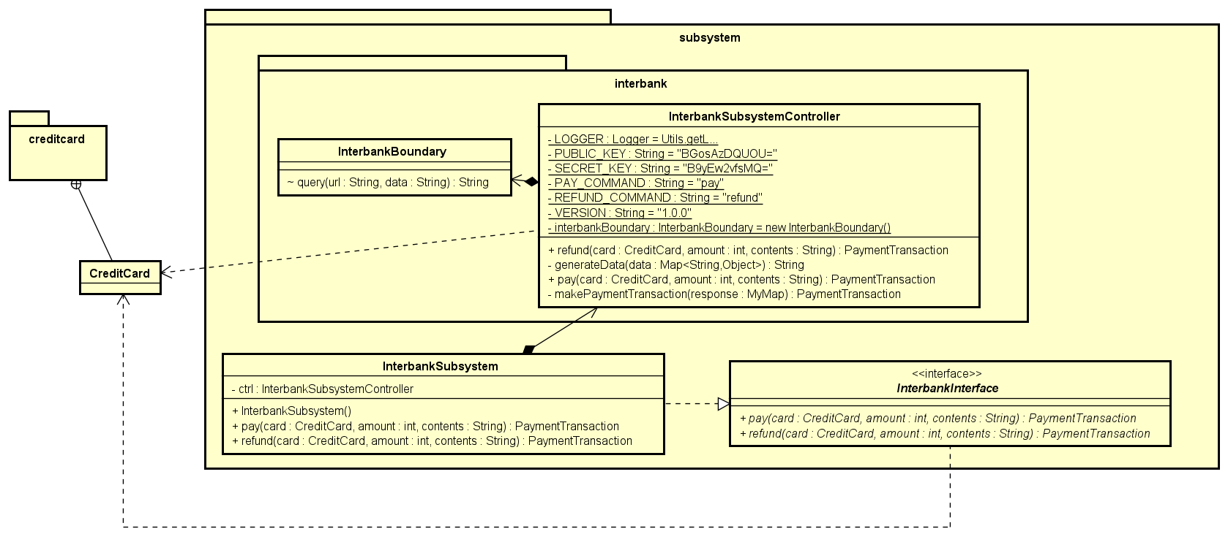

2.1.2.8. Class Diagram for Package "Repository"
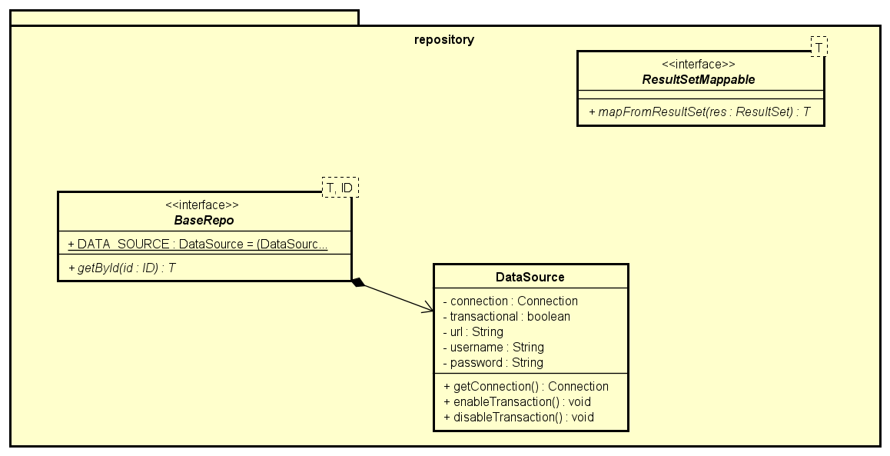

2.1.2.9. Class Diagram for Package "Rental"
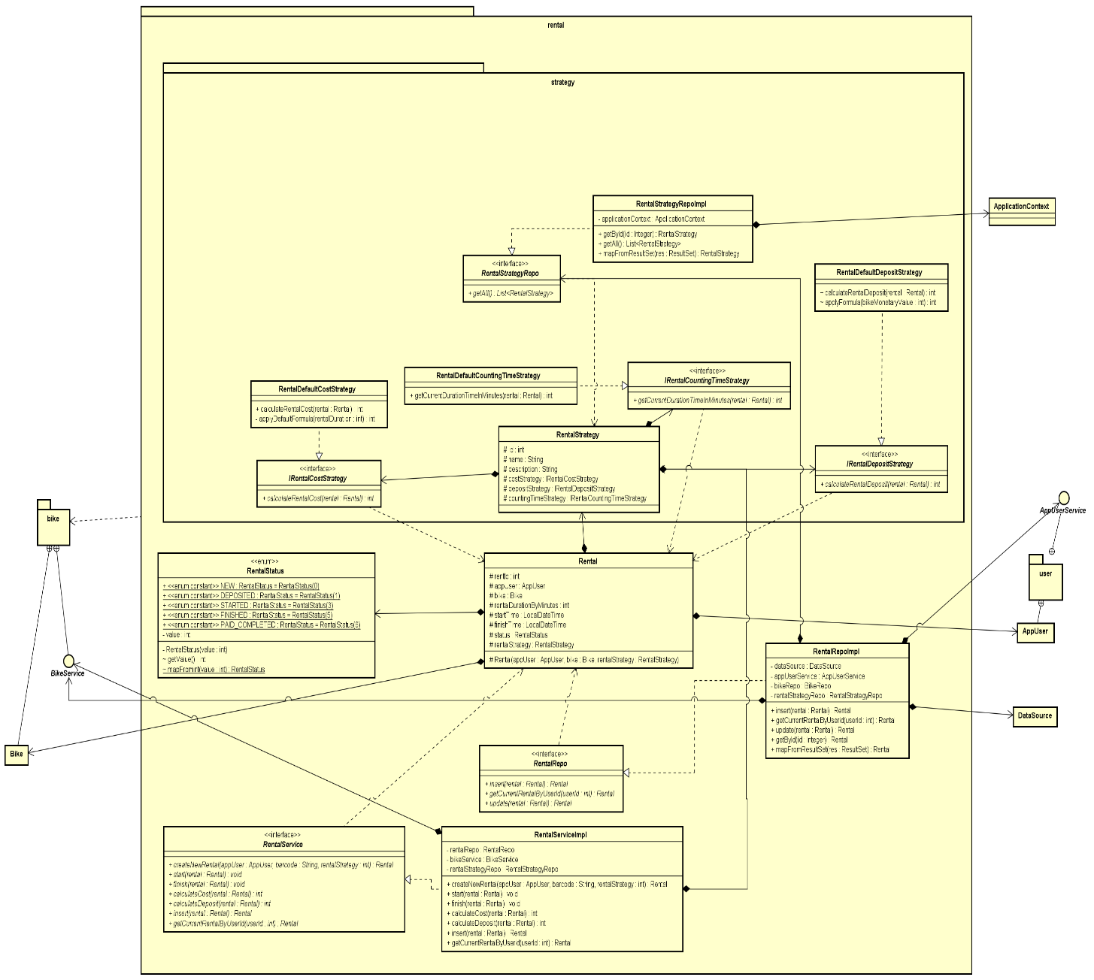

2.1.2.10. Class Diagram for Package "Common"
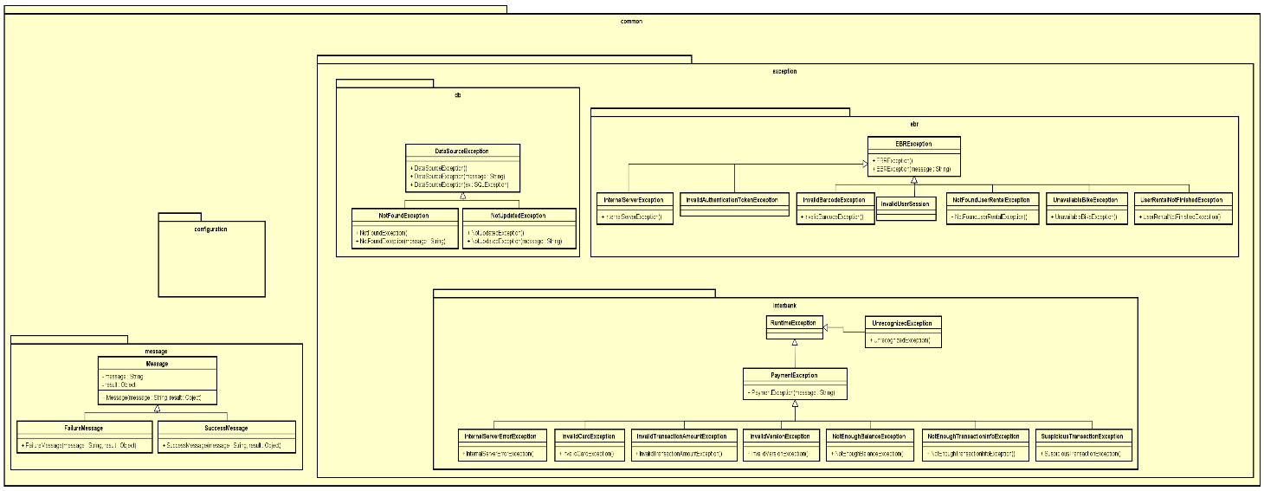

2.1.2.11. Class Diagram for Package "User"
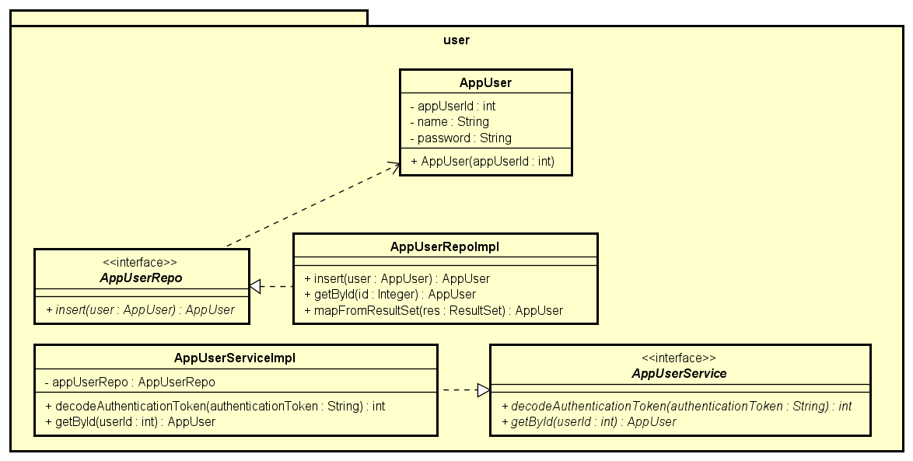

2.1.2.12. Class Diagram for Package "Utils"
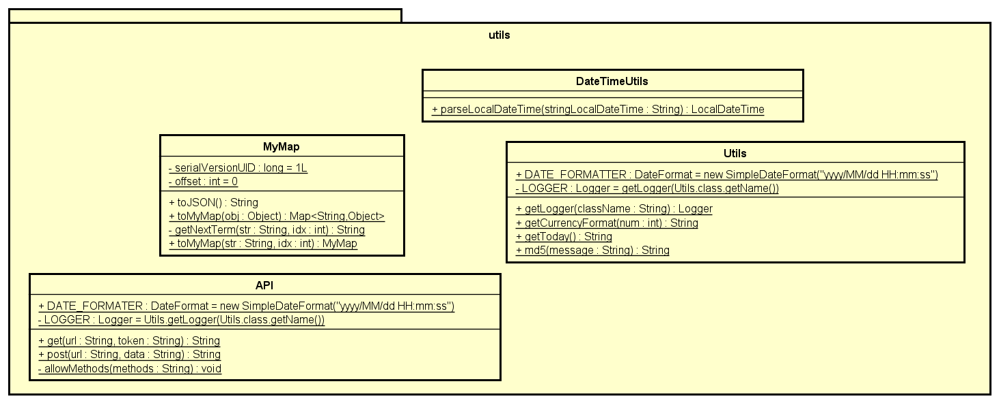

2.2. Assumptions/Constraints/Risks
2.2.1. Assumptions
<If the testing approach/strategy is based upon any assumptions, please list and describe them. For example, identify dependencies with other systems and the assumption that they will be ready to test when needed, assumptions regarding availability of defined test environments, etc.>

2.2.2. Constraints
< Describe any limitations or constraints that have a significant impact on the testing of the system, application, or situation. Such constraints may be imposed by any of the following (the list is not exhaustive): • Hardware or software environment • End-user environment • Availability of resources • Interoperability requirements • Interface/protocol requirements • Data repository and distribution requirements.>

2.2.3. Risks
< Describe any risks associated with the testing and proposed mitigation strategies.>

