Cover
HANOI UNIVERSITY OF SCIENCE AND TECHNOLOGY
School of Information and communications technology

Test Plan
Version 1.0

EcoBikeRental(EBR)
Subject: ITSS Software Development

Group 03
Trịnh Thu Hải - 20184255
Nguyễn Huy Hoàng - 20184265
Bùi Thanh Tùng - 20184324

Hanoi, Dec 2021

Overall Description
2. Overall Description
2.1. General Overview
The system is built with Java SDK to be used on multiple devices. The software will follow the client-server approach, where users will see information about bikes and docks on their devices. The requests will be sent to the server, where it will be proceeded and then sent back the result/error to the user interface. The system can also interact with outer devices and systems, namely the locker on dock stations for lock/unlocking the bikes, and the interbank API for payment processing.

2.2.1. Usecase diagrams
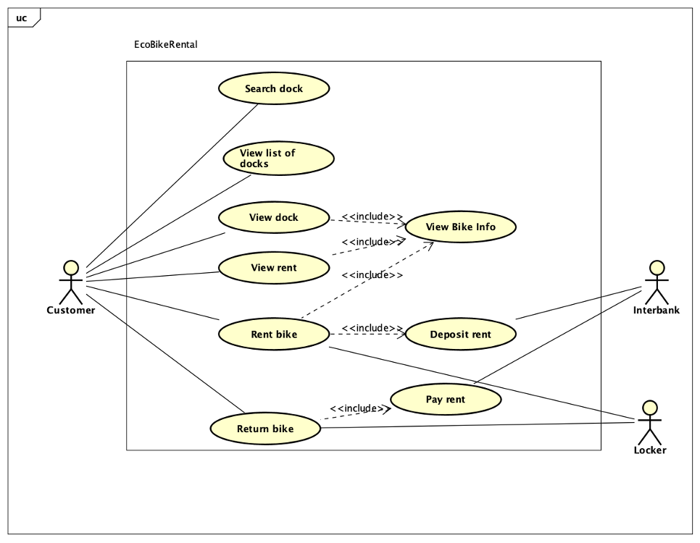

2.2.1.1. Usecase UC001-"View Bike Info"
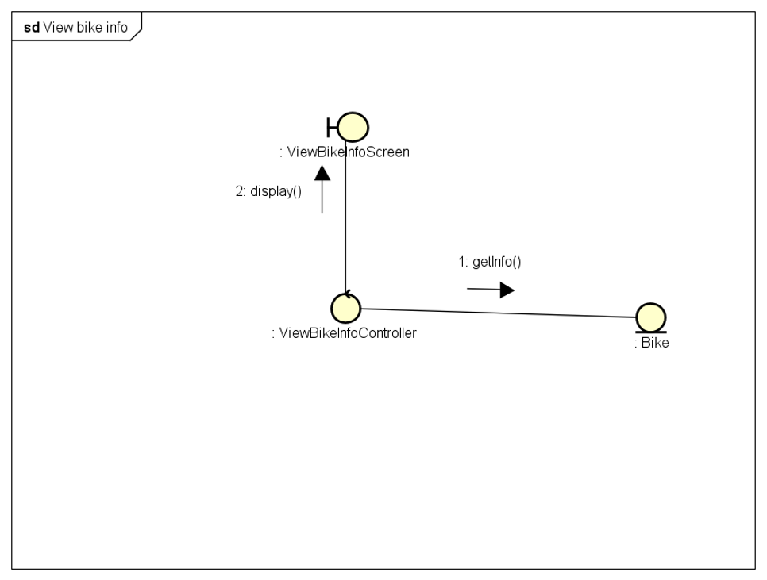

2.2.1.2. Usecase UC002-"Rent Bike"
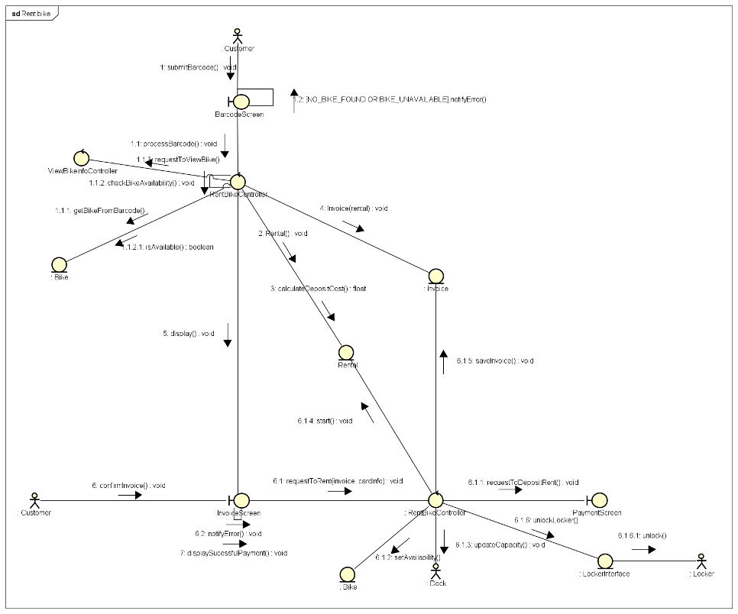

2.2.1.3. Usecase UC003-"Renturn Bike"
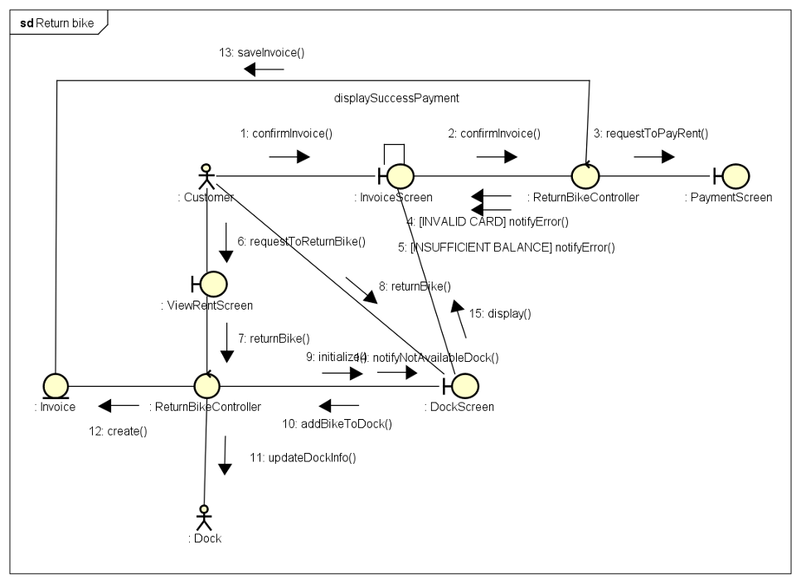

2.2.1.4. Usecase UC004-"Deposit Rent"
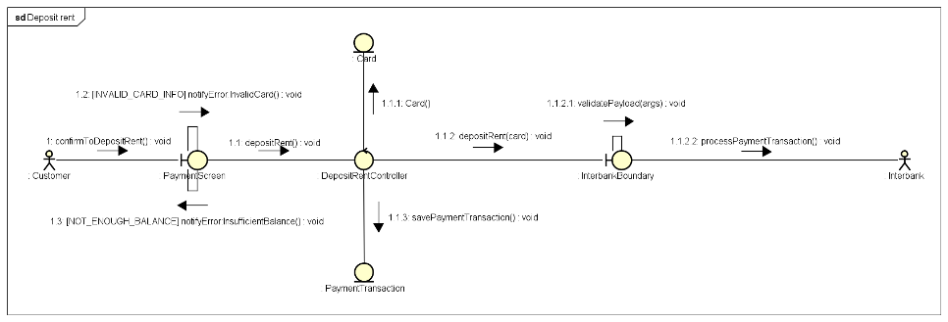

2.2.1.5. Usecase UC005-"Pay Rent"
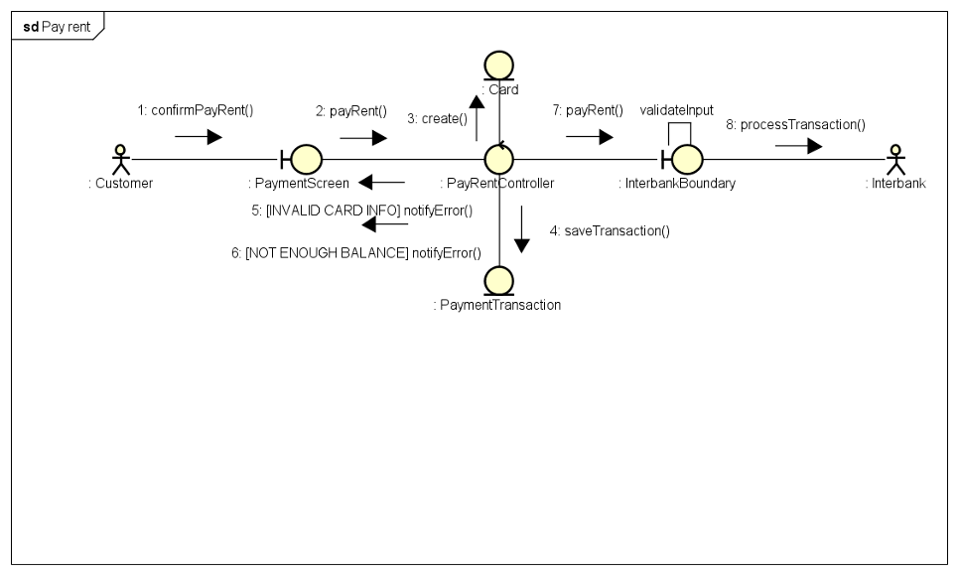

2.2.1. Assumptions
The system pre-suppose that the users have internet connection on their devices, as well as a working payment method (through interbank or e-wallet) if they want to actually rent a bike. The device that the software will be installed in is required to have Java SDK, have at least 50MB of memory. The dock station also requires an internet connection, as well as electricity on proceeding the rent. The user should know the basic flow of how to rent and return a bike. Possible changes in the future will mostly be related to the display of the software to the user interface.

2.2.2. Constraints
Hardware or software environment: the software needs to run on JAVA Virtual Machine, ideally takes small enough memory and network bandwidth to be usable on mobile devices. End-user environment: Users are not required to know too much about underlying system Availability or volatility of resources: The software should run relatively stable, and calculate the rent time correctly. Standards compliance: The system should not collect customer information without consent Interoperability requirements: The system can read user input in ascii Interface/protocol requirements: The network request should take at most 1 second Licensing requirements: None Data repository and distribution requirements: Include business flow and basic instruction on how to use and install the system. Security requirements: The software should have validation on user input. Memory or other capacity limitations: Should take less than 50MB to fit on a mobile device. Performance requirements: The system is quick to navigate. Network communications: Require regular network communication.

2.2.3. Risks
The system design is quite simple, and might not scale well if business flow changes, or there is a change in fee calculation. With current flow in mind, we should keep the current design and renovate it later if such a need arise.

