Cleaned_Data
Original Amount Distribution
 | Original Amount
0 | 2420
698560 | 46
1397120 | 12
2095680 | 6
2794240 | 5
3492800 | 5
4191360 | 4
4889920 | 0
5588480 | 0
6287040 | 0
6985600 | 0
7684160 | 0
8382720 | 0
9081280 | 0
9779840 | 0
10478400 | 1
11176960 | 0
11875520 | 0
12574080 | 0
13272640 | 0
13971200 | 0
14669760 | 0
15368320 | 0
16066880 | 0
16765440 | 0
17464000 | 0
18162560 | 0
18861120 | 0
19559680 | 0
20258240 | 0
20956800 | 0
21655360 | 0
22353920 | 0
23052480 | 0
23751040 | 0
24449600 | 0
25148160 | 0
25846720 | 0
26545280 | 0
27243840 | 0
27942400 | 0
28640960 | 0
29339520 | 0
30038080 | 0
30736640 | 0
31435200 | 0
32133760 | 0
32832320 | 0
33530880 | 0
34229440 | 1
OBJECTID | contract_number | contract_description | contract_status | contract_type | contract_subtype | last_modified | original_amount | revised_amount | vendor_id | vendor_name | objectid_1 | cost_overrun | percent_overrun | year | overrun_amount | overrun_pct | contract_type_CON (CONSTUCT/R) | contract_type_ENT (ENTERTAIN) | contract_type_GENERAL | contract_type_GS (GEN SERV) | contract_type_HUD (GEN SERV-HUD) | contract_type_INS (INSTRUCTOR) | contract_type_IT/TECH | contract_type_LS (LEASE SVCS) | contract_type_LW (DON'T USE) | contract_type_PRO (PRO SERVIC) | contract_type_RISK - HR / INS | contract_type_RNT (EQUIP RENT) | embed_1 | embed_2 | topic_1 | topic_2 | topic_3 | topic_4 | topic_5 | predicted_final_cost | pred_error | overrun_flag
185 | 91200259 | SARDIS ROAD ANNEXATION SEWER IMPROVEMENTS | CLOSED | CON (CONSTUCT/R) | CDBG | 2013-11-12 | 719610 | 639159 | 11334 | T&K UTILITIES, INC. | 184 | -80451 | -11.179805728 | 2013 | -80451 | -0.11179805728 | 1 | 0 | 0 | 0 | 0 | 0 | 0 | 0 | 0 | 0 | 0 | 0 | 0.015320484223 | 0.034465064833 | 0.05000157858 | 0.050363175439 | 0.050786828587 | 0.54934958823 | 0.29949882917 | 639329.4503 | 170.4503 | 0
1019 | 91800451 | STAFFING ASSISTANCE | CLOSED | GS (GEN SERV) | CDBG | 2019-09-16 | 4500 | 8810 | 9026 | BEVERLY ANN KING | 1018 | 4310 | 95.777777778 | 2019 | 4310 | 0.95777777778 | 0 | 0 | 0 | 1 | 0 | 0 | 0 | 0 | 0 | 0 | 0 | 0 | 0.019396152506 | 0.029994988211 | 0.73332989561 | 0.066667472694 | 0.066667487099 | 0.066667482715 | 0.06666766188 | 6952.2824531 | -1857.7175469 | 1
2508 | 91700287 | 2-MONTFORD SHELTERS CONSTRUCTION/INSTALLATION | CLOSED | CON (CONSTUCT/R) | CDBG | 2017-06-09 | 25086.25 | 25086.25 | 26725 | IRON MAIDEN STUDIOS | 2507 | 0 | 0 | 2017 | 0 | 0 | 1 | 0 | 0 | 0 | 0 | 0 | 0 | 0 | 0 | 0 | 0 | 0 | 0.012653398593 | 0.017112546332 | 0.040000871761 | 0.04023947214 | 0.23996074125 | 0.63979781757 | 0.040001097275 | 25122.7342 | 36.4842 | 0
3503 | 92200106 | PEN-LINK FOR SOFTWARE MAINTENANCE AND SUPPORT | CLOSED | GS (GEN SERV) | CDBG | 2021-08-09 | 9600 | 9600 | 37459 | PEN-LINK,LTD | 3502 | 0 | 0 | 2021 | 0 | 0 | 0 | 0 | 0 | 1 | 0 | 0 | 0 | 0 | 0 | 0 | 0 | 0 | 0.09053999383 | 0.21717558819 | 0.050000854204 | 0.54999697329 | 0.30000149076 | 0.050000307056 | 0.050000374694 | 12868.124634 | 3268.1246336 | 0
603 | 91400271 | REPLACING POOL DRAIN COVERS | CLOSED | PRO (PRO SERVIC) | CDBG | 2014-06-12 | 8000 | 7450 | 13352 | LEGACY COMMERCIAL POOL SERVICES, INC. | 602 | -550 | -6.875 | 2014 | -550 | -0.06875 | 0 | 0 | 0 | 0 | 0 | 0 | 0 | 0 | 0 | 1 | 0 | 0 | 0.0047731130705 | 0.01165758575 | 0.10000120499 | 0.10000107729 | 0.59994730766 | 0.10004896393 | 0.10000144612 | 6194.0486444 | -1255.9513556 | 0
4236 | 91000235 | MUNI BLDG FIBER REPAIR | CLOSED | GS (GEN SERV) | CDBG | 2010-02-01 | 200 | 200 | 5540 | CAT NETWORKS & SECURITY | 4235 | 0 | 0 | 2010 | 0 | 0 | 0 | 0 | 0 | 1 | 0 | 0 | 0 | 0 | 0 | 0 | 0 | 0 | 0.022058356838 | 0.045513229774 | 0.040000863664 | 0.04004584497 | 0.83946617905 | 0.040397974806 | 0.040089137514 | 204.4334 | 4.4334 | 0
1236 | 91800166 | CHILDREN FIRST - STUDENT SUPPORT SPF FY 17-18 | CLOSED | GS (GEN SERV) | STRATEGIC PARTNER | 2018-08-07 | 20000 | 20000 | 3396 | CHILDREN FIRST/COMMUNITIES IN SCHOOLS OF BUNCOMBE | 1235 | 0 | 0 | 2018 | 0 | 0 | 0 | 0 | 0 | 1 | 0 | 0 | 0 | 0 | 0 | 0 | 0 | 0 | 0.1358677884 | 0.28788252345 | 0.028571603193 | 0.88563133588 | 0.028648308303 | 0.028571600982 | 0.028577151637 | 26233.166815 | 6233.1668151 | 0
439 | 92000325 | 3 DISPATCHERS FOR FY 19-20 CONTINUATION OF SERVICE | CLOSED | GS (GEN SERV) | CDBG | 2021-06-08 | 222281 | 220782.76 | 416 | BUNCOMBE COUNTY FINANCE DEPT | 438 | -1498.24 | -0.67402971914 | 2021 | -1498.24 | -0.0067402971914 | 0 | 0 | 0 | 1 | 0 | 0 | 0 | 0 | 0 | 0 | 0 | 0 | 0.19278395341 | 0.40534863641 | 0.034011763275 | 0.69997326803 | 0.033338907221 | 0.1993325513 | 0.033343510171 | 320944.1798 | 100161.4198 | 0
2338 | 92200178 | GRANT NC 1057-2021-2, FTA FFY 2020-5310 EXPANDED N | POSTED | GS (GEN SERV) | AGREEMENT | 2021-09-21 | 26058 | 26058 | 5440 | MADISON COUNTY | 2337 | 0 | 0 | 2021 | 0 | 0 | 0 | 0 | 0 | 1 | 0 | 0 | 0 | 0 | 0 | 0 | 0 | 0 | 0.011526547567 | 0.021504426694 | 0.025000230174 | 0.025001492779 | 0.89999777877 | 0.025000225004 | 0.025000273269 | 26146.914 | 88.914 | 0
110 | 92100452 | LOBBYIST | POSTED | GS (GEN SERV) | CDBG | 2022-01-07 | 76000 | 112000 | 24005 | BLANCHARD, MILLER, LEWIS & ISLEY PA | 109 | 36000 | 47.368421053 | 2022 | 36000 | 0.47368421053 | 0 | 0 | 0 | 1 | 0 | 0 | 0 | 0 | 0 | 0 | 0 | 0 | 0 | 0 | 0.2 | 0.2 | 0.2 | 0.2 | 0.2 | 95164.51 | -16835.49 | 1
221 | 91300031 | GROUNDS MAINTENANCE FOR NORTH, EAST AND CENTRAL | CLOSED | GS (GEN SERV) | CDBG | 2013-10-24 | 125600 | 123431.61 | 6055 | RIVERTOP CONTRACTING INC | 220 | -2168.39 | -1.7264251592 | 2013 | -2168.39 | -0.017264251592 | 0 | 0 | 0 | 1 | 0 | 0 | 0 | 0 | 0 | 0 | 0 | 0 | 0.048448365966 | 0.12982806131 | 0.29574902401 | 0.040001563504 | 0.24014148299 | 0.38410585368 | 0.040002075814 | 123733.30076 | 301.69075667 | 0
1158 | 91700038 | WEB ADVERTISEMENT FOR JOBS | CLOSED | GS (GEN SERV) | CDBG | 2020-06-01 | 5893 | 3437.42 | 11159 | LOCALJOBS.COM, INC. | 1157 | -2455.58 | -41.669438317 | 2020 | -2455.58 | -0.41669438317 | 0 | 0 | 0 | 1 | 0 | 0 | 0 | 0 | 0 | 0 | 0 | 0 | 0.0048332238639 | -0.0026617831896 | 0.1000024852 | 0.1000022502 | 0.10000249391 | 0.10000247286 | 0.59999029782 | 4797.278 | 1359.858 | 0
4246 | 91100335 | UNIFORMS, MATS, AND SHOP TOWELS RENTAL | CLOSED | RNT (EQUIP RENT) | CDBG | 2012-06-27 | 15500 | 13470.72 | 5695 | CINTAS | 4245 | -2029.28 | -13.092129032 | 2012 | -2029.28 | -0.13092129032 | 0 | 0 | 0 | 0 | 0 | 0 | 0 | 0 | 0 | 0 | 0 | 1 | 0.032725106809 | 0.026206079771 | 0.40032980559 | 0.066669107142 | 0.39966174623 | 0.066669402415 | 0.066669938622 | 14834.464 | 1363.744 | 0
3579 | 91700142 | PATTON AT OTSL/PATTON AT ASHELAND TRAF SIG DESIGN | CLOSED | PRO (PRO SERVIC) | CDBG | 2017-08-10 | 20000 | 20000 | 1754 | MATTERN & CRAIG | 3578 | 0 | 0 | 2017 | 0 | 0 | 0 | 0 | 0 | 0 | 0 | 0 | 0 | 0 | 0 | 1 | 0 | 0 | 0.052844519386 | -0.00015129046002 | 0.10000032176 | 0.10000610901 | 0.10000217325 | 0.59938165675 | 0.10060973922 | 18909.063014 | -1090.936986 | 0
3825 | 91100187 | BC 10 TALENT BUYER-HEADLINEERS | CLOSED | GS (GEN SERV) | CDBG | 2010-07-16 | 3650 | 3650 | 586 | MOORE ENTERTAINMENT, INC. | 3824 | 0 | 0 | 2010 | 0 | 0 | 0 | 0 | 0 | 1 | 0 | 0 | 0 | 0 | 0 | 0 | 0 | 0 | 0.011222668324 | 0.041489854841 | 0.066898104645 | 0.066666919447 | 0.066666950597 | 0.067126627573 | 0.73264139774 | 3650.3108 | 0.3108 | 0
1784 | 92100445 | VANCE MONUMENT REMOVAL | POSTED | CON (CONSTUCT/R) | CDBG | 2021-11-08 | 125565 | 125565 | 37222 | CHONZIE INC | 1783 | 0 | 0 | 2021 | 0 | 0 | 1 | 0 | 0 | 0 | 0 | 0 | 0 | 0 | 0 | 0 | 0 | 0 | 0.0098307574315 | 0.026906862994 | 0.10000058718 | 0.10000054494 | 0.1000005994 | 0.10000453893 | 0.59999372955 | 126083.9402 | 518.9402 | 0
4159 | 92100362 | FY 20/21 MOTHER LOVE | POSTED | HUD (GEN SERV-HUD) | CDBG | 2021-08-20 | 25000 | 25000 | 2926 | Y W C A | 4158 | 0 | 0 | 2021 | 0 | 0 | 0 | 0 | 0 | 0 | 1 | 0 | 0 | 0 | 0 | 0 | 0 | 0 | 0.14691721092 | 0.28726024344 | 0.050000153373 | 0.7999443947 | 0.050011130082 | 0.050000150886 | 0.050044170963 | 25027.681362 | 27.681362121 | 0
3641 | 92000452 | CARPET 2ND FLOOR OF PW | CLOSED | GS (GEN SERV) | CDBG | 2021-06-09 | 39800 | 37592.53 | 20985 | PROFESSIONAL BUSINESS INTERIORS, INC | 3640 | -2207.47 | -5.5464070352 | 2021 | -2207.47 | -0.055464070352 | 0 | 0 | 0 | 1 | 0 | 0 | 0 | 0 | 0 | 0 | 0 | 0 | 0.0058966857797 | 0.01464574039 | 0.050001205853 | 0.050991028071 | 0.79797463938 | 0.050687629573 | 0.050345497122 | 38725.043841 | 1132.5138411 | 0
1300 | 91400143 | CONTROLS FOR CITY HALL FAN COIL UNITS | CLOSED | CON (CONSTUCT/R) | CDBG | 2014-08-21 | 55942 | 54862 | 5519 | JOHNSON CONTROLS, INC. | 1299 | -1080 | -1.9305709485 | 2014 | -1080 | -0.019305709485 | 1 | 0 | 0 | 0 | 0 | 0 | 0 | 0 | 0 | 0 | 0 | 0 | 0.058748883736 | 0.072091751994 | 0.73333217531 | 0.066666922129 | 0.066666947452 | 0.066666951451 | 0.066667003656 | 55619.011 | 757.011 | 0
3522 | 92000489 | 2020 ESG ECKERD YOUTH ALTERNATIVES - SHELTER | CLOSED | HUD (GEN SERV-HUD) | ESG | 2021-06-07 | 20000 | 26385 | 34885 | ECKERD YOUTH ALTERNATIVES, INC. | 3521 | 6385 | 31.925 | 2021 | 6385 | 0.31925 | 0 | 0 | 0 | 0 | 1 | 0 | 0 | 0 | 0 | 0 | 0 | 0 | 0.015412543379 | 0.02688150039 | 0.040283684943 | 0.60233041142 | 0.27713695076 | 0.040247546581 | 0.040001406304 | 17703.885815 | -8681.1141846 | 1
2224 | 91900340 | JBL SOCCER COMPLEX FIELD FLOOD REMEDIATION | CLOSED | GS (GEN SERV) | CDBG | 2020-04-28 | 1075000 | 924425 | 27447 | APT ACQUISITION & CONSTRUCTION | 2223 | -150575 | -14.006976744 | 2020 | -150575 | -0.14006976744 | 0 | 0 | 0 | 1 | 0 | 0 | 0 | 0 | 0 | 0 | 0 | 0 | 0.0030571832016 | 0.0061920416233 | 0.29974597339 | 0.29924072332 | 0.050310674939 | 0.050205729174 | 0.30049689917 | 1013838.7137 | 89413.7137 | 0
2754 | 91100319 | HVAC REPAIR & ASSESSMENT FOR P&R FACILITIES | CLOSED | GS (GEN SERV) | CDBG | 2012-06-27 | 10000 | 21925.99 | 1188 | M B HAYNES CORPORATION | 2753 | 11925.99 | 119.2599 | 2012 | 11925.99 | 1.192599 | 0 | 0 | 0 | 1 | 0 | 0 | 0 | 0 | 0 | 0 | 0 | 0 | 0.035720890129 | 0.062495997518 | 0.24234676642 | 0.040232958796 | 0.23717479843 | 0.2425098151 | 0.23773566126 | 14112.650081 | -7813.339919 | 1
1118 | 91100688 | SERVICE SANITATION/DEODERIZERS IN FACILITIES | CLOSED | GS (GEN SERV) | CDBG | 2011-12-07 | 3870 | 3870 | 8257 | WEST SANITATION SERVICES | 1117 | 0 | 0 | 2011 | 0 | 0 | 0 | 0 | 0 | 1 | 0 | 0 | 0 | 0 | 0 | 0 | 0 | 0 | 0.075255369604 | 0.1969686297 | 0.73087070942 | 0.066667180711 | 0.066667242124 | 0.06912753982 | 0.066667327924 | 4185.875 | 315.875 | 0
2918 | 92100061 | VANCE SCAFFOLDING AND COVERING | CLOSED | GS (GEN SERV) | CDBG | 2021-11-17 | 80000 | 43862.43 | 35167 | ASSOCIATED SCAFFOLDING COMPANY, INC, | 2917 | -36137.57 | -45.1719625 | 2021 | -36137.57 | -0.451719625 | 0 | 0 | 0 | 1 | 0 | 0 | 0 | 0 | 0 | 0 | 0 | 0 | 0 | 0 | 0.2 | 0.2 | 0.2 | 0.2 | 0.2 | 72198.52893 | 28336.09893 | 0
1076 | 91700120 | REPLACE BASKETBALL GOALS AT CARRIER PARK | CLOSED | CON (CONSTUCT/R) | CDBG | 2017-03-24 | 5596 | 5596 | 5260 | B ALLEN CONSTRUCTION, INC. | 1075 | 0 | 0 | 2017 | 0 | 0 | 1 | 0 | 0 | 0 | 0 | 0 | 0 | 0 | 0 | 0 | 0 | 0 | 0.024328973181 | 0.01823851477 | 0.040002232322 | 0.4396904314 | 0.440193974 | 0.04011193273 | 0.040001429554 | 5730.9908 | 134.9908 | 0
3858 | 92100313 | WCRM CODE PURPLE SHELTER. | CLOSED | GS (GEN SERV) | SERVICE | 2021-12-06 | 80000 | 100110 | 8741 | WESTERN CAROLINA RESCUE MINIST | 3857 | 20110 | 25.1375 | 2021 | 20110 | 0.251375 | 0 | 0 | 0 | 1 | 0 | 0 | 0 | 0 | 0 | 0 | 0 | 0 | 0.011795142065 | 0.019849050125 | 0.067247869525 | 0.069494522287 | 0.72758643242 | 0.068431493787 | 0.067239681985 | 72198.52893 | -27911.47107 | 1
1238 | 91400216 | MONTFORD PARK MASTER PLAN | CLOSED | PRO (PRO SERVIC) | CDBG | 2015-06-11 | 45000 | 44961.77 | 18326 | SITE DESIGN STUDIO, PLLC | 1237 | -38.23 | -0.084955555556 | 2015 | -38.23 | -0.00084955555556 | 0 | 0 | 0 | 0 | 0 | 0 | 0 | 0 | 0 | 1 | 0 | 0 | 0.047552983303 | 0.059198220341 | 0.0409156268 | 0.63832484113 | 0.24007056043 | 0.040687810064 | 0.040001161579 | 59917.399887 | 14955.629887 | 0
1378 | 92200234 | FY 21/22 YWCA OF AVL & WNC - ECC | POSTED | HUD (GEN SERV-HUD) | CDBG | 2021-11-01 | 15000 | 15000 | 2926 | Y W C A | 1377 | 0 | 0 | 2021 | 0 | 0 | 0 | 0 | 0 | 0 | 1 | 0 | 0 | 0 | 0 | 0 | 0 | 0 | 0.085253843004 | 0.15737050729 | 0.028618142375 | 0.51401813395 | 0.028626734596 | 0.028572042376 | 0.4001649467 | 14811.723667 | -188.27633333 | 0
2958 | 92000282 | 2 DAY IDIS ONLINE TRAINING FOR CDBG | CLOSED | GS (GEN SERV) | SERVICE | 2020-06-15 | 6770 | 6770 | 33640 | THE BUCHENAUER GROUP LLC | 2957 | 0 | 0 | 2020 | 0 | 0 | 0 | 0 | 0 | 1 | 0 | 0 | 0 | 0 | 0 | 0 | 0 | 0 | 0.027624114004 | 0.012281637472 | 0.040091167608 | 0.43937474736 | 0.04000180002 | 0.040673819128 | 0.43985846589 | 6773.0993 | 3.0993 | 0
2097 | 91800393 | DESIGN OF CHARGING STATION FOR ELECTIC BUSES | CLOSED | PRO (PRO SERVIC) | CDBG | 2019-06-28 | 20100 | 34800 | 29645 | BRITT, PETERS & ASSOCIATES, INC. | 2096 | 14700 | 73.134328358 | 2019 | 14700 | 0.73134328358 | 0 | 0 | 0 | 0 | 0 | 0 | 0 | 0 | 0 | 1 | 0 | 0 | 0.048017380222 | 0.026853624639 | 0.066960286517 | 0.066670981189 | 0.39988116746 | 0.39941404272 | 0.067073522113 | 18730.53883 | -16069.46117 | 1
961 | 91600066 | PREVENTATIVE MAINTENANCE FOR PUMP SITES - W PROD | CLOSED | GS (GEN SERV) | CDBG | 2017-05-10 | 17920.41 | 17725.92 | 3385 | CUMMINS ATLANTIC LLC | 960 | -194.49 | -1.0852988297 | 2017 | -194.49 | -0.010852988297 | 0 | 0 | 0 | 1 | 0 | 0 | 0 | 0 | 0 | 0 | 0 | 0 | 0.048252308659 | 0.15549433842 | 0.050000534381 | 0.050000355357 | 0.79999823941 | 0.050000394689 | 0.050000476162 | 17479.923585 | -245.99641472 | 0
2689 | 91600057 | HAYWOOD PARKING PHASE II STUDY | CLOSED | GS (GEN SERV) | CDBG | 2016-05-18 | 48800 | 50200 | 4574 | KIMLEY-HORN AND ASSOCIATES | 2688 | 1400 | 2.868852459 | 2016 | 1400 | 0.02868852459 | 0 | 0 | 0 | 1 | 0 | 0 | 0 | 0 | 0 | 0 | 0 | 0 | 0.044900476154 | 0.0014555081841 | 0.033542377935 | 0.034633069513 | 0.033334332763 | 0.034784334757 | 0.86370588503 | 51577.3386 | 1377.3386 | 1
298 | 91200329 | STORMWATER SERVICES EDUCATIONAL BROCHURES | CLOSED | GS (GEN SERV) | CDBG | 2015-06-26 | 3322.29 | 3209.85 | 3204 | MAIL MANAGEMENT SERVICES | 297 | -112.44 | -3.3844125588 | 2015 | -112.44 | -0.033844125588 | 0 | 0 | 0 | 1 | 0 | 0 | 0 | 0 | 0 | 0 | 0 | 0 | 0.4773847366 | -0.20590926408 | 0.067962038807 | 0.066817009751 | 0.066667194444 | 0.73188642447 | 0.06666733253 | 3286.6235 | 76.7735 | 0
1865 | 91500058 | CRYPTOSPORIDIUM- SAMPLING FOR WATER | CLOSED | GS (GEN SERV) | CDBG | 2018-05-25 | 26730 | 26404.44 | 19189 | EUROFINS EATON ANALYTICAL, INC. | 1864 | -325.56 | -1.2179573513 | 2018 | -325.56 | -0.012179573513 | 0 | 0 | 0 | 1 | 0 | 0 | 0 | 0 | 0 | 0 | 0 | 0 | 0.071539952944 | 0.17175430107 | 0.10205241253 | 0.10000027594 | 0.10135560096 | 0.10000031223 | 0.59659139833 | 40077.5448 | 13673.1048 | 0
3402 | 92100484 | TRAFFIC/INSPECTION OF PREEMPTION FIRE STATION #13 | CLOSED | PRO (PRO SERVIC) | CDBG | 2021-05-27 | 7500 | 7500 | 1881 | NC DEPT OF TRANSPORTATION | 3401 | 0 | 0 | 2021 | 0 | 0 | 0 | 0 | 0 | 0 | 0 | 0 | 0 | 0 | 0 | 1 | 0 | 0 | 0.018683073126 | 0.040565906917 | 0.040082455559 | 0.26623800317 | 0.4136799856 | 0.2399221779 | 0.040077377774 | 31090.090518 | 23590.090518 | 0
3005 | 91300150 | 308 DCRSB CAT EXCAVATOR TRACK HOE | CLOSED | RNT (EQUIP RENT) | CDBG | 2012-10-18 | 2900 | 2900 | 7342 | CAROLINA TRACTOR & EQUIPMENT COMPANY | 3004 | 0 | 0 | 2012 | 0 | 0 | 0 | 0 | 0 | 0 | 0 | 0 | 0 | 0 | 0 | 0 | 0 | 1 | 0 | 0 | 0.2 | 0.2 | 0.2 | 0.2 | 0.2 | 3094.3825 | 194.3825 | 0
2944 | 92200177 | ON-CALL DEBT ISSUANCE ASSISTANCE | POSTED | PRO (PRO SERVIC) | SUPPLMNTL ON CALL | 2021-09-17 | 6000 | 6000 | 11194 | RAFTELIS FINANCIAL CONSULTANTS, INC. | 2943 | 0 | 0 | 2021 | 0 | 0 | 0 | 0 | 0 | 0 | 0 | 0 | 0 | 0 | 0 | 1 | 0 | 0 | 0.005212140857 | 0.011597182015 | 0.59999152485 | 0.10000203058 | 0.10000199895 | 0.1000019939 | 0.10000245172 | 6223.5919697 | 223.5919697 | 0
1053 | 91600298 | DOCUMENT MANAGEMENT | CLOSED | GS (GEN SERV) | CDBG | 2017-06-23 | 15200 | 15200 | 24640 | ALTIRNAO, INC | 1052 | 0 | 0 | 2017 | 0 | 0 | 0 | 0 | 0 | 1 | 0 | 0 | 0 | 0 | 0 | 0 | 0 | 0 | 0.042425666211 | 0.0019739215303 | 0.10000063011 | 0.10000055685 | 0.10000060874 | 0.10000063333 | 0.59999757097 | 13057.36 | -2142.64 | 0
4009 | 91000340 | PROJECT FOR FIRE -PROGRAM VOICEMAIL SYSTEM TO SEND | CLOSED | GS (GEN SERV) | CDBG | 2010-02-26 | 1584 | 1584 | 2533 | SOUTHEASTERN TELECOM INC | 4008 | 0 | 0 | 2010 | 0 | 0 | 0 | 0 | 0 | 1 | 0 | 0 | 0 | 0 | 0 | 0 | 0 | 0 | 0.060283435678 | 0.10817745261 | 0.73225877751 | 0.067203712243 | 0.067076767085 | 0.066666929093 | 0.06679381407 | 1587.8312 | 3.8312 | 0
97 | 91100445 | GPS DATA COLLECTION FOR AMR PROJECT | CLOSED | GS (GEN SERV) | CDBG | 2019-03-27 | 112000 | 112258.44 | 10139 | MUELLER SYSTEMS, LLC | 96 | 258.44 | 0.23075 | 2019 | 258.44 | 0.0023075 | 0 | 0 | 0 | 1 | 0 | 0 | 0 | 0 | 0 | 0 | 0 | 0 | 0.037467846392 | 0.056483678187 | 0.79948691441 | 0.050256775429 | 0.050194822145 | 0.05000057368 | 0.050060914335 | 132797.6684 | 20539.2284 | 1
1695 | 91100041 | WRISTBAND SALES | CLOSED | GS (GEN SERV) | CDBG | 2010-07-01 | 2000 | 2000 | 2925 | XI DELTA RHO CHAP BETA SIGMA P | 1694 | 0 | 0 | 2010 | 0 | 0 | 0 | 0 | 0 | 1 | 0 | 0 | 0 | 0 | 0 | 0 | 0 | 0 | -7.2296074816E-06 | 1.4501495976E-05 | 0.066668284656 | 0.066668131665 | 0.066668290337 | 0.73332668567 | 0.066668607669 | 1904.6398499 | -95.360150145 | 0
2804 | 91000316 | PUMP STATION BACKUP POWER REVENUE BOND PROJECT | CLOSED | CON (CONSTUCT/R) | CDBG | 2010-08-19 | 409940.4 | 409940.4 | 6656 | TURNER MURPHY COMPANY | 2803 | 0 | 0 | 2010 | 0 | 0 | 1 | 0 | 0 | 0 | 0 | 0 | 0 | 0 | 0 | 0 | 0 | 0 | 0.030090953355 | 0.074604284486 | 0.029249764515 | 0.02948326394 | 0.42939129814 | 0.17040610157 | 0.34146957183 | 410348.3347 | 407.9347 | 0
151 | 91600167 | DEVELOPE A BUSINESS MODEL FOR P&R/RECREATION | CLOSED | GS (GEN SERV) | CDBG | 2016-09-19 | 39949 | 39948.5 | 23151 | 110%, INC. | 150 | -0.5 | -0.0012515957846 | 2016 | -0.5 | -1.2515957846E-05 | 0 | 0 | 0 | 1 | 0 | 0 | 0 | 0 | 0 | 0 | 0 | 0 | 0.007156709145 | 0.016488253706 | 0.39991322091 | 0.066669213572 | 0.066669412302 | 0.066669332663 | 0.40007882055 | 40077.478666 | 128.97866562 | 0
1393 | 92100322 | RICHMOND HILL DISC GOLF SIGNAGE | CLOSED | GS (GEN SERV) | CDBG | 2021-06-17 | 7038 | 7038 | 27773 | ACSM INC | 1392 | 0 | 0 | 2021 | 0 | 0 | 0 | 0 | 0 | 1 | 0 | 0 | 0 | 0 | 0 | 0 | 0 | 0 | 0.0074877055384 | 0.0020980263979 | 0.050000974854 | 0.050000869992 | 0.050319950515 | 0.050000954203 | 0.79967725044 | 6525.4 | -512.6 | 0
644 | 91100141 | BC10 ENTERTAINER | CLOSED | ENT (ENTERTAIN) | CDBG | 2010-07-08 | 200 | 200 | 10759 | RAFFERTY, ADAM | 643 | 0 | 0 | 2010 | 0 | 0 | 0 | 1 | 0 | 0 | 0 | 0 | 0 | 0 | 0 | 0 | 0 | 0 | 0.0024533903974 | 0.015654087013 | 0.10000077729 | 0.10000068685 | 0.10000076125 | 0.59929665797 | 0.10070111665 | 201.9091 | 1.9091 | 0
4152 | 91700345 | PRITCHARD PARK IMPROVEMENTS | CLOSED | CON (CONSTUCT/R) | CDBG | 2018-05-21 | 205000 | 204627 | 13811 | PINNACLE LANDSCAPE LLC. | 4151 | -373 | -0.18195121951 | 2018 | -373 | -0.0018195121951 | 1 | 0 | 0 | 0 | 0 | 0 | 0 | 0 | 0 | 0 | 0 | 0 | 0.041348481706 | 0.048936873151 | 0.066668912244 | 0.066667112151 | 0.73018489412 | 0.069811837666 | 0.066667243822 | 201176.7247 | -3450.2753 | 0
352 | 91700132 | SECURITY FOR 200 BINGHAM ROAD, CONT. | CLOSED | GS (GEN SERV) | CDBG | 2018-05-24 | 89000 | 88826.62 | 21842 | S & S MANAGEMENT GROUP, LLC | 351 | -173.38 | -0.19480898876 | 2018 | -173.38 | -0.0019480898876 | 0 | 0 | 0 | 1 | 0 | 0 | 0 | 0 | 0 | 0 | 0 | 0 | 0.030106270167 | 0.030287391552 | 0.040434497348 | 0.60678575559 | 0.040274940243 | 0.27250392067 | 0.040000886145 | 131054.66069 | 42228.040695 | 0
3027 | 92100384 | CITY COUNCIL RETREAT FACILITATION | CLOSED | GS (GEN SERV) | CDBG | 2021-06-17 | 8000 | 9015.18 | 36469 | ONETEAM LEADERSHIP LLC | 3026 | 1015.18 | 12.68975 | 2021 | 1015.18 | 0.1268975 | 0 | 0 | 0 | 1 | 0 | 0 | 0 | 0 | 0 | 0 | 0 | 0 | 0.033572197639 | 0.039610339244 | 0.8398556366 | 0.040021104447 | 0.040121936976 | 0.040000594475 | 0.040000727502 | 7878.943513 | -1136.236487 | 1
722 | 91900385 | ASTON PARK BLEACHERS PADS | CLOSED | GS (GEN SERV) | CDBG | 2019-08-01 | 11500 | 11500 | 5260 | B ALLEN CONSTRUCTION, INC. | 721 | 0 | 0 | 2019 | 0 | 0 | 0 | 0 | 0 | 1 | 0 | 0 | 0 | 0 | 0 | 0 | 0 | 0 | 0.043035483107 | 0.032274891534 | 0.1000066517 | 0.10000022995 | 0.59999256473 | 0.10000024971 | 0.10000030392 | 11339.29 | -160.71 | 0
176 | 92000095 | UNITED WAY 211: EMERGENCY NOTIFICATION CENTER - CO | POSTED | GS (GEN SERV) | CDBG | 2021-06-08 | 6000 | 12000 | 2706 | UNITED WAY OF ASHEVILLE & BUNC | 175 | 6000 | 100 | 2021 | 6000 | 1 | 0 | 0 | 0 | 1 | 0 | 0 | 0 | 0 | 0 | 0 | 0 | 0 | 0.035985327319 | 0.026016890903 | 0.040000814738 | 0.040000768372 | 0.63978931401 | 0.24004044484 | 0.040168658032 | 9258.2729978 | -2741.7270022 | 1
2348 | 91300030 | JULY 4TH PORTA JON RENTAL | CLOSED | RNT (EQUIP RENT) | CDBG | 2012-07-02 | 1278.5 | 1278.5 | 158 | TRASHBUSTERS INC. ****USE VENDOR #14752***** | 2347 | 0 | 0 | 2012 | 0 | 0 | 0 | 0 | 0 | 0 | 0 | 0 | 0 | 0 | 0 | 0 | 0 | 1 | 0.034612116467 | 0.021658354615 | 0.329488111 | 0.05000074281 | 0.050000832825 | 0.52050932579 | 0.050000987571 | 1413.823 | 135.323 | 0
4119 | 91000635 | SUMMER CAMP FACILITATOR | CLOSED | INS (INSTRUCTOR) | CDBG | 2010-06-17 | 1512.5 | 1512.5 | 3723 | CARLTON BURKE | 4118 | 0 | 0 | 2010 | 0 | 0 | 0 | 0 | 0 | 0 | 0 | 1 | 0 | 0 | 0 | 0 | 0 | 0 | 0.0016796503635 | 0.0033692568176 | 0.066667674715 | 0.066667582122 | 0.066667684289 | 0.73332916846 | 0.066667890418 | 1295.6847278 | -216.81527222 | 0
2841 | 91000543 | REMITTANCE PROCESSOR LEASE L1188-EXT-3 | CLOSED | LS (LEASE SVCS) | CDBG | 2010-09-29 | 6150 | 10260 | 3394 | ONTARIO INVESTMENTS INC | 2840 | 4110 | 66.829268293 | 2010 | 4110 | 0.66829268293 | 0 | 0 | 0 | 0 | 0 | 0 | 0 | 1 | 0 | 0 | 0 | 0 | 0.018682167054 | 0.0091654085293 | 0.10000721135 | 0.10000061223 | 0.10000066754 | 0.10000068891 | 0.59999081999 | 33351.3708 | 23091.3708 | 1
306 | 92200124 | BPSS CONSTRUCTION, | POSTED | CON (CONSTUCT/R) | CDBG | 2021-11-08 | 10984000 | 11854470.3 | 37376 | GLEESON BUILDERS, LLC | 305 | 870470.3 | 7.9248934814 | 2021 | 870470.3 | 0.079248934814 | 1 | 0 | 0 | 0 | 0 | 0 | 0 | 0 | 0 | 0 | 0 | 0 | 0.012968787253 | 0.010100430441 | 0.10000046164 | 0.10000040938 | 0.10000046867 | 0.59999810232 | 0.10000055799 | 8722577.5594 | -3131892.7406 | 1
2390 | 91500078 | GYM PAINTING - L. CRUMP SHILOH COMPLEX | CLOSED | GS (GEN SERV) | CDBG | 2014-11-18 | 20500 | 19822 | 8674 | ASHEVILLE PAINTING CO. | 2389 | -678 | -3.3073170732 | 2014 | -678 | -0.033073170732 | 0 | 0 | 0 | 1 | 0 | 0 | 0 | 0 | 0 | 0 | 0 | 0 | 0.0038227709451 | 0.0069076103772 | 0.052179884762 | 0.79638886201 | 0.050002329414 | 0.05119705118 | 0.050231872636 | 20831.1908 | 1009.1908 | 0
1504 | 91300161 | SUBSTANCE ABUSE TESTING - WOLFE, INC | CLOSED | GS (GEN SERV) | CDBG | 2017-05-23 | 1375.04 | 1323.76 | 13138 | WOLFE AND ASSOCIATES, INC. | 1503 | -51.28 | -3.7293460554 | 2017 | -51.28 | -0.037293460554 | 0 | 0 | 0 | 1 | 0 | 0 | 0 | 0 | 0 | 0 | 0 | 0 | 0.02762514865 | -0.0002052370405 | 0.050215495873 | 0.050176935988 | 0.32962587228 | 0.050388994604 | 0.51959270126 | 1340.7184 | 16.9584 | 0
469 | 92000111 | 19-20 SPF MT ZION COMM DEVELOP. PROJECT EMPOWER/NA | CLOSED | GS (GEN SERV) | CDBG | 2020-08-12 | 5000 | 5000 | 11211 | MOUN ZION COMMUNITY DEVELOPMENT INC. | 468 | 0 | 0 | 2020 | 0 | 0 | 0 | 0 | 0 | 1 | 0 | 0 | 0 | 0 | 0 | 0 | 0 | 0 | 0.11281767897 | 0.27081397674 | 0.040583978167 | 0.83910794528 | 0.040240768242 | 0.040000168415 | 0.0400671399 | 6669.5530364 | 1669.5530364 | 0
803 | 91300308 | JULY 4TH FIREWORKS | CLOSED | GS (GEN SERV) | CDBG | 2013-06-18 | 15000 | 15000 | 2014 | PYROTECNICO FIREWORKS, INC. | 802 | 0 | 0 | 2013 | 0 | 0 | 0 | 0 | 0 | 1 | 0 | 0 | 0 | 0 | 0 | 0 | 0 | 0 | 0.0092158190492 | 0.0032937762891 | 0.066916013942 | 0.066667421412 | 0.0666675097 | 0.7330813938 | 0.06666766115 | 19144.605361 | 4144.6053613 | 0
189 | 91000174 | INSTRUCTOR FOR FOLK AND CLASSICAL DANCE | CLOSED | INS (INSTRUCTOR) | CDBG | 2010-08-19 | 960 | 960 | 10020 | HARRIS, SHEEVA K. | 188 | 0 | 0 | 2010 | 0 | 0 | 0 | 0 | 0 | 0 | 0 | 1 | 0 | 0 | 0 | 0 | 0 | 0 | 9.2658722665E-05 | 0.00022055738735 | 0.10000223499 | 0.10000202363 | 0.10000224286 | 0.59999081721 | 0.10000268132 | 990.18295018 | 30.182950183 | 0
3082 | 92000085 | CBA WITH LEAF FOR "ARTS IN THE PARK" CAMP | CLOSED | GS (GEN SERV) | CDBG | 2020-08-11 | 6970 | 6970 | 7734 | LEAF GLOBAL ARTS | 3081 | 0 | 0 | 2020 | 0 | 0 | 0 | 0 | 0 | 1 | 0 | 0 | 0 | 0 | 0 | 0 | 0 | 0 | 0.018511967826 | 0.016402206144 | 0.040500461596 | 0.040529805851 | 0.34448739712 | 0.53385966299 | 0.040622672443 | 6275.9063 | -694.0937 | 0
2523 | 91700075 | MICROWAVE SYSTEM REPLACEMENT | CLOSED | GS (GEN SERV) | CDBG | 2018-06-08 | 232031 | 283715.19 | 27632 | MOBILE COMMUNICATIONS AMERICA INC | 2522 | 51684.19 | 22.274691744 | 2018 | 51684.19 | 0.22274691744 | 0 | 0 | 0 | 1 | 0 | 0 | 0 | 0 | 0 | 0 | 0 | 0 | 0.0096519747241 | 0.020278873897 | 0.10000050394 | 0.10000046193 | 0.10098270058 | 0.10000130934 | 0.59901502422 | 268118.3658 | -15596.8242 | 1
684 | 91300141 | NEW TRANE HEAT PUMP FOR NF FILTER BUILDING | CLOSED | GS (GEN SERV) | CDBG | 2012-09-18 | 8506 | 8506 | 1188 | M B HAYNES CORPORATION | 683 | 0 | 0 | 2012 | 0 | 0 | 0 | 0 | 0 | 1 | 0 | 0 | 0 | 0 | 0 | 0 | 0 | 0 | 0.015211509084 | 0.03235763893 | 0.033335134594 | 0.20605178029 | 0.21947773356 | 0.50757412935 | 0.033561222204 | 8326.353 | -179.647 | 0
2585 | 91300170 | N. LOUISIANA AVE SIDEWALK IMPROVEMENTS PHASE-3 | CLOSED | CON (CONSTUCT/R) | CDBG | 2013-03-21 | 65000 | 42970.27 | 9262 | MOORE & SONS SITE CONTRACTORS, INC. | 2584 | -22029.73 | -33.891892308 | 2013 | -22029.73 | -0.33891892308 | 1 | 0 | 0 | 0 | 0 | 0 | 0 | 0 | 0 | 0 | 0 | 0 | 0.021289574563 | 0.029559047314 | 0.040000479652 | 0.040000426845 | 0.04016558716 | 0.60588779033 | 0.27394571601 | 55186.7325 | 12216.4625 | 0
512 | 91100678 | SHAUN WARD | CLOSED | GENERAL | CDBG | 2011-05-05 | 500 | 200 | 9011 | SHAUN WARD | 511 | -300 | -60 | 2011 | -300 | -0.6 | 0 | 0 | 1 | 0 | 0 | 0 | 0 | 0 | 0 | 0 | 0 | 0 | 0 | 0 | 0.2 | 0.2 | 0.2 | 0.2 | 0.2 | 563.56468254 | 363.56468254 | 0
791 | 92000449 | PREV MAINTENANCE PLAN GYM EQUIP (9 WALDEN RIDGE) | POSTED | GS (GEN SERV) | CDBG | 2021-08-20 | 600 | 1200 | 27572 | PROMAXIMA MANUFACTURING LLC | 790 | 600 | 100 | 2021 | 600 | 1 | 0 | 0 | 0 | 1 | 0 | 0 | 0 | 0 | 0 | 0 | 0 | 0 | 0.044592820114 | 0.13859915613 | 0.050001673392 | 0.54950565651 | 0.30012544933 | 0.050001154329 | 0.050366066444 | 759.13571429 | -440.86428571 | 1
2286 | 91100046 | STAFF BEVERAGE STATION | CLOSED | GS (GEN SERV) | CDBG | 2010-07-01 | 5000 | 5000 | 7219 | XI OMEGA CHAPTER OF BETA SIGMA | 2285 | 0 | 0 | 2010 | 0 | 0 | 0 | 0 | 0 | 1 | 0 | 0 | 0 | 0 | 0 | 0 | 0 | 0 | 0.0094890264464 | 0.020671742506 | 0.66066560643 | 0.050000961961 | 0.18933109466 | 0.050001054099 | 0.050001282849 | 6669.5530364 | 1669.5530364 | 0
760 | 91100484 | SLUDGE REMOVAL FOR 3 WATER TREATMENT PLANTS | CLOSED | GENERAL | CDBG | 2012-06-29 | 43500 | 42169.65 | 8364 | EMA RESOURCES, INC | 759 | -1330.35 | -3.0582758621 | 2012 | -1330.35 | -0.030582758621 | 0 | 0 | 1 | 0 | 0 | 0 | 0 | 0 | 0 | 0 | 0 | 0 | 0.032643372463 | 0.081379545858 | 0.033431360847 | 0.033333682034 | 0.033401136446 | 0.033333921618 | 0.86649989905 | 43212.7937 | 1043.1437 | 0
2621 | 91000232 | CLEAN AND RESTORE TILES IN REID CENTER RESTROOMS | CLOSED | GS (GEN SERV) | CDBG | 2010-01-29 | 1080 | 1080 | 10038 | CLEAN ENVIRONMENTS OF ASHEVILLE, INC. | 2620 | 0 | 0 | 2010 | 0 | 0 | 0 | 0 | 0 | 1 | 0 | 0 | 0 | 0 | 0 | 0 | 0 | 0 | 0.03070841166 | 0.0083509624424 | 0.066667875063 | 0.066667768061 | 0.066667872475 | 0.40010918659 | 0.39988729781 | 8482.9566667 | 7402.9566667 | 0
1785 | 91600297 | ANNUAL ENTRY-LEVEL TEST MATERIAL (FIRE AND POLICE) | CLOSED | GS (GEN SERV) | CDBG | 2021-06-11 | 10000 | 24941.3 | 8204 | FIRE & POLICE SELECTION INC | 1784 | 14941.3 | 149.413 | 2021 | 14941.3 | 1.49413 | 0 | 0 | 0 | 1 | 0 | 0 | 0 | 0 | 0 | 0 | 0 | 0 | 0.028935214421 | 0.050649223124 | 0.040447280935 | 0.83920322256 | 0.040000882288 | 0.040200089867 | 0.040148524346 | 14112.650081 | -10828.649919 | 1
4233 | 91900207 | WEBSITE AND TM ENGAGEMENT FOR USCC | CLOSED | GS (GEN SERV) | CDBG | 2019-06-07 | 10000 | 2112.5 | 30962 | CRAIG PLOCICA | 4232 | -7887.5 | -78.875 | 2019 | -7887.5 | -0.78875 | 0 | 0 | 0 | 1 | 0 | 0 | 0 | 0 | 0 | 0 | 0 | 0 | 0.016484254702 | 0.00065607634835 | 0.73088191111 | 0.066908891799 | 0.066668834374 | 0.068748743833 | 0.066791618889 | 14112.650081 | 12000.150081 | 0
1881 | 91200078 | BELE CHERE PERFORMER - G-MAN TOURING | CLOSED | ENT (ENTERTAIN) | CDBG | 2011-07-20 | 6000 | 6000 | 12128 | G-MAN TOURING, INC. | 1880 | 0 | 0 | 2011 | 0 | 0 | 0 | 1 | 0 | 0 | 0 | 0 | 0 | 0 | 0 | 0 | 0 | 0 | 0.017830371191 | 0.031344099434 | 0.7333322583 | 0.066666902964 | 0.066666927569 | 0.066666923757 | 0.066666987412 | 6536.4467316 | 536.4467316 | 0
2484 | 91100684 | 6 WEEK HANDLER TRAINING WITH K-9 | CLOSED | GENERAL | CDBG | 2011-01-28 | 4000 | 4000 | 2554 | SOUTHERN POLICE CANINE, INC. | 2483 | 0 | 0 | 2011 | 0 | 0 | 0 | 0 | 1 | 0 | 0 | 0 | 0 | 0 | 0 | 0 | 0 | 0 | 0.0033249067469 | 0.0084890244538 | 0.10000061287 | 0.10000055852 | 0.10000061005 | 0.10000060743 | 0.59999761112 | 3282.6003524 | -717.39964762 | 0
316 | 92200101 | SECURITY FOR RAMADA INN/ ECONO LODGE NON - CS | POSTED | GS (GEN SERV) | SERVICE | 2021-08-20 | 51000 | 51000 | 8553 | AXIS SECURITY, INC. | 315 | 0 | 0 | 2021 | 0 | 0 | 0 | 0 | 0 | 1 | 0 | 0 | 0 | 0 | 0 | 0 | 0 | 0 | 0.032241241735 | 0.018997087325 | 0.050240696573 | 0.050060751354 | 0.05000151417 | 0.79905586005 | 0.05064117785 | 72668.049086 | 21668.049086 | 0
1996 | 91500212 | COMPLIANCE TRACKING SOFTWARE | CLOSED | GS (GEN SERV) | CDBG | 2018-02-26 | 0.02 | 0.01 | 20066 | BRYCER, LLC | 1995 | -0.01 | -50 | 2018 | -0.01 | -0.5 | 0 | 0 | 0 | 1 | 0 | 0 | 0 | 0 | 0 | 0 | 0 | 0 | 0.027172123904 | 0.083062306699 | 0.1000004062 | 0.59999830078 | 0.10000040591 | 0.1000003995 | 0.10000048762 | 28611.510717 | 28611.500717 | 0
2416 | 91800389 | STAFFING ASSISTANCE | CLOSED | GS (GEN SERV) | CDBG | 2018-07-17 | 2250 | 2250 | 9026 | BEVERLY ANN KING | 2415 | 0 | 0 | 2018 | 0 | 0 | 0 | 0 | 0 | 1 | 0 | 0 | 0 | 0 | 0 | 0 | 0 | 0 | 0.019396152506 | 0.029994988211 | 0.73332989561 | 0.066667472694 | 0.066667487099 | 0.066667482715 | 0.06666766188 | 2999.4332 | 749.4332 | 0
1922 | 92000349 | FY 20 SPRING PLANTING CONTRACT | CLOSED | GS (GEN SERV) | CDBG | 2020-02-19 | 42500 | 42500 | 30716 | BUCKTOM SERVICES, LLC | 1921 | 0 | 0 | 2020 | 0 | 0 | 0 | 0 | 0 | 1 | 0 | 0 | 0 | 0 | 0 | 0 | 0 | 0 | 0.18381464429 | 0.39693298995 | 0.43989877052 | 0.44006000836 | 0.040014357003 | 0.040000507787 | 0.040026356329 | 42774.0384 | 274.0384 | 0
2067 | 91900071 | LIABILITY CLAIMS ADMINISTRATION SERVICES | POSTED | RISK - HR / INS | CDBG | 2021-08-24 | 70000 | 210000 | 5861 | PMA MANAGEMENT CORPORATION | 2066 | 140000 | 200 | 2021 | 140000 | 2 | 0 | 0 | 0 | 0 | 0 | 0 | 0 | 0 | 0 | 0 | 1 | 0 | 0.88013543096 | -0.39981196177 | 0.10250371935 | 0.10052673727 | 0.10000018303 | 0.59696913895 | 0.1000002214 | 75453.9342 | -134546.0658 | 1
275 | 91900240 | CLEAN UP 98 DESOTA STREET | CLOSED | GS (GEN SERV) | CDBG | 2019-05-24 | 18035 | 18569 | 31204 | HARPERS PROFESSIONAL JANITORIAL SERVICES, LLC | 274 | 534 | 2.9609093429 | 2019 | 534 | 0.029609093429 | 0 | 0 | 0 | 1 | 0 | 0 | 0 | 0 | 0 | 0 | 0 | 0 | 0.0068492741233 | 0.012467728877 | 0.066667810287 | 0.066667705531 | 0.066667816685 | 0.070770360135 | 0.72922630736 | 18215.963093 | -353.03690697 | 1
719 | 91200177 | POLICE CHIEF RECRUITMENT | CLOSED | GS (GEN SERV) | CDBG | 2012-03-07 | 18550 | 20125 | 10877 | DEVELOPMENTAL ASSOCIATES | 718 | 1575 | 8.4905660377 | 2012 | 1575 | 0.084905660377 | 0 | 0 | 0 | 1 | 0 | 0 | 0 | 0 | 0 | 0 | 0 | 0 | 0.015090081386 | 0.0085189419851 | 0.79917624974 | 0.050675662513 | 0.050001566947 | 0.050144668457 | 0.050001852347 | 19265.1876 | -859.8124 | 1
3275 | 91100131 | BC 10 ENTERTAINER | CLOSED | ENT (ENTERTAIN) | CDBG | 2010-07-08 | 2500 | 2500 | 7085 | YO MAMA'S BIG FAT BOOTY BAND | 3274 | 0 | 0 | 2010 | 0 | 0 | 0 | 1 | 0 | 0 | 0 | 0 | 0 | 0 | 0 | 0 | 0 | 0 | 0.010403490454 | 0.042462575692 | 0.050110566347 | 0.050000598408 | 0.050000665037 | 0.053838283331 | 0.79604988688 | 2524.1724995 | 24.172499524 | 0
3227 | 91000415 | WHOLE BLDG. ENERGY MODELING, STATION 6 | CLOSED | GENERAL | CDBG | 2010-08-19 | 2500 | 2500 | 8616 | WHAT ON EARTH ARCHITECTURE | 3226 | 0 | 0 | 2010 | 0 | 0 | 0 | 0 | 1 | 0 | 0 | 0 | 0 | 0 | 0 | 0 | 0 | 0 | 0.011162441292 | 0.018233725876 | 0.36965076511 | 0.040001563112 | 0.51034384842 | 0.040001740943 | 0.040002082409 | 3601.4310231 | 1101.4310231 | 0
1644 | 91900441 | RICHMOND HILL WATERLINE EXTENSION | CLOSED | CON (CONSTUCT/R) | CDBG | 2020-04-14 | 48315 | 46645 | 32490 | BARTLETT CONSTRUCTION & LANDSCAPING CO. | 1643 | -1670 | -3.4564834937 | 2020 | -1670 | -0.034564834937 | 1 | 0 | 0 | 0 | 0 | 0 | 0 | 0 | 0 | 0 | 0 | 0 | 0.0069998962579 | 0.0037554274065 | 0.040036520081 | 0.040001526238 | 0.83762341743 | 0.040001670319 | 0.042336865935 | 51997.8162 | 5352.8162 | 0
818 | 91900442 | ART TRANSIT SOLAR PV SYSTEM . | CLOSED | CON (CONSTUCT/R) | CDBG | 2021-06-08 | 134963.58 | 138801.38 | 10981 | SUNDANCE POWER SYSTEMS, INC. | 817 | 3837.8 | 2.84358195 | 2021 | 3837.8 | 0.0284358195 | 1 | 0 | 0 | 0 | 0 | 0 | 0 | 0 | 0 | 0 | 0 | 0 | 0.032142434196 | 0.0085441294299 | 0.72941304164 | 0.067490763822 | 0.066668112163 | 0.069759722846 | 0.066668359527 | 153872.5016 | 15071.1216 | 1
121 | 91800373 | RIPARIAN PLAN FOR RIVER ARTS DISTRICT | CLOSED | GS (GEN SERV) | CDBG | 2018-07-19 | 50000 | 50000 | 14246 | EQUINOX ENVIRON. CONSULT. & DESIGN, INC | 120 | 0 | 0 | 2018 | 0 | 0 | 0 | 0 | 0 | 1 | 0 | 0 | 0 | 0 | 0 | 0 | 0 | 0 | 0.017117431935 | 0.015367460181 | 0.040001503069 | 0.27271882639 | 0.040919989632 | 0.040129745212 | 0.6062299357 | 118439.7004 | 68439.700396 | 0
158 | 91100381 | RETAINER FOR EMERGENCY REPAIRS- P & R | CLOSED | GENERAL | CDBG | 2012-06-29 | 5325 | 5153.42 | 5160 | HAYES & LUNSFORD ELECT | 157 | -171.58 | -3.2221596244 | 2012 | -171.58 | -0.032221596244 | 0 | 0 | 1 | 0 | 0 | 0 | 0 | 0 | 0 | 0 | 0 | 0 | 0.016947503319 | 0.040016295398 | 0.068624067789 | 0.066667411055 | 0.72998420295 | 0.066667532065 | 0.068056786145 | 6104.7428 | 951.3228 | 0
152 | 91000299 | TOWN MOUNTAIN TANK & PUMP ST BOND PROJECT | CLOSED | CON (CONSTUCT/R) | CDBG | 2011-03-10 | 312802.5 | 348611.16 | 397 | BUCKEYE CONSTRUCTION | 151 | 35808.66 | 11.447689836 | 2011 | 35808.66 | 0.11447689836 | 1 | 0 | 0 | 0 | 0 | 0 | 0 | 0 | 0 | 0 | 0 | 0 | 0.034445914025 | 0.077457599279 | 0.028954316803 | 0.33848613158 | 0.37625925897 | 0.028572178403 | 0.22772811424 | 342720.5372 | -5890.6228 | 1
3028 | 91400236 | C.O. #2 YR. 3 RENEWAL OF 3 YR. MOWING CONTRACT | CLOSED | GS (GEN SERV) | CDBG | 2016-08-03 | 10288 | 51398 | 6055 | RIVERTOP CONTRACTING INC | 3027 | 41110 | 399.59175739 | 2016 | 41110 | 3.9959175739 | 0 | 0 | 0 | 1 | 0 | 0 | 0 | 0 | 0 | 0 | 0 | 0 | 0.080543867227 | 0.15476122601 | 0.86598622212 | 0.034012440226 | 0.033333756656 | 0.033333746824 | 0.033333834173 | 40024.9469 | -11373.0531 | 1
1624 | 92000398 | NF CLEARWELL/GEO TEC | POSTED | PRO (PRO SERVIC) | MASTER ON CALL | 2021-08-20 | 473000 | 819500 | 5778 | BROWN AND CALDWELL | 1623 | 346500 | 73.255813953 | 2021 | 346500 | 0.73255813953 | 0 | 0 | 0 | 0 | 0 | 0 | 0 | 0 | 0 | 1 | 0 | 0 | 0.0041480885791 | 0.0098081271739 | 0.10000128066 | 0.10000465739 | 0.10000127207 | 0.59999120362 | 0.10000158626 | 719425.8762 | -100074.1238 | 1
2184 | 92000228 | 5307FBRMPO PROVI-TRANSPORT WAYNESVILLE-NC-2019-047 | POSTED | GS (GEN SERV) | CDBG | 2021-08-20 | 148686 | 148686 | 25067 | MOUNTAIN PROJECTS INCORPORATED | 2183 | 0 | 0 | 2021 | 0 | 0 | 0 | 0 | 0 | 1 | 0 | 0 | 0 | 0 | 0 | 0 | 0 | 0 | 0.0029731301802 | 0.0058829558545 | 0.066861348182 | 0.067061189108 | 0.73274239799 | 0.066667447837 | 0.066667616879 | 148851.0024 | 165.0024 | 0
1591 | 91200240 | SIXTH FLOOR AREA | CLOSED | CON (CONSTUCT/R) | CDBG | 2012-02-08 | 12168 | 17688 | 10873 | WILLIAM A STEWART SUPERIOR PAINTING INC. | 1590 | 5520 | 45.364891519 | 2012 | 5520 | 0.45364891519 | 1 | 0 | 0 | 0 | 0 | 0 | 0 | 0 | 0 | 0 | 0 | 0 | 0.010181802066 | 0.025013525966 | 0.06666748405 | 0.068950413708 | 0.7310470106 | 0.066667459495 | 0.066667632147 | 16414.8432 | -1273.1568 | 1
3077 | 92000200 | STREAMLINE: SOFTWARE TO MANAGE FM INSPECT BILLING | CLOSED | GS (GEN SERV) | CDBG | 2021-06-08 | 22918 | 20347 | 33217 | STREAMLINE AUTOMATION SYSTEMS, LLC | 3076 | -2571 | -11.218256392 | 2021 | -2571 | -0.11218256392 | 0 | 0 | 0 | 1 | 0 | 0 | 0 | 0 | 0 | 0 | 0 | 0 | 0.01749236231 | 0.053320136501 | 0.39975738714 | 0.40023507875 | 0.066668932915 | 0.066668925249 | 0.066669675949 | 21302.08 | 955.08 | 0
870 | 91000376 | SEE ADD'L DESC | CLOSED | PRO (PRO SERVIC) | CDBG | 2010-03-09 | 2083.94 | 2083.94 | 1961 | OFFICE ENVIRONMENT OF ASHE | 869 | 0 | 0 | 2010 | 0 | 0 | 0 | 0 | 0 | 0 | 0 | 0 | 0 | 0 | 0 | 1 | 0 | 0 | 0.0080378520686 | -0.0020656724801 | 0.59880649076 | 0.10118196384 | 0.10000365964 | 0.10000356125 | 0.10000432451 | 1987.544719 | -96.395280952 | 0
622 | 91200125 | EAST OAKVIEW ROAD BRIDGE REPLACEMENT | CLOSED | CON (CONSTUCT/R) | CDBG | 2013-04-17 | 1314008.63 | 1093073.72 | 2560 | TAYLOR & MURPHY CONSTR | 621 | -220934.91 | -16.813809663 | 2013 | -220934.91 | -0.16813809663 | 1 | 0 | 0 | 0 | 0 | 0 | 0 | 0 | 0 | 0 | 0 | 0 | 0.015792508682 | 0.029583951112 | 0.040212109895 | 0.040181770515 | 0.040635891928 | 0.63955555827 | 0.23941466939 | 1147760.3746 | 54686.6546 | 0
2321 | 91100289 | BC 10 STAGE CREW | CLOSED | GS (GEN SERV) | CDBG | 2010-08-03 | 660 | 660 | 10880 | VLAHOS, JONATHAN NICHOLAS | 2320 | 0 | 0 | 2010 | 0 | 0 | 0 | 0 | 0 | 1 | 0 | 0 | 0 | 0 | 0 | 0 | 0 | 0 | 0.010410278149 | 0.039014003689 | 0.040064009943 | 0.040000176492 | 0.040000196034 | 0.040126736216 | 0.83980888132 | 659.78 | -0.22 | 0
4157 | 91800399 | GATE AND OPERATOR MOVE AT 200 BINGHAM ROAD | CLOSED | CON (CONSTUCT/R) | CDBG | 2019-06-28 | 6310 | 7583.86 | 193 | ASHEVILLE CONTRACTING COMPANY | 4156 | 1273.86 | 20.187955626 | 2019 | 1273.86 | 0.20187955626 | 1 | 0 | 0 | 0 | 0 | 0 | 0 | 0 | 0 | 0 | 0 | 0 | 0.0091032538497 | 0.019550051936 | 0.050000710631 | 0.79829577716 | 0.05057502752 | 0.051127608517 | 0.050000876173 | 7191.742 | -392.118 | 1
1514 | 91100560 | ASHEVILLE SKI PROGRAM TRANSPORTATION | CLOSED | GS (GEN SERV) | CDBG | 2010-11-12 | 3000 | 3000 | 2927 | T.R.Y INC. | 1513 | 0 | 0 | 2010 | 0 | 0 | 0 | 0 | 0 | 1 | 0 | 0 | 0 | 0 | 0 | 0 | 0 | 0 | 0.058929930129 | 0.069609847731 | 0.55002719261 | 0.050988905356 | 0.29898253003 | 0.05000062395 | 0.05000074805 | 5577.1042965 | 2577.1042965 | 0
2412 | 91000476 | MONTHLY PICKUP OF SHREDDED MATERIALS FOR CID | CLOSED | GENERAL | CDBG | 2012-06-27 | 1000 | 1561.82 | 6072 | AMERICAN SECURITY SHREDDING, I | 2411 | 561.82 | 56.182 | 2012 | 561.82 | 0.56182 | 0 | 0 | 1 | 0 | 0 | 0 | 0 | 0 | 0 | 0 | 0 | 0 | 0.0041411400819 | 0.0012175109703 | 0.10000166415 | 0.10000150679 | 0.1000017229 | 0.10064675033 | 0.59934835584 | 1012.0497548 | -549.77024516 | 1
472 | 92000115 | EMERGENCY NOTIFICATION SYSTEM YEAR 3 OF 3 | CLOSED | GS (GEN SERV) | CDBG | 2021-11-01 | 30995 | 92985 | 19818 | EVERBRIDGE, INC. | 471 | 61990 | 200 | 2021 | 61990 | 2 | 0 | 0 | 0 | 1 | 0 | 0 | 0 | 0 | 0 | 0 | 0 | 0 | 0.036357190087 | 0.080703272762 | 0.067555112584 | 0.39912517138 | 0.39891998298 | 0.066667575031 | 0.06773215803 | 73032.4343 | -19952.5657 | 1
4254 | 91100334 | HAYNES ELECTRIC | CLOSED | GS (GEN SERV) | CDBG | 2012-06-26 | 871 | 817 | 1188 | M B HAYNES CORPORATION | 4253 | -54 | -6.1997703789 | 2012 | -54 | -0.061997703789 | 0 | 0 | 0 | 1 | 0 | 0 | 0 | 0 | 0 | 0 | 0 | 0 | 0 | 0 | 0.2 | 0.2 | 0.2 | 0.2 | 0.2 | 954.52026429 | 137.52026429 | 0
681 | 91800308 | TV ADVERTISING | CLOSED | GS (GEN SERV) | CDBG | 2019-03-27 | 20000 | 19004 | 2892 | WLOS TV | 680 | -996 | -4.98 | 2019 | -996 | -0.0498 | 0 | 0 | 0 | 1 | 0 | 0 | 0 | 0 | 0 | 0 | 0 | 0 | 0.017323460994 | 0.0083227903317 | 0.59999327664 | 0.10000149872 | 0.10000161924 | 0.10000159393 | 0.10000201147 | 26233.166815 | 7229.1668151 | 0
1703 | 91600035 | C2 FINANCIAL INVESTMENT | CLOSED | GS (GEN SERV) | CDBG | 2017-06-07 | 29999 | 25000 | 12085 | C2 INVESTMENT GROUP, INC. | 1702 | -4999 | -16.663888796 | 2017 | -4999 | -0.16663888796 | 0 | 0 | 0 | 1 | 0 | 0 | 0 | 0 | 0 | 0 | 0 | 0 | 0.027978770571 | 0.021584952139 | 0.10000130718 | 0.10000139983 | 0.59999449982 | 0.10000126175 | 0.10000153143 | 25892.353819 | 892.35381864 | 0
150 | 91700088 | PARKING GARAGE STAIRWELL POWER WASHING | CLOSED | GS (GEN SERV) | CDBG | 2018-05-14 | 25000 | 24260 | 22198 | CHRISTY LONDON | 149 | -740 | -2.96 | 2018 | -740 | -0.0296 | 0 | 0 | 0 | 1 | 0 | 0 | 0 | 0 | 0 | 0 | 0 | 0 | 0.045901340724 | -0.0011326457275 | 0.04053548445 | 0.040000867535 | 0.040000996747 | 0.83916816665 | 0.040294484619 | 25565.668124 | 1305.668124 | 0
2808 | 91400167 | CONCRETE REPAIR - MAINTENANCE AND ADA IMPROVEMENTS | CLOSED | CON (CONSTUCT/R) | CDBG | 2015-08-04 | 204430 | 197390.69 | 10485 | PATTON CONSTRUCTION GROUP, INC. | 2807 | -7039.31 | -3.4433840434 | 2015 | -7039.31 | -0.034433840434 | 1 | 0 | 0 | 0 | 0 | 0 | 0 | 0 | 0 | 0 | 0 | 0 | 0.062477284416 | 0.18892178259 | 0.033334117199 | 0.38365985237 | 0.51537930893 | 0.034292250343 | 0.033334471159 | 198137.4745 | 746.7845 | 0
2368 | 91900324 | ASHEVILLE HABITAT FORHUMANITY HOME REPAIR FY 18-19 | CLOSED | HUD (GEN SERV-HUD) | CDBG | 2020-06-15 | 62500 | 62500 | 41 | ASHEVILLE AREA HABITAT FOR HUM | 2367 | 0 | 0 | 2020 | 0 | 0 | 0 | 0 | 0 | 0 | 1 | 0 | 0 | 0 | 0 | 0 | 0 | 0 | 0.13957180522 | 0.31340270374 | 0.0250004905 | 0.62895052695 | 0.29603870279 | 0.025003426108 | 0.025006853652 | 63037.675877 | 537.6758769 | 0
4218 | 92100129 | LIVINGSTON STREET RESURFACING | POSTED | CON (CONSTUCT/R) | CDBG | 2021-08-20 | 441485 | 441485 | 2761 | APAC ATLANTIC INC | 4217 | 0 | 0 | 2021 | 0 | 0 | 1 | 0 | 0 | 0 | 0 | 0 | 0 | 0 | 0 | 0 | 0 | 0 | 0.0092713420741 | 0.020363022242 | 0.066667932288 | 0.066667823385 | 0.066667931201 | 0.070771296645 | 0.72922501648 | 489849.9243 | 48364.9243 | 0
909 | 91900253 | INSTALL SOD-MCGUIRE GREEN & REUTER TERRACE | CLOSED | GS (GEN SERV) | CDBG | 2019-06-13 | 15820 | 15820 | 19668 | WILDE ACRE LANDSCAPES, INC. | 908 | 0 | 0 | 2019 | 0 | 0 | 0 | 0 | 0 | 1 | 0 | 0 | 0 | 0 | 0 | 0 | 0 | 0 | 0.011355091749 | 0.025560563554 | 0.066669576042 | 0.066668504955 | 0.069079129545 | 0.072687532445 | 0.72489525701 | 15641.28 | -178.72 | 0
3633 | 91100306 | PEST CONTROL SERVICE FOR NORTH FORK WTP | CLOSED | GENERAL | CDBG | 2010-08-09 | 1200 | 1200 | 2562 | TERMINIX SERVICE | 3632 | 0 | 0 | 2010 | 0 | 0 | 0 | 0 | 1 | 0 | 0 | 0 | 0 | 0 | 0 | 0 | 0 | 0 | 0.054507841941 | 0.14329537542 | 0.028636028771 | 0.028571712996 | 0.028632043967 | 0.88542000661 | 0.028740207657 | 1063.0656131 | -136.9343869 | 0
933 | 91700251 | PHYSICIAN SERVICES AND PA OVERSIGHT | CLOSED | GS (GEN SERV) | CDBG | 2019-05-09 | 60000 | 243872.96 | 1694 | ASHEVILLE ADDICTION CONSULTANT | 932 | 183872.96 | 306.45493333 | 2019 | 183872.96 | 3.0645493333 | 0 | 0 | 0 | 1 | 0 | 0 | 0 | 0 | 0 | 0 | 0 | 0 | 0.340811813 | -0.15759829616 | 0.79837656524 | 0.050112394062 | 0.050221816703 | 0.051174382433 | 0.050114841561 | 93883.693001 | -149989.267 | 1
464 | 91100511 | ENVIRONMENTAL ASSESSMENT OF BUILDINGS | CLOSED | GS (GEN SERV) | CDBG | 2010-12-28 | 1500 | 1585 | 11304 | ALPHA ENVIRONMENTAL SCIENCES, INC. | 463 | 85 | 5.6666666667 | 2010 | 85 | 0.056666666667 | 0 | 0 | 0 | 1 | 0 | 0 | 0 | 0 | 0 | 0 | 0 | 0 | 0.015468842846 | 0.0029796691159 | 0.066668166149 | 0.066835630293 | 0.066668025179 | 0.40003084901 | 0.39979732937 | 1548.2148996 | -36.785100383 | 1
1958 | 91800132 | YR 2-GROUNDS MAINTENANCE SERVICES NORTH AND EAST 1 | CLOSED | GS (GEN SERV) | CDBG | 2019-10-03 | 93600 | 156984.96 | 19668 | WILDE ACRE LANDSCAPES, INC. | 1957 | 63384.96 | 67.718974359 | 2019 | 63384.96 | 0.67718974359 | 0 | 0 | 0 | 1 | 0 | 0 | 0 | 0 | 0 | 0 | 0 | 0 | 0.27999816414 | 0.014961275556 | 0.44850409041 | 0.028603628387 | 0.17133228084 | 0.3229876784 | 0.028572321968 | 139998.72593 | -16986.234067 | 1
1357 | 91200076 | BELE CHERE PERFORMER - THE WHIGS | CLOSED | ENT (ENTERTAIN) | CDBG | 2011-07-20 | 5000 | 5000 | 12120 | THE WHIGS, LLC | 1356 | 0 | 0 | 2011 | 0 | 0 | 0 | 1 | 0 | 0 | 0 | 0 | 0 | 0 | 0 | 0 | 0 | 0 | 0.017830371191 | 0.031344099434 | 0.7333322583 | 0.066666902964 | 0.066666927569 | 0.066666923757 | 0.066666987412 | 5020.8113983 | 20.811398272 | 0
9 | 92100429 | HVAC DUCT CLEANING IN ARENA | POSTED | GS (GEN SERV) | CDBG | 2021-08-20 | 16789.38 | 16789.38 | 28417 | GENTRY HEATING LLC | 8 | 0 | 0 | 2021 | 0 | 0 | 0 | 0 | 0 | 1 | 0 | 0 | 0 | 0 | 0 | 0 | 0 | 0 | 0.0094305572313 | 0.021509013086 | 0.067034494812 | 0.066952957761 | 0.066667442476 | 0.066667443607 | 0.73267766134 | 19332.307 | 2542.927 | 0
3975 | 91200334 | ADVERTISING - CITIZENTIMES | CLOSED | GS (GEN SERV) | CDBG | 2016-08-04 | 12960 | 12960 | 36 | ASHEVILLE CITIZEN-TIMES | 3974 | 0 | 0 | 2016 | 0 | 0 | 0 | 0 | 0 | 1 | 0 | 0 | 0 | 0 | 0 | 0 | 0 | 0 | 0.017323460994 | 0.0083227903317 | 0.59999327664 | 0.10000149872 | 0.10000161924 | 0.10000159393 | 0.10000201147 | 25376.783719 | 12416.783719 | 0
2583 | 92200137 | APD VEHICLE CAR WASHING | POSTED | GS (GEN SERV) | CDBG | 2021-08-20 | 29999.88 | 29999.88 | 20456 | ZIPS CAR WASH, LLC | 2582 | 0 | 0 | 2021 | 0 | 0 | 0 | 0 | 0 | 1 | 0 | 0 | 0 | 0 | 0 | 0 | 0 | 0 | 0.047908552052 | -0.012750224382 | 0.83812344873 | 0.040606605615 | 0.040075463442 | 0.040755206449 | 0.040439275765 | 53504.74594 | 23504.86594 | 0
1949 | 91500247 | ASHEVILLE GREENWORKS - SPF GRANT FY 14-15 | CLOSED | GS (GEN SERV) | CDBG | 2016-06-10 | 10000 | 10000 | 2142 | ASHEVILLE GREENWORKS | 1948 | 0 | 0 | 2016 | 0 | 0 | 0 | 0 | 0 | 1 | 0 | 0 | 0 | 0 | 0 | 0 | 0 | 0 | 0.10481440384 | 0.20552708386 | 0.025053785261 | 0.28826214978 | 0.63658781108 | 0.025000313077 | 0.025095940803 | 14112.650081 | 4112.650081 | 0
3401 | 91100518 | CARDBOARD COLLECTION FROM VARIOUS CITY LOCATIONS | CLOSED | GENERAL | CDBG | 2013-10-11 | 50000 | 103074.59 | 11254 | WASTE PRO | 3400 | 53074.59 | 106.14918 | 2013 | 53074.59 | 1.0614918 | 0 | 0 | 1 | 0 | 0 | 0 | 0 | 0 | 0 | 0 | 0 | 0 | 0.039937733832 | 0.027342161587 | 0.83999775078 | 0.040000496616 | 0.040000550783 | 0.040000544625 | 0.0400006572 | 93565.547045 | -9509.0429554 | 1
1886 | 91000130 |  | CLOSED | GS (GEN SERV) | CDBG | 2010-08-19 | 24500 | 50000 | 5444 | ASHEVILLE STAFFING RESOURCES | 1885 | 25500 | 104.08163265 | 2010 | 25500 | 1.0408163265 | 0 | 0 | 0 | 1 | 0 | 0 | 0 | 0 | 0 | 0 | 0 | 0 | 0 | 0 | 0.2 | 0.2 | 0.2 | 0.2 | 0.2 | 49993.8296 | -6.1704 | 1
3423 | 91700265 | PARKING+PARKING DEMAN MODELING IN CENTRAL BUSINESS | CLOSED | GS (GEN SERV) | CDBG | 2018-06-08 | 8000 | 13000 | 4574 | KIMLEY-HORN AND ASSOCIATES | 3422 | 5000 | 62.5 | 2018 | 5000 | 0.625 | 0 | 0 | 0 | 1 | 0 | 0 | 0 | 0 | 0 | 0 | 0 | 0 | 0.066162068784 | -0.015880812488 | 0.46646337607 | 0.040001042902 | 0.040001146049 | 0.040568488757 | 0.41296594622 | 7878.943513 | -5121.056487 | 1
1232 | 91000601 | AUMA ACTUATOR 460 V/3 PH - MACHINING- MECH. & ELEC | CLOSED | GENERAL | CDBG | 2010-08-19 | 6651.6 | 6651.6 | 2664 | THE PERKINSON COMPANY | 1231 | 0 | 0 | 2010 | 0 | 0 | 0 | 0 | 1 | 0 | 0 | 0 | 0 | 0 | 0 | 0 | 0 | 0 | 0.00039284845345 | 0.0010679514091 | 0.10000360057 | 0.1000032601 | 0.59998526241 | 0.10000355741 | 0.10000431951 | 6728.2496 | 76.6496 | 0
606 | 91100379 | VALLEY SPRINGS SPORTS COMPLEX | CLOSED | GS (GEN SERV) | CDBG | 2010-08-31 | 6600 | 6600 | 5260 | B ALLEN CONSTRUCTION, INC. | 605 | 0 | 0 | 2010 | 0 | 0 | 0 | 0 | 0 | 1 | 0 | 0 | 0 | 0 | 0 | 0 | 0 | 0 | 0.0018982191193 | 0.0032404341617 | 0.10148084734 | 0.10000234754 | 0.1000024973 | 0.10000245875 | 0.59851184907 | 6205.7432 | -394.2568 | 0
507 | 91500043 | FHAP 2014 - ASHEVILLE BUNCOMBE COMMUNITY RELATIONS | CLOSED | GS (GEN SERV) | CDBG | 2015-06-20 | 11000 | 11000 | 33 | ASHEVILLE BUNCOMBE COMMUNITY RELATIONS COUNCIL | 506 | 0 | 0 | 2015 | 0 | 0 | 0 | 0 | 0 | 1 | 0 | 0 | 0 | 0 | 0 | 0 | 0 | 0 | 0.042884353585 | 0.060200764393 | 0.23986160097 | 0.040319530715 | 0.44002048247 | 0.040001397004 | 0.23979698885 | 12427.454687 | 1427.4546872 | 0
2399 | 91900163 | T&T ENTERPRISES PHASE ONE ESA | CLOSED | PRO (PRO SERVIC) | CDBG | 2019-05-24 | 2300 | 2300 | 12332 | WOOD ENVIRONMENT & INFRASTRUCTURE SOLUTIONS, INC. | 2398 | 0 | 0 | 2019 | 0 | 0 | 0 | 0 | 0 | 0 | 0 | 0 | 0 | 0 | 0 | 1 | 0 | 0 | 0.006727302517 | 0.007189132868 | 0.10000065885 | 0.10000057554 | 0.10000065039 | 0.10000067003 | 0.59999744519 | 2014.4178 | -285.5822 | 0
2922 | 91200086 | CARPET 2ND AND 4TH FLOOR | CLOSED | CON (CONSTUCT/R) | CDBG | 2011-08-23 | 65291.54 | 70140.65 | 2959 | PROFESSIONAL BUSINESS INTERIOR** DO NOT USE** | 2921 | 4849.11 | 7.4268580585 | 2011 | 4849.11 | 0.074268580585 | 1 | 0 | 0 | 0 | 0 | 0 | 0 | 0 | 0 | 0 | 0 | 0 | 0.0053907810096 | 0.010447371342 | 0.050001582638 | 0.051713737508 | 0.54839406749 | 0.29988874691 | 0.050001865453 | 64841.3752 | -5299.2748 | 1
801 | 92000333 | PROPERTY TAX BILLING FEE | CLOSED | GS (GEN SERV) | CDBG | 2021-05-28 | 815000 | 815000 | 416 | BUNCOMBE COUNTY FINANCE DEPT | 800 | 0 | 0 | 2021 | 0 | 0 | 0 | 0 | 0 | 1 | 0 | 0 | 0 | 0 | 0 | 0 | 0 | 0 | 0.0069903692593 | 0.006927235931 | 0.79856412567 | 0.050001566929 | 0.05000172382 | 0.051099771409 | 0.050332812172 | 849718.6357 | 34718.6357 | 0
4164 | 91100482 |  | CLOSED | GS (GEN SERV) | CDBG | 2011-06-08 | 600 | 1650 | 11174 | HARTMAN, JENNIFER | 4163 | 1050 | 175 | 2011 | 1050 | 1.75 | 0 | 0 | 0 | 1 | 0 | 0 | 0 | 0 | 0 | 0 | 0 | 0 | 0 | 0 | 0.2 | 0.2 | 0.2 | 0.2 | 0.2 | 759.13571429 | -890.86428571 | 1
2250 | 91200110 | ASHEVILLE HUMANE SOCIETY ASHEVILLES SUPPORT | CLOSED | GENERAL | CDBG | 2013-05-10 | 133402.56 | 133402.56 | 1030 | ASHEVILLE HUMANE SOCIETY | 2249 | 0 | 0 | 2013 | 0 | 0 | 0 | 0 | 1 | 0 | 0 | 0 | 0 | 0 | 0 | 0 | 0 | 0 | 0.07823829454 | 0.097598268558 | 0.06666712273 | 0.73101405793 | 0.068984538868 | 0.066667097175 | 0.066667183294 | 133765.2254 | 362.6654 | 0
3821 | 91600136 | RIGHT OF WAY ACQUISITION SERVICES FOR RADTIP | POSTED | GS (GEN SERV) | CDBG | 2021-08-20 | 240000 | 275000 | 17548 | GULF COAST, LLC | 3820 | 35000 | 14.583333333 | 2021 | 35000 | 0.14583333333 | 0 | 0 | 0 | 1 | 0 | 0 | 0 | 0 | 0 | 0 | 0 | 0 | 0.32318179705 | -0.14053189464 | 0.050501360947 | 0.050114008591 | 0.29963999496 | 0.54974225709 | 0.050002378416 | 271365.67966 | -3634.3203433 | 1
1906 | 92000244 | CAR RENTAL SERVICES | CLOSED | GS (GEN SERV) | CDBG | 2021-03-01 | 56000 | 89464.79 | 3507 | EAN HOLDINGS, LLC | 1905 | 33464.79 | 59.758553571 | 2021 | 33464.79 | 0.59758553571 | 0 | 0 | 0 | 1 | 0 | 0 | 0 | 0 | 0 | 0 | 0 | 0 | 0.39491316644 | -0.1431973684 | 0.79909563012 | 0.050111219912 | 0.050000407499 | 0.050792250832 | 0.050000491636 | 90711.579733 | 1246.7897333 | 1
291 | 92000362 | JAKE RUSHER PARKS IMPROVEMENTS 6 | CLOSED | CON (CONSTUCT/R) | CDBG | 2022-01-25 | 1071729.6 | 1154022.05 | 5510 | CAROLINA SPECIALTIES CONSTRUCT | 290 | 82292.45 | 7.6784713234 | 2022 | 82292.45 | 0.076784713234 | 1 | 0 | 0 | 0 | 0 | 0 | 0 | 0 | 0 | 0 | 0 | 0 | 0.018910231805 | 0.026482209109 | 0.397723006 | 0.0681993186 | 0.067659396835 | 0.39915813149 | 0.06726014707 | 1116637.8905 | -37384.1595 | 1
2495 | 92200075 | HB CDBG CV AGREEMENT FOR STAFFING . | POSTED | HUD (GEN SERV-HUD) | CDBG CV | 2021-12-22 | 110000 | 165000 | 1211 | HOMEWARD BOUND | 2494 | 55000 | 50 | 2021 | 55000 | 0.5 | 0 | 0 | 0 | 0 | 1 | 0 | 0 | 0 | 0 | 0 | 0 | 0 | 0.050482351027 | 0.085938845171 | 0.43967977855 | 0.43936248795 | 0.040261404755 | 0.040550198247 | 0.040146130498 | 129070.54005 | -35929.459952 | 1
1740 | 91100410 | WESTERN CAROLINA GARAGE DOOR COMPANY | CLOSED | GS (GEN SERV) | CDBG | 2012-06-26 | 100 | 1477.5 | 2791 | WESTERN CAROLINA GARAGE DOOR C | 1739 | 1377.5 | 1377.5 | 2012 | 1377.5 | 13.775 | 0 | 0 | 0 | 1 | 0 | 0 | 0 | 0 | 0 | 0 | 0 | 0 | 0.012776721417 | 0.016563366107 | 0.050001930202 | 0.050153267702 | 0.050405219205 | 0.30007836974 | 0.54936121315 | 726.89021429 | -750.60978571 | 1
3548 | 91800405 | ENVIRONMENTAL SERVICES OAK HILL DR -MSA 91800380 | CLOSED | PRO (PRO SERVIC) | CDBG | 2019-06-13 | 29900 | 29900 | 12332 | WOOD ENVIRONMENT & INFRASTRUCTURE SOLUTIONS, INC. | 3547 | 0 | 0 | 2019 | 0 | 0 | 0 | 0 | 0 | 0 | 0 | 0 | 0 | 0 | 0 | 1 | 0 | 0 | 0.29283200405 | -0.12641235412 | 0.43819538332 | 0.040185423219 | 0.040166015554 | 0.041472440818 | 0.43998073709 | 28408.2256 | -1491.7744 | 0
2070 | 92000421 | 5 POINTS DEV - REED CREEK - MATERIALS TESTING | CLOSED | PRO (PRO SERVIC) | SUPPLMNTL ON CALL | 2021-02-05 | 2875 | 2483 | 12332 | WOOD ENVIRONMENT & INFRASTRUCTURE SOLUTIONS, INC. | 2069 | -392 | -13.634782609 | 2021 | -392 | -0.13634782609 | 0 | 0 | 0 | 0 | 0 | 0 | 0 | 0 | 0 | 1 | 0 | 0 | 0.028599304421 | 0.0082376411062 | 0.033381727993 | 0.033460724047 | 0.033738890836 | 0.033677247997 | 0.86574140913 | 2573.3702 | 90.3702 | 0
3529 | 92200317 | TRINITY UMC - WINTER SHELTER FY 21/22 | POSTED | GS (GEN SERV) | SERVICE | 2022-02-09 | 64050 | 64050 | 38808 | TRINITY UNITED METHODIST CHURCH | 3528 | 0 | 0 | 2022 | 0 | 0 | 0 | 0 | 0 | 1 | 0 | 0 | 0 | 0 | 0 | 0 | 0 | 0 | 0.10052454675 | 0.19067509856 | 0.040095375946 | 0.634371571 | 0.040177696709 | 0.040270699719 | 0.24508465663 | 64046.8349 | -3.1651 | 0
1607 | 91100325 | CRIMESTOPPERS INTERLOCAL AGREEMENT WITH B.C. | CLOSED | GS (GEN SERV) | CDBG | 2011-11-16 | 40796 | 55796 | 416 | BUNCOMBE COUNTY FINANCE DEPT | 1606 | 15000 | 36.768310619 | 2011 | 15000 | 0.36768310619 | 0 | 0 | 0 | 1 | 0 | 0 | 0 | 0 | 0 | 0 | 0 | 0 | 0.037237506259 | 0.071045901398 | 0.069330163207 | 0.066668999421 | 0.068452341841 | 0.72887921129 | 0.066669284243 | 74962.9667 | 19166.9667 | 1
3870 | 91600268 | SIRE 6 MONTH HOSTING | CLOSED | GS (GEN SERV) | CDBG | 2016-08-03 | 8700 | 8700 | 15264 | HYLAND SOFTWARE, INC | 3869 | 0 | 0 | 2016 | 0 | 0 | 0 | 0 | 0 | 1 | 0 | 0 | 0 | 0 | 0 | 0 | 0 | 0 | 0 | 0 | 0.2 | 0.2 | 0.2 | 0.2 | 0.2 | 8422.2700367 | -277.72996333 | 0
2124 | 92000379 | REPAIR OF ELEVATOR SHAFT ROOF | CLOSED | CON (CONSTUCT/R) | CDBG | 2021-04-27 | 5400 | 9500 | 19640 | BENTON ROOFING, INC. | 2123 | 4100 | 75.925925926 | 2021 | 4100 | 0.75925925926 | 1 | 0 | 0 | 0 | 0 | 0 | 0 | 0 | 0 | 0 | 0 | 0 | 0.032468807022 | 0.086012136311 | 0.05000055567 | 0.050234733413 | 0.33757523807 | 0.51218318693 | 0.050006285917 | 7817.21 | -1682.79 | 1
1211 | 91400222 | OAK LOCKERS ASHEVILLE TOURISTS | CLOSED | CON (CONSTUCT/R) | CDBG | 2014-05-21 | 13600 | 13600 | 18350 | FOREST MILLWORK, INC | 1210 | 0 | 0 | 2014 | 0 | 0 | 1 | 0 | 0 | 0 | 0 | 0 | 0 | 0 | 0 | 0 | 0 | 0 | 0.063947612077 | 0.10457377986 | 0.10000050561 | 0.10197723837 | 0.59802121785 | 0.1000004702 | 0.10000056797 | 18943.518 | 5343.518 | 0
4017 | 92100203 | PREVENTATIVE MAINTENANCE AGREEMENT - NORTH FORK WT | POSTED | GS (GEN SERV) | CDBG | 2021-08-20 | 2293 | 2293 | 1188 | M B HAYNES CORPORATION | 4016 | 0 | 0 | 2021 | 0 | 0 | 0 | 0 | 0 | 1 | 0 | 0 | 0 | 0 | 0 | 0 | 0 | 0 | 0.071613682151 | 0.19094592934 | 0.033811877553 | 0.033333743444 | 0.44561721471 | 0.4539032892 | 0.03333387509 | 2283.2588 | -9.7412 | 0
1208 | 92100265 | ID BUREAU FY 20-21 CONTINUATION OF SERVICES | CLOSED | GS (GEN SERV) | CDBG | 2022-01-10 | 250000 | 480914.31 | 416 | BUNCOMBE COUNTY FINANCE DEPT | 1207 | 230914.31 | 92.365724 | 2022 | 230914.31 | 0.92365724 | 0 | 0 | 0 | 1 | 0 | 0 | 0 | 0 | 0 | 0 | 0 | 0 | 0.35086008546 | 0.081105992672 | 0.025152427174 | 0.5488250882 | 0.025004269468 | 0.37600269293 | 0.025015522224 | 329578.70639 | -151335.60361 | 1
3789 | 91200316 | NCDOT PROJECT U-3601, OLD PO 92491 | CLOSED | CON (CONSTUCT/R) | CDBG | 2014-05-06 | 9234.49 | 0 | 1881 | NC DEPT OF TRANSPORTATION | 3788 | -9234.49 | -100 | 2014 | -9234.49 | -1 | 1 | 0 | 0 | 0 | 0 | 0 | 0 | 0 | 0 | 0 | 0 | 0 | 0.022964524333 | 0.064507795065 | 0.051001447098 | 0.79827649862 | 0.050544119742 | 0.050001088953 | 0.050176845591 | 2951.4016667 | 2951.4016667 | 0
671 | 91100565 | 12/4/10 PERFORMANCE-IN THE NUTCRACKER MOOD | CLOSED | GS (GEN SERV) | CDBG | 2010-11-16 | 250 | 250 | 7306 | MOUNTAIN MARIONETTES | 670 | 0 | 0 | 2010 | 0 | 0 | 0 | 0 | 0 | 1 | 0 | 0 | 0 | 0 | 0 | 0 | 0 | 0 | 0.017057971038 | 0.034168434894 | 0.066899849565 | 0.066667461229 | 0.069710165529 | 0.066667563092 | 0.73005496058 | 294.15 | 44.15 | 0
1174 | 91900139 | GUARDRAIL STRING TRIMMING | CLOSED | GS (GEN SERV) | CDBG | 2019-06-28 | 9966 | 9966 | 30716 | BUCKTOM SERVICES, LLC | 1173 | 0 | 0 | 2019 | 0 | 0 | 0 | 0 | 0 | 1 | 0 | 0 | 0 | 0 | 0 | 0 | 0 | 0 | 0.0094766668734 | 0.025369648703 | 0.10000232726 | 0.10000233151 | 0.5993305734 | 0.10000241045 | 0.10066235737 | 10035.410244 | 69.410244175 | 0
2964 | 91600199 | HYPOCHLORITE LINE REPAIR- MILLS RIVER WTP | CLOSED | GS (GEN SERV) | CDBG | 2016-01-05 | 6964 | 6964 | 1650 | BOLTON CONSTRUCTION AND SERVICE OF WNC, INC. | 2963 | 0 | 0 | 2016 | 0 | 0 | 0 | 0 | 0 | 1 | 0 | 0 | 0 | 0 | 0 | 0 | 0 | 0 | 0.04240885111 | 0.064341157719 | 0.03333374774 | 0.033419047938 | 0.35238066808 | 0.033601904486 | 0.54726463175 | 6273.8063 | -690.1937 | 0
1834 | 91100384 | LEASE OF GOLF COURSE EQUIPMENT | CLOSED | RNT (EQUIP RENT) | CDBG | 2013-07-11 | 77000 | 177165 | 3394 | ONTARIO INVESTMENTS INC | 1833 | 100165 | 130.08441558 | 2013 | 100165 | 1.3008441558 | 0 | 0 | 0 | 0 | 0 | 0 | 0 | 0 | 0 | 0 | 0 | 1 | 0.022964130864 | 0.028921888683 | 0.041167595668 | 0.040000583892 | 0.040000662781 | 0.040049286502 | 0.83878187116 | 146824.38093 | -30340.619067 | 1
4146 | 91600215 | WM. DEBRUHL WTP VISUAL CONDITION SURVEY-ROOF | CLOSED | PRO (PRO SERVIC) | CDBG | 2018-05-24 | 4125 | 22423.22 | 21083 | GHD CONSULTING SERVICES, INC. | 4145 | 18298.22 | 443.59321212 | 2018 | 18298.22 | 4.4359321212 | 0 | 0 | 0 | 0 | 0 | 0 | 0 | 0 | 0 | 1 | 0 | 0 | 0.012669385777 | 0.025115472794 | 0.1998380318 | 0.033932667789 | 0.23411772831 | 0.49843775986 | 0.033673812243 | 15085.7979 | -7337.4221 | 1
810 | 91000602 | SINGLE PRIME CONTRACT WORK FOR REID CTR RENOVATION | CLOSED | CON (CONSTUCT/R) | CDBG | 2013-11-21 | 1868115 | 1939901.56 | 1307 | H & M CONSTRUCTORS | 809 | 71786.56 | 3.842727027 | 2013 | 71786.56 | 0.03842727027 | 1 | 0 | 0 | 0 | 0 | 0 | 0 | 0 | 0 | 0 | 0 | 0 | 0.083833149867 | 0.1890777234 | 0.24019642275 | 0.42159198215 | 0.04000131806 | 0.25820872797 | 0.040001549067 | 1088724.8356 | -851176.72441 | 1
85 | 91900263 | PARKING ACCESS CONSULTING SERVICES | CLOSED | GS (GEN SERV) | CDBG | 2020-06-02 | 45000 | 32749.82 | 31402 | WGI, INC | 84 | -12250.18 | -27.222622222 | 2020 | -12250.18 | -0.27222622222 | 0 | 0 | 0 | 1 | 0 | 0 | 0 | 0 | 0 | 0 | 0 | 0 | 0.47052593645 | -0.20403429112 | 0.050942906275 | 0.050071406635 | 0.050000351792 | 0.79824507408 | 0.050740261215 | 45653.077366 | 12903.257366 | 0
180 | 91000501 | LANDSCAPING IN EXISTING MEDIANS IN DOWNTOWN | CLOSED | CON (CONSTUCT/R) | CDBG | 2010-04-14 | 121000 | 121000 | 10329 | LANDMARK LANDSCAPES | 179 | 0 | 0 | 2010 | 0 | 0 | 1 | 0 | 0 | 0 | 0 | 0 | 0 | 0 | 0 | 0 | 0 | 0 | 0.010800816372 | 0.0098958245309 | 0.10000164963 | 0.10050944289 | 0.10000165956 | 0.10056438889 | 0.59892285904 | 120759.42155 | -240.57844615 | 0
415 | 91500238 | PARKING STUDY RIVER ARTS DISTRICT | CLOSED | GS (GEN SERV) | CDBG | 2016-05-18 | 9200 | 9200 | 4574 | KIMLEY-HORN AND ASSOCIATES | 414 | 0 | 0 | 2016 | 0 | 0 | 0 | 0 | 0 | 1 | 0 | 0 | 0 | 0 | 0 | 0 | 0 | 0 | 0.049913593575 | -0.00066137046543 | 0.033541614359 | 0.033433806767 | 0.033754600111 | 0.033583365597 | 0.86568661317 | 9736.6565667 | 536.65656667 | 0
1676 | 91100231 | CAROLINA CAT | CLOSED | GENERAL | CDBG | 2012-06-29 | 3835 | 2392.5 | 7342 | CAROLINA TRACTOR & EQUIPMENT COMPANY | 1675 | -1442.5 | -37.614080834 | 2012 | -1442.5 | -0.37614080834 | 0 | 0 | 1 | 0 | 0 | 0 | 0 | 0 | 0 | 0 | 0 | 0 | 0.0030107652973 | 0.007852084352 | 0.10000187251 | 0.10000181326 | 0.10000187916 | 0.10000186125 | 0.59999257383 | 3156.1952333 | 763.69523333 | 0
1193 | 91600120 | TRANSPORTATION ENGINEERING/DESIGN RELATED TO LIVIN | CLOSED | GS (GEN SERV) | CDBG | 2018-06-27 | 250000 | 257231.68 | 22628 | JOHN DAVENPORT ENGINEERING, INC. | 1192 | 7231.68 | 2.892672 | 2018 | 7231.68 | 0.02892672 | 0 | 0 | 0 | 1 | 0 | 0 | 0 | 0 | 0 | 0 | 0 | 0 | 0.065768282702 | -0.0017649844358 | 0.29980895468 | 0.050002131196 | 0.051060190577 | 0.54899877635 | 0.05012994719 | 329578.70639 | 72347.026385 | 1
3872 | 92200165 | APPLICANT TRACKING | POSTED | GS (GEN SERV) | CDBG | 2021-09-07 | 13340.25 | 13340.25 | 13246 | GOVERNMENT JOBS.COM INC. | 3871 | 0 | 0 | 2021 | 0 | 0 | 0 | 0 | 0 | 1 | 0 | 0 | 0 | 0 | 0 | 0 | 0 | 0 | 0 | 0 | 0.2 | 0.2 | 0.2 | 0.2 | 0.2 | 16706.064467 | 3365.8144667 | 0
1007 | 91400119 | PREP REVISED TRAFF SIGNAL DESIGN-ASHELAND/HILLIARD | CLOSED | PRO (PRO SERVIC) | CDBG | 2015-06-17 | 7000 | 7000 | 1754 | MATTERN & CRAIG | 1006 | 0 | 0 | 2015 | 0 | 0 | 0 | 0 | 0 | 0 | 0 | 0 | 0 | 0 | 0 | 1 | 0 | 0 | 0.028838264312 | 0.013355710831 | 0.050000785223 | 0.050001529103 | 0.050148438937 | 0.79976713283 | 0.050082113903 | 9514.1537842 | 2514.1537842 | 0
3544 | 91600311 | CHERRY BEKAERT ANNUAL AUDIT 2015-16 | CLOSED | GS (GEN SERV) | CDBG | 2017-06-07 | 88000 | 88000 | 17106 | CHERRY BEKAERT, LLP | 3543 | 0 | 0 | 2017 | 0 | 0 | 0 | 0 | 0 | 1 | 0 | 0 | 0 | 0 | 0 | 0 | 0 | 0 | 0.049253330724 | 0.10495880594 | 0.040249575736 | 0.55728536385 | 0.040274509687 | 0.040170041632 | 0.32202050909 | 141979.97854 | 53979.978542 | 0
3987 | 91200104 | WEED & SEED RESOURCE PROVIDER | CLOSED | GS (GEN SERV) | CDBG | 2012-08-30 | 5000 | 5000 | 7734 | LEAF GLOBAL ARTS | 3986 | 0 | 0 | 2012 | 0 | 0 | 0 | 0 | 0 | 1 | 0 | 0 | 0 | 0 | 0 | 0 | 0 | 0 | 0.001091962637 | 0.0024767939918 | 0.040000501927 | 0.040000456234 | 0.040000503059 | 0.83999793865 | 0.04000060013 | 6669.5530364 | 1669.5530364 | 0
1594 | 91300213 | PACK SQ. PARK GROUND MAINTENANCE | CLOSED | LW (DON'T USE) | CDBG | 2013-10-24 | 60000 | 59969 | 13811 | PINNACLE LANDSCAPE LLC. | 1593 | -31 | -0.051666666667 | 2013 | -31 | -0.00051666666667 | 0 | 0 | 0 | 0 | 0 | 0 | 0 | 0 | 1 | 0 | 0 | 0 | 0.056734924805 | 0.12482355561 | 0.040001504248 | 0.040000841057 | 0.83944339776 | 0.040000927889 | 0.040553329049 | 61149.288253 | 1180.2882533 | 0
2592 | 91200036 | ANNUAL ELEVATOR MAINT AND SERVICE | CLOSED | GS (GEN SERV) | CDBG | 2015-06-23 | 20000 | 24486.5 | 39 | ASHEVILLE ELEVATOR COMPANY | 2591 | 4486.5 | 22.4325 | 2015 | 4486.5 | 0.224325 | 0 | 0 | 0 | 1 | 0 | 0 | 0 | 0 | 0 | 0 | 0 | 0 | 0.074976939132 | 0.21424980322 | 0.40667777106 | 0.040543362746 | 0.040383608302 | 0.47171918819 | 0.0406760697 | 26233.166815 | 1746.6668151 | 1
2303 | 91700042 | UNCA: CHIEF OFFICER ACADEMY | CLOSED | GS (GEN SERV) | CDBG | 2017-08-22 | 25147.36 | 53147.36 | 18317 | UNIVERSITY OF NORTH CAROLINA A | 2302 | 28000 | 111.34369572 | 2017 | 28000 | 1.1134369572 | 0 | 0 | 0 | 1 | 0 | 0 | 0 | 0 | 0 | 0 | 0 | 0 | 0.0022263191737 | 0.004867727949 | 0.59998772634 | 0.10000275804 | 0.10000299229 | 0.10000294606 | 0.10000357726 | 42382.421 | -10764.939 | 1
1004 | 91900234 | NEW MT. OLIVE MISSIONARY - PROJECT PEACE FY 18-19 | CLOSED | GS (GEN SERV) | STRATEGIC PARTNER | 2021-06-10 | 15000 | 13062.51 | 31182 | NEW MOUNT OLIVE MISSIONARY BAPTIST CHURCH | 1003 | -1937.49 | -12.9166 | 2021 | -1937.49 | -0.129166 | 0 | 0 | 0 | 1 | 0 | 0 | 0 | 0 | 0 | 0 | 0 | 0 | 0.14959532836 | 0.35004118783 | 0.033692703333 | 0.86415076886 | 0.033479359573 | 0.034992216391 | 0.033684951838 | 19144.605361 | 6082.0953613 | 0
2624 | 92000061 | PM CONTRACT ELEVATORS PARKING/PW/CELLULAR | CLOSED | GS (GEN SERV) | CDBG | 2021-07-06 | 9816 | 29448 | 30240 | UNITED ELEVATOR SERVICES, LLC | 2623 | 19632 | 200 | 2021 | 19632 | 2 | 0 | 0 | 0 | 1 | 0 | 0 | 0 | 0 | 0 | 0 | 0 | 0 | 0.10901569303 | 0.15074325493 | 0.45856673 | 0.03333437854 | 0.033707324293 | 0.44064915552 | 0.033742411645 | 23672.7489 | -5775.2511 | 1
1160 | 91600261 | 8TH FLOOR REMEDIATION | CLOSED | GS (GEN SERV) | CDBG | 2016-08-03 | 26646.49 | 53780.88 | 4368 | FIRST RESTORATION SERVICES | 1159 | 27134.39 | 101.83101039 | 2016 | 27134.39 | 1.0183101039 | 0 | 0 | 0 | 1 | 0 | 0 | 0 | 0 | 0 | 0 | 0 | 0 | 0.0034943494726 | 0.0082536966095 | 0.066668171394 | 0.73258020176 | 0.067414895412 | 0.06666825976 | 0.066668471671 | 50108.8892 | -3671.9908 | 1
2802 | 92200154 | TRAFFIC SIGNAL DESIGN AT 904 TUNNEL RD | POSTED | PRO (PRO SERVIC) | CDBG | 2021-08-27 | 5500 | 5500 | 22628 | JOHN DAVENPORT ENGINEERING, INC. | 2801 | 0 | 0 | 2021 | 0 | 0 | 0 | 0 | 0 | 0 | 0 | 0 | 0 | 0 | 0 | 1 | 0 | 0 | 0.031076361476 | 0.019538824523 | 0.033333683799 | 0.033333962509 | 0.033453654594 | 0.86651386814 | 0.033364830962 | 5667.8115 | 167.8115 | 0
1399 | 91500222 | THE NETWORK-WHISTLE BLOWER PROGRAM | CLOSED | GS (GEN SERV) | CDBG | 2015-08-04 | 13960 | 13960 | 20176 | THE NETWORK, INC. | 1398 | 0 | 0 | 2015 | 0 | 0 | 0 | 0 | 0 | 1 | 0 | 0 | 0 | 0 | 0 | 0 | 0 | 0 | 0.03886375587 | 0.026447540544 | 0.59999817904 | 0.10000041728 | 0.10000044404 | 0.1000004363 | 0.10000052334 | 13657.512584 | -302.48741571 | 0
1718 | 91600352 | ACTUARIAL STUDIES FOR OPEB | CLOSED | GS (GEN SERV) | CDBG | 2017-06-07 | 7250 | 6980 | 7666 | CAVANAUGH MACDONALD | 1717 | -270 | -3.724137931 | 2017 | -270 | -0.03724137931 | 0 | 0 | 0 | 1 | 0 | 0 | 0 | 0 | 0 | 0 | 0 | 0 | 0.012852638498 | -4.833989281E-05 | 0.050133921202 | 0.79986181324 | 0.050001327286 | 0.050001309777 | 0.0500016285 | 7062.792 | 82.792 | 0
167 | 91600067 | BROKERAGE SERVICES FOR REAL PROPERTY ACQ./DISP. | CLOSED | GS (GEN SERV) | CDBG | 2018-06-07 | 5000 | 0 | 22089 | WHITNEY COMMERCIAL REAL ESTATE, LLC | 166 | -5000 | -100 | 2018 | -5000 | -1 | 0 | 0 | 0 | 1 | 0 | 0 | 0 | 0 | 0 | 0 | 0 | 0 | 0.33436302621 | -0.14604467618 | 0.050554110298 | 0.050071714706 | 0.050000752112 | 0.79937248468 | 0.050000938208 | 6669.5530364 | 6669.5530364 | 0
3948 | 91700097 | STRUCTURAL ASSESSMENT MC CORMICK FIELD | CLOSED | PRO (PRO SERVIC) | CDBG | 2018-05-21 | 8500 | 8914.39 | 25289 | TAYLOR & VIOLA STURCTURAL ENGINEERS, P.C. | 3947 | 414.39 | 4.8751764706 | 2018 | 414.39 | 0.048751764706 | 0 | 0 | 0 | 0 | 0 | 0 | 0 | 0 | 0 | 1 | 0 | 0 | 0.012066003509 | 0.0039397609142 | 0.050001258748 | 0.050001148752 | 0.050132962701 | 0.54983935835 | 0.30002527145 | 9284.2788071 | 369.88880714 | 1
3609 | 92200264 | WATER TREATMENT SERVICE OF CHILLER | POSTED | GS (GEN SERV) | CDBG | 2021-12-02 | 5610 | 5610 | 696 | CHEMSEARCH DIVISION OF NCH CORP | 3608 | 0 | 0 | 2021 | 0 | 0 | 0 | 0 | 0 | 1 | 0 | 0 | 0 | 0 | 0 | 0 | 0 | 0 | 0.071852084484 | 0.2059659225 | 0.041011687404 | 0.040000605236 | 0.040143379629 | 0.24531694647 | 0.63352738126 | 5607.2045 | -2.7955 | 0
2518 | 91100283 | BC 10 STAGE CREW | CLOSED | GS (GEN SERV) | CDBG | 2010-08-03 | 645 | 645 | 6653 | MICHAEL RYMELL | 2517 | 0 | 0 | 2010 | 0 | 0 | 0 | 0 | 0 | 1 | 0 | 0 | 0 | 0 | 0 | 0 | 0 | 0 | 0.010410278149 | 0.039014003689 | 0.040064009943 | 0.040000176492 | 0.040000196034 | 0.040126736216 | 0.83980888132 | 644.5668 | -0.4332 | 0
3433 | 91700171 | CDBG ONTRACK FINANCIAL CAPABILITIES PROG FY 16-17 | CLOSED | HUD (GEN SERV-HUD) | CDBG | 2017-06-29 | 20000 | 20000 | 560 | ONTRACK FINANCIAL ED & COUNSEL | 3432 | 0 | 0 | 2017 | 0 | 0 | 0 | 0 | 0 | 0 | 1 | 0 | 0 | 0 | 0 | 0 | 0 | 0 | 0.11215353954 | 0.21742604808 | 0.033333906089 | 0.69950952362 | 0.20047835741 | 0.033333888703 | 0.033344324179 | 17703.885815 | -2296.1141846 | 0
4041 | 91100291 | BC 10 STAGE CREW | CLOSED | GS (GEN SERV) | CDBG | 2010-08-03 | 704 | 704 | 6197 | JOHN DAVID WALKER | 4040 | 0 | 0 | 2010 | 0 | 0 | 0 | 0 | 0 | 1 | 0 | 0 | 0 | 0 | 0 | 0 | 0 | 0 | 0.010410278149 | 0.039014003689 | 0.040064009943 | 0.040000176492 | 0.040000196034 | 0.040126736216 | 0.83980888132 | 737.9238 | 33.9238 | 0
1533 | 92200122 | INSTALLATION OF MATERIALS FOR NATURECENTERWIFI | POSTED | GS (GEN SERV) | CDBG | 2021-08-04 | 19560.56 | 19560.56 | 37011 | APPALACHIAN NETWORK SERVICES, INC. | 1532 | 0 | 0 | 2021 | 0 | 0 | 0 | 0 | 0 | 1 | 0 | 0 | 0 | 0 | 0 | 0 | 0 | 0 | 0.0100199392 | 0.015279417353 | 0.066668178549 | 0.066668030558 | 0.40009654342 | 0.067098255022 | 0.39946899246 | 19848.0088 | 287.4488 | 0
916 | 91000121 | WORK NECESSARY TO COMPLETE THE WESTALL TRACK | CLOSED | GS (GEN SERV) | CDBG | 2010-01-06 | 15000 | 15000 | 1377 | NC STATE UNIVERSITY | 915 | 0 | 0 | 2010 | 0 | 0 | 0 | 0 | 0 | 1 | 0 | 0 | 0 | 0 | 0 | 0 | 0 | 0 | 0.0098259063099 | 0.020479261219 | 0.10000214584 | 0.59999559127 | 0.1000007029 | 0.10000069345 | 0.10000086654 | 19144.605361 | 4144.6053613 | 0
832 | 91100358 |  | CLOSED | GS (GEN SERV) | CDBG | 2010-08-26 | 11510.27 | 11510.27 | 1380 | INTERNATIONAL PERSONNEL MANAGE | 831 | 0 | 0 | 2010 | 0 | 0 | 0 | 0 | 0 | 1 | 0 | 0 | 0 | 0 | 0 | 0 | 0 | 0 | 0 | 0 | 0.2 | 0.2 | 0.2 | 0.2 | 0.2 | 11339.29 | -170.98 | 0
3439 | 91100758 | AUMA ACTUATOR FOR WILLIAM DEBRUHL WTP | CLOSED | GENERAL | CDBG | 2012-06-29 | 10982.5 | 9550 | 2664 | THE PERKINSON COMPANY | 3438 | -1432.5 | -13.043478261 | 2012 | -1432.5 | -0.13043478261 | 0 | 0 | 1 | 0 | 0 | 0 | 0 | 0 | 0 | 0 | 0 | 0 | 0.0068545987526 | 0.013352608333 | 0.040001178633 | 0.040539541708 | 0.83685455944 | 0.041256115849 | 0.041348604371 | 9959.737499 | 409.737499 | 0
2578 | 91700146 | CDBG HOMEWARD BOUND AHOPE FY 16-17 | CLOSED | HUD (GEN SERV-HUD) | CDBG | 2017-06-29 | 48904 | 48904 | 1211 | HOMEWARD BOUND | 2577 | 0 | 0 | 2017 | 0 | 0 | 0 | 0 | 0 | 0 | 1 | 0 | 0 | 0 | 0 | 0 | 0 | 0 | 0.08688773511 | 0.18803725622 | 0.0250002233 | 0.89999254419 | 0.025002454653 | 0.025000220564 | 0.025004557296 | 49309.1462 | 405.1462 | 0
2563 | 91700321 | 2015 NEP AREA 1 WATERLINE IMPROVEMENTS PROJECT P1 | CLOSED | CON (CONSTUCT/R) | CDBG | 2018-08-09 | 1244068 | 1163345.98 | 589 | COOPER CONSTRUCTION INC | 2562 | -80722.02 | -6.4885536803 | 2018 | -80722.02 | -0.064885536803 | 1 | 0 | 0 | 0 | 0 | 0 | 0 | 0 | 0 | 0 | 0 | 0 | 0.033954975939 | 0.078543577517 | 0.02890152928 | 0.028978445061 | 0.88449587442 | 0.028903121762 | 0.028721029477 | 1164831.629 | 1485.649 | 0
3626 | 91100812 | CONTRACTOR PAYMENTS FOR LEAP GRANT MANAGEMENT | CLOSED | GS (GEN SERV) | CDBG | 2013-06-11 | 155297 | 154224.88 | 1535 | LAND-OF-SKY REGIONAL COUNCIL | 3625 | -1072.12 | -0.69036748939 | 2013 | -1072.12 | -0.0069036748939 | 0 | 0 | 0 | 1 | 0 | 0 | 0 | 0 | 0 | 0 | 0 | 0 | 0.045777389806 | 0.028209577875 | 0.06666730079 | 0.066667527405 | 0.40002118459 | 0.066667301332 | 0.39997668588 | 245609.4904 | 91384.6104 | 0
2487 | 92000381 | AWS CONSULTING AND CLOUD MIGRATION | CLOSED | GS (GEN SERV) | CDBG | 2020-11-11 | 6000 | 6000 | 34216 | JEREMIAH ROBINSON | 2486 | 0 | 0 | 2020 | 0 | 0 | 0 | 0 | 0 | 1 | 0 | 0 | 0 | 0 | 0 | 0 | 0 | 0 | 0.057122995837 | -0.021760779232 | 0.10000118552 | 0.10000105476 | 0.10000117622 | 0.59832051066 | 0.10167607284 | 9258.2729978 | 3258.2729978 | 0
3991 | 91400118 | ASSIGN CHARLOTTE ST CONTRACT FROM MAB TO VHB | CLOSED | GENERAL | CDBG | 2013-09-23 | 5699.97 | 5699.97 | 16944 | VHB ENGINEERING NC, PC | 3990 | 0 | 0 | 2013 | 0 | 0 | 0 | 0 | 1 | 0 | 0 | 0 | 0 | 0 | 0 | 0 | 0 | 0 | 0.09503826117 | 0.21259164568 | 0.30012807637 | 0.54950016046 | 0.050001093979 | 0.050001166358 | 0.050369502835 | 7002.10855 | 1302.13855 | 0
...

Summary_Stats
 | Distribution of Original Contract Amounts (log10 scale)
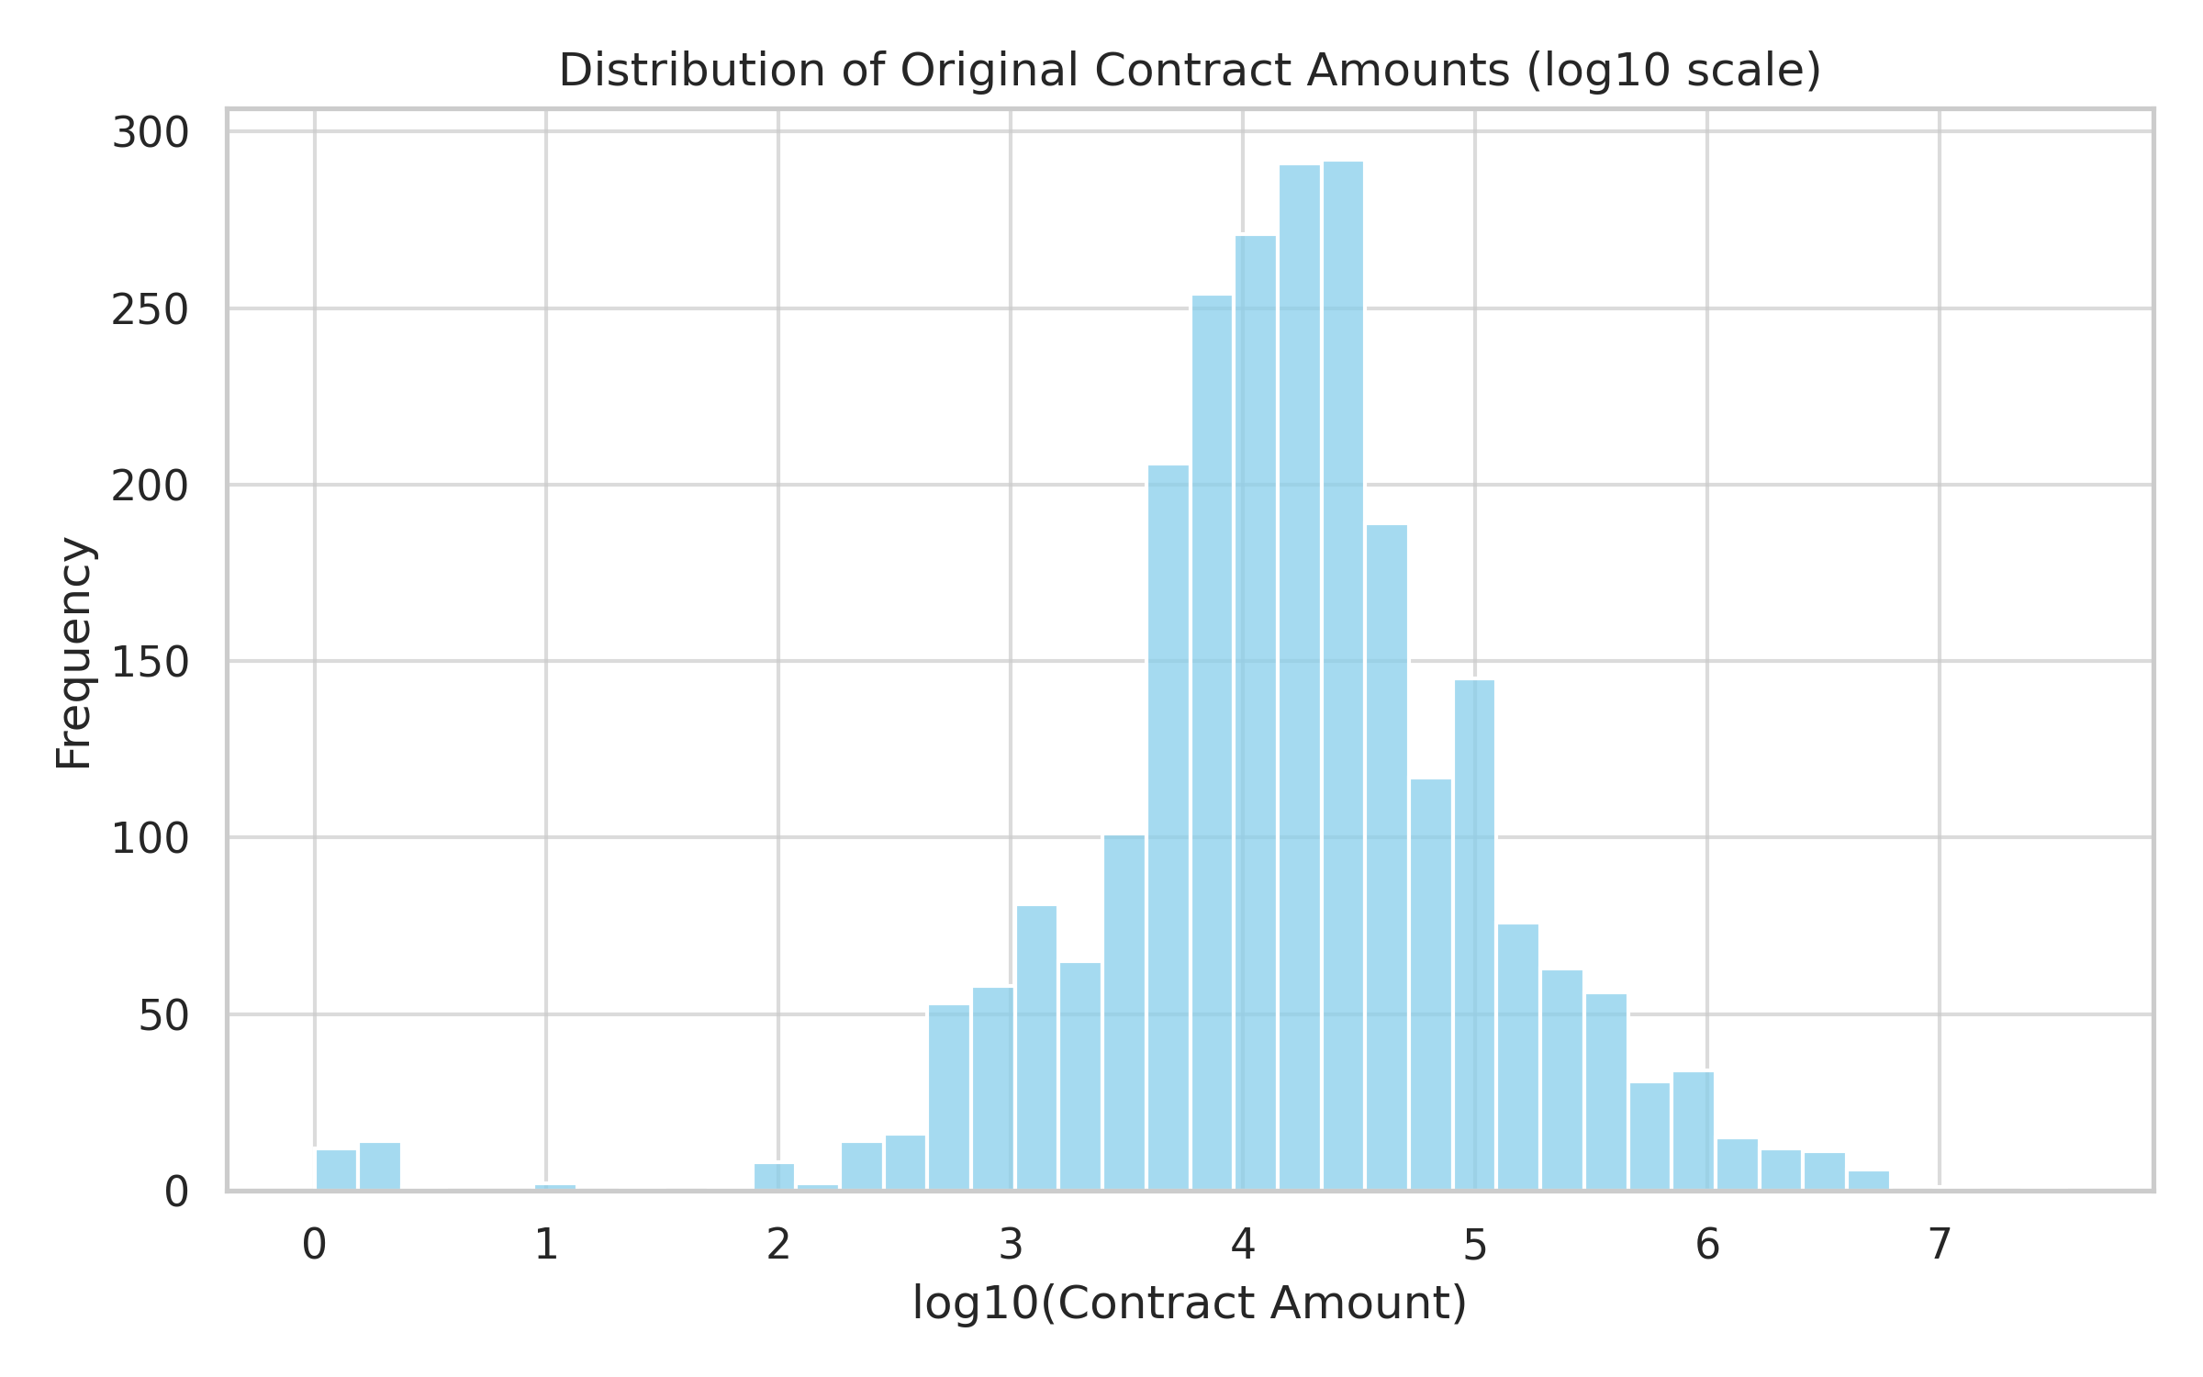

Unnamed: 0 | original_amount | revised_amount | overrun_amount
count | 2500 | 2500 | 2500
mean | 117855.77847 | 136445.29264 | 18589.514168
std | 815418.72188 | 957704.5998 | 319415.30716
min | 0 | 0 | -3492363.86
25% | 5800 | 5787.8 | 0
50% | 15702.3 | 17033.62 | 0
75% | 46350 | 52776.5 | 0
max | 34928000 | 40167200 | 12722477.83

Correlation_Matrix
 | Correlation Matrix: Original, Final, Overrun
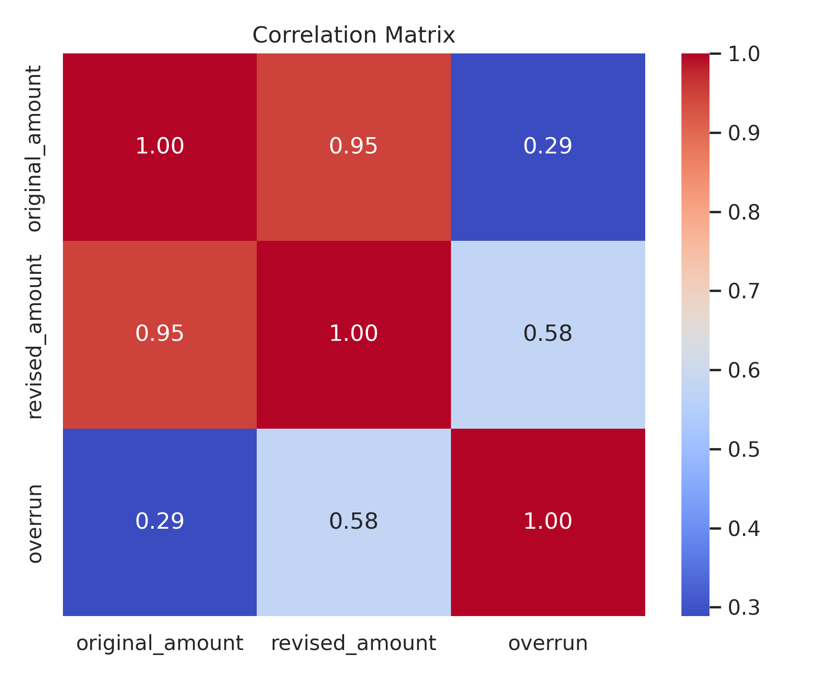
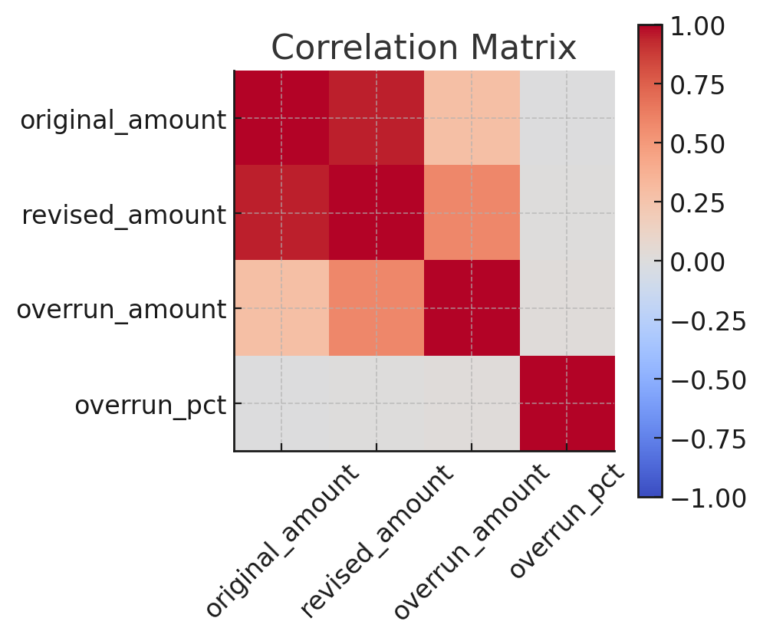

Unnamed: 0 | original_amount | revised_amount | overrun_amount | overrun_pct
original_amount | 1 | 0.9476388152 | 0.28846247603 | -0.0031547884021
revised_amount | 0.9476388152 | 1 | 0.5791274374 | 0.0026583897955
overrun_amount | 0.28846247603 | 0.5791274374 | 1 | 0.016024359344
overrun_pct | -0.0031547884021 | 0.0026583897955 | 0.016024359344 | 1

Type_Frequency
 | Frequency of Contract Types
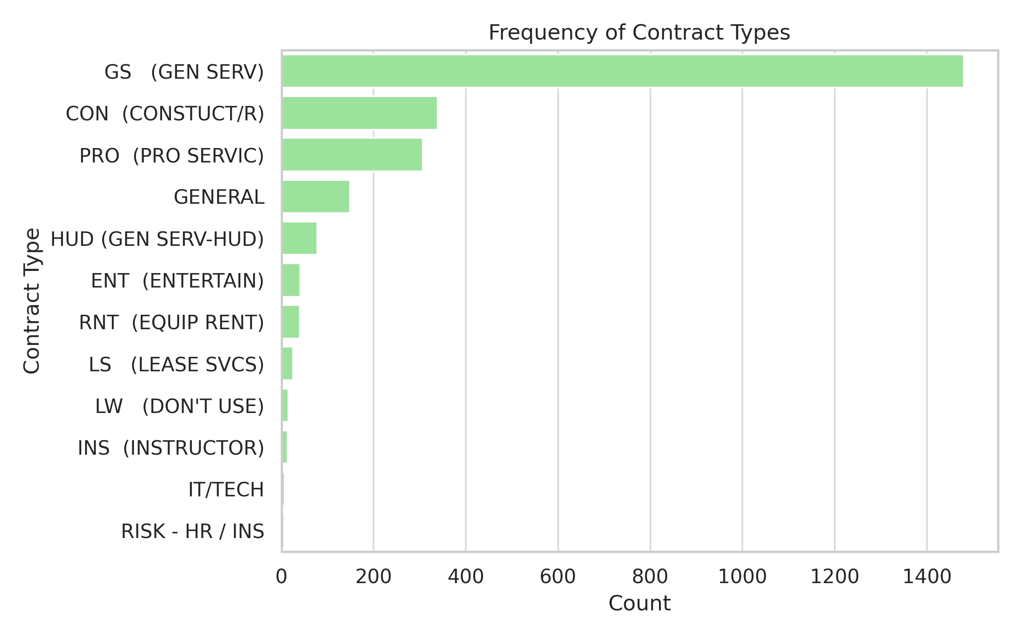
Contract Type Frequency
 | Count
GS (GEN SERV) | 1480
CON (CONSTUCT/R) | 339
PRO (PRO SERVIC) | 307
GENERAL | 149
HUD (GEN SERV-HUD) | 78
ENT (ENTERTAIN) | 41
RNT (EQUIP RENT) | 40
LS (LEASE SVCS) | 25
LW (DON'T USE) | 15
INS (INSTRUCTOR) | 13
IT/TECH | 7
RISK - HR / INS | 6

contract_type | count
GS (GEN SERV) | 1480
CON (CONSTUCT/R) | 339
PRO (PRO SERVIC) | 307
GENERAL | 149
HUD (GEN SERV-HUD) | 78
ENT (ENTERTAIN) | 41
RNT (EQUIP RENT) | 40
LS (LEASE SVCS) | 25
LW (DON'T USE) | 15
INS (INSTRUCTOR) | 13
IT/TECH | 7
RISK - HR / INS | 6

Text_Embeddings
 | 2D Embedding of Project Descriptions by Contract Type
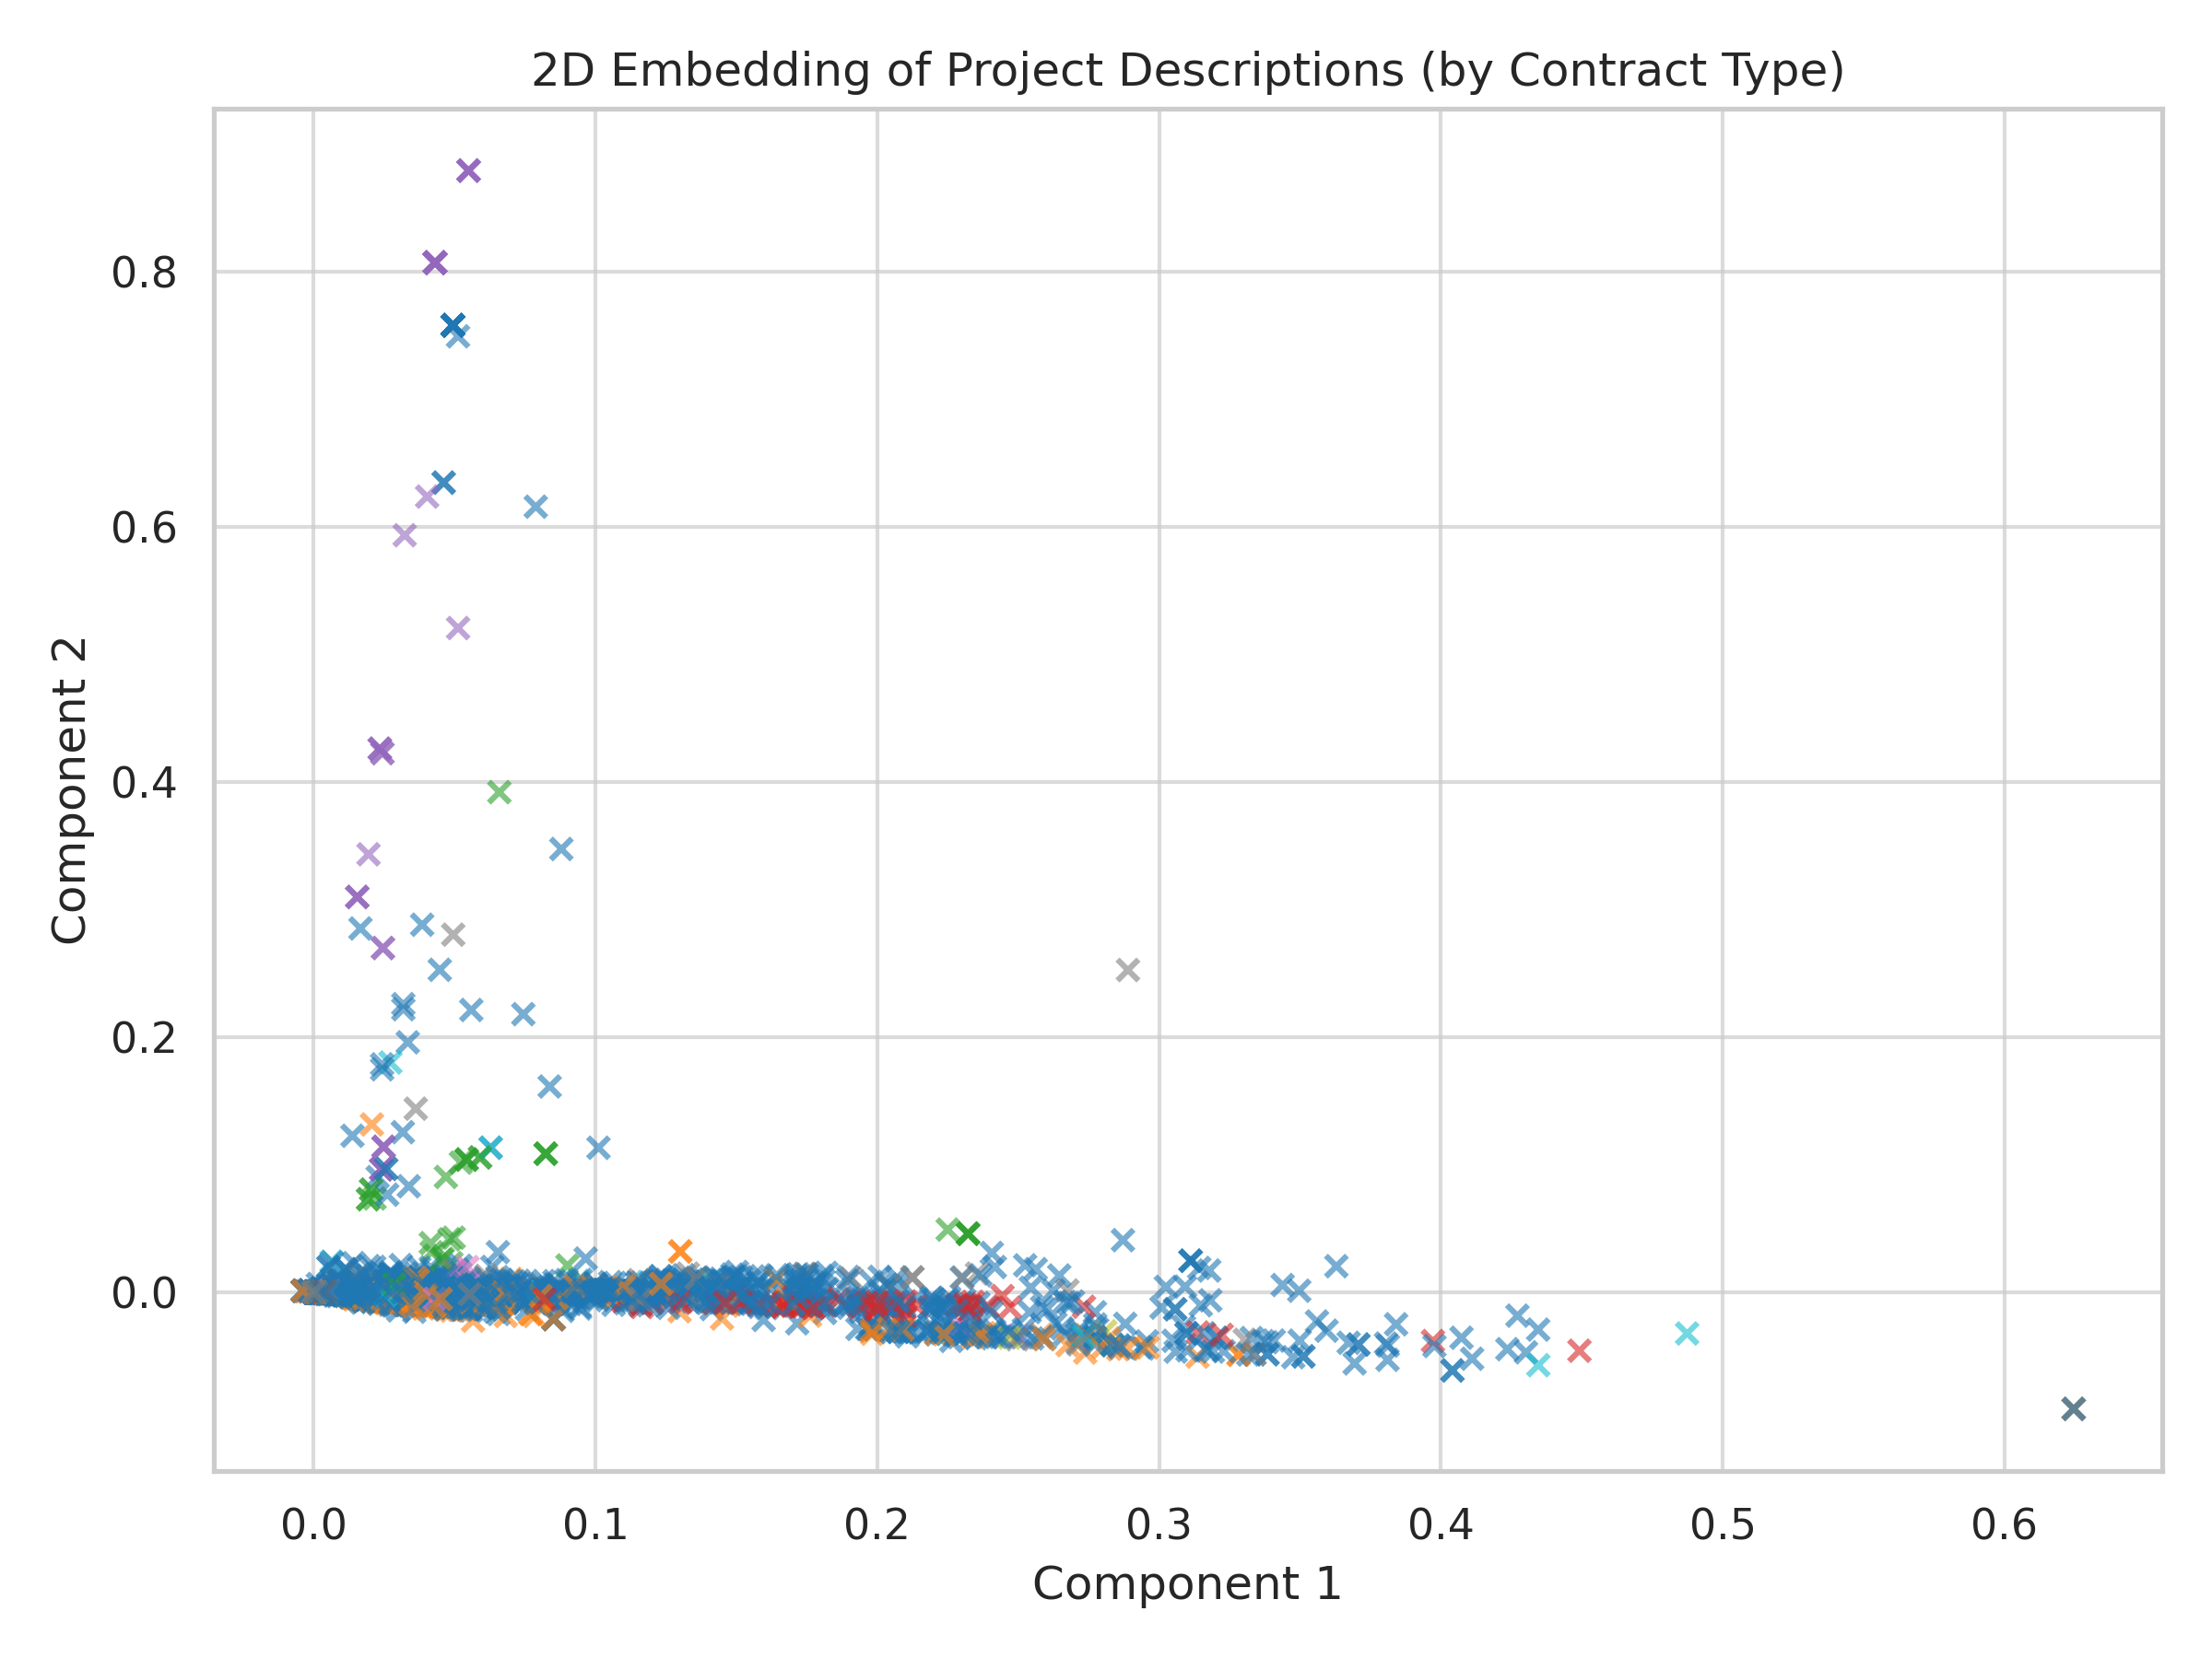
TF-IDF + SVD Embeddings by Type
 | CON (CONSTUCT/R) |  | GS (GEN SERV) |  | PRO (PRO SERVIC) |  | RNT (EQUIP RENT) |  | HUD (GEN SERV-HUD) |  | ENT (ENTERTAIN) |  | INS (INSTRUCTOR) |  | LS (LEASE SVCS) |  | GENERAL |  | RISK - HR / INS |  | LW (DON'T USE) |  | IT/TECH
0.015320484223 | 0.034465064833 | 0.0017651802522 | 0.0022596868662 | 0.071539952944 | 0.17175430107 | 0.028353470736 | 0.070287573921 | 0 | 0 | 0.01411367859 | 0.024828488605 | 0.0095656299184 | 0.0075458758037 | 0.035858698893 | 0.0061272146411 | 0.03558567348 | 0.04400047738 | 0.03746816399 | 0.065799108594 | 0.03348605415 | 0.013497704454 | 0.045160119123 | 0.040786074618
0.019396152506 | 0.029994988211 | 0.018967676025 | 0.023332803022 | 0.019923158348 | 0.00020453183563 | 0.07163136554 | 0.20582406372 | 0.08061691217 | 0.16967594701 | 0.01204368933 | 0.005778825462 | 0.12359666891 | 0.24424005892 | 0.010178513091 | 0.012798915127 | 0.043035483107 | 0.032274891534 | 0.052788993609 | -0.013357964234 | 0.011343030067 | 0.025985107673 | 0.028428072104 | 0.054984843393
0.012653398593 | 0.017112546332 | 0.88013543096 | -0.39981196177 | 0.023236741463 | 0.050488378522 | 0.026682978396 | 0.010161235396 | 0.02252764774 | 0.047363975974 | 0.015976837165 | 0.024056502223 | 0.013941069229 | 0.0031998120054 | 0.038630549272 | 0.044162086788 | 0.0058227040569 | 0.027058575435 | 0.0071249445714 | 0.016116366802 | 0.044710776998 | 0.046875427067 | 0.02654192985 | 0.052918610991
0.09053999383 | 0.21717558819 | 0.017830371191 | 0.031344099434 | 0.0080948805598 | 0.022370682734 | 0.086603556467 | 0.19017283413 | 0.0029890764044 | -0.00056675508286 | 0.048682103325 | 0.086522219763 | 0.0021785419486 | 0.0024281627434 | 0.010046439191 | 0.0085459772119 | 0.0031559375491 | 0.008013856129 | 0.26142464989 | 0.62483172981 | 0.022321453064 | 0.028937402804 | 0.015666999471 | 0.017815808739
0.0047731130705 | 0.01165758575 | 0.026865343226 | 0.061070453146 | 0.00034953446029 | 0.00067148212927 | 0.0099705144925 | 0.018095997175 | 0.0033249067469 | 0.0084890244538 | 0.024636010749 | 0.02888131724 | 0.16426547423 | 0.30631952871 | 0.05279007093 | 0.077605603485 | 0.099177272798 | 0.21908525641 | 0.016847828123 | 0.013517716603 | 0.0088497883042 | 0.011940209243 | 0.10900958813 | 0.21954042576
0.022058356838 | 0.045513229774 | 0.0019141730511 | 0.0029950426932 | 0.13375478714 | 0.29478389435 | 0 | 0 | 0.040660814475 | 0.11853069598 | 0.0041742488296 | 0.0049128911605 | 0.010720430197 | 0.006790379521 | 0.10202488091 | 0.32770883414 | 0.009806116098 | 0.0082181070046 | 0.067649590358 | 0.11378765052 | 0.044398224939 | -0.0081385523003 | 0 | 0
0.1358677884 | 0.28788252345 | 0.0016796503635 | 0.0033692568176 | 0.0043639190954 | -0.00056900049401 | 0.041777998934 | 0.025850118672 | 0.055943646398 | 0.13844801524 | 0.017423603882 | 0.01126361592 | 0.32742570845 | -0.14234675111 | 0.010106303172 | 0.0059897891478 | 0.37481441449 | -0.16013632569 |  |  | 0.0014093979026 | 0.0028476610145 | 0.044534759173 | 0.055410884938
0.19278395341 | 0.40534863641 | 0.021017734258 | 0.00011598949421 | 0.017019237084 | 0.036499979847 | 0.099579255912 | 0.20544437088 | 0.017249471746 | 0.00049020319173 | 0.03560504464 | 0.09369027164 | 0.018524192016 | 0.023230026213 | 0.032171646497 | 0.083284483528 | 0.02078728189 | 0.035397982434 |  |  | 0 | 0
0.011526547567 | 0.021504426694 | 0.37999495374 | -0.1515430134 | 0.073077168242 | 0.12225112198 | 0.037268701142 | 0.039361907682 | 0.0090850323078 | 0.015649887565 | 0.032490712298 | 0.016605676386 | 0.070309926018 | 0.11457042743 | 0.063610366165 | 0.10458185501 | 0.034294750166 | 0.043518130357 |  |  | 0.31608091993 | -0.14580350989
0 | 0 | 0.052285509318 | 0.15148514649 | 0.10303666313 | 0.22195484038 | 0.018988272218 | 0.021036267639 | 0.031814659707 | 0.059012094231 | 0.011290791337 | 0.013891331732 | 0.011845691412 | 0.019480803857 | 0.00091250868761 | 0.0018509220462 | 0.010403490454 | 0.042462575692 |  |  | 0.041409742106 | 0.096510214262
0.048448365966 | 0.12982806131 | 0.020976644259 | 0.018467655357 | 0.047180255476 | 0.13447105496 | 0.041554461899 | 0.0043356198876 | 0.020867475824 | 0.040985597742 | 0 | 0 | 0.0013411581203 | 0.0013632293049 | 0.015650319855 | 0.011704986148 | 0.081981680438 | 0.17416897508 |  |  | 0.027172123904 | 0.083062306699
0.0048332238639 | -0.0026617831896 | 0.021786422558 | 0.038012420704 | 0.0013849520001 | 0.0034731224133 | 0.016757246432 | 0.036795473593 | 0.033800546691 | 0.029026231614 | 0.057776970726 | 0.11146131622 | 0.077830150495 | 0.17812455312 | 0.0042461849258 | 0.006019387461 | 0.064187667338 | 0.10016981501 |  |  | 0.050095686834 | 0.00011486133376
0.032725106809 | 0.026206079771 | 0.15339263132 | 0.32947071447 | 0.046700170847 | 0.11103303295 | 0.0048361468268 | -0.00047977428032 | 0.011485933074 | 0.0020250462749 | 0.010819069486 | 0.02346993653 | 0.0069678489549 | 0.015712181925 | 0.0077046259218 | 0.012121897957 | 0.0025313371272 | 0.0064459835731 |  |  | 0.028334535904 | 0.026579047143
0.052844519386 | -0.00015129046002 | 0.0041074663411 | 0.0069671150534 | 0.04302299174 | 0.0067701589319 | 0 | 0 | 0.015863104194 | 0.025613736068 | 0.46265027237 | -0.20315142446 |  |  | 0.0045859496627 | 0.010219499109 | 0.026729548215 | 0.025495825622 |  |  | 0.0012238877765 | 0.001041616267
0.011222668324 | 0.041489854841 | 0.016297922837 | 0.030308461329 | 0.039019823733 | 0.10704152424 | 0.0090956408429 | 0.011169405312 | 0.04700122007 | 0.10150576087 | 0.06225010057 | -0.022887707969 |  |  | 0.0057699262306 | 0.015064148446 | 0.0013963254476 | 0.002563124637 |  |  | 0 | 0
0.0098307574315 | 0.026906862994 | 0.0080635305928 | 0.016773196907 | 0.0069802883505 | 0.0090325430102 | 0.013344712242 | 0.036908544229 | 0.059272778867 | 0.11207069718 | 0.037445198033 | 0.072093162861 |  |  | 0.0080657680639 | 0.017089503058 | 0.025549442409 | 0.067937522426
0.14691721092 | 0.28726024344 | 0.054586652944 | 0.05703372811 | 0.055890309816 | -0.026958319623 | 0.032084829788 | 0.014713048075 | 0.0030678824623 | 0.0018483832128 | 0.090623300592 | 0.24844858937 |  |  | 0.097942995669 | 0.13670804295 | 0.024061197322 | 0.017728627411
0.0058966857797 | 0.01464574039 | 0.021505053199 | 0.0098338466197 | 0.26681039823 | -0.093342531176 | 0.21507143145 | 0.55583100689 | 0.010286741449 | -0.00074620730766 | 0.010410278149 | 0.039014003689 |  |  | 0.093483922947 | 0.2140828789 | 0.035470700283 | 0.091161256038
0.058748883736 | 0.072091751994 | 0.040660814475 | 0.11853069598 | 0.032368678758 | -0.015020864314 | 0.0076280561718 | 0.016482583979 | 0.040479087036 | 0.01083625883 | 0.0092095802571 | 0.021041010315 |  |  | 0.012561270295 | 0.0013870224718 | 0.034286918149 | 0.01483422649
0.015412543379 | 0.02688150039 | 0.060136877852 | 0.168496816 | 0.016932283624 | 0.025126453992 | 0.011591878274 | 0.0038112666787 | 0.05852907626 | 0.11435757324 | 0.034867211496 | 0.061715424256 |  |  | 0.070718072328 | -0.0084534654722 | 0.077862306431 | 0.1767357162
0.0030571832016 | 0.0061920416233 | 0.31806831839 | -0.13809295386 | 0.027703958623 | 0.062411578455 | 0.0069903692593 | 0.006927235931 | 0.024048287019 | 0.023706127012 | 0.007214717466 | -0.00065451926666 |  |  | 0.039516819387 | 0.06769929278 | 0.0079250691059 | 0.019229505927
0.035720890129 | 0.062495997518 | 0.11085901568 | 0.23744971543 | 0.02064773338 | 0.022634601856 | 0.032541323327 | 0.013250104529 | 0.01925892523 | 0.034494603825 | 0.32545346769 | -0.1021514941 |  |  | 0.010653517054 | 0.018622313852 | 0.036532104501 | 0.038035889863
0.075255369604 | 0.1969686297 | 0.4249497611 | 0.10067315292 | 0.023083483411 | 0.066960828484 | 0.34928811844 | -0.1581447704 | 0.41305364773 | -0.18744474947 | 0.36298574789 | -0.15989670702 |  |  | 0.032129137082 | 0.01853622455 | 0.0040768331385 | 0.0072185314704
0 | 0 | 0 | 0 | 0.0069107596836 | 0.012884431593 | 0.027158822854 | 0.03055989605 | 0.044041311961 | 0.084225978519 | 0.070763530586 | 0.079719030778 |  |  | 0.41667992388 | -0.15042110435 | 0.0049221267203 | 0.0017891136456
0.024328973181 | 0.01823851477 | 0.035187218542 | 0.0043969482405 | 0.0081226634603 | 0.01880221686 | 0.10320936156 | 0.23188033741 | 0.0098297313924 | 0.008316968963 | 0.010732868228 | 0.013525312006 |  |  | 0.0058060956223 | 0.00071736710011 | 0.74001565928 | 0.079773474269
0.011795142065 | 0.019849050125 | 0 | 0 | 0.0030678824623 | 0.0018483832128 | 0.11661604909 | 0.19188721682 | 0.10344493567 | 0.18710930032 | 0.028315938244 | 0.01870329159 |  |  |  |  | 0.0091216109006 | 0.018189177417
0.047552983303 | 0.059198220341 | 0.044596131024 | 0.090566225122 | 0.081909585741 | 0.15097790009 | 0.47613291308 | -0.20936729605 | 0.048154378985 | 0.15175034333 | 0.0080348242742 | 0.0095456413609 |  |  |  |  | 0.033459024728 | 0.08434389177
0.085253843004 | 0.15737050729 | 0.022943249042 | 0.057700289807 | 0.33517167708 | -0.15109032158 | 0.021930502662 | 0.044192938897 | 0.0081038708281 | 0.0099016177284 | 0.0011680494873 | 0.0009364048879 |  |  |  |  | 0.0047271362162 | 0.012221035082
0.027624114004 | 0.012281637472 | 0.11630209384 | 0.27607219965 | 0.0073094505979 | 0.014368581222 | 0.010410278149 | 0.039014003689 | 0.0065608741739 | 0.018055609269 | 0.010410278149 | 0.039014003689 |  |  |  |  | 0.063435736653 | 0.030287181612
0.048017380222 | 0.026853624639 | 0.018805080459 | 0.036984706708 | 0.094953261998 | 0.20703085629 | 0.014258073555 | 0.016387942715 | 0.002477548668 | 0.004566823299 | 0.010233908431 | 0.021928063401 |  |  |  |  | 0.057930846213 | 0.099731199443
0.048252308659 | 0.15549433842 | 0.21507143145 | 0.55583100689 | 0.047558627549 | -0.011386943699 | 0.0096879044957 | 0.020992268049 | 0.0092556598238 | 0.011745352649 | 0.023101864212 | 0.058253912744 |  |  |  |  | 0.093845062368 | 0.16888692468
0.044900476154 | 0.0014555081841 | 0.049406027112 | 0.065498131423 | 0.0118967046 | 0.020617517538 | 0.032501382976 | 0.093654820024 | 0.14324280766 | 0.33666982697 | 0.0081733808013 | 0.015177087232 |  |  |  |  | 0.019526122334 | 0.029028803887
0.4773847366 | -0.20590926408 | 0.14751438371 | 0.34506269428 | 0.012822425708 | 0.021716568813 | 0.35300044996 | -0.049381637487 | 0.02874700205 | 0.073462417839 | 0.10436501552 | 0.20422550906 |  |  |  |  | 0.012394135484 | 0.0080889898063
0.071539952944 | 0.17175430107 | 0.029779170682 | 0.073022006968 | 0.03886375587 | 0.026447540544 | 0.55818247212 | -0.25721329625 | 0.023384974942 | -0.0040423059047 | 0.14903660369 | 0.30980787345 |  |  |  |  | 0.0071508628126 | 0.0059328097529
0.018683073126 | 0.040565906917 | 0.45927009419 | -0.19731960389 | 0.0261767279 | 0.01922169835 | 0.019290279961 | 0.045002456793 | 0 | 0 | 0.034605919167 | 0.00029998202638 |  |  |  |  | 0.01407793907 | 0.0045822726675
0 | 0 | 0.0044524889915 | 0.0098901596526 | 0.2722896591 | -0.110420272 | 0.38919186831 | -0.085481162259 | 0.20620306886 | 0.46394542849 | 0.17178514009 | 0.36237388276 |  |  |  |  | 0.059959790089 | -0.012702746945
0.005212140857 | 0.011597182015 | 0.023613513326 | 0.038651311126 | 0.033339594193 | 0.07165463712 | 0.051036836245 | 0.15609337417 | 0.024610001845 | 0.066597263101 | 0.45743718851 | -0.20807303456 |  |  |  |  | 0.10855229614 | 0.20613414198
0.042425666211 | 0.0019739215303 | 0.0045994945031 | 0.013413086333 | 0.027172123904 | 0.083062306699 | 0.025966948515 | 0.053967786716 | 0.022452235409 | 0.019642118043 | 0.076209326307 | 0.2394974875 |  |  |  |  | 0.13687372302 | 0.2655594444
0.060283435678 | 0.10817745261 | 0 | 0 | 0.01105323374 | 0.017542644069 | 0.012399764074 | 0.019272947037 | 0.0089326120456 | 0.01674137076 | 0.018439443854 | 0.043191523601 |  |  |  |  | 0.28034793288 | -0.11083414696
0.037467846392 | 0.056483678187 | 0.046311264435 | 0.08352762521 | 0.0033249067469 | 0.0084890244538 | 0.0020184882176 | -0.00017114792802 | 0.001889247453 | 0.0038021046158 | 0.0014186068911 | 0.0013437715681 |  |  |  |  | 0.041410288418 | 0.072830856748
-7.2296074816E-06 | 1.4501495976E-05 | 0.051265131675 | 0.071164218785 | 0.11271675124 | 0.23613256411 |  |  | 0.008587090803 | 0.015269859837 | 0.013162397138 | 0.015415106439 |  |  |  |  | 0.0051118217316 | 0.009835924183
0.030090953355 | 0.074604284486 | 0.0057159600457 | 0.02972672062 | 0.047011900234 | 0.14809655066 |  |  | 0.030742778505 | 0.035596854967 |  |  |  |  |  |  | 0.051316298206 | 0.15754565779
0.007156709145 | 0.016488253706 | 0.093786593328 | 0.20260867612 | 0.0045805488214 | 0.010551241584 |  |  | 0.0023289286315 | 0.0012734600761 |  |  |  |  |  |  | 0 | 0
0.0074877055384 | 0.0020980263979 | 0.040162234349 | 0.014434287295 | 0.024934976235 | 0.023864527747 |  |  | 0.043526976162 | 0.13485657103 |  |  |  |  |  |  | 0.079076961085 | 0.1094827701
0.0024533903974 | 0.015654087013 | 0.048115508461 | 0.10972939244 | 0.027172123904 | 0.083062306699 |  |  | 0.11287222433 | 0.22369102033 |  |  |  |  |  |  | 0.013782721155 | 0.027134991852
0.041348481706 | 0.048936873151 | 0.034659761275 | 0.019053029151 | 0.025097564934 | 0.075328257415 |  |  | 0.10202488091 | 0.32770883414 |  |  |  |  |  |  | 0.095494718611 | 0.25457309017
0.030106270167 | 0.030287391552 | 0.0060857864139 | 0.012311969199 | 0.0045070277171 | 0.01145816376 |  |  | 0.020526833158 | 0.022646828592 |  |  |  |  |  |  | 0.88013543096 | -0.39981196177
0.033572197639 | 0.039610339244 | 0.010822411551 | 0.010427574373 | 0.036187633814 | 0.04412558151 |  |  | 0.0070514192292 | 0.0039337913508 |  |  |  |  |  |  | 0.0098352862703 | 0.018500770627
0.043035483107 | 0.032274891534 | 0.008417272197 | 0.023194764803 | 0.024242870795 | 0.05265410982 |  |  | 0.021626050245 | -0.0036207029918 |  |  |  |  |  |  | 0.070607683712 | 0.12231946347
0.035985327319 | 0.026016890903 | 0.0030678824623 | 0.0018483832128 | 0.0023268188312 | 0.0044697668067 |  |  | 0.0057159600457 | 0.02972672062 |  |  |  |  |  |  | 0.014158555291 | 0.032800544728
...

embed_1 | embed_2 | contract_type
0.015320484223 | 0.034465064833 | CON (CONSTUCT/R)
0.019396152506 | 0.029994988211 | GS (GEN SERV)
0.012653398593 | 0.017112546332 | CON (CONSTUCT/R)
0.09053999383 | 0.21717558819 | GS (GEN SERV)
0.0047731130705 | 0.01165758575 | PRO (PRO SERVIC)
0.022058356838 | 0.045513229774 | GS (GEN SERV)
0.1358677884 | 0.28788252345 | GS (GEN SERV)
0.19278395341 | 0.40534863641 | GS (GEN SERV)
0.011526547567 | 0.021504426694 | GS (GEN SERV)
0 | 0 | GS (GEN SERV)
0.048448365966 | 0.12982806131 | GS (GEN SERV)
0.0048332238639 | -0.0026617831896 | GS (GEN SERV)
0.032725106809 | 0.026206079771 | RNT (EQUIP RENT)
0.052844519386 | -0.00015129046002 | PRO (PRO SERVIC)
0.011222668324 | 0.041489854841 | GS (GEN SERV)
0.0098307574315 | 0.026906862994 | CON (CONSTUCT/R)
0.14691721092 | 0.28726024344 | HUD (GEN SERV-HUD)
0.0058966857797 | 0.01464574039 | GS (GEN SERV)
0.058748883736 | 0.072091751994 | CON (CONSTUCT/R)
0.015412543379 | 0.02688150039 | HUD (GEN SERV-HUD)
0.0030571832016 | 0.0061920416233 | GS (GEN SERV)
0.035720890129 | 0.062495997518 | GS (GEN SERV)
0.075255369604 | 0.1969686297 | GS (GEN SERV)
0 | 0 | GS (GEN SERV)
0.024328973181 | 0.01823851477 | CON (CONSTUCT/R)
0.011795142065 | 0.019849050125 | GS (GEN SERV)
0.047552983303 | 0.059198220341 | PRO (PRO SERVIC)
0.085253843004 | 0.15737050729 | HUD (GEN SERV-HUD)
0.027624114004 | 0.012281637472 | GS (GEN SERV)
0.048017380222 | 0.026853624639 | PRO (PRO SERVIC)
0.048252308659 | 0.15549433842 | GS (GEN SERV)
0.044900476154 | 0.0014555081841 | GS (GEN SERV)
0.4773847366 | -0.20590926408 | GS (GEN SERV)
0.071539952944 | 0.17175430107 | GS (GEN SERV)
0.018683073126 | 0.040565906917 | PRO (PRO SERVIC)
0 | 0 | RNT (EQUIP RENT)
0.005212140857 | 0.011597182015 | PRO (PRO SERVIC)
0.042425666211 | 0.0019739215303 | GS (GEN SERV)
0.060283435678 | 0.10817745261 | GS (GEN SERV)
0.037467846392 | 0.056483678187 | GS (GEN SERV)
-7.2296074816E-06 | 1.4501495976E-05 | GS (GEN SERV)
0.030090953355 | 0.074604284486 | CON (CONSTUCT/R)
0.007156709145 | 0.016488253706 | GS (GEN SERV)
0.0074877055384 | 0.0020980263979 | GS (GEN SERV)
0.0024533903974 | 0.015654087013 | ENT (ENTERTAIN)
0.041348481706 | 0.048936873151 | CON (CONSTUCT/R)
0.030106270167 | 0.030287391552 | GS (GEN SERV)
0.033572197639 | 0.039610339244 | GS (GEN SERV)
0.043035483107 | 0.032274891534 | GS (GEN SERV)
0.035985327319 | 0.026016890903 | GS (GEN SERV)
0.034612116467 | 0.021658354615 | RNT (EQUIP RENT)
0.0016796503635 | 0.0033692568176 | INS (INSTRUCTOR)
0.018682167054 | 0.0091654085293 | LS (LEASE SVCS)
0.012968787253 | 0.010100430441 | CON (CONSTUCT/R)
0.0038227709451 | 0.0069076103772 | GS (GEN SERV)
0.02762514865 | -0.0002052370405 | GS (GEN SERV)
0.11281767897 | 0.27081397674 | GS (GEN SERV)
0.0092158190492 | 0.0032937762891 | GS (GEN SERV)
9.2658722665E-05 | 0.00022055738735 | INS (INSTRUCTOR)
0.018511967826 | 0.016402206144 | GS (GEN SERV)
0.0096519747241 | 0.020278873897 | GS (GEN SERV)
0.015211509084 | 0.03235763893 | GS (GEN SERV)
0.021289574563 | 0.029559047314 | CON (CONSTUCT/R)
0 | 0 | GENERAL
0.044592820114 | 0.13859915613 | GS (GEN SERV)
0.0094890264464 | 0.020671742506 | GS (GEN SERV)
0.032643372463 | 0.081379545858 | GENERAL
0.03070841166 | 0.0083509624424 | GS (GEN SERV)
0.028935214421 | 0.050649223124 | GS (GEN SERV)
0.016484254702 | 0.00065607634835 | GS (GEN SERV)
0.017830371191 | 0.031344099434 | ENT (ENTERTAIN)
0.0033249067469 | 0.0084890244538 | GENERAL
0.032241241735 | 0.018997087325 | GS (GEN SERV)
0.027172123904 | 0.083062306699 | GS (GEN SERV)
0.019396152506 | 0.029994988211 | GS (GEN SERV)
0.18381464429 | 0.39693298995 | GS (GEN SERV)
0.88013543096 | -0.39981196177 | RISK - HR / INS
0.0068492741233 | 0.012467728877 | GS (GEN SERV)
0.015090081386 | 0.0085189419851 | GS (GEN SERV)
0.010403490454 | 0.042462575692 | ENT (ENTERTAIN)
0.011162441292 | 0.018233725876 | GENERAL
0.0069998962579 | 0.0037554274065 | CON (CONSTUCT/R)
0.032142434196 | 0.0085441294299 | CON (CONSTUCT/R)
0.017117431935 | 0.015367460181 | GS (GEN SERV)
0.016947503319 | 0.040016295398 | GENERAL
0.034445914025 | 0.077457599279 | CON (CONSTUCT/R)
0.080543867227 | 0.15476122601 | GS (GEN SERV)
0.0041480885791 | 0.0098081271739 | PRO (PRO SERVIC)
0.0029731301802 | 0.0058829558545 | GS (GEN SERV)
0.010181802066 | 0.025013525966 | CON (CONSTUCT/R)
0.01749236231 | 0.053320136501 | GS (GEN SERV)
0.0080378520686 | -0.0020656724801 | PRO (PRO SERVIC)
0.015792508682 | 0.029583951112 | CON (CONSTUCT/R)
0.010410278149 | 0.039014003689 | GS (GEN SERV)
0.0091032538497 | 0.019550051936 | CON (CONSTUCT/R)
0.058929930129 | 0.069609847731 | GS (GEN SERV)
0.0041411400819 | 0.0012175109703 | GENERAL
0.036357190087 | 0.080703272762 | GS (GEN SERV)
...

Topic_Modeling
 | Topic Modeling Word Clouds
Average Topic Proportions
 | Avg Proportion
topic_1 | 0.21337591617
topic_2 | 0.20271108935
topic_3 | 0.19108468031
topic_4 | 0.21235831434
topic_5 | 0.18046999983

 | Topic 1
topic_1 | topic_2 | topic_3 | topic_4 | topic_5
0.05000157858 | 0.050363175439 | 0.050786828587 | 0.54934958823 | 0.29949882917
0.73332989561 | 0.066667472694 | 0.066667487099 | 0.066667482715 | 0.06666766188
0.040000871761 | 0.04023947214 | 0.23996074125 | 0.63979781757 | 0.040001097275
0.050000854204 | 0.54999697329 | 0.30000149076 | 0.050000307056 | 0.050000374694
0.10000120499 | 0.10000107729 | 0.59994730766 | 0.10004896393 | 0.10000144612
0.040000863664 | 0.04004584497 | 0.83946617905 | 0.040397974806 | 0.040089137514
0.028571603193 | 0.88563133588 | 0.028648308303 | 0.028571600982 | 0.028577151637
0.034011763275 | 0.69997326803 | 0.033338907221 | 0.1993325513 | 0.033343510171
0.025000230174 | 0.025001492779 | 0.89999777877 | 0.025000225004 | 0.025000273269
0.2 | 0.2 | 0.2 | 0.2 | 0.2
0.29574902401 | 0.040001563504 | 0.24014148299 | 0.38410585368 | 0.040002075814
0.1000024852 | 0.1000022502 | 0.10000249391 | 0.10000247286 | 0.59999029782
0.40032980559 | 0.066669107142 | 0.39966174623 | 0.066669402415 | 0.066669938622
0.10000032176 | 0.10000610901 | 0.10000217325 | 0.59938165675 | 0.10060973922
0.066898104645 | 0.066666919447 | 0.066666950597 | 0.067126627573 | 0.73264139774
0.10000058718 | 0.10000054494 | 0.1000005994 | 0.10000453893 | 0.59999372955
0.050000153373 | 0.7999443947 | 0.050011130082 | 0.050000150886 | 0.050044170963
0.050001205853 | 0.050991028071 | 0.79797463938 | 0.050687629573 | 0.050345497122
0.73333217531 | 0.066666922129 | 0.066666947452 | 0.066666951451 | 0.066667003656
0.040283684943 | 0.60233041142 | 0.27713695076 | 0.040247546581 | 0.040001406304
0.29974597339 | Topic 2 | 0.050310674939 | 0.050205729174 | 0.30049689917

0.24234676642 | 0.040232958796 | 0.23717479843 | 0.2425098151 | 0.23773566126
0.73087070942 | 0.066667180711 | 0.066667242124 | 0.06912753982 | 0.066667327924
0.2 | 0.2 | 0.2 | 0.2 | 0.2
0.040002232322 | 0.4396904314 | 0.440193974 | 0.04011193273 | 0.040001429554
0.067247869525 | 0.069494522287 | 0.72758643242 | 0.068431493787 | 0.067239681985
0.0409156268 | 0.63832484113 | 0.24007056043 | 0.040687810064 | 0.040001161579
0.028618142375 | 0.51401813395 | 0.028626734596 | 0.028572042376 | 0.4001649467
0.040091167608 | 0.43937474736 | 0.04000180002 | 0.040673819128 | 0.43985846589
0.066960286517 | 0.066670981189 | 0.39988116746 | 0.39941404272 | 0.067073522113
0.050000534381 | 0.050000355357 | 0.79999823941 | 0.050000394689 | 0.050000476162
0.033542377935 | 0.034633069513 | 0.033334332763 | 0.034784334757 | 0.86370588503
0.067962038807 | 0.066817009751 | 0.066667194444 | 0.73188642447 | 0.06666733253
0.10205241253 | 0.10000027594 | 0.10135560096 | 0.10000031223 | 0.59659139833
0.040082455559 | 0.26623800317 | 0.4136799856 | 0.2399221779 | 0.040077377774
0.2 | 0.2 | 0.2 | 0.2 | 0.2
0.59999152485 | 0.10000203058 | 0.10000199895 | 0.1000019939 | 0.10000245172
0.10000063011 | 0.10000055685 | 0.10000060874 | 0.10000063333 | 0.59999757097
0.73225877751 | 0.067203712243 | 0.067076767085 | 0.066666929093 | 0.06679381407
0.79948691441 | 0.050256775429 | 0.050194822145 | 0.05000057368 | 0.050060914335
0.066668284656 | 0.066668131665 | 0.066668290337 | 0.73332668567 | 0.066668607669
0.029249764515 | 0.02948326394 | 0.42939129814 | 0.17040610157 | 0.34146957183
0.39991322091 | Topic 3 | 0.066669412302 | 0.066669332663 | 0.40007882055

0.050000974854 | 0.050000869992 | 0.050319950515 | 0.050000954203 | 0.79967725044
0.10000077729 | 0.10000068685 | 0.10000076125 | 0.59929665797 | 0.10070111665
0.066668912244 | 0.066667112151 | 0.73018489412 | 0.069811837666 | 0.066667243822
0.040434497348 | 0.60678575559 | 0.040274940243 | 0.27250392067 | 0.040000886145
0.8398556366 | 0.040021104447 | 0.040121936976 | 0.040000594475 | 0.040000727502
0.1000066517 | 0.10000022995 | 0.59999256473 | 0.10000024971 | 0.10000030392
0.040000814738 | 0.040000768372 | 0.63978931401 | 0.24004044484 | 0.040168658032
0.329488111 | 0.05000074281 | 0.050000832825 | 0.52050932579 | 0.050000987571
0.066667674715 | 0.066667582122 | 0.066667684289 | 0.73332916846 | 0.066667890418
0.10000721135 | 0.10000061223 | 0.10000066754 | 0.10000068891 | 0.59999081999
0.10000046164 | 0.10000040938 | 0.10000046867 | 0.59999810232 | 0.10000055799
0.052179884762 | 0.79638886201 | 0.050002329414 | 0.05119705118 | 0.050231872636
0.050215495873 | 0.050176935988 | 0.32962587228 | 0.050388994604 | 0.51959270126
0.040583978167 | 0.83910794528 | 0.040240768242 | 0.040000168415 | 0.0400671399
0.066916013942 | 0.066667421412 | 0.0666675097 | 0.7330813938 | 0.06666766115
0.10000223499 | 0.10000202363 | 0.10000224286 | 0.59999081721 | 0.10000268132
0.040500461596 | 0.040529805851 | 0.34448739712 | 0.53385966299 | 0.040622672443
0.10000050394 | 0.10000046193 | 0.10098270058 | 0.10000130934 | 0.59901502422
0.033335134594 | 0.20605178029 | 0.21947773356 | 0.50757412935 | 0.033561222204
0.040000479652 | 0.040000426845 | 0.04016558716 | 0.60588779033 | 0.27394571601
0.2 | 0.2 | 0.2 | 0.2 | 0.2
0.050001673392 | Topic 4 | 0.30012544933 | 0.050001154329 | 0.050366066444

0.66066560643 | 0.050000961961 | 0.18933109466 | 0.050001054099 | 0.050001282849
0.033431360847 | 0.033333682034 | 0.033401136446 | 0.033333921618 | 0.86649989905
0.066667875063 | 0.066667768061 | 0.066667872475 | 0.40010918659 | 0.39988729781
0.040447280935 | 0.83920322256 | 0.040000882288 | 0.040200089867 | 0.040148524346
0.73088191111 | 0.066908891799 | 0.066668834374 | 0.068748743833 | 0.066791618889
0.7333322583 | 0.066666902964 | 0.066666927569 | 0.066666923757 | 0.066666987412
0.10000061287 | 0.10000055852 | 0.10000061005 | 0.10000060743 | 0.59999761112
0.050240696573 | 0.050060751354 | 0.05000151417 | 0.79905586005 | 0.05064117785
0.1000004062 | 0.59999830078 | 0.10000040591 | 0.1000003995 | 0.10000048762
0.73332989561 | 0.066667472694 | 0.066667487099 | 0.066667482715 | 0.06666766188
0.43989877052 | 0.44006000836 | 0.040014357003 | 0.040000507787 | 0.040026356329
0.10250371935 | 0.10052673727 | 0.10000018303 | 0.59696913895 | 0.1000002214
0.066667810287 | 0.066667705531 | 0.066667816685 | 0.070770360135 | 0.72922630736
0.79917624974 | 0.050675662513 | 0.050001566947 | 0.050144668457 | 0.050001852347
0.050110566347 | 0.050000598408 | 0.050000665037 | 0.053838283331 | 0.79604988688
0.36965076511 | 0.040001563112 | 0.51034384842 | 0.040001740943 | 0.040002082409
0.040036520081 | 0.040001526238 | 0.83762341743 | 0.040001670319 | 0.042336865935
0.72941304164 | 0.067490763822 | 0.066668112163 | 0.069759722846 | 0.066668359527
0.040001503069 | 0.27271882639 | 0.040919989632 | 0.040129745212 | 0.6062299357
0.068624067789 | 0.066667411055 | 0.72998420295 | 0.066667532065 | 0.068056786145
0.028954316803 | 0.33848613158 | 0.37625925897 | 0.028572178403 | 0.22772811424
0.86598622212 | Topic 5 | 0.033333756656 | 0.033333746824 | 0.033333834173

0.10000128066 | 0.10000465739 | 0.10000127207 | 0.59999120362 | 0.10000158626
0.066861348182 | 0.067061189108 | 0.73274239799 | 0.066667447837 | 0.066667616879
0.06666748405 | 0.068950413708 | 0.7310470106 | 0.066667459495 | 0.066667632147
0.39975738714 | 0.40023507875 | 0.066668932915 | 0.066668925249 | 0.066669675949
0.59880649076 | 0.10118196384 | 0.10000365964 | 0.10000356125 | 0.10000432451
0.040212109895 | 0.040181770515 | 0.040635891928 | 0.63955555827 | 0.23941466939
0.040064009943 | 0.040000176492 | 0.040000196034 | 0.040126736216 | 0.83980888132
0.050000710631 | 0.79829577716 | 0.05057502752 | 0.051127608517 | 0.050000876173
0.55002719261 | 0.050988905356 | 0.29898253003 | 0.05000062395 | 0.05000074805
0.10000166415 | 0.10000150679 | 0.1000017229 | 0.10064675033 | 0.59934835584
0.067555112584 | 0.39912517138 | 0.39891998298 | 0.066667575031 | 0.06773215803
0.2 | 0.2 | 0.2 | 0.2 | 0.2
0.59999327664 | 0.10000149872 | 0.10000161924 | 0.10000159393 | 0.10000201147
0.10000130718 | 0.10000139983 | 0.59999449982 | 0.10000126175 | 0.10000153143
0.04053548445 | 0.040000867535 | 0.040000996747 | 0.83916816665 | 0.040294484619
0.033334117199 | 0.38365985237 | 0.51537930893 | 0.034292250343 | 0.033334471159
0.0250004905 | 0.62895052695 | 0.29603870279 | 0.025003426108 | 0.025006853652
0.066667932288 | 0.066667823385 | 0.066667931201 | 0.070771296645 | 0.72922501648
0.066669576042 | 0.066668504955 | 0.069079129545 | 0.072687532445 | 0.72489525701
0.028636028771 | 0.028571712996 | 0.028632043967 | 0.88542000661 | 0.028740207657
0.79837656524 | 0.050112394062 | 0.050221816703 | 0.051174382433 | 0.050114841561
0.066668166149 | 0.066835630293 | 0.066668025179 | 0.40003084901 | 0.39979732937
0.44850409041 | 0.028603628387 | 0.17133228084 | 0.3229876784 | 0.028572321968
0.7333322583 | 0.066666902964 | 0.066666927569 | 0.066666923757 | 0.066666987412
0.067034494812 | 0.066952957761 | 0.066667442476 | 0.066667443607 | 0.73267766134
0.59999327664 | 0.10000149872 | 0.10000161924 | 0.10000159393 | 0.10000201147
0.83812344873 | 0.040606605615 | 0.040075463442 | 0.040755206449 | 0.040439275765
0.025053785261 | 0.28826214978 | 0.63658781108 | 0.025000313077 | 0.025095940803
0.83999775078 | 0.040000496616 | 0.040000550783 | 0.040000544625 | 0.0400006572
0.2 | 0.2 | 0.2 | 0.2 | 0.2
0.46646337607 | 0.040001042902 | 0.040001146049 | 0.040568488757 | 0.41296594622
...

RF_Results
 | Random Forest Feature Importance
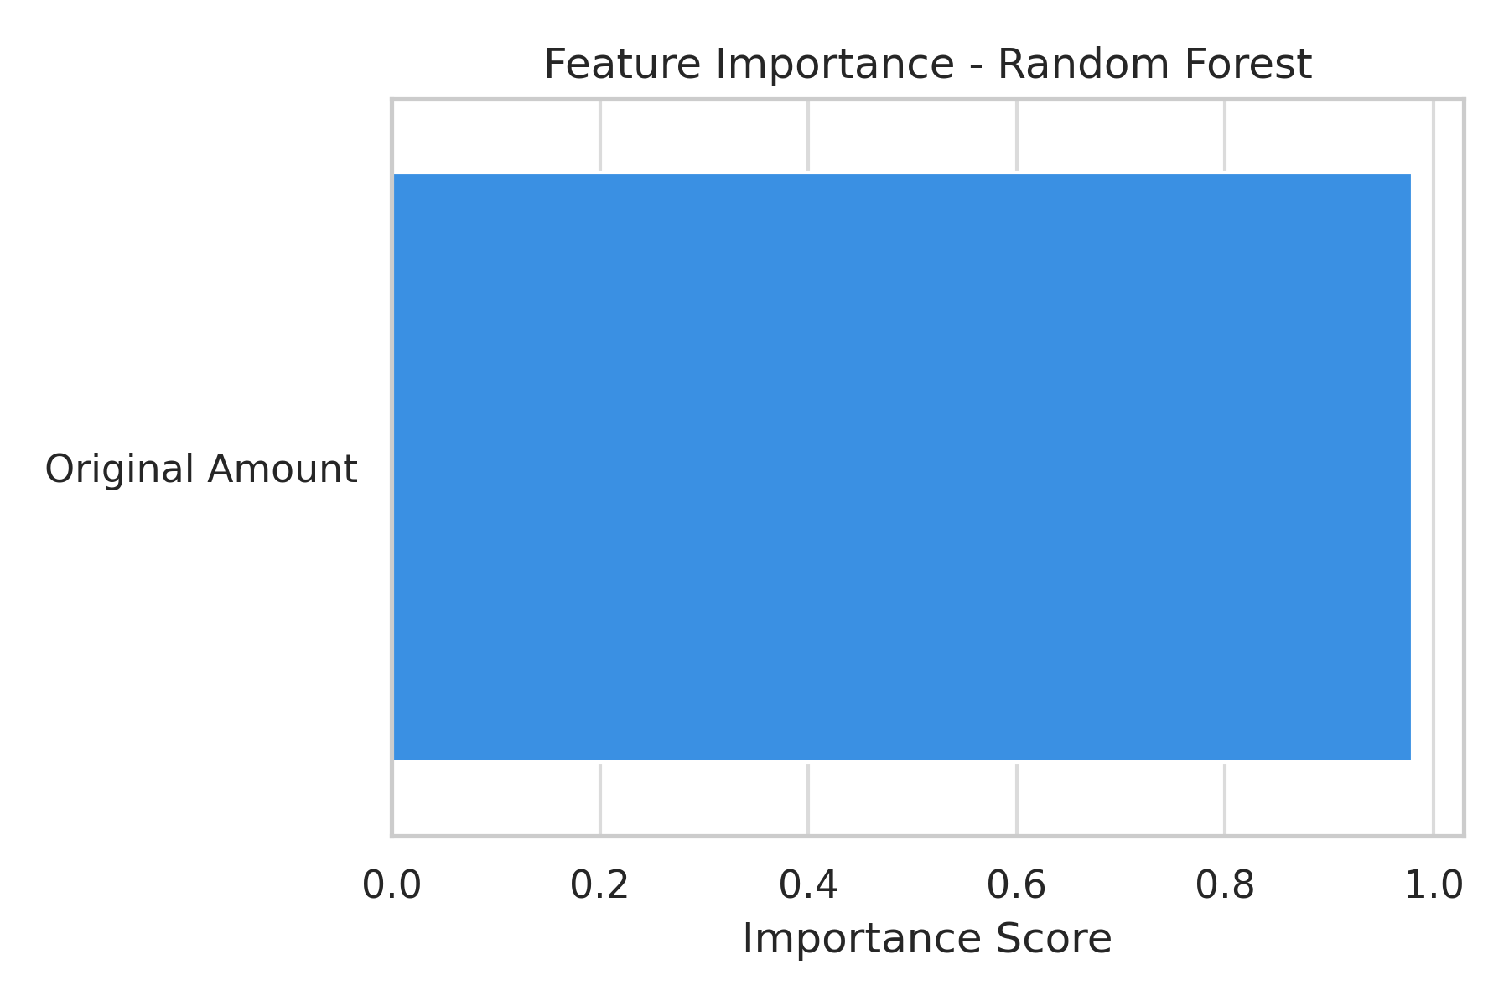
RF Predicted vs Actual
 | RF
15000 | 19144.605361
748950.51 | 793126.3472
28485 | 28103.310447
187735.16 | 216213.2216
73598.69 | 1044028.7811
6300 | 6382.6838
5400 | 4758.4761929
3402.84 | 9382.3622
575 | 576.95
18701 | 22666.261333
94059.26 | 33120.5482
786.22 | 791.30610857
20613.84 | 49076.74
8671.32 | 8150.8508067
7340.21 | 7557.2914
828800 | 976754.6205
6215 | 6227.2725
1045005 | 903180.9115
2000 | 1904.6398499
15880.75 | 19024.022
887 | 1904.6398499
49420 | 49693.32
9304 | 9232.2783
367065.85 | 292955.63927
172293.52 | 226383.5501
137121 | 132942.33739
1481.75 | 1548.2148996
17426 | 17483.3353
1936 | 5577.1042965
3837799.84 | 2752728.0588
31402 | 38268.228414
43500 | 43212.7937
1231 | 1244.12
52064.64 | 19724.5697
318408.43 | 209022.122
30500 | 10092.184157
6586.07 | 10674.8543
80000 | 76782.836037
34417 | 23624.328187
64999.49 | 27620.78349
536085 | 458387.9906
19005.86 | 21515.08687
29500 | 36802.44965
20000 | 26233.166815
1200 | 1604.4733333
151309 | 192041.4774
5000 | 6669.5530364
55796 | 74962.9667
9999.18 | 14112.650081
154368.1 | 245609.4904
...

Actual | Predicted
15000 | 19144.605361
748950.51 | 793126.3472
28485 | 28103.310447
187735.16 | 216213.2216
73598.69 | 1044028.7811
6300 | 6382.6838
5400 | 4758.4761929
3402.84 | 9382.3622
575 | 576.95
18701 | 22666.261333
94059.26 | 33120.5482
786.22 | 791.30610857
20613.84 | 49076.74
8671.32 | 8150.8508067
7340.21 | 7557.2914
828800 | 976754.6205
6215 | 6227.2725
1045005 | 903180.9115
2000 | 1904.6398499
15880.75 | 19024.022
887 | 1904.6398499
49420 | 49693.32
9304 | 9232.2783
367065.85 | 292955.63927
172293.52 | 226383.5501
137121 | 132942.33739
1481.75 | 1548.2148996
17426 | 17483.3353
1936 | 5577.1042965
3837799.84 | 2752728.0588
31402 | 38268.228414
43500 | 43212.7937
1231 | 1244.12
52064.64 | 19724.5697
318408.43 | 209022.122
30500 | 10092.184157
6586.07 | 10674.8543
80000 | 76782.836037
34417 | 23624.328187
64999.49 | 27620.78349
536085 | 458387.9906
19005.86 | 21515.08687
29500 | 36802.44965
20000 | 26233.166815
1200 | 1604.4733333
151309 | 192041.4774
5000 | 6669.5530364
55796 | 74962.9667
9999.18 | 14112.650081
154368.1 | 245609.4904
8367.05 | 11476.938986
32000 | 12916.803876
36420 | 38725.043841
660 | 659.78
5000 | 6669.5530364
1800 | 1905.2020613
95000 | 108092.979
9793.9 | 9258.2729978
15000 | 19144.605361
326434.73 | 327828.7835
2000 | 1904.6398499
8040.68 | 7878.943513
15047 | 16778.419932
87814 | 115178.56742
6000 | 9258.2729978
89999 | 55937.850543
12645 | 10719.7802
28000 | 27042.763613
...

RF_Metrics
 | Model R² Scores With and Without Text Features
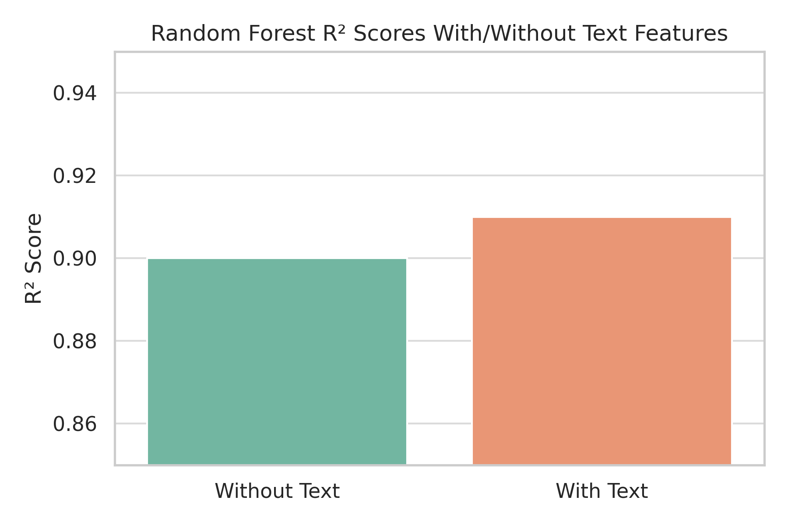
Model Performance Metrics
 | Value
R2 | -0.2214702962
RMSE | 385707.74216

Metric | Value
R2 | -0.2214702962
RMSE | 385707.74216

Monte_Carlo
Monte Carlo Percentiles
Percentile | Cost
5 | 0
50 | 133306.62756
90 | 533413.50409
95 | 651617.72639

Hist_Data
 | Number of Contracts Completed by Year
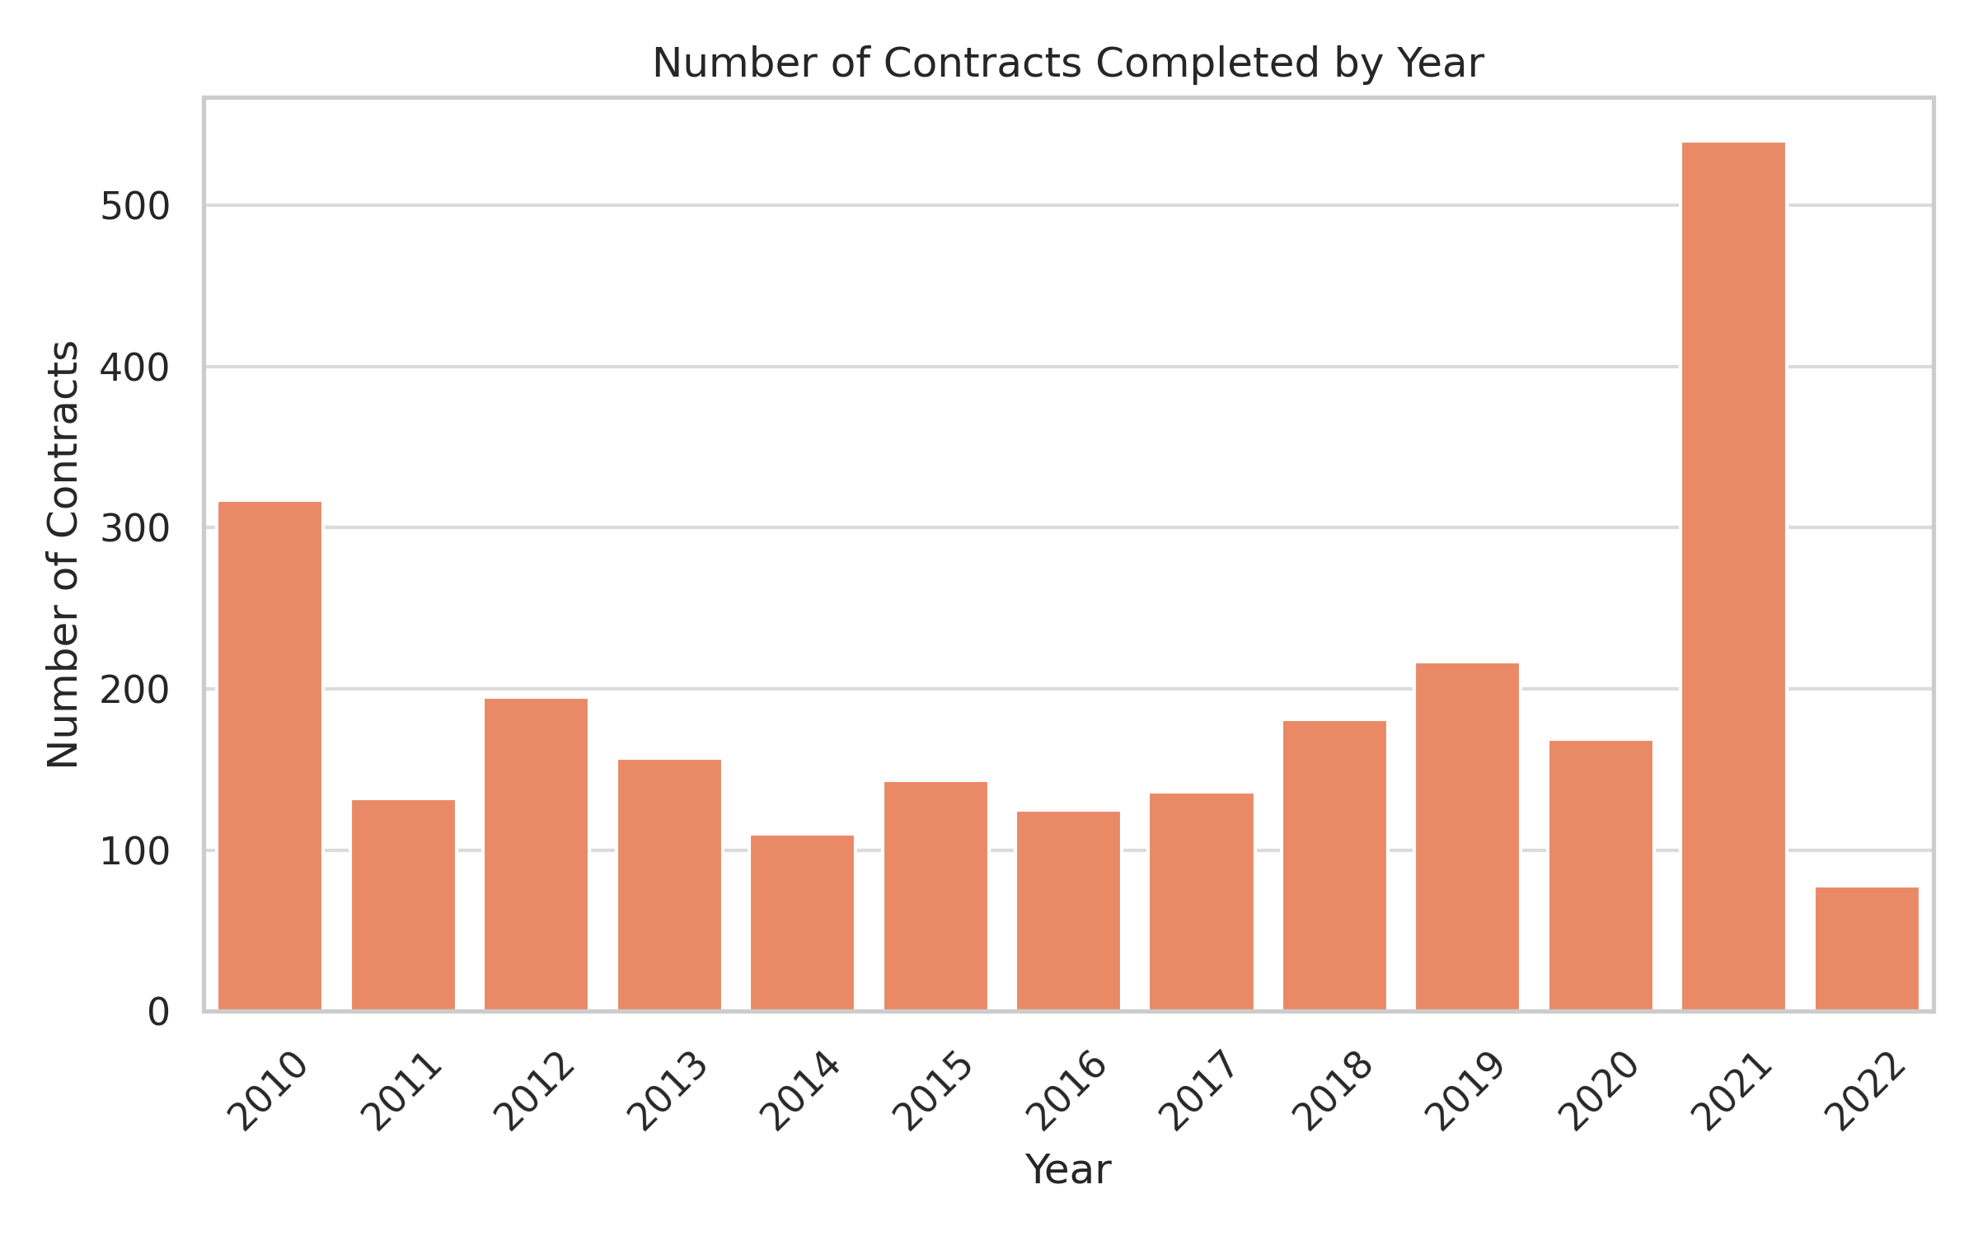

bin | count
349280 | 2420
1047840 | 46
1746400 | 12
2444960 | 6
3143520 | 5
3842080 | 5
4540640 | 4
5239200 | 0
5937760 | 0
6636320 | 0
7334880 | 0
8033440 | 0
8732000 | 0
9430560 | 0
10129120 | 0
10827680 | 1
11526240 | 0
12224800 | 0
12923360 | 0
13621920 | 0
14320480 | 0
15019040 | 0
15717600 | 0
16416160 | 0
17114720 | 0
17813280 | 0
18511840 | 0
19210400 | 0
19908960 | 0
20607520 | 0
21306080 | 0
22004640 | 0
22703200 | 0
23401760 | 0
24100320 | 0
24798880 | 0
25497440 | 0
26196000 | 0
26894560 | 0
27593120 | 0
28291680 | 0
28990240 | 0
29688800 | 0
30387360 | 0
31085920 | 0
31784480 | 0
32483040 | 0
33181600 | 0
33880160 | 0
34578720 | 1

ROC_Data
ANN ROC Curve
 | ANN ROC
0 | 0
0.11053984576 | 0.12612612613
0.11825192802 | 0.12612612613
0.11825192802 | 0.13513513514
0.12082262211 | 0.14414414414
0.12082262211 | 0.16216216216
0.13367609254 | 0.16216216216
0.13367609254 | 0.18018018018
0.13881748072 | 0.18018018018
0.13881748072 | 0.18918918919
0.15938303342 | 0.18918918919
0.16452442159 | 0.18918918919
0.17223650386 | 0.18918918919
0.17737789203 | 0.18918918919
0.17994858612 | 0.18918918919
0.17994858612 | 0.1981981982
0.18251928021 | 0.1981981982
0.18251928021 | 0.20720720721
0.18508997429 | 0.20720720721
0.18508997429 | 0.21621621622
0.18766066838 | 0.21621621622
0.18766066838 | 0.22522522523
0.19023136247 | 0.22522522523
0.19023136247 | 0.23423423423
0.19280205656 | 0.24324324324
0.2030848329 | 0.24324324324
0.20822622108 | 0.24324324324
0.21593830334 | 0.24324324324
0.21593830334 | 0.25225225225
0.21850899743 | 0.25225225225
0.21850899743 | 0.26126126126
0.23393316195 | 0.26126126126
0.23393316195 | 0.27027027027
0.23650385604 | 0.27027027027
0.23650385604 | 0.27927927928
0.25192802057 | 0.27927927928
0.25192802057 | 0.2972972973
0.25449871465 | 0.2972972973
0.264781491 | 0.30630630631
0.26735218509 | 0.30630630631
0.26735218509 | 0.31531531532
0.26992287918 | 0.31531531532
0.26992287918 | 0.32432432432
0.27249357326 | 0.32432432432
0.27249357326 | 0.33333333333
0.27763496144 | 0.33333333333
0.27763496144 | 0.35135135135
0.28020565553 | 0.35135135135
0.28020565553 | 0.36036036036
0.28277634961 | 0.36036036036
...
fpr | tpr
0 | 0
0.11053984576 | 0.12612612613
0.11825192802 | 0.12612612613
0.11825192802 | 0.13513513514
0.12082262211 | 0.14414414414
0.12082262211 | 0.16216216216
0.13367609254 | 0.16216216216
0.13367609254 | 0.18018018018
0.13881748072 | 0.18018018018
0.13881748072 | 0.18918918919
0.15938303342 | 0.18918918919
0.16452442159 | 0.18918918919
0.17223650386 | 0.18918918919
0.17737789203 | 0.18918918919
0.17994858612 | 0.18918918919
0.17994858612 | 0.1981981982
0.18251928021 | 0.1981981982
0.18251928021 | 0.20720720721
0.18508997429 | 0.20720720721
0.18508997429 | 0.21621621622
0.18766066838 | 0.21621621622
0.18766066838 | 0.22522522523
0.19023136247 | 0.22522522523
0.19023136247 | 0.23423423423
0.19280205656 | 0.24324324324
...

MC_Single_Data
 | Monte Carlo Simulation - Single Project
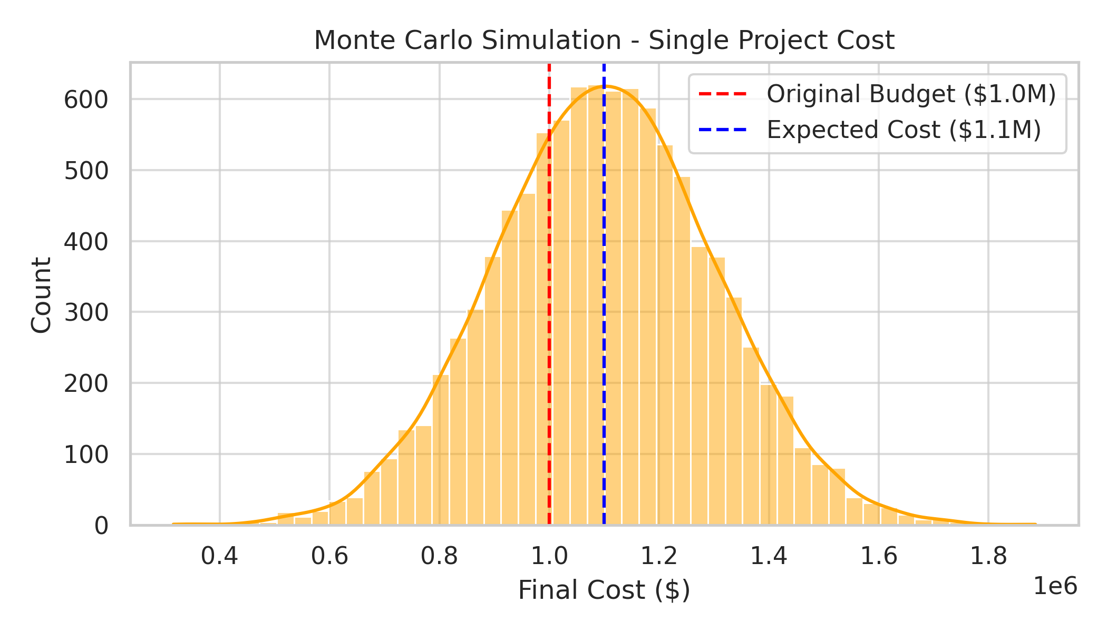

cost
0
70314.502647
0
617389.31042
0
148714.79687
313981.30092
532959.36207
189606.6136
110749.97255
0
117785.65874
10707.07042
0
0
287548.96132
90498.366181
168802.26379
122165.55045
0
35801.382202
0
522232.99716
320835.15789
189834.67629
0
0
192498.22848
0
412427.21051
117555.34717
135055.63057
0
0
617458.69025
708682.59345
600913.96651
757980.50009
143063.0967
488776.76152
423336.9272
0
776898.5893
0
28239.546379
108180.52711
528509.97616
189634.03038
184610.9852
431235.43395
507211.58425
258582.25103
544928.61645
162351.9496
617511.5763
32815.847408
13273.709918
336504.51561
388364.56821
477102.43701
451141.58643
0
499409.40298
266579.57928
0
567984.02057
56797.205053
140476.99504
...

MC_Port_Data
 | Monte Carlo Simulation - Portfolio Projects
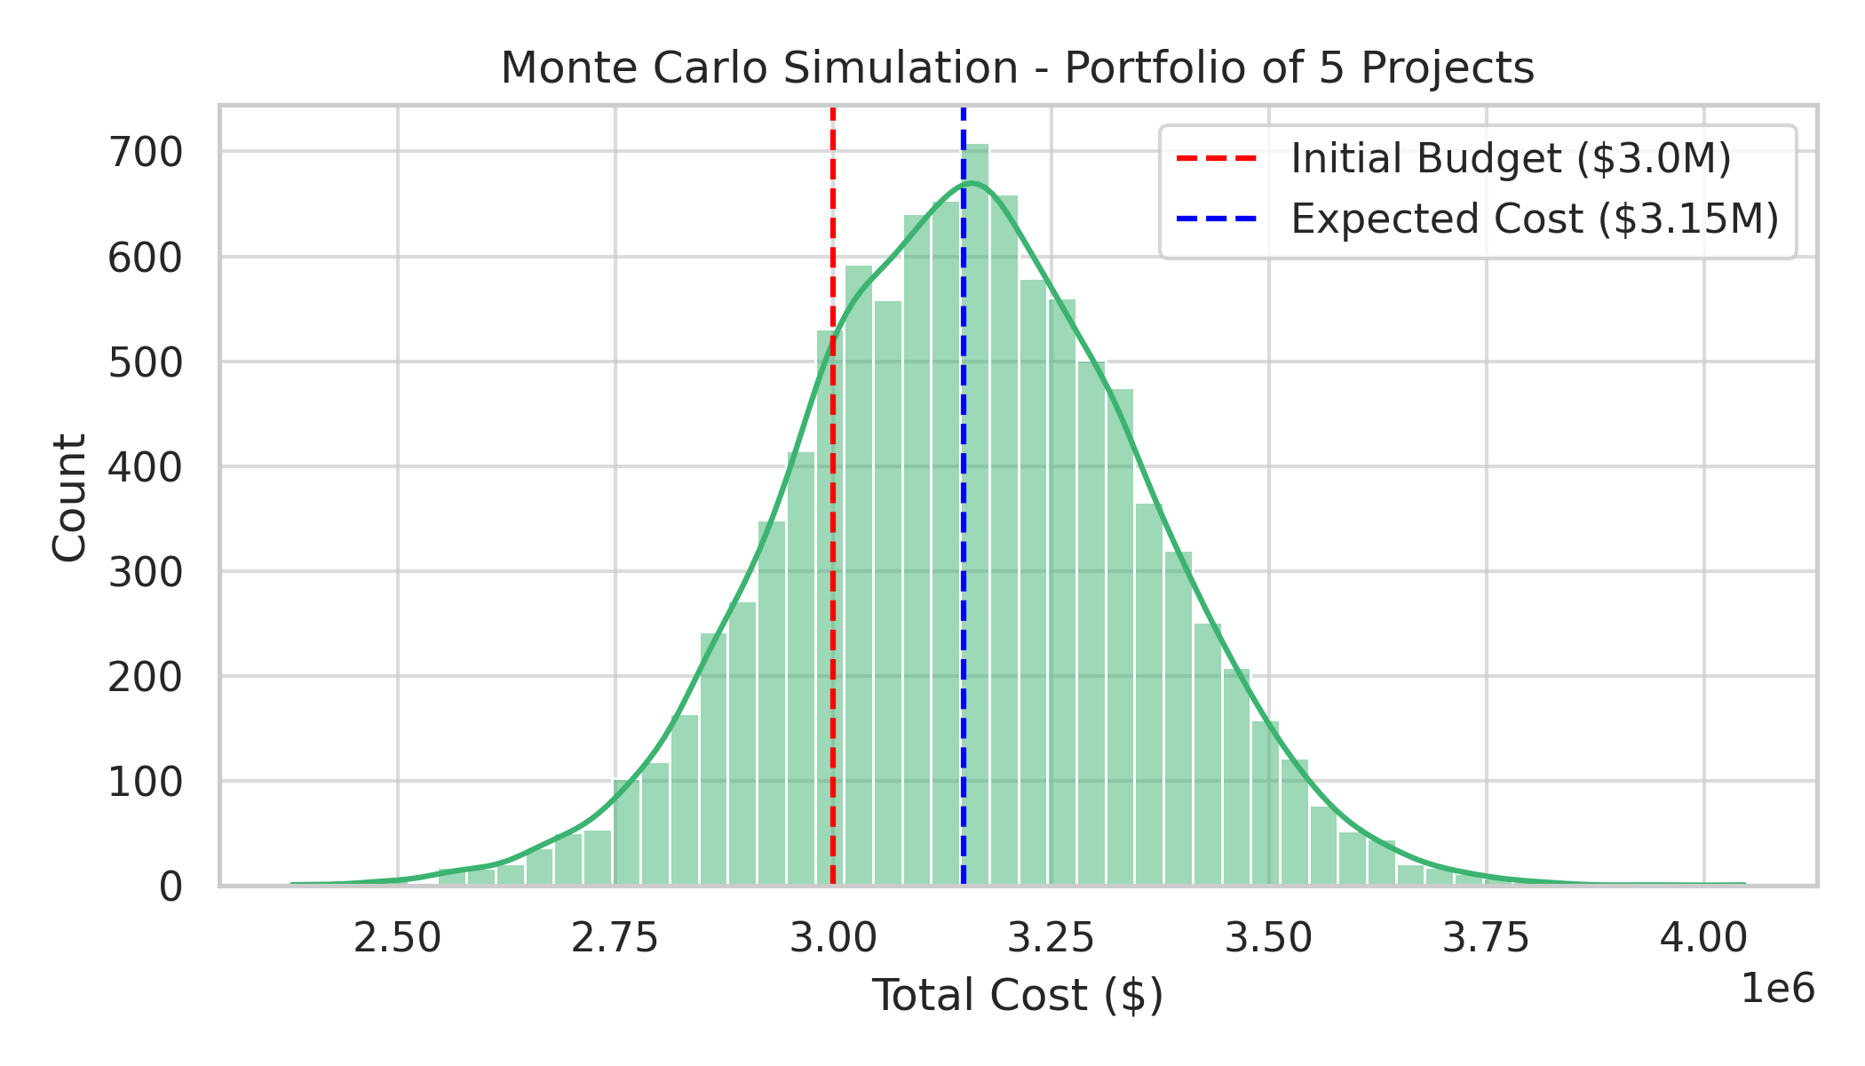

cost
1083946.4236
1650570.3967
684108.05683
311923.9172
1045484.0504
522669.95767
174472.93301
1474013.754
924566.56782
2099601.6106
589799.58131
337995.63471
549509.07703
978148.48511
819097.6734
1320782.0067
731022.55304
1350584.5252
187305.56526
1639204.7986
785982.6321
1104054.4745
891563.12728
716921.37471
489631.33287
412786.32185
803415.72624
951538.2074
536495.80796
1083695.4726
1131284.3602
673967.46675
478936.65503
472528.98923
473564.39488
244744.72623
215492.31639
0
653283.7227
390333.81114
226370.37375
1527772.18
1259467.2004
2165716.644
449550.31522
477906.30003
522711.68133
931359.73142
1335730.7244
311454.04173
1382280.7145
1189712.6555
847771.85239
700291.59918
292200.21371
1458060.1465
1333215.7806
396194.43542
1691850.737
196419.12579
564622.2317
1268130.9122
573812.90623
653659.33465
715820.39022
1368398.3514
873566.5605
602952.3337
...

Risk_Value_Plot
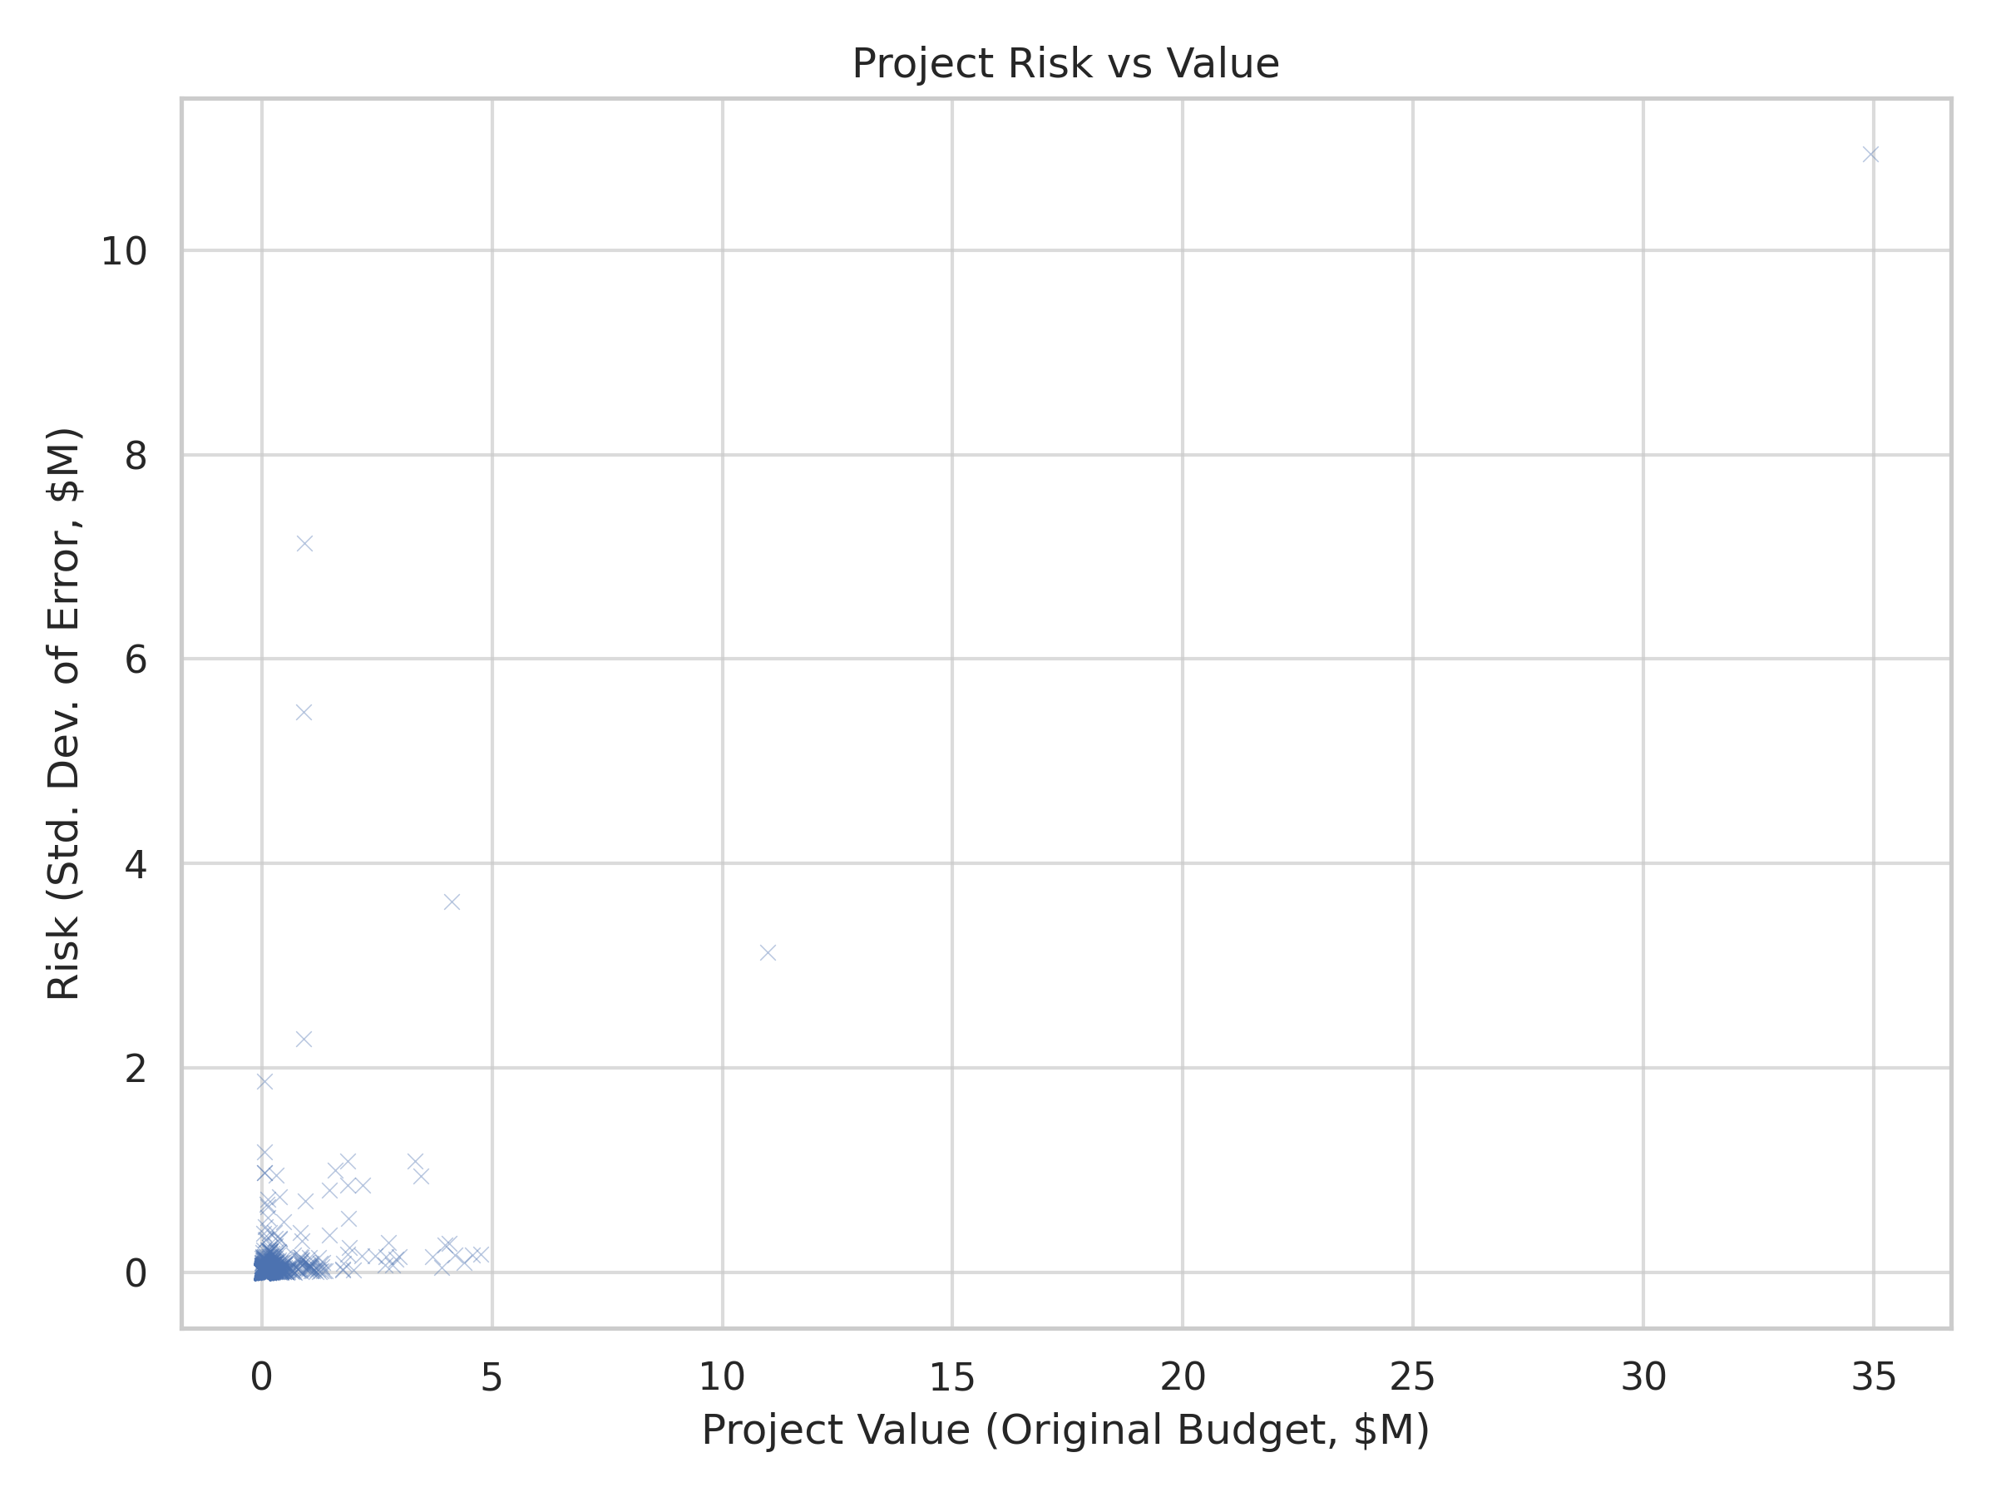
Project Risk vs Value

