Ratio Anlysis
Liquidity Ratio |  | Profitability Ratio |  | Earning Ratio

Current Assets | $29,074,000 | Gross Profit | $26,316,000 | Stock Price | $301.179
Current Liabilities | $26,631,000 | Net Sales | $34,857,000 | Earning Per Share (EPS) | $4.250
Current Ratio | 1.09 | Gross Profit Margin | 75.50% | P/E Ratio | 70.87

 |  | Operating Earnings | $5,999,000
Current Assets | $29,074,000 | Net Sales | $34,857,000 | Debt to Equity ratio
inventory |  | Operating Profit Margin | 17.21%
Current Liabilities | $26,631,000
Quick Ratio | 1.09 | Net Income | $4,136,000 | Total Debt | $10,418,000
 |  | Total Assets | $99,823,000 | Shareholder’s equity | $58,359,000
 |  | Return On Assets | 4.14% | Debt to Equity | 0.18
Cash,Cash Equivalents | $8,472,000
"UNITED STATES SECURITIES AND EXCHANGE COMMISSION" FORM 10-K
Document Link:
Current Liabilities | $26,631,000 | Net income | $4,136,000
Cash Ratio | 0.32 | shareholder’s equity | $58,359,000 | Dividend payout ratio
 |  | Return On Equity | 7.09%

 |  | Operating Profit | $5,999,000 | Dividends paid
 |  | Net Sales | $34,857,000 | Net Income | $4,136,000
 |  | Return On Sales | 17.21% | Dividend payout ratio

 |  | Net Income | $4,136,000
 |  | Cost of Investment | $736,000 | Sustainable growth rate
 |  | Return On Investments | 5.62
 |  |  |  | Net Income | $4,136,000
 |  |  |  | Shareholder’s equity | $58,359,000
 |  |  |  | Divident Payout Ratio
 |  |  |  | Sustainable growth rate

CAPM
Adj Close CRM | R CRM (Ra) | Date | Adj Close S&P 500 | R S&P 500 (Rm)
51.582623 |  | 2014-04-01 | 1,883.95 |  | Beta | 1.3012757589
52.56134 | 1.0189737734 | 2014-05-01 | 1,923.57 | 1.0210302821 | Geomean | 0.87%
58.004234 | 1.1035531819 | 2014-06-01 | 1,960.23 | 1.0190583134 | Rm | 10.90%
54.179226 | 0.93405640009 | 2014-07-01 | 1,930.67 | 0.98492013692 | Ra | Rf+beta*(Rm-Rf)
59.012913 | 1.0892166123 | 2014-08-01 | 2,003.37 | 1.0376553217 | Rf | 4.39%
57.454948 | 0.97359959167 | 2014-09-01 | 1,972.29 | 0.98448614085 | Ra | 12.86%
63.906521 | 1.1122892497 | 2014-10-01 | 2,018.05 | 1.0232014562
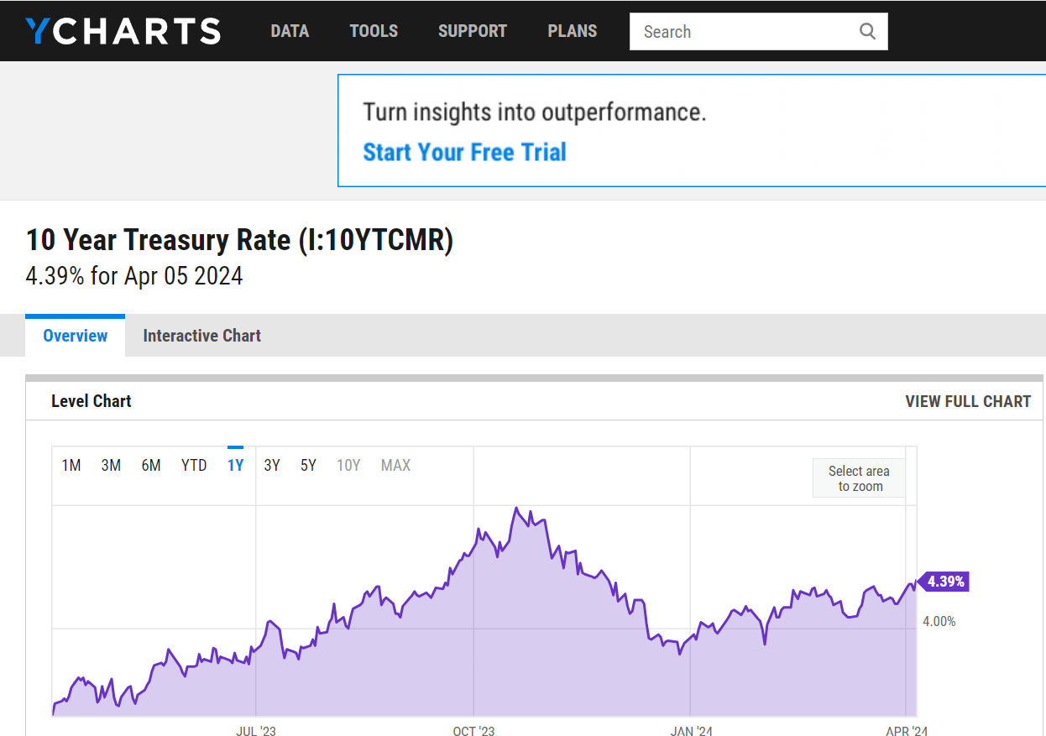
59.791893 | 0.93561489601 | 2014-11-01 | 2,067.56 | 1.0245335844
59.232628 | 0.99064647443 | 2014-12-01 | 2,058.90 | 0.99581148794
56.376358 | 0.95177877301 | 2015-01-01 | 1,994.99 | 0.96895915295
69.28949 | 1.2290522563 | 2015-02-01 | 2,104.50 | 1.0548925057
66.722839 | 0.9629575712 | 2015-03-01 | 2,067.89 | 0.98260394393
72.724998 | 1.0899565889 | 2015-04-01 | 2,085.51 | 1.0085207627
72.65509 | 0.99903873493 | 2015-05-01 | 2,107.39 | 1.0104914385
69.539162 | 0.95711342454 | 2015-06-01 | 2,063.11 | 0.97898822714
73.204376 | 1.0527071925 | 2015-07-01 | 2,103.84 | 1.0197420399
69.269516 | 0.94624829532 | 2015-08-01 | 1,972.18 | 0.93741919538
69.339424 | 1.0010092174 | 2015-09-01 | 1,920.03 | 0.97355718038
77.60862 | 1.1192567738 | 2015-10-01 | 2,079.36 | 1.0829830784
79.586044 | 1.0254794377 | 2015-11-01 | 2,080.41 | 1.0005049631
78.297722 | 0.9838122121 | 2015-12-01 | 2,043.94 | 0.98246980163
67.971207 | 0.86811219105 | 2016-01-01 | 1,940.24 | 0.94926465552
67.661613 | 0.99544521844 | 2016-02-01 | 1,932.23 | 0.99587164474
73.733688 | 1.0897418009 | 2016-03-01 | 2,059.74 | 1.0659911087
75.701118 | 1.0266829187 | 2016-04-01 | 2,065.30 | 1.0026993698
83.600792 | 1.1043534654 | 2016-05-01 | 2,096.95 | 1.0153246502
79.306412 | 0.94863230482 | 2016-06-01 | 2,098.86 | 1.0009108467
81.693291 | 1.0300969233 | 2016-07-01 | 2,173.60 | 1.0356098072
79.316391 | 0.9709045875 | 2016-08-01 | 2,170.95 | 0.99878082444
71.236946 | 0.89813650245 | 2016-09-01 | 2,168.27 | 0.9987655174
75.061951 | 1.0536941182 | 2016-10-01 | 2,126.15 | 0.98057437496
71.906075 | 0.95795638192 | 2016-11-01 | 2,198.81 | 1.0341744468
68.370689 | 0.95083327799 | 2016-12-01 | 2,238.83 | 1.018200754
78.996811 | 1.1554192616 | 2017-01-01 | 2,278.87 | 1.0178843414
81.243874 | 1.0284449837 | 2017-02-01 | 2,363.64 | 1.0371982605
82.382385 | 1.0140134997 | 2017-03-01 | 2,362.72 | 0.99961076983
86.007652 | 1.044005366 | 2017-04-01 | 2,384.20 | 1.0090912169
89.523056 | 1.0408731539 | 2017-05-01 | 2,411.80 | 1.01157621
86.487022 | 0.96608656881 | 2017-06-01 | 2,423.41 | 1.004813832
90.681549 | 1.0484989181 | 2017-07-01 | 2,470.30 | 1.0193487689
95.365425 | 1.0516519187 | 2017-08-01 | 2,471.65 | 1.0005464923
93.298126 | 0.97832234271 | 2017-09-01 | 2,519.36 | 1.0193028948
102.20649 | 1.0954827753 | 2017-10-01 | 2,575.26 | 1.0221881748
104.183907 | 1.0193472743 | 2017-11-01 | 2,647.58 | 1.0280826014
102.096634 | 0.97996549505 | 2017-12-01 | 2,673.61 | 1.0098316198
113.761398 | 1.1142521897 | 2018-01-01 | 2,823.81 | 1.0561787246
116.098343 | 1.020542513 | 2018-02-01 | 2,713.83 | 0.9610526204
116.148285 | 1.0004301698 | 2018-03-01 | 2,640.87 | 0.97311548623
120.832161 | 1.040326691 | 2018-04-01 | 2,648.05 | 1.002718801
129.161285 | 1.0689313502 | 2018-05-01 | 2,705.27 | 1.0216083533
136.222046 | 1.0546662338 | 2018-06-01 | 2,718.37 | 1.0048424002
136.971069 | 1.0054985446 | 2018-07-01 | 2,816.29 | 1.0360215865
152.480804 | 1.1132336567 | 2018-08-01 | 2,901.52 | 1.0302632186
158.82254 | 1.0415903893 | 2018-09-01 | 2,913.98 | 1.0042943009
137.060974 | 0.86298187902 | 2018-10-01 | 2,711.74 | 0.93059664102
142.573761 | 1.04022142 | 2018-11-01 | 2,760.17 | 1.0178593818
136.791321 | 0.95944246712 | 2018-12-01 | 2,506.85 | 0.90822304423
151.771744 | 1.1095129639 | 2019-01-01 | 2,704.10 | 1.0786844047
163.436508 | 1.0768572838 | 2019-02-01 | 2,784.49 | 1.0297289301
158.163391 | 0.96773599079 | 2019-03-01 | 2,834.40 | 1.0179242878
165.134293 | 1.044074055 | 2019-04-01 | 2,945.83 | 1.0393134349
151.212479 | 0.91569398611 | 2019-05-01 | 2,752.06 | 0.93422227352
151.532059 | 1.0021134499 | 2019-06-01 | 2,941.76 | 1.0689301832
154.298447 | 1.0182561236 | 2019-07-01 | 2,980.38 | 1.0131281954
155.866409 | 1.010161878 | 2019-08-01 | 2,926.46 | 0.98190834726
148.246353 | 0.95111162149 | 2019-09-01 | 2,976.74 | 1.0171811677
156.285858 | 1.0542307101 | 2019-10-01 | 3,037.56 | 1.0204317475
162.677505 | 1.0408971553 | 2019-11-01 | 3,140.98 | 1.0340470641
162.427826 | 0.99846519038 | 2019-12-01 | 3,230.78 | 1.0285898032
182.072159 | 1.1209419192 | 2020-01-01 | 3,225.52 | 0.99837191019
170.177689 | 0.93467167048 | 2020-02-01 | 2,954.22 | 0.91588953099
143.79216 | 0.8449530655 | 2020-03-01 | 2,584.59 | 0.87488067916
161.738724 | 1.1248090577 | 2020-04-01 | 2,912.43 | 1.1268441029
174.561966 | 1.0792836847 | 2020-05-01 | 3,044.31 | 1.045281775
187.085617 | 1.0717432972 | 2020-06-01 | 3,100.29 | 1.0183884033
194.59581 | 1.0401430806 | 2020-07-01 | 3,271.12 | 1.055101297
272.294312 | 1.3992814748 | 2020-08-01 | 3,500.31 | 1.0700646873
250.992142 | 0.92176784802 | 2020-09-01 | 3,363.00 | 0.9607720459
231.966995 | 0.92420022855 | 2020-10-01 | 3,269.96 | 0.97233422539
245.47934 | 1.0582511534 | 2020-11-01 | 3,621.63 | 1.1075456581
222.2397 | 0.9053295483 | 2020-12-01 | 3,756.07 | 1.0371214067
225.265747 | 1.0136161406 | 2021-01-01 | 3,714.24 | 0.98886335984
216.21756 | 0.95983327638 | 2021-02-01 | 3,811.15 | 1.026091475
211.593597 | 0.97861430404 | 2021-03-01 | 3,972.89 | 1.042438634
230.019547 | 1.0870817939 | 2021-04-01 | 4,181.17 | 1.0524253126
237.789383 | 1.0337790249 | 2021-05-01 | 4,204.11 | 1.0054865026
243.95134 | 1.0259135077 | 2021-06-01 | 4,297.50 | 1.0222139763
241.61438 | 0.99042038466 | 2021-07-01 | 4,395.26 | 1.0227481094
264.92392 | 1.096474142 | 2021-08-01 | 4,522.68 | 1.0289903214
270.86618 | 1.0224300622 | 2021-09-01 | 4,307.54 | 0.95243085958
299.299042 | 1.1049701443 | 2021-10-01 | 4,605.38 | 1.0691438733
284.588257 | 0.95084920786 | 2021-11-01 | 4,567.00 | 0.99166626858
253.798477 | 0.89180937989 | 2021-12-01 | 4,766.18 | 1.043612875
232.326523 | 0.91539762471 | 2022-01-01 | 4,515.55 | 0.94741491089
210.255356 | 0.90499936591 | 2022-02-01 | 4,373.94 | 0.96863947913
212.043015 | 1.0085023232 | 2022-03-01 | 4,530.41 | 1.0357732388
175.71048 | 0.82865488401 | 2022-04-01 | 4,131.93 | 0.91204328085
160.03096 | 0.91076502665 | 2022-05-01 | 4,132.15 | 1.0000532439
164.824692 | 1.0299550287 | 2022-06-01 | 3,785.38 | 0.91608000678
183.779938 | 1.1150024658 | 2022-07-01 | 4,130.29 | 1.0911163476
155.916321 | 0.84838597018 | 2022-08-01 | 3,955.00 | 0.95755988078
143.652344 | 0.92134257067 | 2022-09-01 | 3,585.62 | 0.90660429836
162.377884 | 1.130353181 | 2022-10-01 | 3,871.98 | 1.0798634546
160.040939 | 0.98560798464 | 2022-11-01 | 4,080.11 | 1.0537528603
132.417023 | 0.82739468931 | 2022-12-01 | 3,839.50 | 0.9410285507
167.75087 | 1.2668376482 | 2023-01-01 | 4,076.60 | 1.0617528324
163.396561 | 0.97404300198 | 2023-02-01 | 3,970.15 | 0.97388755335
199.519379 | 1.2210745304 | 2023-03-01 | 4,109.31 | 1.0350515724
198.111206 | 0.9929421743 | 2023-04-01 | 4,169.48 | 1.0146423609
223.088593 | 1.1260776081 | 2023-05-01 | 4,179.83 | 1.0024823239
210.98439 | 0.94574261805 | 2023-06-01 | 4,450.38 | 1.0647275128
224.716461 | 1.0650857203 | 2023-07-01 | 4,588.96 | 1.031138914
221.171097 | 0.98422294484 | 2023-08-01 | 4,507.66 | 0.98228356752
202.515457 | 0.91565064218 | 2023-09-01 | 4,288.05 | 0.95128070884
200.568008 | 0.99038370192 | 2023-10-01 | 4,193.80 | 0.97802031226
251.571381 | 1.254294658 | 2023-11-01 | 4,567.80 | 1.0891792646
262.796722 | 1.0446208983 | 2023-12-01 | 4,769.83 | 1.0442291694
280.723297 | 1.0682146066 | 2024-01-01 | 4,845.65 | 1.0158957447
308.417145 | 1.0986517624 | 2024-02-01 | 5,096.27 | 1.0517206154
300.787079 | 0.97526056471 | 2024-03-01 | 5,254.35 | 1.0310187647

