Overview
 |  |  |  | Preprocessing tests

 |  | Split: | 0,8 (Person dependent =vert.) |  |  |  | For each run, please change output folder in script!!
 |  | k: | 10

 |  |  |  |  |  |  |  |  |  |  |  | Comparison to reference (run1)
Title | Run | Single/Multi | DPI | Centered | Smoothing | Gauss.Sigma | PCA | Normalisation | Accuracy | Data loading time | knn time [s] | PCA time | Accuracy diff [%] | Data load time diff [%] | knn time diff [%] | DONE?
Reference (no preProc.) | 1 | Multi (Group4) | 300 | FALSE | none | 0 | FALSE | FALSE | 76.8333% | 206.1990 | 3,353.6080 |  | 0.00% | 0.00% | - | yes
DPI=200 | 2 | Multi (Group4) | 200 | FALSE | none | 0 | FALSE | FALSE | 76.8750% | 88.0940 | 1,274.3570 |  | 0.04% | -134.07% | -163.16% | yes
DPI=100 | 3 | Multi (Group4) | 100 | FALSE | none | 0 | FALSE | FALSE | 79.5833% | 19.2010 | 27.7880 |  | 2.75% | -973.90% | -11968.55% | yes
Centered=True | 4 | Multi (Group4) | 300 | TRUE | none | 0 | FALSE | FALSE | 98.7083% | 185.5170 | 3,434.3010 |  | 21.88% | -11.15% | 2.35% | yes
Smooth=Avg | 5 | Multi (Group4) | 300 | FALSE | Avg | 0 | FALSE | FALSE | 90.2083% | 272.8430 | 3,398.4590 |  | 13.38% | 24.43% | 1.32% | yes
Smooth=Gauss(Sig:1) | 6 | Multi (Group4) | 300 | FALSE | Gauss | 1 | FALSE | FALSE | 89.9583% | 284.4160 | 3,387.9180 |  | 13.12% | 27.50% | 1.01% | yes
Smooth=Gauss(Sig:2) | 7 | Multi (Group4) | 300 | FALSE | Gauss | 2 | FALSE | FALSE | 94.2083% | 288.4350 | 3,271.6910 |  | 17.38% | 28.51% | -2.50% | yes
Smooth=Gauss(Sig:3) | 8 | Multi (Group4) | 300 | FALSE | Gauss | 3 | FALSE | FALSE | 94.7083% | 281.9380 | 3,452.4590 |  | 17.88% | 26.86% | 2.86% | yes
Smooth=Gauss(Sig:4) | 9 | Multi (Group4) | 300 | FALSE | Gauss | 4 | FALSE | FALSE | 93.4167% | 299.2530 | 3,334.6490 |  | 16.58% | 31.10% | -0.57% | yes
PCA (w/o norm, first 50) | 10 | Multi (Group4) | 300 | FALSE | none | 0 | TRUE | FALSE | 82.6250% | 224.5120 | 1.6940 | 60.9790 | 5.79% | 8.16% | -197869.78% | yes
PCA (w/o norm, first 100) | 11 | Multi (Group4) | 300 | FALSE | none | 0 | TRUE | FALSE | 80.2917% | 224.5120 | 3.1210 | 60.9790 | 3.46% | 8.16% | -107353.00% | yes
PCA (w/o norm, first 200) | 12 | Multi (Group4) | 300 | FALSE | none | 0 | TRUE | FALSE | 71.3333% | 224.5120 | 11.1110 | 60.9790 | -5.50% | 8.16% | -30082.77% | yes
PCA (w/o norm, first 400) | 13 | Multi (Group4) | 300 | FALSE | none | 0 | TRUE | FALSE | 48.0000% | 224.5120 | 35.5970 | 60.9790 | -28.83% | 8.16% | -9321.04% | yes
PCA (w/o norm, first 600) | 14 | Multi (Group4) | 300 | FALSE | none | 0 | TRUE | FALSE | 38.5417% | 224.5120 | 336.2190 | 60.9790 | -38.29% | 8.16% | -897.45% | yes
PCA (w/o norm, first 1000) | 15 | Multi (Group4) | 300 | FALSE | none | 0 | TRUE | FALSE | 29.9167% | 224.5120 | 778.8260 | 60.9790 | -46.92% | 8.16% | -330.60% | yes
PCA (w/o norm, first 2000) | 16 | Multi (Group4) | 300 | FALSE | none | 0 | TRUE | FALSE | 19.3750% | 224.5120 | 1,774.1480 | 60.9790 | -57.46% | 8.16% | -89.03% | yes
PCA (with norm, first 50) | 17 | Multi (Group4) | 300 | FALSE | none | 0 | TRUE | TRUE | 82.13% | 224.5120 | 1.576 | 65.2120 | 5.29% | 8.16% | -212692.39% | yes

Absolute Accuracy and Performance
 | Accuracy | Data loading time | knn time [s] | PCA time
Reference (no preProc.) | 76.8333% | 206.1990 | 3,353.6080
DPI=200 | 76.8750% | 88.0940 | 1,274.3570
DPI=100 | 79.5833% | 19.2010 | 27.7880
Centered=True | 98.7083% | 185.5170 | 3,434.3010
Smooth=Avg | 90.2083% | 272.8430 | 3,398.4590
Smooth=Gauss(Sig:1) | 89.9583% | 284.4160 | 3,387.9180
Smooth=Gauss(Sig:2) | 94.2083% | 288.4350 | 3,271.6910
Smooth=Gauss(Sig:3) | 94.7083% | 281.9380 | 3,452.4590
Smooth=Gauss(Sig:4) | 93.4167% | 299.2530 | 3,334.6490
PCA (w/o norm, first 50) | 82.6250% | 224.5120 | 1.6940 | 60.9790
PCA (w/o norm, first 100) | 80.2917% | 224.5120 | 3.1210 | 60.9790
PCA (w/o norm, first 200) | 71.3333% | 224.5120 | 11.1110 | 60.9790
PCA (w/o norm, first 400) | 48.0000% | 224.5120 | 35.5970 | 60.9790
PCA (w/o norm, first 600) | 38.5417% | 224.5120 | 336.2190 | 60.9790
PCA (w/o norm, first 1000) | 29.9167% | 224.5120 | 778.8260 | 60.9790
PCA (w/o norm, first 2000) | 19.3750% | 224.5120 | 1,774.1480 | 60.9790
PCA (with norm, first 50) | 82.1250% | 224.5120 | 1.5760 | 65.2120

 |  | TEXT DRAFT FOR REPORT:

Introduction
Before starting on investigating and experimenting with the knn-algortithm the focus was on finding out how to improve the performance and accuracy. Therefore a reference run (run #1) was done first with no preprocessing at all. The highest image resolution available (300 dpi) was taken. The dataset were three persons from the fourth group of 2017. The data was split in 80% training data and 20% test data. To keep the computational time within reasonable limits, only one k value was used (k=10). All calculations were done on an Amazon EC2 server instance with 7,5 RAM and 4 virtual CPUs (2,9 GHz).
The following runs were executed to compare the changes in accuracy and performance. Only one parameter was changed in comparison to the reference. Some interesting results becam evident (see following figure)

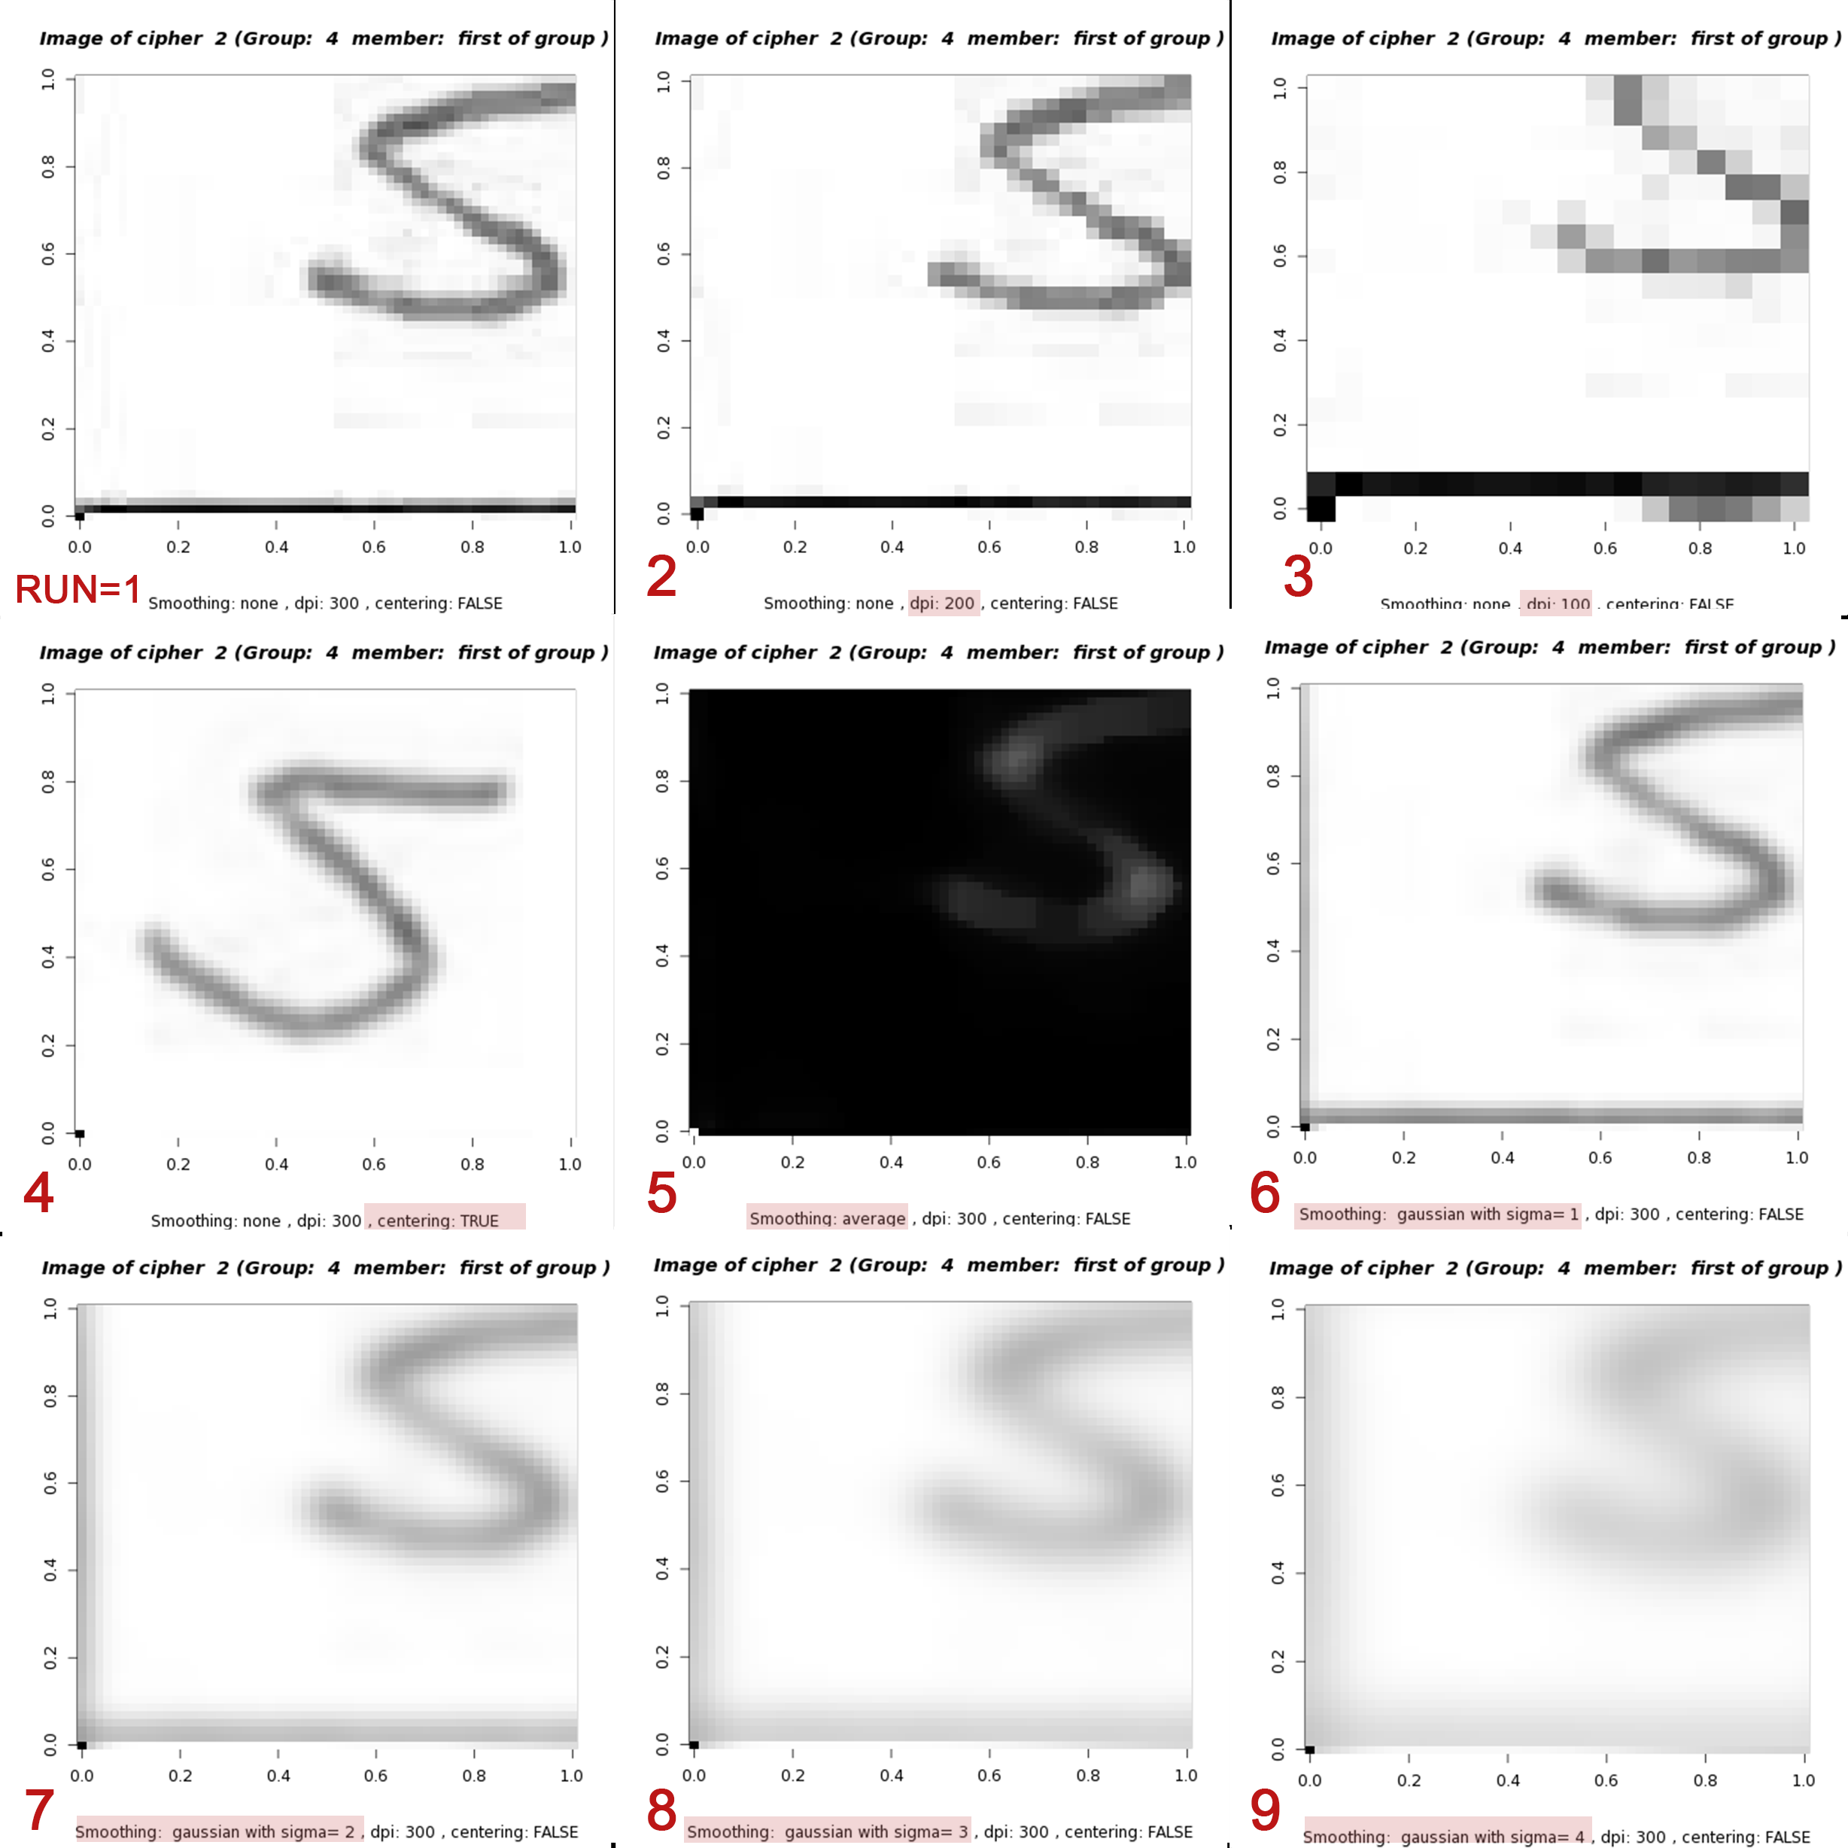
Change of Accuracy and Performance compared to reference (run #1)

Observation and Interpretation
The calculation show that especially the dpi has a huge impact on the time. The loading time as well as the time for the knn algorithm is significantly decreasing. DPI 100 make the calculations about 12000% as fast. And this without any substantial changes in accuracy. Interesting to see is that the accuracy is even improving by almost 3% from DPI 300 to 100. This might be because the lower resolution avoids over fitting. The biggest improvement in accuracy is evident if centered and rotated (run 3) data is used (over 20% higher accuracy). The smoothing methods improve the accuracy by more than 10% but they also lead to a significant increase in computational time (about 40%). The calculating time (ca. 1 min) did not increase the total amount of time greatly. The changes in knn time performance are dramatically high but dependent on how many PCAs are used for knn. If only the first 50 are used, it is only taking about a second. But the time increases exponentially when the number of PCA increased. ALso, the accuracy is worse than witohout PCA. For 50 PCAs it is about 82% high and then gradually decreasing with incrementing the number of PCAs. This might be caused by the characteristic of the eigenfaces, that an increase in PCA # also increases the noise, because the most variant (and thus most import) information is in the first PCAs.
First Conclusion
Using centering data showed significant improvement in accuracy without changing the temporal performance too much. To improve the time, the data with a DPI=100 was used together with a gaussian smoothing with sigma= 3 because it showed significant improvement in accuracy. PCA? So for the knn algorithm the following preprocessing methods were chosen:
- DPI: 100
- Centered and rotated
- Smoothing: gaussian sigma=3 (sigma might change becaus of lower DPI)
- PCA with the first x PCA (look for maximum in first 20-100 PCAs)
Final Conclusion
16 runs were done to iteravly add the preprocessing methods and see the difference in performance and accuracy (see tab "Optimized_runs"). Actually only 5 runs were planned(one for each preprocessing step), but it has increased because of the gaussian smoothing. As it turned out, the smoothing had to be adapted because of the lower DPI number. Sigma=3 was far too high. The optimal number was at sigma=0.6 with low changes.
The PCA did not bring any improvement after applying DPI=100, centering and rotating and gaussian blur with sigma=0,6. The times and accuracy did not differ much though.
In the end, the following preprocessing methods were chosen to imporve performance and also accuracy (run 4f):
- DPI = 100
- Centered and rotated
- Gaussian blur with sigma=3
- No PCA
The improvements to the reference run (with no pre processing applied) were as follows:
- Total Time: - 8044% (3559,807s to 44,255s)
- Accuracy: + 22,25% (76,83% to 99,08%)

PCA
First x PCAs
 | accuracy | performance
1 | 23.916666667 | 0.104
2 | 38.583333333 | 0.12
3 | 46.416666667 | 0.16
4 | 45.75 | 0.183
5 | 52.458333333 | 0.205
6 | 57.5 | 0.227
7 | 60.291666667 | 0.248
8 | 64.5 | 0.271
9 | 65 | 0.292
10 | 68.416666667 | 0.314
11 | 71.125 | 0.337
12 | 72.458333333 | 0.361
13 | 73.625 | 0.385
14 | 75.125 | 0.409
15 | 76.25 | 0.432
16 | 75.833333333 | 0.457
17 | 76.958333333 | 0.479
18 | 77.791666667 | 0.503
19 | 77.916666667 | 0.525
20 | 78.458333333 | 0.55
21 | 78.875 | 0.572
22 | 79.041666667 | 0.595
23 | 79.333333333 | 0.618
24 | 79.25 | 0.64
25 | 80 | 0.662
26 | 80.291666667 | 0.684
27 | 80.25 | 0.708
28 | 81.291666667 | 0.728
29 | 81.541666667 | 0.752
30 | 81.541666667 | 0.774
31 | 81.625 | 0.797
32 | 81.25 | 0.929
33 | 81.75 | 0.845
34 | 82.125 | 0.867
35 | 81.583333333 | 0.895
36 | 82.375 | 0.922
37 | 82.375 | 1.03
38 | 83.083333333 | 1.033
39 | 82.666666667 | 1.089
40 | 82.875 | 1.056
41 | 82.458333333 | 1.152
42 | 82.666666667 | 1.126
43 | 82.833333333 | 1.194
44 | 82.916666667 | 1.22
45 | 82.833333333 | 1.392
46 | 82.833333333 | 1.428
47 | 82.458333333 | 1.406
48 | 82.25 | 1.504
49 | 82.375 | 1.538
50 | 82 | 1.571
...
 | A more detailed test to see how accuracy and performance change with differen x first PCA values:

x | accuracy | performance | accuracy (norm) | performance (norm)
1 | 23.916666667 | 0.104 | 23.666666667 | 0.208
2 | 38.583333333 | 0.12 | 38.375 | 0.118
3 | 46.416666667 | 0.16 | 45.541666667 | 0.161
4 | 45.75 | 0.183 | 45 | 0.182
5 | 52.458333333 | 0.205 | 52.541666667 | 0.204
6 | 57.5 | 0.227 | 58.5 | 0.226
7 | 60.291666667 | 0.248 | 60.5 | 0.248
8 | 64.5 | 0.271 | 65.166666667 | 0.27
9 | 65 | 0.292 | 65.125 | 0.291
10 | 68.416666667 | 0.314 | 67.833333333 | 0.315
11 | 71.125 | 0.337 | 71.375 | 0.338
12 | 72.458333333 | 0.361 | 72.833333333 | 0.362
Normed vs unnormed Performance and Accuracy
 | accuracy | accuracy (norm) | performance | performance (norm)
 | 23.916666667 | 23.666666667 | 0.104 | 0.208
 | 38.583333333 | 38.375 | 0.12 | 0.118
 | 46.416666667 | 45.541666667 | 0.16 | 0.161
 | 45.75 | 45 | 0.183 | 0.182
 | 52.458333333 | 52.541666667 | 0.205 | 0.204
 | 57.5 | 58.5 | 0.227 | 0.226
 | 60.291666667 | 60.5 | 0.248 | 0.248
 | 64.5 | 65.166666667 | 0.271 | 0.27
 | 65 | 65.125 | 0.292 | 0.291
 | 68.416666667 | 67.833333333 | 0.314 | 0.315
 | 71.125 | 71.375 | 0.337 | 0.338
 | 72.458333333 | 72.833333333 | 0.361 | 0.362
 | 73.625 | 73.75 | 0.385 | 0.387
 | 75.125 | 75.166666667 | 0.409 | 0.411
 | 76.25 | 76.375 | 0.432 | 0.435
 | 75.833333333 | 76.083333333 | 0.457 | 0.459
 | 76.958333333 | 77.25 | 0.479 | 0.483
 | 77.791666667 | 77.5 | 0.503 | 0.506
 | 77.916666667 | 78.291666667 | 0.525 | 0.53
 | 78.458333333 | 78.625 | 0.55 | 0.553
 | 78.875 | 78.666666667 | 0.572 | 0.576
 | 79.041666667 | 78.791666667 | 0.595 | 0.599
 | 79.333333333 | 78.666666667 | 0.618 | 0.622
 | 79.25 | 78.833333333 | 0.64 | 0.643
 | 80 | 80.75 | 0.662 | 0.666
 | 80.291666667 | 79.958333333 | 0.684 | 0.688
 | 80.25 | 80.291666667 | 0.708 | 0.709
 | 81.291666667 | 81.541666667 | 0.728 | 0.731
 | 81.541666667 | 81.625 | 0.752 | 0.753
 | 81.541666667 | 82.041666667 | 0.774 | 0.777
 | 81.625 | 81.125 | 0.797 | 0.799
 | 81.25 | 81.333333333 | 0.929 | 0.93
 | 81.75 | 81.458333333 | 0.845 | 0.846
 | 82.125 | 82.416666667 | 0.867 | 0.871
 | 81.583333333 | 81.458333333 | 0.895 | 0.895
 | 82.375 | 82.041666667 | 0.922 | 0.924
 | 82.375 | 82.208333333 | 1.03 | 1.027
 | 83.083333333 | 82.625 | 1.033 | 0.996
 | 82.666666667 | 82 | 1.089 | 1.088
 | 82.875 | 82.958333333 | 1.056 | 1.055
 | 82.458333333 | 82.416666667 | 1.152 | 1.156
 | 82.666666667 | 82.458333333 | 1.126 | 1.147
 | 82.833333333 | 82.666666667 | 1.194 | 1.258
 | 82.916666667 | 82.666666667 | 1.22 | 1.241
 | 82.833333333 | 82.916666667 | 1.392 | 1.409
 | 82.833333333 | 83.208333333 | 1.428 | 1.446
 | 82.458333333 | 82.333333333 | 1.406 | 1.451
 | 82.25 | 82.125 | 1.504 | 1.468
 | 82.375 | 82.041666667 | 1.538 | 1.544
 | 82 | 82.125 | 1.571 | 1.576
...
13 | 73.625 | 0.385 | 73.75 | 0.387
14 | 75.125 | 0.409 | 75.166666667 | 0.411
15 | 76.25 | 0.432 | 76.375 | 0.435
16 | 75.833333333 | 0.457 | 76.083333333 | 0.459
17 | 76.958333333 | 0.479 | 77.25 | 0.483
18 | 77.791666667 | 0.503 | 77.5 | 0.506
19 | 77.916666667 | 0.525 | 78.291666667 | 0.53
20 | 78.458333333 | 0.55 | 78.625 | 0.553
21 | 78.875 | 0.572 | 78.666666667 | 0.576
22 | 79.041666667 | 0.595 | 78.791666667 | 0.599
23 | 79.333333333 | 0.618 | 78.666666667 | 0.622
24 | 79.25 | 0.64 | 78.833333333 | 0.643
25 | 80 | 0.662 | 80.75 | 0.666
26 | 80.291666667 | 0.684 | 79.958333333 | 0.688
27 | 80.25 | 0.708 | 80.291666667 | 0.709
28 | 81.291666667 | 0.728 | 81.541666667 | 0.731
29 | 81.541666667 | 0.752 | 81.625 | 0.753
30 | 81.541666667 | 0.774 | 82.041666667 | 0.777
31 | 81.625 | 0.797 | 81.125 | 0.799
32 | 81.25 | 0.929 | 81.333333333 | 0.93
33 | 81.75 | 0.845 | 81.458333333 | 0.846
34 | 82.125 | 0.867 | 82.416666667 | 0.871
35 | 81.583333333 | 0.895 | 81.458333333 | 0.895
36 | 82.375 | 0.922 | 82.041666667 | 0.924
37 | 82.375 | 1.03 | 82.208333333 | 1.027
38 | 83.083333333 | 1.033 | 82.625 | 0.996
39 | 82.666666667 | 1.089 | 82 | 1.088
40 | 82.875 | 1.056 | 82.958333333 | 1.055
41 | 82.458333333 | 1.152 | 82.416666667 | 1.156
42 | 82.666666667 | 1.126 | 82.458333333 | 1.147
43 | 82.833333333 | 1.194 | 82.666666667 | 1.258
44 | 82.916666667 | 1.22 | 82.666666667 | 1.241
45 | 82.833333333 | 1.392 | 82.916666667 | 1.409
46 | 82.833333333 | 1.428 | 83.208333333 | 1.446
47 | 82.458333333 | 1.406 | 82.333333333 | 1.451
48 | 82.25 | 1.504 | 82.125 | 1.468
49 | 82.375 | 1.538 | 82.041666667 | 1.544
50 | 82 | 1.571 | 82.125 | 1.576
51 | 82.333333333 | 1.601 | 82.5 | 1.608
52 | 82.875 | 1.634 | 82.916666667 | 1.641
53 | 82.958333333 | 1.665 | 82.916666667 | 1.671
54 | 82.875 | 1.698 | 83.083333333 | 1.701
55 | 83 | 1.731 | 83.25 | 1.736
56 | 83.375 | 1.758 | 83 | 1.766
57 | 82.958333333 | 1.792 | 82.75 | 1.802
58 | 83.083333333 | 1.834 | 82.833333333 | 1.832
59 | 81.958333333 | 1.86 | 81.666666667 | 1.862
60 | 82.583333333 | 1.891 | 82.166666667 | 1.895
61 | 81.583333333 | 1.923 | 81.875 | 1.926
62 | 82.541666667 | 1.957 | 82 | 1.957
63 | 82.208333333 | 1.978 | 81.958333333 | 1.981
64 | 82.375 | 2.034 | 81.958333333 | 2.019
65 | 82.166666667 | 2.042 | 82.208333333 | 2.051
66 | 81.875 | 2.069 | 81.833333333 | 2.068
67 | 81.833333333 | 2.095 | 81.666666667 | 2.108
68 | 81.625 | 2.142 | 81.666666667 | 2.136
69 | 81.583333333 | 2.159 | 82.041666667 | 2.164
70 | 81.666666667 | 2.196 | 81.875 | 2.193
71 | 81.583333333 | 2.217 | 81.375 | 2.223
72 | 81.625 | 2.244 | 81 | 2.256
73 | 81.708333333 | 2.282 | 81.75 | 2.279
...

Optimized_runs
...
 |  | Split: | 0,8 (Person dependent =vert.) |  |  |  | For each run, please change output folder in script!!
+ Smooth=Gauss(Sig:0,6) | 4f | Multi (Group4) | 100 | TRUE | Gauss | 0.6 | FALSE | FALSE | 99.0833% | 19.1510 | 25.1040 | 0.0000 | 44.255 | 0.21% | 0.87% | 2.01%
+ Smooth=Gauss(Sig:0,5) | 4g | Multi (Group4) | 100 | TRUE | Gauss | 0.5 | FALSE | FALSE | 98.8750% | 19.2060 | 25.0400 | 0.0000 | 44.246 | -0.21% | 0.29% | -0.25%
+ Smooth=Gauss(Sig:0,4) | 4h | Multi (Group4) | 100 | TRUE | Gauss | 0.4 | FALSE | FALSE | 98.9167% | 18.8950 | 25.8020 | 0.0000 | 44.697 | 0.04% | -1.62% | 3.04%
+ Smooth=Gauss(Sig:0,3) | 4i | Multi (Group4) | 100 | TRUE | Gauss | 0.3 | FALSE | FALSE | 98.6667% | 19.1660 | 25.5310 | 0.0000 | 44.697 | -0.25% | 1.43% | -1.05%
+ Smooth=Gauss(Sig:0,2) | 4j | Multi (Group4) | 100 | TRUE | Gauss | 0.2 | FALSE | FALSE | 98.6667% | 19.1000 | 24.2670 | 0.0000 | 43.367 | 0.00% | -0.34% | -4.95%
+ Smooth=Gauss(Sig:0,1) | 4k | Multi (Group4) | 100 | TRUE | Gauss | 0.1 | FALSE | FALSE | 98.6667% | 19.0740 | 25.0860 | 0.0000 | 44.16 | 0.00% | -0.14% | 3.37%
+ PCA(56, norm)* | 5 | Multi (Group4) | 100 | TRUE | Gauss | 0.6 | TRUE | TRUE | 97.8333% | 19.0560 | 30.9200 | 0.7680 | 50.744 | -0.83% | -0.09% | 23.26%

Accuracy absolute
 | Accuracy | Total Time [s]
Reference (no preProc.) | 76.8333% | 3559.807
+ DPI=100 | 79.5417% | 45.094
+ Centered=True | 98.6667% | 43.772
+ Smooth=Gauss(Sig:3) | 92.5833% | 44.264
+ Smooth=Gauss(Sig:2) | 96.7083% | 44.237
+ Smooth=Gauss(Sig:1) | 98.5417% | 45.127
+ Smooth=Gauss(Sig:0,9) | 98.8750% | 43.059
+ Smooth=Gauss(Sig:0,8) | 98.9583% | 44.283
+ Smooth=Gauss(Sig:0,7) | 98.8750% | 43.595
+ Smooth=Gauss(Sig:0,6) | 99.0833% | 44.255
+ Smooth=Gauss(Sig:0,5) | 98.8750% | 44.246
+ Smooth=Gauss(Sig:0,4) | 98.9167% | 44.697
+ Smooth=Gauss(Sig:0,3) | 98.6667% | 44.697
+ Smooth=Gauss(Sig:0,2) | 98.6667% | 43.367
+ Smooth=Gauss(Sig:0,1) | 98.6667% | 44.16
+ PCA(56, norm)* | 97.8333% | 50.744
* The number of first PCAs (56) was chosen by looking for maximum in the first 20-100 PCAs with k=10)
 |  |  |  |  |  |  |  |  |  |  | 44.255 | 1
 |  |  |  |  |  |  |  |  |  |  | 1 | 0.0225963168
 |  |  |  |  |  |  |  |  |  |  | 3,559.8070 | 8044%

 | Difference to Reference

 |  | Data Loading Time: | 1077%
 |  | KNN time: | 13359%
 |  | Total Time: | 8044%
 |  | Accuracy: | 22.2500%

