LocalPrivateChain구축
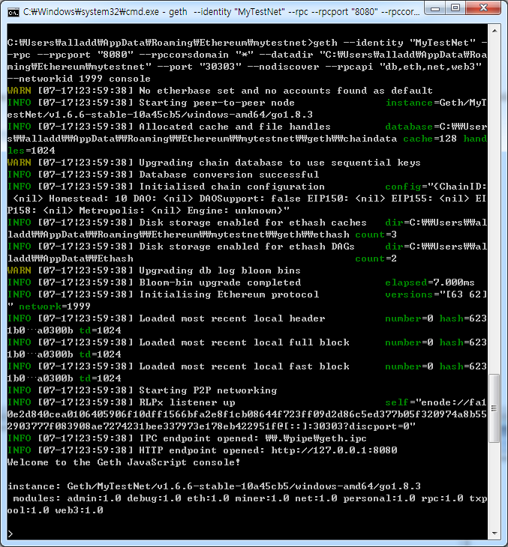
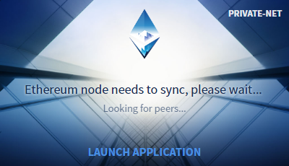
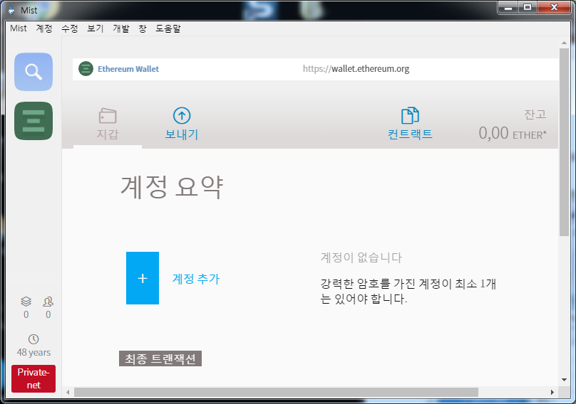
1. Local Chaindata 저장할 위치 생성
 | C:\Users\alladd\AppData\Roaming\Ethereum\mytestnet

2. CustomGenesis.json파일 생성
 | {
 | "config": {
 | "homesteadBlock": 10
 | },
 | "nonce": "0x0000000000000042",
 | "timestamp": "0x0",
 | "parentHash": "0x0000000000000000000000000000000000000000000000000000000000000000",
 | "extraData": "",
 | "gasLimit": "0x8000000",
 | "difficulty": "0x400",
 | "mixhash": "0x0000000000000000000000000000000000000000000000000000000000000000",
 | "coinbase": "0x3333333333333333333333333333333333333333",
 | "alloc": { }
 | }

3. Genesis블록으로 블록체인 초기화
 | geth --identity "MyTestNet" --rpc --rpcport "8080" --rpccorsdomain "*" --datadir "C:\Users\alladd\AppData\Roaming\Ethereum\mytestnet" --port "30303" --nodiscover --rpcapi "db,eth,net,web3" --networkid 1999 init ./CustomGenesis.json
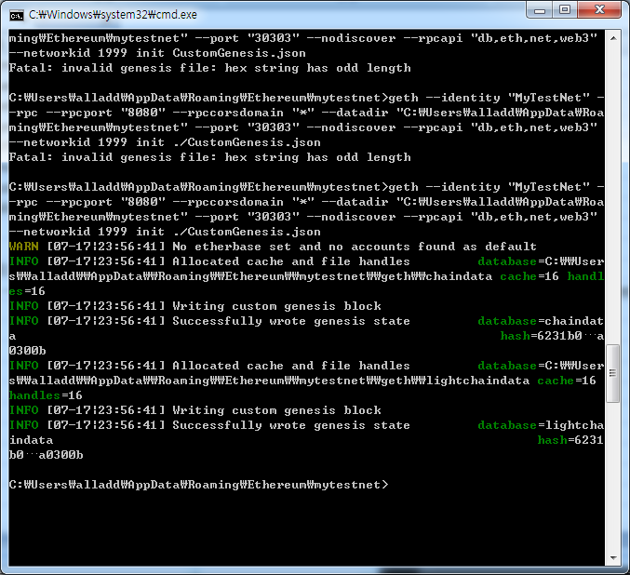

4. geth 시작
 | geth --identity "MyTestNet" --rpc --rpcport "8080" --rpccorsdomain "*" --datadir "C:\Users\alladd\AppData\Roaming\Ethereum\mytestnet" --port "30303" --nodiscover --rpcapi "db,eth,net,web3" --networkid 1999 console

