Edit Deal
PARTITION_KEY | CONTRACT_REFERENCE | REPO_TYPE | CONTRACT_DESC | BOOK_CODE | COUNTERPARTY_CODE | TRADE_DATE | VALUE_DATE | MATURITY_DATE | SECURITY_REFERENCE | SECURITY_NOMINAL | CASH_NOMINAL | CASH_CURRENCY | CASH_INTEREST_RATE | CASH_ACCRUAL_BASIS | CASH_NOMINAL_PLUS_ACCRUALS | SECURITIES_MARKET_VALUE | ATTRIBUTE_1 | ATTRIBUTE_2 | ATTRIBUTE_3 | ATTRIBUTE_4 | ATTRIBUTE_5 | ATTRIBUTE_6 | ATTRIBUTE_7 | ATTRIBUTE_8 | ATTRIBUTE_9 | ATTRIBUTE_10 | ATTRIBUTE_11 | ATTRIBUTE_12 | ATTRIBUTE_13 | ATTRIBUTE_14 | ATTRIBUTE_15 | ATTRIBUTE_16 | ATTRIBUTE_17 | ATTRIBUTE_18 | ATTRIBUTE_19 | ATTRIBUTE_20 | AMOUNT_1 | AMOUNT_2 | DEAL_STATUS | LGD | DELETED | FUNDING_CCY | DISCOUNT_RATE | IMPORT_CF | DEFAULT_ENTITY_CONTAGION | PRODUCT_GL_CRITERIA | ZERO_HAIRCUT_ELIGIBLE | FAMILY | CALC_DAY_CONVENTION | RATE_TYPE | MARKET_SPREAD | CASH_INITIAL_YIELD | CASH_YIELD | CASH_FAIR_VALUE | CASH_AMORTIZED_COST | OWN_ESTIMATED_HAIRCUT | REMARGINING_FREQUENCY | HOLDING_PERIOD | NETTING_AGREEMENT_REF | PERFORMING_STATUS | RISK_COUNTRY | LGTE | MATURITY_EFF | CONTRACT_TYPE | COLLATERAL_CONTRACT_TYPE | AMORTIZED_COST_NO_IAS | EXCLUDE_FROM_NETTING | GL_STRATEGY_CODE | REVALUATION_FREQUENCY | RW_FLOOR_GENERIC_FLAG | BEST_ESTIMATE_EL | SECURITIZATION_REF | WATERFALL_SENIORITY | OPTIONAL_REPO | LGD_RATING | SECURITIES_MARKET_VALUE_CCY | ACCRUED_FEES | SUB_TYPE | CASH_FIXING_RULE | LGD_RATING_AGENCY | PAST_DUE_DAYS | PERFORMING_STATUS_CHANGE_DATE | EL_STD | FLAG_ADJUSTMENT | PAST_DUE_INSTALLMENTS | IMPORTED_PD | OPEN_MATURITY | CLIENT_PROPRIETARY | CENTRAL_BANK | FIDUCIARY_ACCOUNT | AMOUNT_1_CCY | AMOUNT_2_CCY | DIM1 | DIM2 | DIM3 | DIM4 | DIM5 | DIM6 | DIM7 | DIM8 | DIM9 | DIM10 | DIM11 | DIM12 | DIM13 | DIM14 | DIM15 | DIM16 | DIM17 | DIM18 | DIM19 | DIM20 | NDIM1 | NDIM2 | NDIM3 | NDIM4 | NDIM5 | NDIM6 | NDIM7 | NDIM8 | NDIM9 | NDIM10 | NDIM11 | NDIM12 | NDIM13 | NDIM14 | NDIM15 | NDIM16 | NDIM17 | NDIM18 | NDIM19 | NDIM20 | ORIGINATION_COUNTRY | BUSINESS | RATE_DEF_TYPE | TENOR | CURVE_NAME | DISCOUNT_CURVE_NAME | DEAL_TYPE | NOT_CONTINGENT_SOURCE | OUT_CONTROL_TREASURER | QUALIFYING_TRANSACTION | CLEARING_HOUSE_CODE | SII_SUB_TYPE | LGD_EFF | BROKEN_PERIOD_TYPE | INTEREST_PERIODICITY | NEXT_FIXING_DATE | FIXING_PERIODICITY | FIXING_CURRENT_VALUE | RATE_MARKET_CONVENTION_ID | TRANSFERED | LIQ_SUB_TYPE | ENCUMBRANCE_CODE | CCP_EXPOSURE_TYPE | RECOGNIZED_ASSET_REF | RECOURSE | REPAYMENT_RIGHTS | FORBEARANCE_MEASURES | FORBEARANCE_DATE | DEFAULT_DATE | RECOVERIES_SINCE_DEFAULT | TENOR_BASED_FREQUENCY | FIXING_PERIOD_TENOR | INTEREST_PERIOD_TENOR | FEES | NOTICE_PERIOD | GROSS_CARRYING_VALUE | CALENDAR_CODE | PAY_DAY_CONVENTION | PAYMENT_DAY_RULE | PAYMENT_DAY_VALUE | PAY_DAY_CONVENTION_N | PAYMENT_DAY_RULE_N | PAYMENT_DAY_VALUE_N | IRR_POSITION_DATE | NPE_DATE | FIRST_FORBEARANCE | FLAG_TRIGGER_BEFORE | FLAG_TRIGGER_AFTER | IMPORT_SOURCE | STATUS4EYES | FERMAT_ID | STAGING_SOURCE | CHECK_ERROR_NUMBER | CHECK_DATETIME | CHECK_CONSTRAINTS | CHECK_MODE | CHECK_ERROR_STATUS | CHECK_ERROR_STATUS_G | CHECK_ERROR_STATUS_R | CHECK_ERROR_STATUS_M | CHECK_ERROR_STATUS_A | CHECK_ERROR_STATUS_B | CHECK_ERROR_STATUS_K | CHECK_ERROR_STATUS_S | CHECK_ERROR_STATUS_L | CHECK_ERROR_STATUS_O | CHECK_ERROR_STATUS_T | CHECK_ERROR_STATUS_W | CHECK_ERROR_STATUS_Y | CHECK_ERROR_STATUS_D | CHECK_ERROR_STATUS_V | CHECK_ERROR_STATUS_X | CHECK_ERROR_STATUS_Z | CHECK_ERROR_STATUS_F | CHECK_ERROR_STATUS_E
S00000000022 | CSO:REP:38921 | RR | NULL | HK001TRCMB | 001501276416 | 12/23/19 | 12/27/19 | 02/27/20 | 0001.HK | NULL | 2000044217.51 | HKD | 2.075 | 1 | 2004137458.69 | NULL | 11501100 FP01 | FIBK002088 | 968 | HK00101284 | 2M | 0015:HK:X:FIBK002088 | NULL | NULL | OO20200131 | NULL | NULL | NULL | NULL | NULL | NULL | NULL | NULL | NULL | NULL | NULL | NULL | NULL | NULL | NULL | NULL | NULL | NULL | NULL | NULL | NULL | NULL | CSO01 | 4 | NULL | 0 | 2.075 | NULL | NULL | NULL | NULL | NULL | NULL | NULL | NULL | NULL | NULL | NULL | RP-LNC01 | NULL | NULL | NULL | NULL | NULL | F | NULL | NULL | NULL | F | NULL | NULL | NULL | REVERSE_REPO | NULL | NULL | NULL | NULL | NULL | NULL | NULL | NULL | NULL | NULL | NULL | NULL | NULL | NULL | AC | HO | NULL | N | | | 10 | CSO:REP:38921 | IB_REPO | RREPO | NULL | NULL | 001501276416 | EXTERNAL_RATED | 3|INT_3 | A3|INT_3 | NULL | NULL | NULL | NULL | STAGE_1 | NULL | NULL | NULL | NULL | NULL | NULL | 2000044217.51 | NULL | NULL | NULL | NULL | NULL | NULL | NULL | 4093241.18 | NULL | NULL | 1032 | NULL | 1 | NULL | NULL | FIXED | NULL | NULL | HKD_DISCOUNTING | NULL | NULL | NULL | T | NULL | NULL | NULL | NULL | N | NULL | NULL | NULL | NULL | NULL | RR | NULL | NULL | NULL | NULL | NULL | NULL | NULL | NULL | NULL | NULL | NULL | NULL | NULL | NULL | NULL | NULL | NULL | NULL | NULL | NULL | NULL | NULL | NULL | NULL | NULL | O | NULL | CSO01 | NULL | NULL | HO_CSO | 8505 | 04/14/20 15:33:30 | A | Y | 0 | 2 | 2 | 2 | 2 | 2 | 2 | 2 | 2 | 0 | 2 | 2 | 0 | 2 | 0 | 0 | 0 | 2 | 2
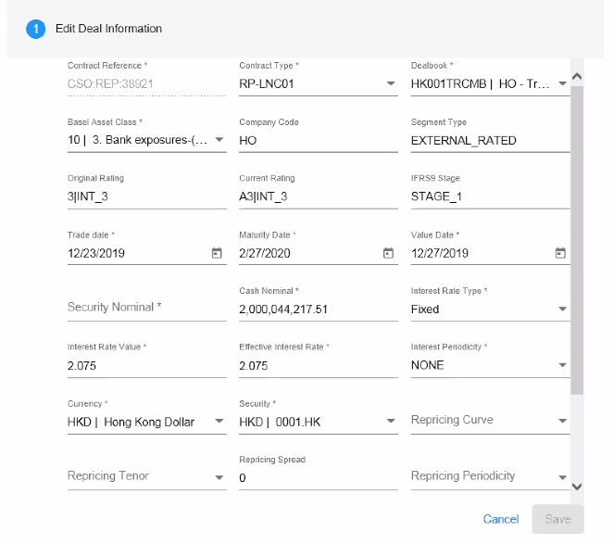

FIXING_CURRENT_VALUE

