FSD
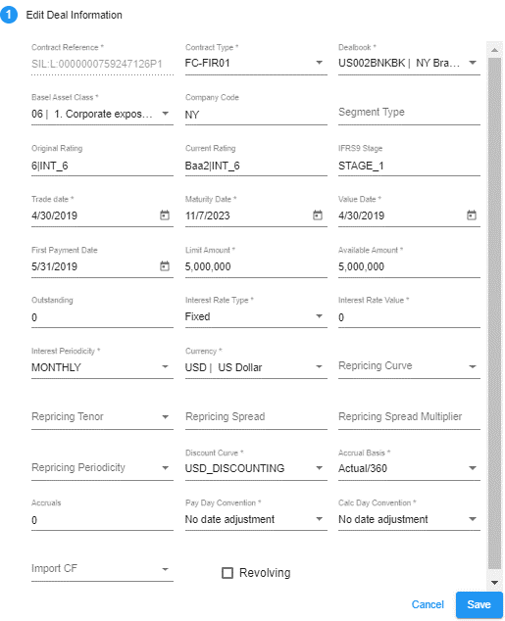
RFO Field | Display Name | Comments | Display in Deal Page | Display in Edit Deal
COUNTERPARTY_CODE | <not shown>
CONTRACT_REFERENCE | Contract Reference |  | Y | Y
CONTRACT_TYPE | Contract Type |  | Y | Y
BOOK_CODE | Dealbook |  |  | Y
DIM2 | Company Code |  |  | Y
DIM6 | Basel Assel Class |  | Y (New to FSD) | Y (New to FSD)
DIM13 | Segment Type |  |  | Y
DIM14 | Current Rating |  | Y | Y
DIM15 | Final Rating |  | Y | Y
DIM20 | IFRS9 Stage |  | Y | Y
TRADE_DATE | Trade Date |  | Y | Y
VALUE_DATE | Value Date |  |  | Y
MATURITY_DATE | Maturity Date |  | Y | Y
FIRST_PAYMENT_DATE | First Payment Date |  |  | Y
AMOUNT | Limit Amount |  | Y | Y
AVAILABLE_AMOUNT | Available Amount |  |  | Y
USED_AMOUNT | Outstanding |  | Y | Y
REVOLVING | Revolving |  |  | Y
RATE_TYPE | Interest Rate Type |  |  | Y
INTEREST_RATE | Interest Rate Value |  |  | Y
FREQUENCY | Interest Periodicity |  |  | Y
CURRENCY | Currency |  | Y | Y
CURVE_NAME | Repricing Curve Name | Mapped to a curve in RFO based on lookup. Show list of curves matching the deal currency. |  | Y
Curve | Repricing curve | Show list of curves matching the deal currency. Curves will be available as per the current IFRS9 setup.
TENOR | Repricing Tenor |  |  | Y
MKT_SPREAD | Repricing Spread |  |  | Y
MULT_SPREAD | Repricing Spread Multiplier |  |  | Y
RESET_FREQUENCY | Repricing Periodicity |  |  | Y
FIXING_RULE | <not shown>
FIRST_FXING_DATE | first fixing date
DISCOUNT_CURVE_NAME | <not shown> | Send to RCO based on lookup. Show list of curves matching the deal currency. |  | Y
ACCRUAL_BASIS | Accrual Basis | (follow basis currency) |  | Y
ACCRUALS | Accruals |  |  | Y
IMPORT_CF | Import Cashflows |  |  | Y

Deal Page
Simulation Id | 4060
Borrower | 3300059944
Contract Ref | SIL:L:0000000759247126P1

Deals Page

Displaying Value | V_PRICING_DEALS(Existing deals are from PRICING_DEALS) | FACILITY(Logic in PACK_PRICING.BATCH_INSERT_PRICING_DEALS) | FACILITY(Value) | Checking
Simulated | PRICING_DEALS.FLAG_SIMULATED | CASE WHEN FACILITY.IMPORT_SOURCE = 'PRICING_SIMULATION' THEN 'T' ELSE 'F' END AS FLAG_SIMULATED | F | UI not showing 'F' or 'T'; P.S: when 'F' UI showing nothing, else then showing UI icon.
Contract Reference | PRICING_DEALS.CONTRACT_REFERENCE | FACILITY.CONTRACT_REFERENCE | SIL:L:0000000759247126P1 | OK
Contract Type | PRICING_DEALS.CONTRACT_TYPE PRICING_DEALS.CONTRACT_TYPE_CODE | FACILITY.CONTRACT_TYPE | FC-FIR01 | OK
Trade Date | PRICING_DEALS.TRADE_DATE | FACILITY.TRADE_DATE | 2019-04-30 | OK
Maturity Date | PRICING_DEALS.MATURITY_DATE | FACILITY.MATURITY_DATE | 2023-11-07 | OK
Currency | PRICING_DEALS.CURRENCY | FACILITY.CURRENCY | USD | OK
Nominal | Limit | PRICING_DEALS.PRINCIPAL_AMOUNT | FACILITY.NOMINAL | 5000000.00 | OK
Outstand | Used Amount | PRICING_DEALS.OUTSTANDING | FACILITY.OUTSTANDING | 0.00 | OK
Original Rating | PRICING_DEALS.ORIGINAL_RATING | FACILITY.DIM14 | 6|INT_6 | OK
Current Rating | PRICING_DEALS.CURRENT_RATING | FACILITY.DIM15 | Baa2|INT_6 | OK
Simulated Rating | NVL (PRICING_SIMULATION.SIMULATED_RATING, PRICING_DEALS.SIMULATED_RATING) | NULL | Baa2|INT_6 | OK
Existing Stage | PRICING_DEALS.EXISTING_STAGE | FACILITY.DIM20 | STAGE_1 | OK
Simulated Stage | NVL (PRICING_SIMULATION.SIMULATED_STAGE, PRICING_DEALS.SIMULATED_STAGE) | NULL | STAGE_1 | OK
Remark | PRICING_DEALS.REMARK | FACILITY.ATTRIBUTE_20 | NULL | OK
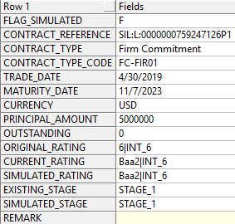
 |  | DB Result :

