FSD
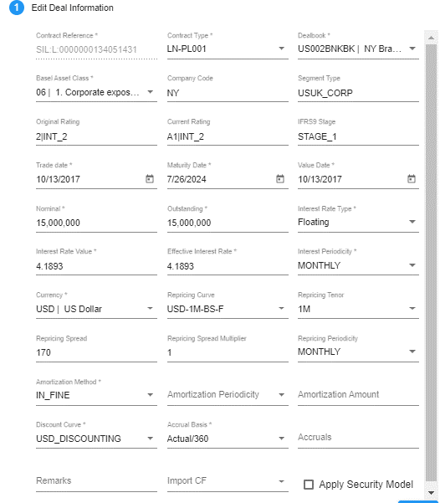
RFO Field | Display Name | Comments | Display in Deal Page | Display in Edit Deal
COUNTERPARTY_CODE | <not shown>
CONTRACT_REFERENCE | Contract Reference |  | Y | Y
CONTRACT_TYPE | Contract Type |  | Y | Y
BOOK_CODE | Dealbook | Will check the use in testing |  | Y
Do we need a rating for specialized projects?
DIM2 | Company Code |  |  | Y
DIM6 | Basel Assel Class |  | Y (New to FSD) | Y (New to FSD)
DIM13 | Segment Type |  |  | Y
DIM14 | Current Rating |  | Y | Y
DIM15 | Final Rating |  | Y | Y
DIM20 | IFRS9 Stage |  | Y | Y
ATTRIBUTE_20 | Remarks |  | Y (New to FSD) | Y (New to FSD)
TRADE_DATE | Trade Date |  | Y | Y
VALUE_DATE | Value Date |  |  | Y
MATURITY_DATE | Maturity Date |  | Y | Y
NOMINAL | Nominal |  | Y | Y
OUTSTANDING | Outstanding |  | Y | Y
RATE_TYPE | Interest Rate Type |  |  | Y
RATE_VALUE | Interest Rate Value |  |  | Y
PERIODICITY | Interest Periodicity |  |  | Y
CURRENCY | Currency |  | Y | Y
CURVE_NAME | Repricing Curve | Show list of curves matching the deal currency. |  | Y
TENOR | Repricing Tenor |  |  | Y
CURVE | Curve | curve to select according to currency. curves will be available as per existing IFRS9 setup.
MKT_SPREAD | Repricing Spread |  |  | Y
MULT_SPREAD | Repricing Spread Multiplier |  |  | Y
FIXING_PERIODICITY | Repricing Periodicity |  |  | Y
AMORTIZING_TYPE | Amortization Method |  |  | Y
AMORTIZING_PERIODICITY | Amortization Periodicity |  |  | Y
AMORTIZING_AMOUNT | Amortization Amount |  |  | Y
DISCOUNT_CURVE_NAME | <not shown> | Show list of curves matching the deal currency.
ACCRUAL_BASIS | Accrual Basis |  |  | Y
ACCRUALS | Interest Accruals |  |  | Y
IMPORT_CF | Import Cashflows |  |  | Y

Deal Page
Simulation Id | 4052
Borrower | 3300056480
Contract Ref | SIL:L:0000000134051431

Deals Page

Displaying Value | V_PRICING_DEALS(Existing deals are from PRICING_DEALS) | LOANDEPO(Logic in PACK_PRICING.BATCH_INSERT_PRICING_DEALS) | LOANDEPO(Value) | Checking
Simulated | PRICING_DEALS.FLAG_SIMULATED | CASE WHEN LOANDEPO.IMPORT_SOURCE = 'PRICING_SIMULATION' THEN 'T' ELSE 'F' END AS FLAG_SIMULATED | F | UI not showing 'F' or 'T'; P.S: when 'F' UI showing nothing, else then showing UI icon.
Contract Reference | PRICING_DEALS.CONTRACT_REFERENCE | LOANDEPO.CONTRACT_REFERENCE | SIL:L:0000000134051431 | OK
Contract Type | PRICING_DEALS.CONTRACT_TYPE PRICING_DEALS.CONTRACT_TYPE_CODE | LOANDEPO.CONTRACT_TYPE | RP-LNC01 | OK
Trade Date | PRICING_DEALS.TRADE_DATE | LOANDEPO.TRADE_DATE | 10/13/2017 | OK
Maturity Date | PRICING_DEALS.MATURITY_DATE | LOANDEPO.MATURITY_DATE | 7/26/2024 | OK
Currency | PRICING_DEALS.CURRENCY | LOANDEPO.CURRENCY | USD | OK
Nominal | Limit | PRICING_DEALS.PRINCIPAL_AMOUNT | LOANDEPO.NOMINAL | 15000000.00 | OK
Outstand | Used Amount | PRICING_DEALS.OUTSTANDING | LOANDEPO.OUTSTANDING | 15000000.00 | OK
Original Rating | PRICING_DEALS.ORIGINAL_RATING | LOANDEPO.DIM14 | 2|INT_2 | OK
Current Rating | PRICING_DEALS.CURRENT_RATING | LOANDEPO.DIM15 | A1|INT_2 | OK
Simulated Rating | NVL (PRICING_SIMULATION.SIMULATED_RATING, PRICING_DEALS.SIMULATED_RATING) | NULL | A1|INT_2 | OK
Existing Stage | PRICING_DEALS.EXISTING_STAGE | LOANDEPO.DIM20 | STAGE_1 | OK
Simulated Stage | NVL (PRICING_SIMULATION.SIMULATED_STAGE, PRICING_DEALS.SIMULATED_STAGE) | NULL | STAGE_1 | OK
Remark | PRICING_DEALS.REMARK | LOANDEPO.ATTRIBUTE_20 | NULL | OK
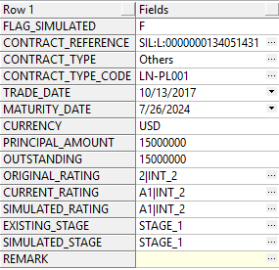
 |  | DB Result :

