dash_board
 | Sum of math score | Sum of writing score | Sum of reading score
group A | 5485 | 5578 | 5756
group B | 12056 | 12464 | 12797
group C | 20564 | 21637 | 22044
 | Sum of math score | Sum of reading score | Sum of writing score
associate's degree | 8769 | 9340 | 9169
bachelor's degree | 4918 | 5303 | 5289
high school | 7856 | 8301 | 7975
master's degree | 1850 | 2015 | 1987
some college | 7982 | 8407 | 8297
some high school | 6730 | 7231 | 6962

 | Average of math score | Average of reading score | Average of writing score
group A | 61.629213483 | 64.674157303 | 62.674157303
group B | 63.452631579 | 67.352631579 | 65.6
group C | 64.463949843 | 69.103448276 | 67.827586207
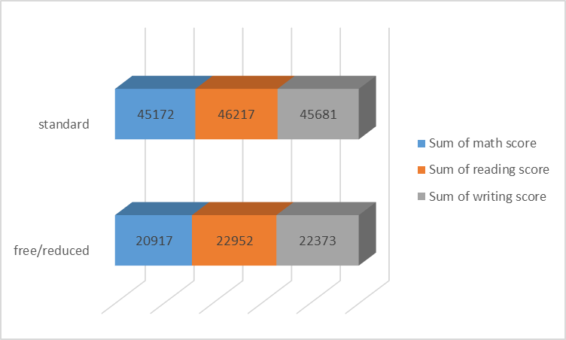
 | Sum of math score | Sum of reading score | Sum of writing score
completed | 24951 | 26454 | 26642
none | 41138 | 42715 | 41412

