메뉴얼(new)
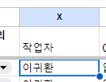
새 메뉴얼

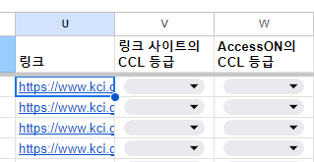
 | 1. 링크 복사 또는 마우스 오버 |  | 1-1. 링크 클릭
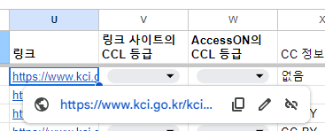

 | 2. 링크 페이지 확인

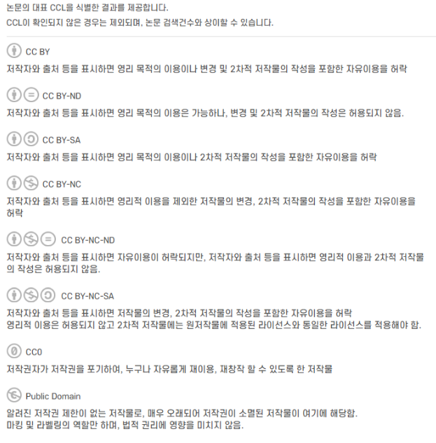

 | 3. 정보 입력
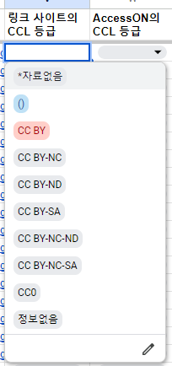

 | 정보 없음 : 확인 불가 할 경우
 | *자료없음 : 해당 논문이 사이트에 없을 때

 | 4. https://accesson.kisti.re.kr/main/main.do
 | 에 접속 하여 DOI를 복사하여 검색하여 정보 확인
 | * 만약 DOI 정보가 없을 경우 제목으로 한번 더 검색 하여 결과 확인

 | 4-1. 해당 논문의 상세페이지 에서 CC 라이선스 확인
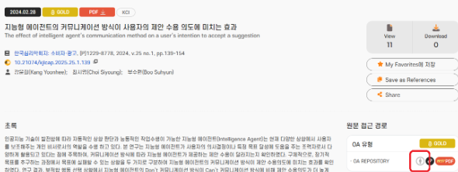
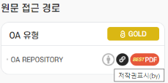

 | *마우스 오버시 표시되는 정보 입력
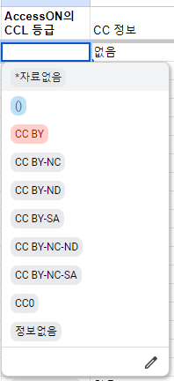
 |  | 정보 없음 : 확인 불가 할 경우
 |  | *자료없음 : 해당 논문이 사이트에 없을 때

 | 5. 작업자 이름 입력

가이드
