Instructions
Getting Started

Prerequisites
Step 1: | Download & install UiPath Studio on your PC if you have not done so already from https://www.uipath.com/
Step 2: | Ensure that you have downloaded the source files of the bot onto your PC.
Step 3: | Ensure that you have google chrome installed on your PC.
Step 4 | Ensure that you have downloaded the "UiPath Web Automation" chrome extension from https://chrome.google.com/webstore/detail/uipath-web-automation/dkgencfabioofgdmhhjljpkbbchbikbh

Configurations
Step 1: | Navigate to the "Courses" tab at the bottom of this spreadsheet.

Step 2: | Enter all the course codes and their respective course ID's that you want the bot to process. Note: Ensure that the "status" column is empty and that there are no empty lines in between entries.

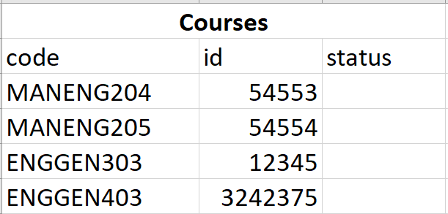

Step 3: | Navigate to the "Config" tab at the bottom of this spreadsheet.

Step 4: | Enter the filepath that you want the output file to be in "output_file_path". Note: Ensure that this filepath is empty (with the exception of a file named "EngagementAnalyticLite.xlsm") and make your default chrome downloads folder to this same filepath.
Step 5: | Choose whether or not you would like intermediary files to be automatically deleted after execution in "delete_files_after_execution". Enter either "yes" or "no" (lowercase only).

Step 6: | Save your changes

Run
Step 1: | Login to Canvas Dashboard
Step 2: | Launch UiPath Studio.
Step 3: | Click "Open a local project".

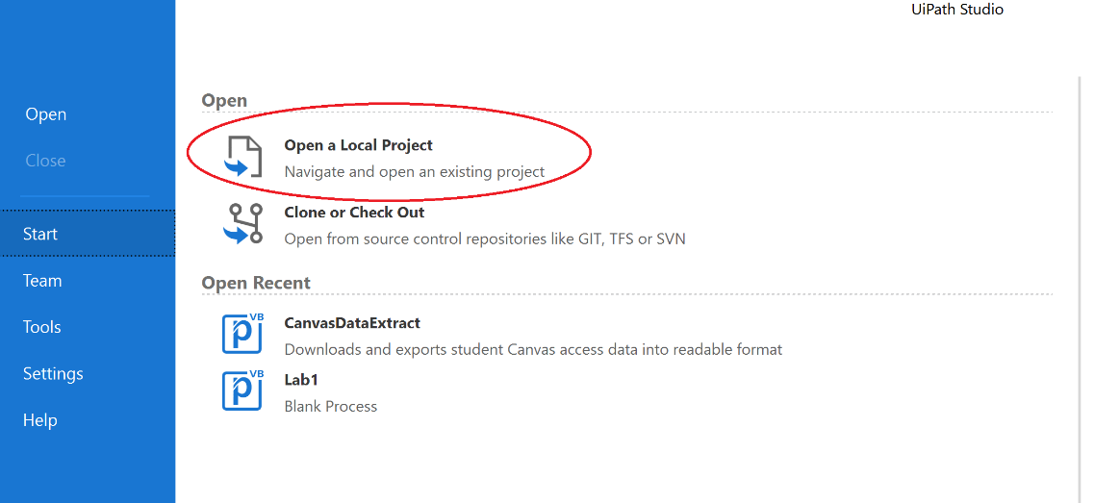

Step 4: | Navigate to the bot's source file and select the "project.json" file.
Step 5: | Click "Open".

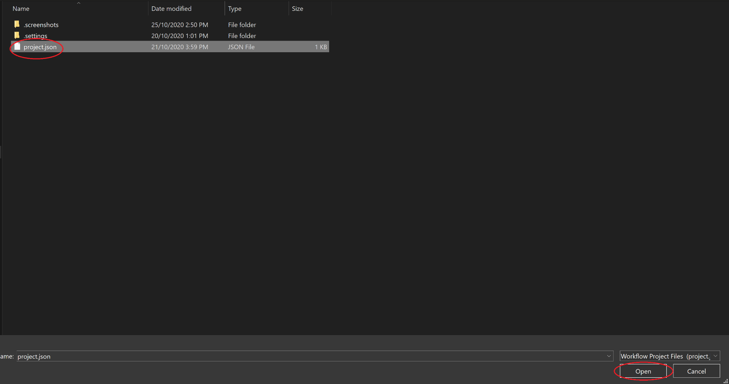

Step 6: | Click the dropdown arrow under the "Debug" button.
Step 7: | Click "Run".

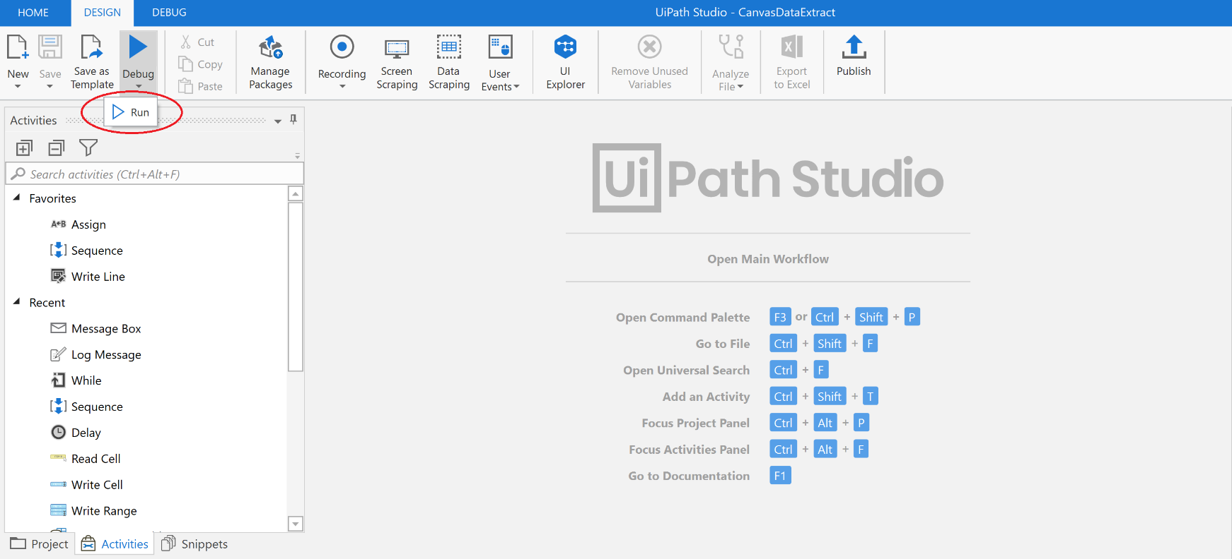

Step 8: | If there are errors, they will be reflected in the "status" column in the "Courses" tab (see image above).
Step 9: | To retry the failed courses after fixing the errors, enter "yes" in the popup dialogue box then click "OK". Otherwise, enter "no" then click OK. Note: After editing the configuration spreadsheet when fixing errors, ensure you close the excel application before clicking "OK" in the dialogue box.

