Piv
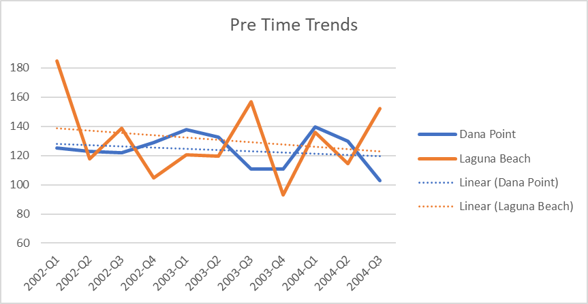
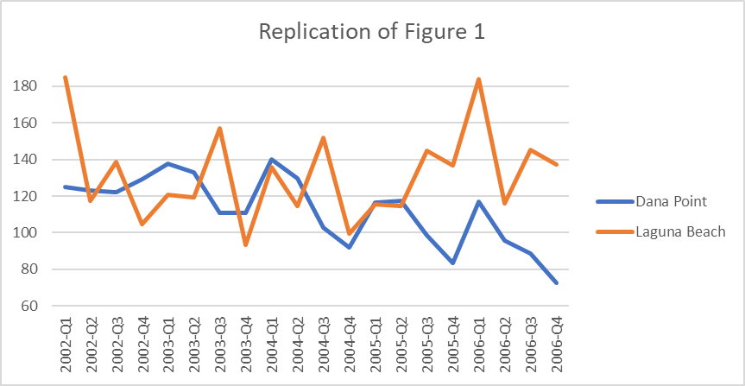
 | Column Labels
 | 0 |  |  |  |  |  |  |  |  | 1
Row Labels | Average of rape_percap | Average of larceny_percap | Average of autotheft_percap | Average of burglary_res_percap | Average of burglary_nonres_percap | Average of robbery_res_percap | Average of robbery_nonres_percap | Average of officers_percap | Average of Total Crime | Average of rape_percap | Average of larceny_percap | Average of autotheft_percap | Average of burglary_res_percap | Average of burglary_nonres_percap | Average of robbery_res_percap | Average of robbery_nonres_percap | Average of officers_percap | Average of Total Crime
0 | 0.009481971875 | 0.68773820938 | 0.1560457375 | 0.1680672 | 0.108688725 | 0.00171708125 | 0.0275649375 | 0.73778925 | 1.1593038625 | 0.0088687321429 | 0.54434741071 | 0.096659478571 | 0.14887945714 | 0.073958310714 | 0.0029577642857 | 0.020710939286 | 0.71794675714 | 0.89638209286
1 | 0.0102097875 | 1.0781124625 | 0.1481858875 | 0.31388478438 | 0.19542249688 | 0.00127953125 | 0.01531975625 | 1.98584875 | 1.7624147063 | 0.021971025 | 1.091493625 | 0.1625903 | 0.23878476071 | 0.24606943929 | 0.0029301071429 | 0.0219738 | 1.974532 | 1.7858130571

Sum of Total Crime | Column Labels
Row Labels | 0 | 1 | Grand Total |  |  |  | Quarter | Dana Point | Laguna Beach
2002-Q1 | 3.4616332 | 7.4799779 | 10.9416111 |  | 36.110122817 | 24.732693395 | 2002-Q1 | 125 | 185
2002-Q2 | 3.4066871 | 4.7562913 | 8.1629784 |  | 36.110122817 | 24.732693395 | 2002-Q2 | 123 | 118
2002-Q3 | 3.379214 | 5.6099849 | 8.9891989 |  | 36.110122817 | 24.732693395 | 2002-Q3 | 122 | 139
2002-Q4 | 3.5715267 | 4.2278145 | 7.7993412 |  | 36.110122817 | 24.732693395 | 2002-Q4 | 129 | 105
2003-Q1 | 3.8142621 | 4.872456 | 8.6867181 |  | 36.110122817 | 24.732693395 | 2003-Q1 | 138 | 121
2003-Q2 | 3.6760642 | 4.8315109 | 8.5075751 |  | 36.110122817 | 24.732693395 | 2003-Q2 | 133 | 119
2003-Q3 | 3.0679933 | 6.3464757 | 9.414469 |  | 36.110122817 | 24.732693395 | 2003-Q3 | 111 | 157
2003-Q4 | 3.0679934 | 3.7669409 | 6.8349343 |  | 36.110122817 | 24.732693395 | 2003-Q4 | 111 | 93
2004-Q1 | 3.8720026 | 5.4909033 | 9.3629059 |  | 36.110122817 | 24.732693395 | 2004-Q1 | 140 | 136
2004-Q2 | 3.5954311 | 4.6303882 | 8.2258193 |  | 36.110122817 | 24.732693395 | 2004-Q2 | 130 | 115
2004-Q3 | 2.8486878 | 6.1465331 | 8.9952209 |  | 36.110122817 | 24.732693395 | 2004-Q3 | 103 | 152
2004-Q4 | 2.5444591 | 4.0157353 | 6.5601944 |  | 36.110122817 | 24.732693395 | 2004-Q4 | 92 | 99
2005-Q1 | 3.2268739 | 4.6700263 | 7.8969002 |  | 36.110122817 | 24.732693395 | 2005-Q1 | 117 | 116
2005-Q2 | 3.254454 | 4.6290605 | 7.8835145 |  | 36.110122817 | 24.732693395 | 2005-Q2 | 118 | 114
2005-Q3 | 2.7304318 | 5.8580158 | 8.5884476 |  | 36.110122817 | 24.732693395 | 2005-Q3 | 99 | 145
2005-Q4 | 2.31673 | 5.5302938 | 7.8470238 |  | 36.110122817 | 24.732693395 | 2005-Q4 | 84 | 137
2006-Q1 | 3.2329372 | 7.435097 | 10.6680342 |  | 36.110122817 | 24.732693395 | 2006-Q1 | 117 | 184
2006-Q2 | 2.6526665 | 4.6828785 | 7.335545 |  | 36.110122817 | 24.732693395 | 2006-Q2 | 96 | 116
2006-Q3 | 2.4592426 | 5.8741372 | 8.3333798 |  | 36.110122817 | 24.732693395 | 2006-Q3 | 89 | 145
2006-Q4 | 2.0171316 | 5.5455151 | 7.5626467 |  | 36.110122817 | 24.732693395 | 2006-Q4 | 73 | 137
Grand Total | 62.1964222 | 106.4000362 | 168.5964584

Actual Data |  |  |  |  |  |  |  | Actual data scaled to match first point; proxy for population of town

Replication of Figure 1

Report Out
Problem 2

Figure 1
 | Dana Point | Laguna Beach
2002-Q1 | 125 | 185
2002-Q2 | 123 | 118
2002-Q3 | 122 | 139
2002-Q4 | 129 | 105
2003-Q1 | 138 | 121
2003-Q2 | 133 | 119
2003-Q3 | 111 | 157
2003-Q4 | 111 | 93
2004-Q1 | 140 | 136
2004-Q2 | 130 | 115
2004-Q3 | 103 | 152
2004-Q4 | 92 | 99
2005-Q1 | 117 | 116
2005-Q2 | 118 | 114
2005-Q3 | 99 | 145
2005-Q4 | 84 | 137
2006-Q1 | 117 | 184
2006-Q2 | 96 | 116
2006-Q3 | 89 | 145
2006-Q4 | 73 | 137

Problem 3
 |  | Laguna |  | Dana Point |  | Diff in Diff
 |  | Pre | Post | Pre | Post | Pre-Post | Post-Post

 | Variable
 | burglary_res_percap | 0.314 | 0.239 | 0.168 | 0.149 | -0.075 | 0.090
 | burglary_nonres_percap | 0.195 | 0.246 | 0.109 | 0.074 | 0.051 | 0.172
 | robbery_res_percap | 0.001 | 0.003 | 0.002 | 0.003 | 0.002 | 0.000
 | robbery_nonres_percap | 0.015 | 0.022 | 0.028 | 0.021 | 0.007 | 0.001
 | rape_percap | 0.010 | 0.022 | 0.009 | 0.009 | 0.012 | 0.013
 | autotheft_percap | 0.148 | 0.163 | 0.156 | 0.10 | 0.014 | 0.066
 | larceny_percap | 1.078 | 1.09 | 0.69 | 0.54 | 0.013 | 0.547
 | officers_percap | 1.986 | 1.97 | 0.74 | 0.72 | -0.011 | 1.257

 | Total crime | 1.762 | 1.786 | 1.159 | 0.896 | 0.023 | 0.889

Problem 4

