Comparison
Formula-Driven Model Comparison

Counts and net metrics calculate from Data Trades; median and MaxDD are audited source outputs.

Model | Scope | N | Retention | Wins | Losses | Win % | Net AvgR | Net MedianR | Net TotalR | Net PF | MaxDD R | Model | Net AvgR
Current BOS 5/5 (same-bar allowed) | All | 705 | 100.00% | 284 | 421 | 40.28% | -0.0696 | -0.6616 | -49.0491 | 0.8718 | 60.2967 | Current | -0.069573143339
Current BOS 5/5 (same-bar allowed) | Long | 362 | 51.35% | 153 | 209 | 42.27% | -0.0792 | -0.5385 | -28.6657 | 0.8481 | 36.5857 | 2/2 | 0.014783322355
Current BOS 5/5 (same-bar allowed) | Short | 343 | 48.65% | 131 | 212 | 38.19% | -0.0594 | -1.0065 | -20.3833 | 0.8948 | 30.8245 | 3/3 | -0.034301390443
Structural BOS 2/2 (later only) | All | 255 | 36.17% | 110 | 145 | 43.14% | 0.0148 | -0.3586 | 3.7697 | 1.0291 | 23.9798 | 5/5 | -0.12583108752
Structural BOS 2/2 (later only) | Long | 142 | 20.14% | 67 | 75 | 47.18% | 0.0264 | -0.1779 | 3.7503 | 1.0579 | 12.0093
Only 2/2 is marginally positive after costs
Structural BOS 2/2 (later only) | Short | 113 | 16.03% | 43 | 70 | 38.05% | 0.0002 | -1.0085 | 0.0195 | 1.0003 | 18.1481
Structural BOS 3/3 (later only) | All | 165 | 23.40% | 71 | 94 | 43.03% | -0.0343 | -1.0071 | -5.6597 | 0.9379 | 17.3712
Structural BOS 3/3 (later only) | Long | 87 | 12.34% | 41 | 46 | 47.13% | 0.0003 | -0.1197 | 0.0283 | 1.0007 | 8.5940
Structural BOS 3/3 (later only) | Short | 78 | 11.06% | 30 | 48 | 38.46% | -0.0729 | -1.0166 | -5.6880 | 0.8852 | 18.8696
Structural BOS 5/5 (later only) | All | 75 | 10.64% | 29 | 46 | 38.67% | -0.1258 | -1.0165 | -9.4373 | 0.7984 | 12.0822
Structural BOS 5/5 (later only) | Long | 36 | 5.11% | 15 | 21 | 41.67% | -0.0752 | -1.0162 | -2.7055 | 0.8693 | 7.6312
Structural BOS 5/5 (later only) | Short | 39 | 5.53% | 14 | 25 | 35.90% | -0.1726 | -1.0199 | -6.7318 | 0.7421 | 10.3378

Time Stability
model | period_type | period | N | net_win_rate_pct | net_AvgR | net_TotalR | net_PF | net_MaxDD_R | Year / Model | Net AvgR
Current BOS 5/5 (same-bar allowed) | Year | 2024 | 296 | 38.1757 | -0.1056 | -31.2574 | 0.8144 | 42.1723 | 2024 Current | -0.10559931722
Current BOS 5/5 (same-bar allowed) | Year | 2025 | 266 | 40.9774 | -0.0533 | -14.1825 | 0.8980 | 25.0772 | 2025 Current | -0.053317650954
Current BOS 5/5 (same-bar allowed) | Year | 2026 | 143 | 43.3566 | -0.0252 | -3.6092 | 0.9519 | 16.2496 | 2026 Current | -0.025238972042
Current BOS 5/5 (same-bar allowed) | Chronological half | First 50% | 352 | 39.4886 | -0.0741 | -26.0698 | 0.8666 | 42.1723 | 2024 2/2 | -0.096383097361
Current BOS 5/5 (same-bar allowed) | Chronological half | Second 50% | 353 | 41.0765 | -0.0651 | -22.9793 | 0.8772 | 26.2388 | 2025 2/2 | 0.14805956414
Structural BOS 2/2 (later only) | Year | 2024 | 107 | 39.2523 | -0.0964 | -10.3130 | 0.8340 | 23.9798 | 2026 2/2 | -0.011737923103
Structural BOS 2/2 (later only) | Year | 2025 | 99 | 48.4848 | 0.1481 | 14.6579 | 1.3505 | 6.8689 | 2024 3/3 | -0.10454322388
Structural BOS 2/2 (later only) | Year | 2026 | 49 | 40.8163 | -0.0117 | -0.5752 | 0.9775 | 4.6102 | 2025 3/3 | 0.038478863584
Structural BOS 2/2 (later only) | Chronological half | First 50% | 127 | 40.9449 | -0.0598 | -7.6000 | 0.8932 | 23.9798 | 2026 3/3 | -0.03071022633
Structural BOS 2/2 (later only) | Chronological half | Second 50% | 128 | 45.3125 | 0.0888 | 11.3697 | 1.1950 | 8.1729 | 2024 5/5 | -0.32558145733
Structural BOS 3/3 (later only) | Year | 2024 | 68 | 39.7059 | -0.1045 | -7.1089 | 0.8275 | 17.3712 | 2025 5/5 | 0.096783006876
Structural BOS 3/3 (later only) | Year | 2025 | 64 | 46.8750 | 0.0385 | 2.4626 | 1.0781 | 8.1192 | 2026 5/5 | -0.18118496923
Structural BOS 3/3 (later only) | Year | 2026 | 33 | 42.4242 | -0.0307 | -1.0134 | 0.9448 | 8.6749
Net AvgR changes sign across years
Structural BOS 3/3 (later only) | Chronological half | First 50% | 82 | 42.6829 | -0.0514 | -4.2158 | 0.9100 | 17.3712
Structural BOS 3/3 (later only) | Chronological half | Second 50% | 83 | 43.3735 | -0.0174 | -1.4440 | 0.9674 | 9.6357
Structural BOS 5/5 (later only) | Year | 2024 | 29 | 27.5862 | -0.3256 | -9.4419 | 0.5491 | 12.0822
Structural BOS 5/5 (later only) | Year | 2025 | 30 | 50.0000 | 0.0968 | 2.9035 | 1.1840 | 3.8757
Structural BOS 5/5 (later only) | Year | 2026 | 16 | 37.5000 | -0.1812 | -2.8990 | 0.7127 | 5.6340
Structural BOS 5/5 (later only) | Chronological half | First 50% | 37 | 37.8378 | -0.0778 | -2.8769 | 0.8752 | 12.0822
Structural BOS 5/5 (later only) | Chronological half | Second 50% | 38 | 39.4737 | -0.1726 | -6.5604 | 0.7238 | 6.8641

Event Order
Event-gap counts and same-bar collapses
sequence_gap | bars | N | pct_trades
Setup→BOS | 0 | 664 | 94.18
Setup→BOS | 1 | 5 | 0.71
Setup→BOS | 2 | 7 | 0.99
Setup→BOS | 3 | 3 | 0.43
Setup→BOS | 4 | 4 | 0.57
Setup→BOS | 5 | 5 | 0.71
Setup→BOS | 6 | 1 | 0.14
Setup→BOS | 7 | 7 | 0.99
Setup→BOS | 8 | 5 | 0.71
Setup→BOS | 9 | 4 | 0.57
BOS→Retest | 1 | 543 | 77.02
BOS→Retest | 2 | 57 | 8.09
BOS→Retest | 3 | 22 | 3.12
BOS→Retest | 4 | 21 | 2.98
BOS→Retest | 5 | 17 | 2.41
BOS→Retest | 6 | 13 | 1.84
BOS→Retest | 7 | 11 | 1.56
BOS→Retest | 8 | 10 | 1.42
BOS→Retest | 9 | 11 | 1.56
Retest→Confirm | 1 | 528 | 74.89
Retest→Confirm | 2 | 137 | 19.43
Retest→Confirm | 3 | 30 | 4.26
Retest→Confirm | 4 | 6 | 0.85
Retest→Confirm | 5 | 2 | 0.28
Retest→Confirm | 6 | 2 | 0.28
Confirm→Entry | 0 | 705 | 100.00
Setup == BOS | 0 | 664 | 94.18
BOS == Retest | 0 | 0 | 0.00
Retest == Confirm | 0 | 0 | 0.00
Confirm == Entry | 0 | 705 | 100.00
Setup == BOS == Retest | 0 | 0 | 0.00
BOS == Retest == Confirm | 0 | 0 | 0.00

Setup Redundancy
setup_id | setup_timestamp | direction | score | status | bos_timestamp | setup_to_bos_bars | opposite_bos_timestamp | Status | N
S00001 | 2024-01-01 19:40:00-06:00 | Short | 75 | Immediate same-bar | 2024-01-01 19:40:00-06:00 | 0 |  | Immediate same-bar | 2277
S00002 | 2024-01-01 20:45:00-06:00 | Short | 75 | Immediate same-bar | 2024-01-01 20:45:00-06:00 | 0 |  | Later under frozen order | 120
S00003 | 2024-01-02 13:50:00-06:00 | Short | 75 | Immediate same-bar | 2024-01-02 13:50:00-06:00 | 0 |  | Never/opposite first | 958
S00004 | 2024-01-02 14:55:00-06:00 | Long | 100 | Immediate same-bar | 2024-01-02 14:55:00-06:00 | 0 |  | Total canonical setups | 3355
S00005 | 2024-01-02 18:40:00-06:00 | Short | 90 | Immediate same-bar | 2024-01-02 18:40:00-06:00 | 0
Immediate BOS occurs for 67.87% of all valid setups
S00006 | 2024-01-03 02:40:00-06:00 | Short | 90 | Immediate same-bar | 2024-01-03 02:40:00-06:00 | 0
S00007 | 2024-01-03 09:10:00-06:00 | Short | 90 | Immediate same-bar | 2024-01-03 09:10:00-06:00 | 0
S00008 | 2024-01-03 13:40:00-06:00 | Long | 85 | Immediate same-bar | 2024-01-03 13:40:00-06:00 | 0
S00009 | 2024-01-03 14:50:00-06:00 | Short | 100 | Immediate same-bar | 2024-01-03 14:50:00-06:00 | 0
S00010 | 2024-01-03 20:15:00-06:00 | Short | 90 | Immediate same-bar | 2024-01-03 20:15:00-06:00 | 0
S00011 | 2024-01-04 09:05:00-06:00 | Long | 75 | Immediate same-bar | 2024-01-04 09:05:00-06:00 | 0
S00012 | 2024-01-04 09:45:00-06:00 | Long | 85 | Immediate same-bar | 2024-01-04 09:45:00-06:00 | 0
S00013 | 2024-01-04 14:50:00-06:00 | Short | 75 | Immediate same-bar | 2024-01-04 14:50:00-06:00 | 0
S00014 | 2024-01-04 20:40:00-06:00 | Short | 90 | Immediate same-bar | 2024-01-04 20:40:00-06:00 | 0
S00015 | 2024-01-04 22:25:00-06:00 | Long | 75 | Immediate same-bar | 2024-01-04 22:25:00-06:00 | 0
S00016 | 2024-01-05 02:15:00-06:00 | Long | 75 | Immediate same-bar | 2024-01-05 02:15:00-06:00 | 0
S00017 | 2024-01-05 03:05:00-06:00 | Long | 75 | Never within expiry
S00018 | 2024-01-05 06:20:00-06:00 | Long | 75 | Immediate same-bar | 2024-01-05 06:20:00-06:00 | 0
S00019 | 2024-01-05 07:15:00-06:00 | Long | 90 | Immediate same-bar | 2024-01-05 07:15:00-06:00 | 0
S00020 | 2024-01-05 07:30:00-06:00 | Short | 90 | Immediate same-bar | 2024-01-05 07:30:00-06:00 | 0
S00021 | 2024-01-05 08:05:00-06:00 | Short | 75 | Opposite BOS first |  |  | 2024-01-05 08:15:00-06:00
S00022 | 2024-01-05 08:15:00-06:00 | Long | 75 | Immediate same-bar | 2024-01-05 08:15:00-06:00 | 0
S00023 | 2024-01-08 01:05:00-06:00 | Long | 90 | Immediate same-bar | 2024-01-08 01:05:00-06:00 | 0
S00024 | 2024-01-08 02:10:00-06:00 | Long | 75 | Never within expiry
S00025 | 2024-01-08 14:35:00-06:00 | Long | 75 | Immediate same-bar | 2024-01-08 14:35:00-06:00 | 0
S00026 | 2024-01-08 20:15:00-06:00 | Long | 90 | Immediate same-bar | 2024-01-08 20:15:00-06:00 | 0
S00027 | 2024-01-09 01:00:00-06:00 | Long | 75 | Opposite BOS first |  |  | 2024-01-09 01:25:00-06:00
S00028 | 2024-01-09 11:50:00-06:00 | Long | 75 | Immediate same-bar | 2024-01-09 11:50:00-06:00 | 0
S00029 | 2024-01-09 12:30:00-06:00 | Short | 75 | Immediate same-bar | 2024-01-09 12:30:00-06:00 | 0
S00030 | 2024-01-09 14:45:00-06:00 | Short | 75 | Immediate same-bar | 2024-01-09 14:45:00-06:00 | 0
S00031 | 2024-01-09 21:15:00-06:00 | Long | 90 | Opposite BOS first |  |  | 2024-01-09 21:30:00-06:00
S00032 | 2024-01-10 01:35:00-06:00 | Long | 75 | Immediate same-bar | 2024-01-10 01:35:00-06:00 | 0
S00033 | 2024-01-10 09:00:00-06:00 | Long | 75 | Later within expiry | 2024-01-10 09:40:00-06:00 | 8
S00034 | 2024-01-10 09:40:00-06:00 | Long | 100 | Immediate same-bar | 2024-01-10 09:40:00-06:00 | 0
S00035 | 2024-01-10 11:35:00-06:00 | Long | 75 | Immediate same-bar | 2024-01-10 11:35:00-06:00 | 0
S00036 | 2024-01-10 13:00:00-06:00 | Long | 75 | Immediate same-bar | 2024-01-10 13:00:00-06:00 | 0
S00037 | 2024-01-10 13:50:00-06:00 | Long | 75 | Immediate same-bar | 2024-01-10 13:50:00-06:00 | 0
S00038 | 2024-01-11 00:30:00-06:00 | Long | 90 | Immediate same-bar | 2024-01-11 00:30:00-06:00 | 0
S00039 | 2024-01-11 01:05:00-06:00 | Long | 75 | Immediate same-bar | 2024-01-11 01:05:00-06:00 | 0
S00040 | 2024-01-11 03:30:00-06:00 | Long | 75 | Opposite BOS first |  |  | 2024-01-11 03:35:00-06:00
S00041 | 2024-01-11 03:35:00-06:00 | Short | 75 | Immediate same-bar | 2024-01-11 03:35:00-06:00 | 0
S00042 | 2024-01-11 05:00:00-06:00 | Long | 90 | Immediate same-bar | 2024-01-11 05:00:00-06:00 | 0
S00043 | 2024-01-11 07:30:00-06:00 | Short | 90 | Immediate same-bar | 2024-01-11 07:30:00-06:00 | 0
S00044 | 2024-01-11 18:40:00-06:00 | Long | 75 | Opposite BOS first |  |  | 2024-01-11 18:50:00-06:00
S00045 | 2024-01-12 01:05:00-06:00 | Short | 75 | Immediate same-bar | 2024-01-12 01:05:00-06:00 | 0
S00046 | 2024-01-12 03:40:00-06:00 | Long | 75 | Opposite BOS first |  |  | 2024-01-12 03:50:00-06:00
S00047 | 2024-01-12 03:50:00-06:00 | Short | 75 | Immediate same-bar | 2024-01-12 03:50:00-06:00 | 0
S00048 | 2024-01-12 09:45:00-06:00 | Short | 100 | Immediate same-bar | 2024-01-12 09:45:00-06:00 | 0
S00049 | 2024-01-14 23:35:00-06:00 | Long | 75 | Later within expiry | 2024-01-15 00:15:00-06:00 | 8
S00050 | 2024-01-15 00:15:00-06:00 | Long | 90 | Immediate same-bar | 2024-01-15 00:15:00-06:00 | 0
S00051 | 2024-01-15 10:55:00-06:00 | Short | 85 | Immediate same-bar | 2024-01-15 10:55:00-06:00 | 0
S00052 | 2024-01-16 01:40:00-06:00 | Long | 75 | Immediate same-bar | 2024-01-16 01:40:00-06:00 | 0
S00053 | 2024-01-16 05:30:00-06:00 | Short | 75 | Opposite BOS first |  |  | 2024-01-16 05:45:00-06:00
S00054 | 2024-01-16 08:40:00-06:00 | Long | 75 | Later within expiry | 2024-01-16 09:15:00-06:00 | 7
S00055 | 2024-01-17 13:40:00-06:00 | Long | 75 | Immediate same-bar | 2024-01-17 13:40:00-06:00 | 0
S00056 | 2024-01-18 09:35:00-06:00 | Long | 75 | Immediate same-bar | 2024-01-18 09:35:00-06:00 | 0
S00057 | 2024-01-18 11:00:00-06:00 | Short | 100 | Immediate same-bar | 2024-01-18 11:00:00-06:00 | 0
S00058 | 2024-01-18 12:00:00-06:00 | Short | 100 | Immediate same-bar | 2024-01-18 12:00:00-06:00 | 0
S00059 | 2024-01-18 13:00:00-06:00 | Long | 100 | Immediate same-bar | 2024-01-18 13:00:00-06:00 | 0
S00060 | 2024-01-18 15:15:00-06:00 | Long | 75 | Immediate same-bar | 2024-01-18 15:15:00-06:00 | 0
S00061 | 2024-01-19 07:15:00-06:00 | Short | 75 | Never within expiry
S00062 | 2024-01-19 08:10:00-06:00 | Short | 90 | Immediate same-bar | 2024-01-19 08:10:00-06:00 | 0
S00063 | 2024-01-19 10:05:00-06:00 | Long | 85 | Immediate same-bar | 2024-01-19 10:05:00-06:00 | 0
S00064 | 2024-01-19 11:20:00-06:00 | Long | 75 | Immediate same-bar | 2024-01-19 11:20:00-06:00 | 0
S00065 | 2024-01-19 15:00:00-06:00 | Long | 75 | Immediate same-bar | 2024-01-19 15:00:00-06:00 | 0
S00066 | 2024-01-21 23:25:00-06:00 | Short | 90 | Immediate same-bar | 2024-01-21 23:25:00-06:00 | 0
S00067 | 2024-01-22 07:30:00-06:00 | Long | 75 | Opposite BOS first |  |  | 2024-01-22 07:35:00-06:00
S00068 | 2024-01-22 08:35:00-06:00 | Short | 90 | Later within expiry | 2024-01-22 08:40:00-06:00 | 1
S00069 | 2024-01-22 09:25:00-06:00 | Short | 75 | Immediate same-bar | 2024-01-22 09:25:00-06:00 | 0
S00070 | 2024-01-23 01:00:00-06:00 | Long | 90 | Immediate same-bar | 2024-01-23 01:00:00-06:00 | 0
S00071 | 2024-01-23 02:10:00-06:00 | Short | 90 | Immediate same-bar | 2024-01-23 02:10:00-06:00 | 0
S00072 | 2024-01-23 08:30:00-06:00 | Short | 90 | Immediate same-bar | 2024-01-23 08:30:00-06:00 | 0
S00073 | 2024-01-23 14:50:00-06:00 | Long | 75 | Immediate same-bar | 2024-01-23 14:50:00-06:00 | 0
S00074 | 2024-01-23 19:15:00-06:00 | Long | 75 | Never within expiry
S00075 | 2024-01-24 06:35:00-06:00 | Long | 90 | Immediate same-bar | 2024-01-24 06:35:00-06:00 | 0
S00076 | 2024-01-24 11:30:00-06:00 | Long | 75 | Immediate same-bar | 2024-01-24 11:30:00-06:00 | 0
S00077 | 2024-01-24 12:15:00-06:00 | Short | 85 | Immediate same-bar | 2024-01-24 12:15:00-06:00 | 0
S00078 | 2024-01-24 14:15:00-06:00 | Short | 75 | Immediate same-bar | 2024-01-24 14:15:00-06:00 | 0
S00079 | 2024-01-25 06:55:00-06:00 | Long | 75 | Later within expiry | 2024-01-25 07:30:00-06:00 | 7
S00080 | 2024-01-25 07:30:00-06:00 | Long | 90 | Immediate same-bar | 2024-01-25 07:30:00-06:00 | 0
S00081 | 2024-01-25 11:05:00-06:00 | Long | 85 | Opposite BOS first |  |  | 2024-01-25 11:30:00-06:00
S00082 | 2024-01-25 11:30:00-06:00 | Short | 75 | Immediate same-bar | 2024-01-25 11:30:00-06:00 | 0
S00083 | 2024-01-26 09:50:00-06:00 | Long | 85 | Immediate same-bar | 2024-01-26 09:50:00-06:00 | 0
S00084 | 2024-01-26 12:45:00-06:00 | Short | 85 | Immediate same-bar | 2024-01-26 12:45:00-06:00 | 0
S00085 | 2024-01-26 13:35:00-06:00 | Short | 85 | Opposite BOS first |  |  | 2024-01-26 13:40:00-06:00
S00086 | 2024-01-26 13:40:00-06:00 | Long | 85 | Immediate same-bar | 2024-01-26 13:40:00-06:00 | 0
S00087 | 2024-01-26 15:05:00-06:00 | Short | 85 | Immediate same-bar | 2024-01-26 15:05:00-06:00 | 0
S00088 | 2024-01-29 08:35:00-06:00 | Long | 90 | Immediate same-bar | 2024-01-29 08:35:00-06:00 | 0
S00089 | 2024-01-29 10:00:00-06:00 | Long | 85 | Never within expiry
S00090 | 2024-01-29 19:25:00-06:00 | Long | 75 | Opposite BOS first |  |  | 2024-01-29 19:30:00-06:00
S00091 | 2024-01-29 23:25:00-06:00 | Long | 90 | Immediate same-bar | 2024-01-29 23:25:00-06:00 | 0
S00092 | 2024-01-30 00:20:00-06:00 | Short | 90 | Immediate same-bar | 2024-01-30 00:20:00-06:00 | 0
S00093 | 2024-01-30 01:00:00-06:00 | Short | 90 | Immediate same-bar | 2024-01-30 01:00:00-06:00 | 0
S00094 | 2024-01-31 00:40:00-06:00 | Short | 90 | Immediate same-bar | 2024-01-31 00:40:00-06:00 | 0
S00095 | 2024-01-31 01:25:00-06:00 | Long | 90 | Immediate same-bar | 2024-01-31 01:25:00-06:00 | 0
S00096 | 2024-01-31 02:20:00-06:00 | Long | 90 | Immediate same-bar | 2024-01-31 02:20:00-06:00 | 0
S00097 | 2024-01-31 03:05:00-06:00 | Long | 75 | Opposite BOS first |  |  | 2024-01-31 03:10:00-06:00
S00098 | 2024-01-31 05:40:00-06:00 | Short | 75 | Opposite BOS first |  |  | 2024-01-31 05:45:00-06:00
S00099 | 2024-01-31 11:00:00-06:00 | Long | 75 | Immediate same-bar | 2024-01-31 11:00:00-06:00 | 0
S00100 | 2024-01-31 11:55:00-06:00 | Long | 75 | Immediate same-bar | 2024-01-31 11:55:00-06:00 | 0
S00101 | 2024-01-31 13:00:00-06:00 | Long | 85 | Opposite BOS first |  |  | 2024-01-31 13:15:00-06:00
S00102 | 2024-01-31 13:15:00-06:00 | Short | 75 | Immediate same-bar | 2024-01-31 13:15:00-06:00 | 0
S00103 | 2024-01-31 13:35:00-06:00 | Long | 100 | Immediate same-bar | 2024-01-31 13:35:00-06:00 | 0
S00104 | 2024-01-31 13:40:00-06:00 | Short | 70 | Later within expiry | 2024-01-31 14:00:00-06:00 | 4
S00105 | 2024-01-31 14:00:00-06:00 | Long | 70 | Never within expiry
S00106 | 2024-01-31 14:50:00-06:00 | Long | 70 | Opposite BOS first |  |  | 2024-01-31 14:55:00-06:00
S00107 | 2024-01-31 14:55:00-06:00 | Short | 85 | Immediate same-bar | 2024-01-31 14:55:00-06:00 | 0
S00108 | 2024-01-31 21:35:00-06:00 | Long | 75 | Never within expiry
S00109 | 2024-02-01 02:00:00-06:00 | Short | 75 | Opposite BOS first |  |  | 2024-02-01 02:15:00-06:00
S00110 | 2024-02-01 04:50:00-06:00 | Long | 90 | Immediate same-bar | 2024-02-01 04:50:00-06:00 | 0
S00111 | 2024-02-01 09:25:00-06:00 | Long | 90 | Immediate same-bar | 2024-02-01 09:25:00-06:00 | 0
S00112 | 2024-02-01 10:00:00-06:00 | Long | 85 | Never within expiry
S00113 | 2024-02-01 11:05:00-06:00 | Long | 100 | Immediate same-bar | 2024-02-01 11:05:00-06:00 | 0
S00114 | 2024-02-02 00:15:00-06:00 | Long | 75 | Opposite BOS first |  |  | 2024-02-02 00:20:00-06:00
S00115 | 2024-02-02 00:20:00-06:00 | Short | 90 | Immediate same-bar | 2024-02-02 00:20:00-06:00 | 0
S00116 | 2024-02-02 02:35:00-06:00 | Long | 90 | Immediate same-bar | 2024-02-02 02:35:00-06:00 | 0
S00117 | 2024-02-02 09:40:00-06:00 | Long | 100 | Immediate same-bar | 2024-02-02 09:40:00-06:00 | 0
S00118 | 2024-02-02 10:25:00-06:00 | Long | 75 | Immediate same-bar | 2024-02-02 10:25:00-06:00 | 0
S00119 | 2024-02-02 13:00:00-06:00 | Long | 75 | Immediate same-bar | 2024-02-02 13:00:00-06:00 | 0
S00120 | 2024-02-02 14:55:00-06:00 | Short | 100 | Immediate same-bar | 2024-02-02 14:55:00-06:00 | 0
S00121 | 2024-02-02 15:35:00-06:00 | Short | 85 | Immediate same-bar | 2024-02-02 15:35:00-06:00 | 0
S00122 | 2024-02-04 18:05:00-06:00 | Short | 75 | Later within expiry | 2024-02-04 18:45:00-06:00 | 8
S00123 | 2024-02-04 18:45:00-06:00 | Short | 75 | Immediate same-bar | 2024-02-04 18:45:00-06:00 | 0
S00124 | 2024-02-04 21:05:00-06:00 | Short | 75 | Never within expiry
S00125 | 2024-02-04 23:15:00-06:00 | Long | 90 | Immediate same-bar | 2024-02-04 23:15:00-06:00 | 0
S00126 | 2024-02-05 00:00:00-06:00 | Long | 90 | Immediate same-bar | 2024-02-05 00:00:00-06:00 | 0
S00127 | 2024-02-05 06:10:00-06:00 | Long | 90 | Immediate same-bar | 2024-02-05 06:10:00-06:00 | 0
S00128 | 2024-02-05 07:40:00-06:00 | Long | 75 | Opposite BOS first |  |  | 2024-02-05 07:55:00-06:00
S00129 | 2024-02-05 07:55:00-06:00 | Short | 75 | Immediate same-bar | 2024-02-05 07:55:00-06:00 | 0
S00130 | 2024-02-05 13:30:00-06:00 | Long | 100 | Immediate same-bar | 2024-02-05 13:30:00-06:00 | 0
S00131 | 2024-02-05 14:15:00-06:00 | Long | 85 | Never within expiry
S00132 | 2024-02-06 02:40:00-06:00 | Long | 75 | Opposite BOS first |  |  | 2024-02-06 02:55:00-06:00
S00133 | 2024-02-06 08:00:00-06:00 | Long | 90 | Immediate same-bar | 2024-02-06 08:00:00-06:00 | 0
S00134 | 2024-02-06 08:30:00-06:00 | Long | 75 | Opposite BOS first |  |  | 2024-02-06 08:35:00-06:00
S00135 | 2024-02-06 08:35:00-06:00 | Short | 90 | Immediate same-bar | 2024-02-06 08:35:00-06:00 | 0
S00136 | 2024-02-07 10:30:00-06:00 | Short | 75 | Immediate same-bar | 2024-02-07 10:30:00-06:00 | 0
S00137 | 2024-02-07 12:30:00-06:00 | Short | 85 | Never within expiry
S00138 | 2024-02-07 14:55:00-06:00 | Long | 85 | Never within expiry
S00139 | 2024-02-07 23:35:00-06:00 | Long | 75 | Opposite BOS first |  |  | 2024-02-07 23:40:00-06:00
S00140 | 2024-02-07 23:40:00-06:00 | Short | 90 | Immediate same-bar | 2024-02-07 23:40:00-06:00 | 0
S00141 | 2024-02-08 00:40:00-06:00 | Short | 75 | Opposite BOS first |  |  | 2024-02-08 00:45:00-06:00
S00142 | 2024-02-08 00:45:00-06:00 | Long | 90 | Immediate same-bar | 2024-02-08 00:45:00-06:00 | 0
S00143 | 2024-02-08 01:50:00-06:00 | Short | 90 | Immediate same-bar | 2024-02-08 01:50:00-06:00 | 0
S00144 | 2024-02-08 08:25:00-06:00 | Long | 90 | Immediate same-bar | 2024-02-08 08:25:00-06:00 | 0
S00145 | 2024-02-08 11:45:00-06:00 | Short | 85 | Immediate same-bar | 2024-02-08 11:45:00-06:00 | 0
S00146 | 2024-02-08 13:05:00-06:00 | Short | 100 | Immediate same-bar | 2024-02-08 13:05:00-06:00 | 0
S00147 | 2024-02-09 00:20:00-06:00 | Short | 90 | Immediate same-bar | 2024-02-09 00:20:00-06:00 | 0
S00148 | 2024-02-09 01:15:00-06:00 | Long | 75 | Immediate same-bar | 2024-02-09 01:15:00-06:00 | 0
S00149 | 2024-02-09 09:30:00-06:00 | Long | 85 | Immediate same-bar | 2024-02-09 09:30:00-06:00 | 0
S00150 | 2024-02-09 11:40:00-06:00 | Long | 75 | Immediate same-bar | 2024-02-09 11:40:00-06:00 | 0
S00151 | 2024-02-09 13:25:00-06:00 | Long | 75 | Immediate same-bar | 2024-02-09 13:25:00-06:00 | 0
S00152 | 2024-02-09 14:30:00-06:00 | Long | 85 | Opposite BOS first |  |  | 2024-02-09 15:00:00-06:00
S00153 | 2024-02-09 15:00:00-06:00 | Short | 100 | Immediate same-bar | 2024-02-09 15:00:00-06:00 | 0
S00154 | 2024-02-12 00:05:00-06:00 | Short | 75 | Opposite BOS first |  |  | 2024-02-12 00:25:00-06:00
S00155 | 2024-02-12 08:30:00-06:00 | Short | 75 | Never within expiry
S00156 | 2024-02-12 09:40:00-06:00 | Long | 85 | Immediate same-bar | 2024-02-12 09:40:00-06:00 | 0
S00157 | 2024-02-12 12:25:00-06:00 | Short | 75 | Immediate same-bar | 2024-02-12 12:25:00-06:00 | 0
S00158 | 2024-02-13 07:05:00-06:00 | Long | 75 | Immediate same-bar | 2024-02-13 07:05:00-06:00 | 0
S00159 | 2024-02-13 12:45:00-06:00 | Short | 75 | Immediate same-bar | 2024-02-13 12:45:00-06:00 | 0
S00160 | 2024-02-13 13:50:00-06:00 | Short | 75 | Immediate same-bar | 2024-02-13 13:50:00-06:00 | 0
S00161 | 2024-02-13 14:55:00-06:00 | Long | 100 | Immediate same-bar | 2024-02-13 14:55:00-06:00 | 0
S00162 | 2024-02-14 10:00:00-06:00 | Short | 85 | Immediate same-bar | 2024-02-14 10:00:00-06:00 | 0
S00163 | 2024-02-14 11:30:00-06:00 | Long | 85 | Immediate same-bar | 2024-02-14 11:30:00-06:00 | 0
S00164 | 2024-02-15 03:05:00-06:00 | Short | 90 | Immediate same-bar | 2024-02-15 03:05:00-06:00 | 0
S00165 | 2024-02-15 03:45:00-06:00 | Short | 90 | Immediate same-bar | 2024-02-15 03:45:00-06:00 | 0
S00166 | 2024-02-15 07:05:00-06:00 | Long | 75 | Opposite BOS first |  |  | 2024-02-15 07:20:00-06:00
S00167 | 2024-02-15 07:20:00-06:00 | Short | 90 | Immediate same-bar | 2024-02-15 07:20:00-06:00 | 0
S00168 | 2024-02-15 07:35:00-06:00 | Long | 90 | Immediate same-bar | 2024-02-15 07:35:00-06:00 | 0
S00169 | 2024-02-15 08:05:00-06:00 | Long | 75 | Never within expiry
S00170 | 2024-02-15 08:40:00-06:00 | Long | 75 | Never within expiry
S00171 | 2024-02-15 14:20:00-06:00 | Short | 75 | Immediate same-bar | 2024-02-15 14:20:00-06:00 | 0
S00172 | 2024-02-15 15:00:00-06:00 | Long | 75 | Immediate same-bar | 2024-02-15 15:00:00-06:00 | 0
S00173 | 2024-02-15 20:30:00-06:00 | Short | 75 | Opposite BOS first |  |  | 2024-02-15 20:35:00-06:00
S00174 | 2024-02-15 23:35:00-06:00 | Long | 75 | Opposite BOS first |  |  | 2024-02-15 23:50:00-06:00
S00175 | 2024-02-16 00:45:00-06:00 | Short | 75 | Opposite BOS first |  |  | 2024-02-16 00:55:00-06:00
S00176 | 2024-02-16 00:55:00-06:00 | Long | 90 | Immediate same-bar | 2024-02-16 00:55:00-06:00 | 0
S00177 | 2024-02-19 03:15:00-06:00 | Short | 75 | Never within expiry
S00178 | 2024-02-19 04:25:00-06:00 | Short | 90 | Immediate same-bar | 2024-02-19 04:25:00-06:00 | 0
S00179 | 2024-02-19 07:30:00-06:00 | Short | 75 | Opposite BOS first |  |  | 2024-02-19 08:15:00-06:00
S00180 | 2024-02-19 08:15:00-06:00 | Long | 75 | Immediate same-bar | 2024-02-19 08:15:00-06:00 | 0
S00181 | 2024-02-19 22:25:00-06:00 | Long | 75 | Never within expiry
S00182 | 2024-02-19 23:30:00-06:00 | Long | 75 | Later within expiry | 2024-02-20 00:15:00-06:00 | 9
S00183 | 2024-02-20 00:15:00-06:00 | Long | 90 | Immediate same-bar | 2024-02-20 00:15:00-06:00 | 0
S00184 | 2024-02-20 02:10:00-06:00 | Long | 75 | Opposite BOS first |  |  | 2024-02-20 02:15:00-06:00
S00185 | 2024-02-20 02:15:00-06:00 | Short | 90 | Immediate same-bar | 2024-02-20 02:15:00-06:00 | 0
S00186 | 2024-02-20 05:30:00-06:00 | Short | 75 | Opposite BOS first |  |  | 2024-02-20 05:35:00-06:00
S00187 | 2024-02-20 05:35:00-06:00 | Long | 90 | Immediate same-bar | 2024-02-20 05:35:00-06:00 | 0
S00188 | 2024-02-20 07:40:00-06:00 | Long | 90 | Immediate same-bar | 2024-02-20 07:40:00-06:00 | 0
S00189 | 2024-02-20 08:25:00-06:00 | Long | 75 | Opposite BOS first |  |  | 2024-02-20 08:35:00-06:00
S00190 | 2024-02-20 08:35:00-06:00 | Short | 90 | Immediate same-bar | 2024-02-20 08:35:00-06:00 | 0
S00191 | 2024-02-20 13:15:00-06:00 | Long | 75 | Immediate same-bar | 2024-02-20 13:15:00-06:00 | 0
S00192 | 2024-02-20 23:20:00-06:00 | Long | 75 | Later within expiry | 2024-02-21 00:00:00-06:00 | 8
S00193 | 2024-02-21 00:00:00-06:00 | Long | 90 | Immediate same-bar | 2024-02-21 00:00:00-06:00 | 0
S00194 | 2024-02-21 02:10:00-06:00 | Short | 90 | Immediate same-bar | 2024-02-21 02:10:00-06:00 | 0
S00195 | 2024-02-21 06:15:00-06:00 | Long | 75 | Immediate same-bar | 2024-02-21 06:15:00-06:00 | 0
S00196 | 2024-02-21 09:00:00-06:00 | Long | 90 | Immediate same-bar | 2024-02-21 09:00:00-06:00 | 0
S00197 | 2024-02-21 13:20:00-06:00 | Short | 100 | Immediate same-bar | 2024-02-21 13:20:00-06:00 | 0
S00198 | 2024-02-21 14:35:00-06:00 | Long | 100 | Immediate same-bar | 2024-02-21 14:35:00-06:00 | 0
S00199 | 2024-02-21 23:50:00-06:00 | Long | 75 | Never within expiry
S00200 | 2024-02-22 00:40:00-06:00 | Long | 75 | Immediate same-bar | 2024-02-22 00:40:00-06:00 | 0
S00201 | 2024-02-22 08:20:00-06:00 | Short | 90 | Immediate same-bar | 2024-02-22 08:20:00-06:00 | 0
S00202 | 2024-02-22 08:45:00-06:00 | Long | 90 | Immediate same-bar | 2024-02-22 08:45:00-06:00 | 0
S00203 | 2024-02-22 08:50:00-06:00 | Short | 75 | Never within expiry
S00204 | 2024-02-22 09:35:00-06:00 | Short | 70 | Never within expiry
S00205 | 2024-02-22 15:00:00-06:00 | Short | 75 | Immediate same-bar | 2024-02-22 15:00:00-06:00 | 0
S00206 | 2024-02-22 23:50:00-06:00 | Long | 75 | Opposite BOS first |  |  | 2024-02-23 00:35:00-06:00
S00207 | 2024-02-23 04:25:00-06:00 | Short | 75 | Opposite BOS first |  |  | 2024-02-23 04:40:00-06:00
S00208 | 2024-02-23 06:20:00-06:00 | Long | 90 | Later within expiry | 2024-02-23 06:30:00-06:00 | 2
S00209 | 2024-02-23 07:05:00-06:00 | Long | 90 | Immediate same-bar | 2024-02-23 07:05:00-06:00 | 0
S00210 | 2024-02-23 09:40:00-06:00 | Short | 100 | Immediate same-bar | 2024-02-23 09:40:00-06:00 | 0
S00211 | 2024-02-26 05:50:00-06:00 | Short | 75 | Immediate same-bar | 2024-02-26 05:50:00-06:00 | 0
S00212 | 2024-02-26 07:10:00-06:00 | Long | 75 | Immediate same-bar | 2024-02-26 07:10:00-06:00 | 0
S00213 | 2024-02-26 08:45:00-06:00 | Long | 75 | Never within expiry
S00214 | 2024-02-26 14:55:00-06:00 | Short | 75 | Immediate same-bar | 2024-02-26 14:55:00-06:00 | 0
S00215 | 2024-02-27 06:10:00-06:00 | Long | 90 | Immediate same-bar | 2024-02-27 06:10:00-06:00 | 0
S00216 | 2024-02-27 07:15:00-06:00 | Short | 90 | Immediate same-bar | 2024-02-27 07:15:00-06:00 | 0
S00217 | 2024-02-27 09:15:00-06:00 | Long | 90 | Immediate same-bar | 2024-02-27 09:15:00-06:00 | 0
S00218 | 2024-02-27 10:20:00-06:00 | Long | 85 | Opposite BOS first |  |  | 2024-02-27 10:25:00-06:00
S00219 | 2024-02-27 11:35:00-06:00 | Short | 75 | Immediate same-bar | 2024-02-27 11:35:00-06:00 | 0
S00220 | 2024-02-27 19:15:00-06:00 | Short | 75 | Opposite BOS first |  |  | 2024-02-27 19:20:00-06:00
S00221 | 2024-02-27 21:45:00-06:00 | Long | 90 | Immediate same-bar | 2024-02-27 21:45:00-06:00 | 0
S00222 | 2024-02-27 22:30:00-06:00 | Long | 75 | Opposite BOS first |  |  | 2024-02-27 22:35:00-06:00
S00223 | 2024-02-27 22:35:00-06:00 | Short | 75 | Immediate same-bar | 2024-02-27 22:35:00-06:00 | 0
S00224 | 2024-02-27 23:25:00-06:00 | Short | 90 | Immediate same-bar | 2024-02-27 23:25:00-06:00 | 0
S00225 | 2024-02-28 07:30:00-06:00 | Short | 75 | Never within expiry
S00226 | 2024-02-28 08:45:00-06:00 | Short | 90 | Immediate same-bar | 2024-02-28 08:45:00-06:00 | 0
S00227 | 2024-02-28 10:00:00-06:00 | Long | 75 | Immediate same-bar | 2024-02-28 10:00:00-06:00 | 0
S00228 | 2024-02-28 14:30:00-06:00 | Long | 85 | Immediate same-bar | 2024-02-28 14:30:00-06:00 | 0
S00229 | 2024-02-28 15:00:00-06:00 | Long | 85 | Opposite BOS first |  |  | 2024-02-28 15:05:00-06:00
S00230 | 2024-02-28 15:05:00-06:00 | Short | 75 | Immediate same-bar | 2024-02-28 15:05:00-06:00 | 0
S00231 | 2024-02-29 06:40:00-06:00 | Long | 75 | Never within expiry
S00232 | 2024-02-29 13:25:00-06:00 | Long | 85 | Opposite BOS first |  |  | 2024-02-29 13:40:00-06:00
S00233 | 2024-02-29 13:40:00-06:00 | Short | 75 | Immediate same-bar | 2024-02-29 13:40:00-06:00 | 0
S00234 | 2024-02-29 14:30:00-06:00 | Short | 85 | Opposite BOS first |  |  | 2024-02-29 14:45:00-06:00
S00235 | 2024-02-29 14:45:00-06:00 | Long | 100 | Immediate same-bar | 2024-02-29 14:45:00-06:00 | 0
S00236 | 2024-02-29 22:10:00-06:00 | Long | 75 | Opposite BOS first |  |  | 2024-02-29 22:20:00-06:00
S00237 | 2024-02-29 22:20:00-06:00 | Short | 90 | Immediate same-bar | 2024-02-29 22:20:00-06:00 | 0
S00238 | 2024-02-29 23:45:00-06:00 | Long | 90 | Immediate same-bar | 2024-02-29 23:45:00-06:00 | 0
S00239 | 2024-03-01 07:35:00-06:00 | Long | 75 | Never within expiry
S00240 | 2024-03-01 08:30:00-06:00 | Long | 90 | Immediate same-bar | 2024-03-01 08:30:00-06:00 | 0
S00241 | 2024-03-01 09:05:00-06:00 | Long | 90 | Immediate same-bar | 2024-03-01 09:05:00-06:00 | 0
S00242 | 2024-03-01 10:00:00-06:00 | Long | 75 | Immediate same-bar | 2024-03-01 10:00:00-06:00 | 0
S00243 | 2024-03-04 00:20:00-06:00 | Short | 75 | Opposite BOS first |  |  | 2024-03-04 00:30:00-06:00
S00244 | 2024-03-04 00:30:00-06:00 | Long | 90 | Immediate same-bar | 2024-03-04 00:30:00-06:00 | 0
S00245 | 2024-03-04 01:05:00-06:00 | Long | 90 | Immediate same-bar | 2024-03-04 01:05:00-06:00 | 0
S00246 | 2024-03-04 03:25:00-06:00 | Short | 90 | Immediate same-bar | 2024-03-04 03:25:00-06:00 | 0
S00247 | 2024-03-04 05:55:00-06:00 | Long | 90 | Immediate same-bar | 2024-03-04 05:55:00-06:00 | 0
S00248 | 2024-03-04 14:45:00-06:00 | Short | 75 | Immediate same-bar | 2024-03-04 14:45:00-06:00 | 0
S00249 | 2024-03-05 06:45:00-06:00 | Long | 75 | Never within expiry
S00250 | 2024-03-05 11:25:00-06:00 | Long | 85 | Immediate same-bar | 2024-03-05 11:25:00-06:00 | 0
S00251 | 2024-03-05 12:35:00-06:00 | Long | 85 | Opposite BOS first |  |  | 2024-03-05 12:40:00-06:00
S00252 | 2024-03-05 12:40:00-06:00 | Short | 75 | Immediate same-bar | 2024-03-05 12:40:00-06:00 | 0
S00253 | 2024-03-05 13:40:00-06:00 | Short | 75 | Immediate same-bar | 2024-03-05 13:40:00-06:00 | 0
S00254 | 2024-03-05 14:45:00-06:00 | Long | 100 | Immediate same-bar | 2024-03-05 14:45:00-06:00 | 0
S00255 | 2024-03-05 15:45:00-06:00 | Long | 75 | Immediate same-bar | 2024-03-05 15:45:00-06:00 | 0
S00256 | 2024-03-05 18:20:00-06:00 | Long | 75 | Opposite BOS first |  |  | 2024-03-05 18:45:00-06:00
S00257 | 2024-03-05 19:20:00-06:00 | Short | 75 | Never within expiry
S00258 | 2024-03-06 01:40:00-06:00 | Long | 90 | Immediate same-bar | 2024-03-06 01:40:00-06:00 | 0
S00259 | 2024-03-06 14:10:00-06:00 | Short | 75 | Immediate same-bar | 2024-03-06 14:10:00-06:00 | 0
S00260 | 2024-03-06 21:40:00-06:00 | Long | 90 | Immediate same-bar | 2024-03-06 21:40:00-06:00 | 0
S00261 | 2024-03-07 00:45:00-06:00 | Long | 75 | Opposite BOS first |  |  | 2024-03-07 00:50:00-06:00
S00262 | 2024-03-07 00:50:00-06:00 | Short | 90 | Immediate same-bar | 2024-03-07 00:50:00-06:00 | 0
S00263 | 2024-03-07 02:10:00-06:00 | Short | 90 | Immediate same-bar | 2024-03-07 02:10:00-06:00 | 0
S00264 | 2024-03-07 10:20:00-06:00 | Long | 75 | Immediate same-bar | 2024-03-07 10:20:00-06:00 | 0
S00265 | 2024-03-07 13:55:00-06:00 | Short | 100 | Immediate same-bar | 2024-03-07 13:55:00-06:00 | 0
S00266 | 2024-03-07 15:05:00-06:00 | Short | 75 | Immediate same-bar | 2024-03-07 15:05:00-06:00 | 0
S00267 | 2024-03-07 23:20:00-06:00 | Short | 75 | Immediate same-bar | 2024-03-07 23:20:00-06:00 | 0
S00268 | 2024-03-08 01:35:00-06:00 | Long | 90 | Immediate same-bar | 2024-03-08 01:35:00-06:00 | 0
S00269 | 2024-03-08 04:25:00-06:00 | Long | 75 | Never within expiry
S00270 | 2024-03-08 07:30:00-06:00 | Long | 90 | Immediate same-bar | 2024-03-08 07:30:00-06:00 | 0
S00271 | 2024-03-08 08:55:00-06:00 | Long | 75 | Immediate same-bar | 2024-03-08 08:55:00-06:00 | 0
S00272 | 2024-03-08 10:05:00-06:00 | Short | 75 | Immediate same-bar | 2024-03-08 10:05:00-06:00 | 0
S00273 | 2024-03-11 03:00:00-05:00 | Short | 90 | Immediate same-bar | 2024-03-11 03:00:00-05:00 | 0
S00274 | 2024-03-11 04:20:00-05:00 | Short | 75 | Never within expiry
S00275 | 2024-03-11 06:45:00-05:00 | Short | 90 | Immediate same-bar | 2024-03-11 06:45:00-05:00 | 0
S00276 | 2024-03-11 09:50:00-05:00 | Long | 75 | Immediate same-bar | 2024-03-11 09:50:00-05:00 | 0
S00277 | 2024-03-11 13:45:00-05:00 | Long | 85 | Immediate same-bar | 2024-03-11 13:45:00-05:00 | 0
S00278 | 2024-03-11 15:30:00-05:00 | Long | 75 | Immediate same-bar | 2024-03-11 15:30:00-05:00 | 0
S00279 | 2024-03-12 05:35:00-05:00 | Long | 75 | Immediate same-bar | 2024-03-12 05:35:00-05:00 | 0
S00280 | 2024-03-13 07:15:00-05:00 | Long | 75 | Opposite BOS first |  |  | 2024-03-13 07:20:00-05:00
S00281 | 2024-03-14 11:05:00-05:00 | Short | 75 | Immediate same-bar | 2024-03-14 11:05:00-05:00 | 0
S00282 | 2024-03-14 13:00:00-05:00 | Long | 100 | Immediate same-bar | 2024-03-14 13:00:00-05:00 | 0
S00283 | 2024-03-14 14:05:00-05:00 | Short | 75 | Immediate same-bar | 2024-03-14 14:05:00-05:00 | 0
S00284 | 2024-03-14 14:25:00-05:00 | Long | 70 | Never within expiry
S00285 | 2024-03-15 02:05:00-05:00 | Short | 75 | Opposite BOS first |  |  | 2024-03-15 02:15:00-05:00
S00286 | 2024-03-15 02:55:00-05:00 | Long | 75 | Later within expiry | 2024-03-15 03:05:00-05:00 | 2
S00287 | 2024-03-15 11:50:00-05:00 | Short | 75 | Immediate same-bar | 2024-03-15 11:50:00-05:00 | 0
S00288 | 2024-03-15 12:20:00-05:00 | Short | 85 | Opposite BOS first |  |  | 2024-03-15 12:50:00-05:00
S00289 | 2024-03-15 12:50:00-05:00 | Long | 100 | Immediate same-bar | 2024-03-15 12:50:00-05:00 | 0
S00290 | 2024-03-15 14:50:00-05:00 | Short | 100 | Immediate same-bar | 2024-03-15 14:50:00-05:00 | 0
S00291 | 2024-03-18 22:00:00-05:00 | Short | 75 | Opposite BOS first |  |  | 2024-03-18 22:05:00-05:00
S00292 | 2024-03-19 00:45:00-05:00 | Short | 75 | Opposite BOS first |  |  | 2024-03-19 00:50:00-05:00
S00293 | 2024-03-19 02:00:00-05:00 | Long | 75 | Later within expiry | 2024-03-19 02:30:00-05:00 | 6
S00294 | 2024-03-19 02:30:00-05:00 | Long | 90 | Immediate same-bar | 2024-03-19 02:30:00-05:00 | 0
S00295 | 2024-03-19 03:05:00-05:00 | Long | 75 | Opposite BOS first |  |  | 2024-03-19 03:10:00-05:00
S00296 | 2024-03-19 03:10:00-05:00 | Short | 75 | Immediate same-bar | 2024-03-19 03:10:00-05:00 | 0
S00297 | 2024-03-19 03:35:00-05:00 | Short | 75 | Opposite BOS first |  |  | 2024-03-19 03:40:00-05:00
S00298 | 2024-03-19 03:40:00-05:00 | Long | 90 | Immediate same-bar | 2024-03-19 03:40:00-05:00 | 0
S00299 | 2024-03-19 07:55:00-05:00 | Long | 75 | Immediate same-bar | 2024-03-19 07:55:00-05:00 | 0
S00300 | 2024-03-19 08:35:00-05:00 | Long | 75 | Opposite BOS first |  |  | 2024-03-19 08:40:00-05:00
S00301 | 2024-03-19 09:40:00-05:00 | Long | 85 | Immediate same-bar | 2024-03-19 09:40:00-05:00 | 0
S00302 | 2024-03-19 10:30:00-05:00 | Long | 75 | Immediate same-bar | 2024-03-19 10:30:00-05:00 | 0
S00303 | 2024-03-19 11:15:00-05:00 | Long | 75 | Immediate same-bar | 2024-03-19 11:15:00-05:00 | 0
S00304 | 2024-03-19 19:00:00-05:00 | Short | 90 | Immediate same-bar | 2024-03-19 19:00:00-05:00 | 0
S00305 | 2024-03-20 01:15:00-05:00 | Short | 75 | Opposite BOS first |  |  | 2024-03-20 01:20:00-05:00
S00306 | 2024-03-20 05:30:00-05:00 | Long | 90 | Immediate same-bar | 2024-03-20 05:30:00-05:00 | 0
S00307 | 2024-03-20 08:35:00-05:00 | Short | 90 | Immediate same-bar | 2024-03-20 08:35:00-05:00 | 0
S00308 | 2024-03-20 11:55:00-05:00 | Long | 85 | Immediate same-bar | 2024-03-20 11:55:00-05:00 | 0
S00309 | 2024-03-20 12:40:00-05:00 | Long | 85 | Later within expiry | 2024-03-20 13:00:00-05:00 | 4
S00310 | 2024-03-20 13:45:00-05:00 | Long | 85 | Immediate same-bar | 2024-03-20 13:45:00-05:00 | 0
S00311 | 2024-03-20 15:00:00-05:00 | Long | 75 | Immediate same-bar | 2024-03-20 15:00:00-05:00 | 0
S00312 | 2024-03-20 21:10:00-05:00 | Long | 90 | Immediate same-bar | 2024-03-20 21:10:00-05:00 | 0
S00313 | 2024-03-21 10:45:00-05:00 | Short | 85 | Opposite BOS first |  |  | 2024-03-21 11:10:00-05:00
S00314 | 2024-03-21 11:10:00-05:00 | Long | 100 | Immediate same-bar | 2024-03-21 11:10:00-05:00 | 0
S00315 | 2024-03-21 12:50:00-05:00 | Long | 85 | Opposite BOS first |  |  | 2024-03-21 13:00:00-05:00
S00316 | 2024-03-21 19:45:00-05:00 | Long | 75 | Never within expiry
S00317 | 2024-03-21 20:35:00-05:00 | Short | 90 | Immediate same-bar | 2024-03-21 20:35:00-05:00 | 0
S00318 | 2024-03-22 01:30:00-05:00 | Short | 90 | Immediate same-bar | 2024-03-22 01:30:00-05:00 | 0
S00319 | 2024-03-22 11:50:00-05:00 | Long | 75 | Immediate same-bar | 2024-03-22 11:50:00-05:00 | 0
S00320 | 2024-03-22 14:05:00-05:00 | Long | 85 | Opposite BOS first |  |  | 2024-03-22 14:10:00-05:00
S00321 | 2024-03-22 14:10:00-05:00 | Short | 100 | Immediate same-bar | 2024-03-22 14:10:00-05:00 | 0
S00322 | 2024-03-26 11:20:00-05:00 | Long | 85 | Opposite BOS first |  |  | 2024-03-26 11:30:00-05:00
S00323 | 2024-03-26 18:25:00-05:00 | Short | 75 | Opposite BOS first |  |  | 2024-03-26 18:30:00-05:00
S00324 | 2024-03-26 20:35:00-05:00 | Short | 90 | Immediate same-bar | 2024-03-26 20:35:00-05:00 | 0
S00325 | 2024-03-26 21:30:00-05:00 | Short | 75 | Never within expiry
S00326 | 2024-03-27 02:00:00-05:00 | Short | 90 | Immediate same-bar | 2024-03-27 02:00:00-05:00 | 0
S00327 | 2024-03-27 03:30:00-05:00 | Short | 75 | Opposite BOS first |  |  | 2024-03-27 03:45:00-05:00
S00328 | 2024-03-27 03:45:00-05:00 | Long | 90 | Immediate same-bar | 2024-03-27 03:45:00-05:00 | 0
S00329 | 2024-03-27 13:55:00-05:00 | Long | 85 | Opposite BOS first |  |  | 2024-03-27 14:10:00-05:00
S00330 | 2024-03-27 14:10:00-05:00 | Short | 85 | Immediate same-bar | 2024-03-27 14:10:00-05:00 | 0
S00331 | 2024-03-27 14:35:00-05:00 | Long | 100 | Immediate same-bar | 2024-03-27 14:35:00-05:00 | 0
S00332 | 2024-03-27 19:10:00-05:00 | Long | 90 | Immediate same-bar | 2024-03-27 19:10:00-05:00 | 0
S00333 | 2024-03-28 12:00:00-05:00 | Short | 75 | Immediate same-bar | 2024-03-28 12:00:00-05:00 | 0
S00334 | 2024-03-28 13:55:00-05:00 | Long | 100 | Immediate same-bar | 2024-03-28 13:55:00-05:00 | 0
S00335 | 2024-03-28 15:00:00-05:00 | Long | 85 | Never within expiry
S00336 | 2024-03-31 23:45:00-05:00 | Long | 90 | Immediate same-bar | 2024-03-31 23:45:00-05:00 | 0
S00337 | 2024-04-01 03:05:00-05:00 | Short | 90 | Immediate same-bar | 2024-04-01 03:05:00-05:00 | 0
S00338 | 2024-04-01 06:10:00-05:00 | Short | 75 | Immediate same-bar | 2024-04-01 06:10:00-05:00 | 0
S00339 | 2024-04-01 09:50:00-05:00 | Short | 85 | Immediate same-bar | 2024-04-01 09:50:00-05:00 | 0
S00340 | 2024-04-01 20:25:00-05:00 | Long | 75 | Immediate same-bar | 2024-04-01 20:25:00-05:00 | 0
S00341 | 2024-04-01 21:30:00-05:00 | Long | 90 | Immediate same-bar | 2024-04-01 21:30:00-05:00 | 0
S00342 | 2024-04-02 00:15:00-05:00 | Short | 90 | Immediate same-bar | 2024-04-02 00:15:00-05:00 | 0
S00343 | 2024-04-02 02:25:00-05:00 | Short | 90 | Immediate same-bar | 2024-04-02 02:25:00-05:00 | 0
S00344 | 2024-04-02 03:00:00-05:00 | Short | 75 | Opposite BOS first |  |  | 2024-04-02 03:15:00-05:00
S00345 | 2024-04-02 11:55:00-05:00 | Long | 75 | Immediate same-bar | 2024-04-02 11:55:00-05:00 | 0
S00346 | 2024-04-02 14:05:00-05:00 | Long | 85 | Immediate same-bar | 2024-04-02 14:05:00-05:00 | 0
S00347 | 2024-04-02 22:40:00-05:00 | Long | 90 | Immediate same-bar | 2024-04-02 22:40:00-05:00 | 0
S00348 | 2024-04-03 02:40:00-05:00 | Long | 90 | Immediate same-bar | 2024-04-03 02:40:00-05:00 | 0
S00349 | 2024-04-03 06:00:00-05:00 | Long | 90 | Immediate same-bar | 2024-04-03 06:00:00-05:00 | 0
S00350 | 2024-04-03 07:25:00-05:00 | Short | 90 | Immediate same-bar | 2024-04-03 07:25:00-05:00 | 0
S00351 | 2024-04-03 08:35:00-05:00 | Short | 75 | Opposite BOS first |  |  | 2024-04-03 09:00:00-05:00
S00352 | 2024-04-03 09:00:00-05:00 | Long | 90 | Immediate same-bar | 2024-04-03 09:00:00-05:00 | 0
S00353 | 2024-04-04 00:05:00-05:00 | Long | 75 | Opposite BOS first |  |  | 2024-04-04 00:15:00-05:00
S00354 | 2024-04-04 03:05:00-05:00 | Long | 90 | Immediate same-bar | 2024-04-04 03:05:00-05:00 | 0
S00355 | 2024-04-04 05:35:00-05:00 | Short | 90 | Immediate same-bar | 2024-04-04 05:35:00-05:00 | 0
S00356 | 2024-04-04 05:55:00-05:00 | Long | 75 | Immediate same-bar | 2024-04-04 05:55:00-05:00 | 0
S00357 | 2024-04-04 10:10:00-05:00 | Short | 75 | Immediate same-bar | 2024-04-04 10:10:00-05:00 | 0
S00358 | 2024-04-04 11:50:00-05:00 | Short | 70 | Never within expiry
S00359 | 2024-04-04 13:05:00-05:00 | Short | 100 | Immediate same-bar | 2024-04-04 13:05:00-05:00 | 0
S00360 | 2024-04-05 00:30:00-05:00 | Long | 75 | Later within expiry | 2024-04-05 01:05:00-05:00 | 7
S00361 | 2024-04-05 01:05:00-05:00 | Long | 75 | Immediate same-bar | 2024-04-05 01:05:00-05:00 | 0
S00362 | 2024-04-05 07:30:00-05:00 | Long | 75 | Later within expiry | 2024-04-05 07:40:00-05:00 | 2
S00363 | 2024-04-05 08:50:00-05:00 | Long | 90 | Immediate same-bar | 2024-04-05 08:50:00-05:00 | 0
S00364 | 2024-04-08 10:30:00-05:00 | Long | 85 | Opposite BOS first |  |  | 2024-04-08 10:35:00-05:00
S00365 | 2024-04-08 10:35:00-05:00 | Short | 85 | Immediate same-bar | 2024-04-08 10:35:00-05:00 | 0
S00366 | 2024-04-08 14:30:00-05:00 | Long | 75 | Immediate same-bar | 2024-04-08 14:30:00-05:00 | 0
S00367 | 2024-04-09 02:35:00-05:00 | Short | 90 | Immediate same-bar | 2024-04-09 02:35:00-05:00 | 0
S00368 | 2024-04-09 05:30:00-05:00 | Short | 90 | Immediate same-bar | 2024-04-09 05:30:00-05:00 | 0
S00369 | 2024-04-09 09:30:00-05:00 | Short | 100 | Immediate same-bar | 2024-04-09 09:30:00-05:00 | 0
S00370 | 2024-04-09 14:05:00-05:00 | Short | 75 | Immediate same-bar | 2024-04-09 14:05:00-05:00 | 0
S00371 | 2024-04-09 14:25:00-05:00 | Long | 100 | Immediate same-bar | 2024-04-09 14:25:00-05:00 | 0
S00372 | 2024-04-09 19:10:00-05:00 | Short | 75 | Opposite BOS first |  |  | 2024-04-09 19:20:00-05:00
S00373 | 2024-04-09 19:20:00-05:00 | Long | 90 | Immediate same-bar | 2024-04-09 19:20:00-05:00 | 0
S00374 | 2024-04-10 02:00:00-05:00 | Short | 75 | Opposite BOS first |  |  | 2024-04-10 02:25:00-05:00
S00375 | 2024-04-10 04:40:00-05:00 | Long | 75 | Opposite BOS first |  |  | 2024-04-10 04:50:00-05:00
S00376 | 2024-04-10 04:50:00-05:00 | Short | 90 | Immediate same-bar | 2024-04-10 04:50:00-05:00 | 0
S00377 | 2024-04-10 10:40:00-05:00 | Long | 85 | Never within expiry
S00378 | 2024-04-10 11:50:00-05:00 | Long | 100 | Immediate same-bar | 2024-04-10 11:50:00-05:00 | 0
S00379 | 2024-04-10 12:05:00-05:00 | Short | 100 | Immediate same-bar | 2024-04-10 12:05:00-05:00 | 0
S00380 | 2024-04-10 20:50:00-05:00 | Long | 75 | Immediate same-bar | 2024-04-10 20:50:00-05:00 | 0
S00381 | 2024-04-11 01:50:00-05:00 | Short | 75 | Immediate same-bar | 2024-04-11 01:50:00-05:00 | 0
S00382 | 2024-04-11 07:30:00-05:00 | Long | 90 | Immediate same-bar | 2024-04-11 07:30:00-05:00 | 0
S00383 | 2024-04-11 22:55:00-05:00 | Short | 75 | Immediate same-bar | 2024-04-11 22:55:00-05:00 | 0
S00384 | 2024-04-11 23:40:00-05:00 | Short | 75 | Immediate same-bar | 2024-04-11 23:40:00-05:00 | 0
S00385 | 2024-04-12 00:15:00-05:00 | Long | 90 | Immediate same-bar | 2024-04-12 00:15:00-05:00 | 0
S00386 | 2024-04-12 01:00:00-05:00 | Long | 75 | Later within expiry | 2024-04-12 01:15:00-05:00 | 3
S00387 | 2024-04-12 02:20:00-05:00 | Short | 90 | Immediate same-bar | 2024-04-12 02:20:00-05:00 | 0
S00388 | 2024-04-15 11:20:00-05:00 | Short | 75 | Immediate same-bar | 2024-04-15 11:20:00-05:00 | 0
S00389 | 2024-04-15 12:15:00-05:00 | Short | 75 | Immediate same-bar | 2024-04-15 12:15:00-05:00 | 0
S00390 | 2024-04-15 14:00:00-05:00 | Short | 75 | Immediate same-bar | 2024-04-15 14:00:00-05:00 | 0
S00391 | 2024-04-15 15:35:00-05:00 | Short | 75 | Immediate same-bar | 2024-04-15 15:35:00-05:00 | 0
S00392 | 2024-04-15 20:05:00-05:00 | Short | 90 | Immediate same-bar | 2024-04-15 20:05:00-05:00 | 0
S00393 | 2024-04-16 06:10:00-05:00 | Long | 90 | Immediate same-bar | 2024-04-16 06:10:00-05:00 | 0
S00394 | 2024-04-16 09:15:00-05:00 | Short | 75 | Never within expiry
S00395 | 2024-04-16 10:50:00-05:00 | Long | 75 | Immediate same-bar | 2024-04-16 10:50:00-05:00 | 0
S00396 | 2024-04-16 12:30:00-05:00 | Long | 70 | Later within expiry | 2024-04-16 13:05:00-05:00 | 7
S00397 | 2024-04-16 13:05:00-05:00 | Long | 100 | Immediate same-bar | 2024-04-16 13:05:00-05:00 | 0
S00398 | 2024-04-16 20:50:00-05:00 | Short | 75 | Opposite BOS first |  |  | 2024-04-16 21:10:00-05:00
S00399 | 2024-04-17 09:50:00-05:00 | Short | 75 | Immediate same-bar | 2024-04-17 09:50:00-05:00 | 0
S00400 | 2024-04-17 11:00:00-05:00 | Short | 75 | Immediate same-bar | 2024-04-17 11:00:00-05:00 | 0
S00401 | 2024-04-17 13:40:00-05:00 | Long | 75 | Immediate same-bar | 2024-04-17 13:40:00-05:00 | 0
S00402 | 2024-04-17 19:15:00-05:00 | Long | 90 | Immediate same-bar | 2024-04-17 19:15:00-05:00 | 0
S00403 | 2024-04-17 23:45:00-05:00 | Long | 75 | Opposite BOS first |  |  | 2024-04-18 00:00:00-05:00
S00404 | 2024-04-18 00:30:00-05:00 | Long | 90 | Immediate same-bar | 2024-04-18 00:30:00-05:00 | 0
S00405 | 2024-04-18 01:05:00-05:00 | Long | 90 | Immediate same-bar | 2024-04-18 01:05:00-05:00 | 0
S00406 | 2024-04-18 07:10:00-05:00 | Short | 75 | Immediate same-bar | 2024-04-18 07:10:00-05:00 | 0
S00407 | 2024-04-18 09:35:00-05:00 | Short | 85 | Opposite BOS first |  |  | 2024-04-18 09:55:00-05:00
S00408 | 2024-04-18 12:20:00-05:00 | Short | 75 | Immediate same-bar | 2024-04-18 12:20:00-05:00 | 0
S00409 | 2024-04-18 13:30:00-05:00 | Short | 75 | Immediate same-bar | 2024-04-18 13:30:00-05:00 | 0
S00410 | 2024-04-18 14:50:00-05:00 | Short | 100 | Never within expiry
S00411 | 2024-04-19 12:50:00-05:00 | Long | 75 | Immediate same-bar | 2024-04-19 12:50:00-05:00 | 0
S00412 | 2024-04-19 13:00:00-05:00 | Short | 75 | Immediate same-bar | 2024-04-19 13:00:00-05:00 | 0
S00413 | 2024-04-19 14:05:00-05:00 | Long | 70 | Never within expiry
S00414 | 2024-04-21 23:30:00-05:00 | Long | 90 | Immediate same-bar | 2024-04-21 23:30:00-05:00 | 0
S00415 | 2024-04-22 02:10:00-05:00 | Short | 90 | Immediate same-bar | 2024-04-22 02:10:00-05:00 | 0
S00416 | 2024-04-22 07:35:00-05:00 | Short | 75 | Opposite BOS first |  |  | 2024-04-22 07:40:00-05:00
S00417 | 2024-04-22 07:40:00-05:00 | Long | 75 | Immediate same-bar | 2024-04-22 07:40:00-05:00 | 0
S00418 | 2024-04-22 09:05:00-05:00 | Long | 75 | Opposite BOS first |  |  | 2024-04-22 09:15:00-05:00
S00419 | 2024-04-22 09:15:00-05:00 | Short | 75 | Immediate same-bar | 2024-04-22 09:15:00-05:00 | 0
S00420 | 2024-04-22 12:10:00-05:00 | Long | 75 | Immediate same-bar | 2024-04-22 12:10:00-05:00 | 0
S00421 | 2024-04-23 12:40:00-05:00 | Long | 75 | Immediate same-bar | 2024-04-23 12:40:00-05:00 | 0
S00422 | 2024-04-23 14:50:00-05:00 | Short | 75 | Immediate same-bar | 2024-04-23 14:50:00-05:00 | 0
S00423 | 2024-04-23 15:50:00-05:00 | Long | 75 | Immediate same-bar | 2024-04-23 15:50:00-05:00 | 0
S00424 | 2024-04-23 23:15:00-05:00 | Long | 75 | Never within expiry
S00425 | 2024-04-24 00:50:00-05:00 | Long | 90 | Immediate same-bar | 2024-04-24 00:50:00-05:00 | 0
S00426 | 2024-04-24 01:45:00-05:00 | Long | 75 | Never within expiry
S00427 | 2024-04-24 02:15:00-05:00 | Long | 75 | Opposite BOS first |  |  | 2024-04-24 02:40:00-05:00
S00428 | 2024-04-24 05:20:00-05:00 | Short | 75 | Opposite BOS first |  |  | 2024-04-24 05:25:00-05:00
S00429 | 2024-04-24 09:35:00-05:00 | Short | 85 | Immediate same-bar | 2024-04-24 09:35:00-05:00 | 0
S00430 | 2024-04-25 01:50:00-05:00 | Long | 90 | Immediate same-bar | 2024-04-25 01:50:00-05:00 | 0
S00431 | 2024-04-25 02:50:00-05:00 | Long | 75 | Immediate same-bar | 2024-04-25 02:50:00-05:00 | 0
S00432 | 2024-04-25 07:30:00-05:00 | Short | 90 | Never within expiry
S00433 | 2024-04-25 18:10:00-05:00 | Long | 75 | Opposite BOS first |  |  | 2024-04-25 18:30:00-05:00
S00434 | 2024-04-26 00:00:00-05:00 | Long | 75 | Never within expiry
S00435 | 2024-04-26 01:20:00-05:00 | Long | 90 | Immediate same-bar | 2024-04-26 01:20:00-05:00 | 0
S00436 | 2024-04-26 02:00:00-05:00 | Short | 90 | Immediate same-bar | 2024-04-26 02:00:00-05:00 | 0
S00437 | 2024-04-26 07:25:00-05:00 | Long | 75 | Opposite BOS first |  |  | 2024-04-26 07:50:00-05:00
S00438 | 2024-04-26 07:50:00-05:00 | Short | 75 | Immediate same-bar | 2024-04-26 07:50:00-05:00 | 0
S00439 | 2024-04-26 09:10:00-05:00 | Long | 75 | Immediate same-bar | 2024-04-26 09:10:00-05:00 | 0
S00440 | 2024-04-26 11:55:00-05:00 | Long | 75 | Immediate same-bar | 2024-04-26 11:55:00-05:00 | 0
S00441 | 2024-04-28 23:10:00-05:00 | Long | 90 | Immediate same-bar | 2024-04-28 23:10:00-05:00 | 0
S00442 | 2024-04-29 00:40:00-05:00 | Long | 90 | Immediate same-bar | 2024-04-29 00:40:00-05:00 | 0
S00443 | 2024-04-29 08:15:00-05:00 | Long | 75 | Later within expiry | 2024-04-29 08:30:00-05:00 | 3
S00444 | 2024-04-29 08:35:00-05:00 | Short | 90 | Immediate same-bar | 2024-04-29 08:35:00-05:00 | 0
S00445 | 2024-04-29 10:30:00-05:00 | Short | 75 | Immediate same-bar | 2024-04-29 10:30:00-05:00 | 0
S00446 | 2024-04-29 12:25:00-05:00 | Long | 75 | Immediate same-bar | 2024-04-29 12:25:00-05:00 | 0
S00447 | 2024-04-29 13:30:00-05:00 | Long | 70 | Opposite BOS first |  |  | 2024-04-29 14:00:00-05:00
S00448 | 2024-04-29 14:00:00-05:00 | Long | 70 | Never within expiry
S00449 | 2024-04-29 14:50:00-05:00 | Long | 100 | Immediate same-bar | 2024-04-29 14:50:00-05:00 | 0
S00450 | 2024-04-29 19:40:00-05:00 | Short | 75 | Opposite BOS first |  |  | 2024-04-29 20:25:00-05:00
S00451 | 2024-04-29 20:15:00-05:00 | Short | 75 | Opposite BOS first |  |  | 2024-04-29 20:25:00-05:00
S00452 | 2024-04-29 22:05:00-05:00 | Long | 75 | Never within expiry
S00453 | 2024-04-29 23:15:00-05:00 | Short | 75 | Immediate same-bar | 2024-04-29 23:15:00-05:00 | 0
S00454 | 2024-04-30 18:05:00-05:00 | Long | 90 | Immediate same-bar | 2024-04-30 18:05:00-05:00 | 0
S00455 | 2024-04-30 20:35:00-05:00 | Long | 75 | Never within expiry
S00456 | 2024-04-30 21:35:00-05:00 | Long | 90 | Immediate same-bar | 2024-04-30 21:35:00-05:00 | 0
S00457 | 2024-05-01 05:45:00-05:00 | Short | 75 | Opposite BOS first |  |  | 2024-05-01 05:55:00-05:00
S00458 | 2024-05-01 10:15:00-05:00 | Short | 75 | Immediate same-bar | 2024-05-01 10:15:00-05:00 | 0
S00459 | 2024-05-02 12:10:00-05:00 | Long | 75 | Immediate same-bar | 2024-05-02 12:10:00-05:00 | 0
S00460 | 2024-05-02 19:35:00-05:00 | Long | 75 | Immediate same-bar | 2024-05-02 19:35:00-05:00 | 0
S00461 | 2024-05-02 20:20:00-05:00 | Long | 90 | Immediate same-bar | 2024-05-02 20:20:00-05:00 | 0
S00462 | 2024-05-03 07:25:00-05:00 | Short | 90 | Opposite BOS first |  |  | 2024-05-03 07:30:00-05:00
S00463 | 2024-05-03 09:10:00-05:00 | Long | 75 | Never within expiry
S00464 | 2024-05-03 10:50:00-05:00 | Long | 100 | Immediate same-bar | 2024-05-03 10:50:00-05:00 | 0
S00465 | 2024-05-03 11:50:00-05:00 | Short | 100 | Immediate same-bar | 2024-05-03 11:50:00-05:00 | 0
S00466 | 2024-05-03 13:05:00-05:00 | Long | 75 | Immediate same-bar | 2024-05-03 13:05:00-05:00 | 0
S00467 | 2024-05-03 14:30:00-05:00 | Long | 85 | Opposite BOS first |  |  | 2024-05-03 14:45:00-05:00
S00468 | 2024-05-03 14:45:00-05:00 | Short | 75 | Immediate same-bar | 2024-05-03 14:45:00-05:00 | 0
S00469 | 2024-05-03 15:10:00-05:00 | Long | 85 | Immediate same-bar | 2024-05-03 15:10:00-05:00 | 0
S00470 | 2024-05-05 18:40:00-05:00 | Short | 90 | Immediate same-bar | 2024-05-05 18:40:00-05:00 | 0
S00471 | 2024-05-05 22:30:00-05:00 | Long | 75 | Never within expiry
S00472 | 2024-05-06 00:45:00-05:00 | Short | 75 | Opposite BOS first |  |  | 2024-05-06 01:00:00-05:00
S00473 | 2024-05-06 01:00:00-05:00 | Long | 90 | Immediate same-bar | 2024-05-06 01:00:00-05:00 | 0
S00474 | 2024-05-06 06:05:00-05:00 | Long | 75 | Never within expiry
S00475 | 2024-05-06 07:15:00-05:00 | Long | 90 | Immediate same-bar | 2024-05-06 07:15:00-05:00 | 0
S00476 | 2024-05-06 10:05:00-05:00 | Long | 100 | Later within expiry | 2024-05-06 10:40:00-05:00 | 7
S00477 | 2024-05-06 10:40:00-05:00 | Long | 85 | Immediate same-bar | 2024-05-06 10:40:00-05:00 | 0
S00478 | 2024-05-06 11:20:00-05:00 | Long | 85 | Never within expiry
S00479 | 2024-05-06 12:40:00-05:00 | Long | 100 | Immediate same-bar | 2024-05-06 12:40:00-05:00 | 0
S00480 | 2024-05-06 14:45:00-05:00 | Long | 75 | Immediate same-bar | 2024-05-06 14:45:00-05:00 | 0
S00481 | 2024-05-06 19:25:00-05:00 | Long | 75 | Opposite BOS first |  |  | 2024-05-06 19:30:00-05:00
S00482 | 2024-05-07 00:50:00-05:00 | Short | 90 | Immediate same-bar | 2024-05-07 00:50:00-05:00 | 0
S00483 | 2024-05-07 01:55:00-05:00 | Short | 75 | Opposite BOS first |  |  | 2024-05-07 02:05:00-05:00
S00484 | 2024-05-07 02:20:00-05:00 | Short | 90 | Immediate same-bar | 2024-05-07 02:20:00-05:00 | 0
S00485 | 2024-05-07 04:00:00-05:00 | Short | 75 | Opposite BOS first |  |  | 2024-05-07 04:05:00-05:00
S00486 | 2024-05-07 07:50:00-05:00 | Long | 75 | Immediate same-bar | 2024-05-07 07:50:00-05:00 | 0
S00487 | 2024-05-07 11:50:00-05:00 | Short | 75 | Immediate same-bar | 2024-05-07 11:50:00-05:00 | 0
S00488 | 2024-05-07 12:30:00-05:00 | Short | 85 | Later within expiry | 2024-05-07 12:45:00-05:00 | 3
S00489 | 2024-05-07 14:50:00-05:00 | Long | 85 | Immediate same-bar | 2024-05-07 14:50:00-05:00 | 0
S00490 | 2024-05-07 21:15:00-05:00 | Short | 90 | Immediate same-bar | 2024-05-07 21:15:00-05:00 | 0
S00491 | 2024-05-08 15:30:00-05:00 | Short | 100 | Immediate same-bar | 2024-05-08 15:30:00-05:00 | 0
S00492 | 2024-05-09 09:35:00-05:00 | Long | 100 | Immediate same-bar | 2024-05-09 09:35:00-05:00 | 0
S00493 | 2024-05-09 19:30:00-05:00 | Short | 90 | Immediate same-bar | 2024-05-09 19:30:00-05:00 | 0
S00494 | 2024-05-09 23:30:00-05:00 | Long | 90 | Immediate same-bar | 2024-05-09 23:30:00-05:00 | 0
S00495 | 2024-05-10 01:00:00-05:00 | Short | 90 | Immediate same-bar | 2024-05-10 01:00:00-05:00 | 0
S00496 | 2024-05-10 01:25:00-05:00 | Short | 75 | Opposite BOS first |  |  | 2024-05-10 01:35:00-05:00
S00497 | 2024-05-10 07:25:00-05:00 | Short | 75 | Later within expiry | 2024-05-10 07:35:00-05:00 | 2
S00498 | 2024-05-10 09:20:00-05:00 | Long | 75 | Opposite BOS first |  |  | 2024-05-10 09:25:00-05:00
S00499 | 2024-05-10 09:25:00-05:00 | Short | 90 | Immediate same-bar | 2024-05-10 09:25:00-05:00 | 0
S00500 | 2024-05-10 09:55:00-05:00 | Long | 70 | Never within expiry
S00501 | 2024-05-10 13:05:00-05:00 | Long | 100 | Immediate same-bar | 2024-05-10 13:05:00-05:00 | 0
S00502 | 2024-05-10 14:20:00-05:00 | Short | 70 | Opposite BOS first |  |  | 2024-05-10 14:50:00-05:00
S00503 | 2024-05-10 14:50:00-05:00 | Long | 75 | Immediate same-bar | 2024-05-10 14:50:00-05:00 | 0
S00504 | 2024-05-10 15:25:00-05:00 | Long | 85 | Opposite BOS first |  |  | 2024-05-10 15:30:00-05:00
S00505 | 2024-05-10 15:30:00-05:00 | Short | 85 | Immediate same-bar | 2024-05-10 15:30:00-05:00 | 0
S00506 | 2024-05-13 12:05:00-05:00 | Short | 100 | Immediate same-bar | 2024-05-13 12:05:00-05:00 | 0
S00507 | 2024-05-13 15:45:00-05:00 | Long | 85 | Opposite BOS first |  |  | 2024-05-13 17:05:00-05:00
S00508 | 2024-05-14 06:25:00-05:00 | Short | 90 | Immediate same-bar | 2024-05-14 06:25:00-05:00 | 0
S00509 | 2024-05-14 12:40:00-05:00 | Long | 100 | Immediate same-bar | 2024-05-14 12:40:00-05:00 | 0
S00510 | 2024-05-14 14:15:00-05:00 | Long | 75 | Immediate same-bar | 2024-05-14 14:15:00-05:00 | 0
S00511 | 2024-05-14 15:45:00-05:00 | Long | 100 | Never within expiry
S00512 | 2024-05-14 21:00:00-05:00 | Short | 75 | Opposite BOS first |  |  | 2024-05-14 21:35:00-05:00
S00513 | 2024-05-15 01:10:00-05:00 | Short | 75 | Never within expiry
S00514 | 2024-05-15 02:25:00-05:00 | Short | 75 | Immediate same-bar | 2024-05-15 02:25:00-05:00 | 0
S00515 | 2024-05-15 04:00:00-05:00 | Short | 75 | Never within expiry
S00516 | 2024-05-15 05:35:00-05:00 | Short | 90 | Immediate same-bar | 2024-05-15 05:35:00-05:00 | 0
S00517 | 2024-05-15 06:10:00-05:00 | Long | 90 | Immediate same-bar | 2024-05-15 06:10:00-05:00 | 0
S00518 | 2024-05-15 07:15:00-05:00 | Long | 75 | Later within expiry | 2024-05-15 07:30:00-05:00 | 3
S00519 | 2024-05-15 11:25:00-05:00 | Long | 75 | Immediate same-bar | 2024-05-15 11:25:00-05:00 | 0
S00520 | 2024-05-15 15:00:00-05:00 | Short | 100 | Immediate same-bar | 2024-05-15 15:00:00-05:00 | 0
S00521 | 2024-05-15 22:20:00-05:00 | Long | 75 | Immediate same-bar | 2024-05-15 22:20:00-05:00 | 0
S00522 | 2024-05-16 05:25:00-05:00 | Short | 75 | Immediate same-bar | 2024-05-16 05:25:00-05:00 | 0
S00523 | 2024-05-16 07:30:00-05:00 | Short | 90 | Never within expiry
S00524 | 2024-05-16 11:05:00-05:00 | Long | 85 | Opposite BOS first |  |  | 2024-05-16 11:15:00-05:00
S00525 | 2024-05-16 11:15:00-05:00 | Short | 75 | Immediate same-bar | 2024-05-16 11:15:00-05:00 | 0
S00526 | 2024-05-16 11:30:00-05:00 | Long | 70 | Never within expiry
S00527 | 2024-05-16 12:20:00-05:00 | Short | 75 | Immediate same-bar | 2024-05-16 12:20:00-05:00 | 0
S00528 | 2024-05-16 13:10:00-05:00 | Short | 75 | Immediate same-bar | 2024-05-16 13:10:00-05:00 | 0
S00529 | 2024-05-17 08:25:00-05:00 | Short | 90 | Immediate same-bar | 2024-05-17 08:25:00-05:00 | 0
S00530 | 2024-05-19 21:40:00-05:00 | Long | 90 | Immediate same-bar | 2024-05-19 21:40:00-05:00 | 0
S00531 | 2024-05-19 23:35:00-05:00 | Short | 75 | Immediate same-bar | 2024-05-19 23:35:00-05:00 | 0
S00532 | 2024-05-20 00:05:00-05:00 | Short | 75 | Opposite BOS first |  |  | 2024-05-20 00:15:00-05:00
S00533 | 2024-05-20 00:15:00-05:00 | Long | 75 | Immediate same-bar | 2024-05-20 00:15:00-05:00 | 0
S00534 | 2024-05-20 01:00:00-05:00 | Short | 90 | Immediate same-bar | 2024-05-20 01:00:00-05:00 | 0
S00535 | 2024-05-20 03:00:00-05:00 | Short | 75 | Never within expiry
S00536 | 2024-05-20 04:55:00-05:00 | Long | 75 | Immediate same-bar | 2024-05-20 04:55:00-05:00 | 0
S00537 | 2024-05-20 05:50:00-05:00 | Long | 75 | Immediate same-bar | 2024-05-20 05:50:00-05:00 | 0
S00538 | 2024-05-20 07:30:00-05:00 | Short | 90 | Immediate same-bar | 2024-05-20 07:30:00-05:00 | 0
S00539 | 2024-05-20 11:35:00-05:00 | Long | 75 | Immediate same-bar | 2024-05-20 11:35:00-05:00 | 0
S00540 | 2024-05-20 12:35:00-05:00 | Long | 85 | Opposite BOS first |  |  | 2024-05-20 13:05:00-05:00
S00541 | 2024-05-20 20:30:00-05:00 | Long | 75 | Opposite BOS first |  |  | 2024-05-20 20:55:00-05:00
S00542 | 2024-05-20 20:55:00-05:00 | Short | 90 | Immediate same-bar | 2024-05-20 20:55:00-05:00 | 0
S00543 | 2024-05-21 01:00:00-05:00 | Long | 90 | Never within expiry
S00544 | 2024-05-21 02:15:00-05:00 | Short | 75 | Opposite BOS first |  |  | 2024-05-21 02:25:00-05:00
S00545 | 2024-05-21 02:25:00-05:00 | Long | 75 | Immediate same-bar | 2024-05-21 02:25:00-05:00 | 0
S00546 | 2024-05-21 03:20:00-05:00 | Short | 75 | Immediate same-bar | 2024-05-21 03:20:00-05:00 | 0
S00547 | 2024-05-21 10:20:00-05:00 | Long | 75 | Immediate same-bar | 2024-05-21 10:20:00-05:00 | 0
S00548 | 2024-05-21 12:55:00-05:00 | Long | 75 | Immediate same-bar | 2024-05-21 12:55:00-05:00 | 0
S00549 | 2024-05-21 19:55:00-05:00 | Long | 75 | Never within expiry
S00550 | 2024-05-21 21:00:00-05:00 | Long | 90 | Immediate same-bar | 2024-05-21 21:00:00-05:00 | 0
S00551 | 2024-05-21 22:20:00-05:00 | Short | 75 | Immediate same-bar | 2024-05-21 22:20:00-05:00 | 0
S00552 | 2024-05-22 08:40:00-05:00 | Long | 75 | Never within expiry
S00553 | 2024-05-22 10:10:00-05:00 | Long | 85 | Immediate same-bar | 2024-05-22 10:10:00-05:00 | 0
S00554 | 2024-05-22 10:50:00-05:00 | Long | 85 | Never within expiry
S00555 | 2024-05-22 11:45:00-05:00 | Short | 100 | Immediate same-bar | 2024-05-22 11:45:00-05:00 | 0
S00556 | 2024-05-22 12:35:00-05:00 | Short | 75 | Immediate same-bar | 2024-05-22 12:35:00-05:00 | 0
S00557 | 2024-05-22 15:20:00-05:00 | Long | 100 | Immediate same-bar | 2024-05-22 15:20:00-05:00 | 0
S00558 | 2024-05-23 11:45:00-05:00 | Short | 75 | Immediate same-bar | 2024-05-23 11:45:00-05:00 | 0
S00559 | 2024-05-24 02:45:00-05:00 | Long | 90 | Immediate same-bar | 2024-05-24 02:45:00-05:00 | 0
S00560 | 2024-05-26 18:00:00-05:00 | Short | 90 | Immediate same-bar | 2024-05-26 18:00:00-05:00 | 0
S00561 | 2024-05-26 21:30:00-05:00 | Short | 90 | Immediate same-bar | 2024-05-26 21:30:00-05:00 | 0
S00562 | 2024-05-26 22:15:00-05:00 | Short | 75 | Opposite BOS first |  |  | 2024-05-26 22:20:00-05:00
S00563 | 2024-05-27 02:35:00-05:00 | Short | 90 | Immediate same-bar | 2024-05-27 02:35:00-05:00 | 0
S00564 | 2024-05-27 07:55:00-05:00 | Short | 90 | Immediate same-bar | 2024-05-27 07:55:00-05:00 | 0
S00565 | 2024-05-28 01:35:00-05:00 | Long | 90 | Immediate same-bar | 2024-05-28 01:35:00-05:00 | 0
S00566 | 2024-05-28 12:00:00-05:00 | Short | 100 | Immediate same-bar | 2024-05-28 12:00:00-05:00 | 0
S00567 | 2024-05-28 12:35:00-05:00 | Short | 85 | Later within expiry | 2024-05-28 12:50:00-05:00 | 3
S00568 | 2024-05-29 06:45:00-05:00 | Long | 75 | Immediate same-bar | 2024-05-29 06:45:00-05:00 | 0
S00569 | 2024-05-29 07:30:00-05:00 | Short | 90 | Immediate same-bar | 2024-05-29 07:30:00-05:00 | 0
S00570 | 2024-05-29 11:30:00-05:00 | Long | 85 | Immediate same-bar | 2024-05-29 11:30:00-05:00 | 0
S00571 | 2024-05-29 14:50:00-05:00 | Short | 75 | Immediate same-bar | 2024-05-29 14:50:00-05:00 | 0
S00572 | 2024-05-29 15:25:00-05:00 | Short | 75 | Immediate same-bar | 2024-05-29 15:25:00-05:00 | 0
S00573 | 2024-05-29 19:05:00-05:00 | Short | 75 | Opposite BOS first |  |  | 2024-05-29 19:10:00-05:00
S00574 | 2024-05-29 19:10:00-05:00 | Long | 90 | Immediate same-bar | 2024-05-29 19:10:00-05:00 | 0
S00575 | 2024-05-29 20:25:00-05:00 | Long | 75 | Never within expiry
S00576 | 2024-05-30 02:10:00-05:00 | Long | 75 | Immediate same-bar | 2024-05-30 02:10:00-05:00 | 0
S00577 | 2024-05-30 05:10:00-05:00 | Short | 90 | Immediate same-bar | 2024-05-30 05:10:00-05:00 | 0
S00578 | 2024-05-30 07:00:00-05:00 | Long | 75 | Later within expiry | 2024-05-30 07:30:00-05:00 | 6
S00579 | 2024-05-30 07:30:00-05:00 | Long | 90 | Immediate same-bar | 2024-05-30 07:30:00-05:00 | 0
S00580 | 2024-05-30 09:30:00-05:00 | Short | 75 | Immediate same-bar | 2024-05-30 09:30:00-05:00 | 0
S00581 | 2024-05-30 12:10:00-05:00 | Long | 75 | Immediate same-bar | 2024-05-30 12:10:00-05:00 | 0
S00582 | 2024-05-30 13:10:00-05:00 | Short | 100 | Immediate same-bar | 2024-05-30 13:10:00-05:00 | 0
S00583 | 2024-05-30 13:15:00-05:00 | Long | 70 | Never within expiry
S00584 | 2024-05-30 14:20:00-05:00 | Short | 100 | Immediate same-bar | 2024-05-30 14:20:00-05:00 | 0
S00585 | 2024-05-30 19:05:00-05:00 | Short | 75 | Immediate same-bar | 2024-05-30 19:05:00-05:00 | 0
S00586 | 2024-05-31 03:10:00-05:00 | Short | 75 | Opposite BOS first |  |  | 2024-05-31 03:15:00-05:00
S00587 | 2024-05-31 05:15:00-05:00 | Short | 75 | Immediate same-bar | 2024-05-31 05:15:00-05:00 | 0
S00588 | 2024-05-31 06:10:00-05:00 | Long | 90 | Immediate same-bar | 2024-05-31 06:10:00-05:00 | 0
S00589 | 2024-05-31 14:05:00-05:00 | Long | 75 | Immediate same-bar | 2024-05-31 14:05:00-05:00 | 0
S00590 | 2024-06-04 00:30:00-05:00 | Long | 75 | Opposite BOS first |  |  | 2024-06-04 00:35:00-05:00
S00591 | 2024-06-04 11:45:00-05:00 | Long | 85 | Immediate same-bar | 2024-06-04 11:45:00-05:00 | 0
S00592 | 2024-06-05 19:15:00-05:00 | Short | 75 | Immediate same-bar | 2024-06-05 19:15:00-05:00 | 0
S00593 | 2024-06-05 20:55:00-05:00 | Short | 90 | Never within expiry
S00594 | 2024-06-05 23:05:00-05:00 | Long | 75 | Opposite BOS first |  |  | 2024-06-05 23:10:00-05:00
S00595 | 2024-06-05 23:10:00-05:00 | Short | 75 | Immediate same-bar | 2024-06-05 23:10:00-05:00 | 0
S00596 | 2024-06-06 02:15:00-05:00 | Long | 90 | Immediate same-bar | 2024-06-06 02:15:00-05:00 | 0
S00597 | 2024-06-06 06:05:00-05:00 | Short | 75 | Opposite BOS first |  |  | 2024-06-06 06:20:00-05:00
S00598 | 2024-06-06 06:20:00-05:00 | Long | 75 | Immediate same-bar | 2024-06-06 06:20:00-05:00 | 0
S00599 | 2024-06-06 07:30:00-05:00 | Short | 90 | Immediate same-bar | 2024-06-06 07:30:00-05:00 | 0
S00600 | 2024-06-06 11:30:00-05:00 | Short | 75 | Immediate same-bar | 2024-06-06 11:30:00-05:00 | 0
S00601 | 2024-06-06 12:05:00-05:00 | Short | 85 | Opposite BOS first |  |  | 2024-06-06 12:20:00-05:00
S00602 | 2024-06-06 12:20:00-05:00 | Long | 85 | Immediate same-bar | 2024-06-06 12:20:00-05:00 | 0
S00603 | 2024-06-06 13:05:00-05:00 | Short | 100 | Immediate same-bar | 2024-06-06 13:05:00-05:00 | 0
S00604 | 2024-06-06 13:10:00-05:00 | Long | 70 | Never within expiry
S00605 | 2024-06-06 19:40:00-05:00 | Short | 75 | Opposite BOS first |  |  | 2024-06-06 19:45:00-05:00
S00606 | 2024-06-06 22:40:00-05:00 | Long | 75 | Later within expiry | 2024-06-06 23:25:00-05:00 | 9
S00607 | 2024-06-06 23:25:00-05:00 | Long | 90 | Immediate same-bar | 2024-06-06 23:25:00-05:00 | 0
S00608 | 2024-06-07 02:25:00-05:00 | Short | 75 | Immediate same-bar | 2024-06-07 02:25:00-05:00 | 0
S00609 | 2024-06-07 07:30:00-05:00 | Short | 90 | Immediate same-bar | 2024-06-07 07:30:00-05:00 | 0
S00610 | 2024-06-07 13:00:00-05:00 | Short | 100 | Immediate same-bar | 2024-06-07 13:00:00-05:00 | 0
S00611 | 2024-06-10 14:10:00-05:00 | Long | 100 | Immediate same-bar | 2024-06-10 14:10:00-05:00 | 0
S00612 | 2024-06-10 20:35:00-05:00 | Long | 90 | Immediate same-bar | 2024-06-10 20:35:00-05:00 | 0
S00613 | 2024-06-10 23:20:00-05:00 | Short | 75 | Opposite BOS first |  |  | 2024-06-11 00:00:00-05:00
S00614 | 2024-06-11 12:10:00-05:00 | Long | 75 | Immediate same-bar | 2024-06-11 12:10:00-05:00 | 0
S00615 | 2024-06-11 14:55:00-05:00 | Long | 75 | Immediate same-bar | 2024-06-11 14:55:00-05:00 | 0
S00616 | 2024-06-11 22:25:00-05:00 | Long | 90 | Immediate same-bar | 2024-06-11 22:25:00-05:00 | 0
S00617 | 2024-06-12 02:00:00-05:00 | Short | 90 | Immediate same-bar | 2024-06-12 02:00:00-05:00 | 0
S00618 | 2024-06-12 13:00:00-05:00 | Short | 75 | Immediate same-bar | 2024-06-12 13:00:00-05:00 | 0
S00619 | 2024-06-12 13:30:00-05:00 | Short | 85 | Opposite BOS first |  |  | 2024-06-12 13:35:00-05:00
S00620 | 2024-06-12 13:35:00-05:00 | Long | 100 | Immediate same-bar | 2024-06-12 13:35:00-05:00 | 0
S00621 | 2024-06-12 14:25:00-05:00 | Long | 85 | Opposite BOS first |  |  | 2024-06-12 14:30:00-05:00
S00622 | 2024-06-12 14:30:00-05:00 | Short | 85 | Immediate same-bar | 2024-06-12 14:30:00-05:00 | 0
S00623 | 2024-06-12 15:40:00-05:00 | Long | 85 | Immediate same-bar | 2024-06-12 15:40:00-05:00 | 0
S00624 | 2024-06-12 22:10:00-05:00 | Long | 75 | Immediate same-bar | 2024-06-12 22:10:00-05:00 | 0
S00625 | 2024-06-13 03:15:00-05:00 | Long | 75 | Opposite BOS first |  |  | 2024-06-13 03:45:00-05:00
S00626 | 2024-06-13 11:15:00-05:00 | Short | 75 | Immediate same-bar | 2024-06-13 11:15:00-05:00 | 0
S00627 | 2024-06-13 20:00:00-05:00 | Long | 75 | Never within expiry
S00628 | 2024-06-13 20:50:00-05:00 | Long | 90 | Immediate same-bar | 2024-06-13 20:50:00-05:00 | 0
S00629 | 2024-06-14 01:40:00-05:00 | Long | 75 | Opposite BOS first |  |  | 2024-06-14 01:45:00-05:00
S00630 | 2024-06-14 02:30:00-05:00 | Short | 75 | Never within expiry
S00631 | 2024-06-14 03:50:00-05:00 | Short | 75 | Immediate same-bar | 2024-06-14 03:50:00-05:00 | 0
S00632 | 2024-06-14 10:45:00-05:00 | Short | 75 | Immediate same-bar | 2024-06-14 10:45:00-05:00 | 0
S00633 | 2024-06-14 12:05:00-05:00 | Long | 75 | Immediate same-bar | 2024-06-14 12:05:00-05:00 | 0
S00634 | 2024-06-14 12:15:00-05:00 | Short | 70 | Never within expiry
...

Cases Same Winners
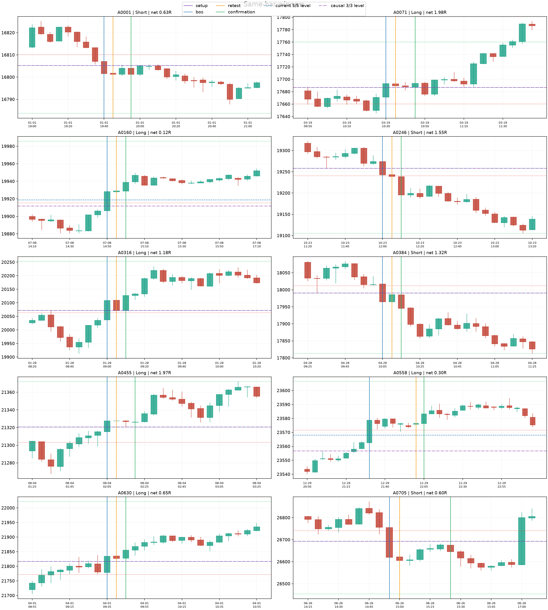
10 deterministic same-bar winners

Vertical: purple Setup, blue BOS, orange Retest, green Confirm/Entry • Horizontal: blue 5/5 reference, purple 3/3 swing, dotted red/green Stop/Target

Cases Same Losers
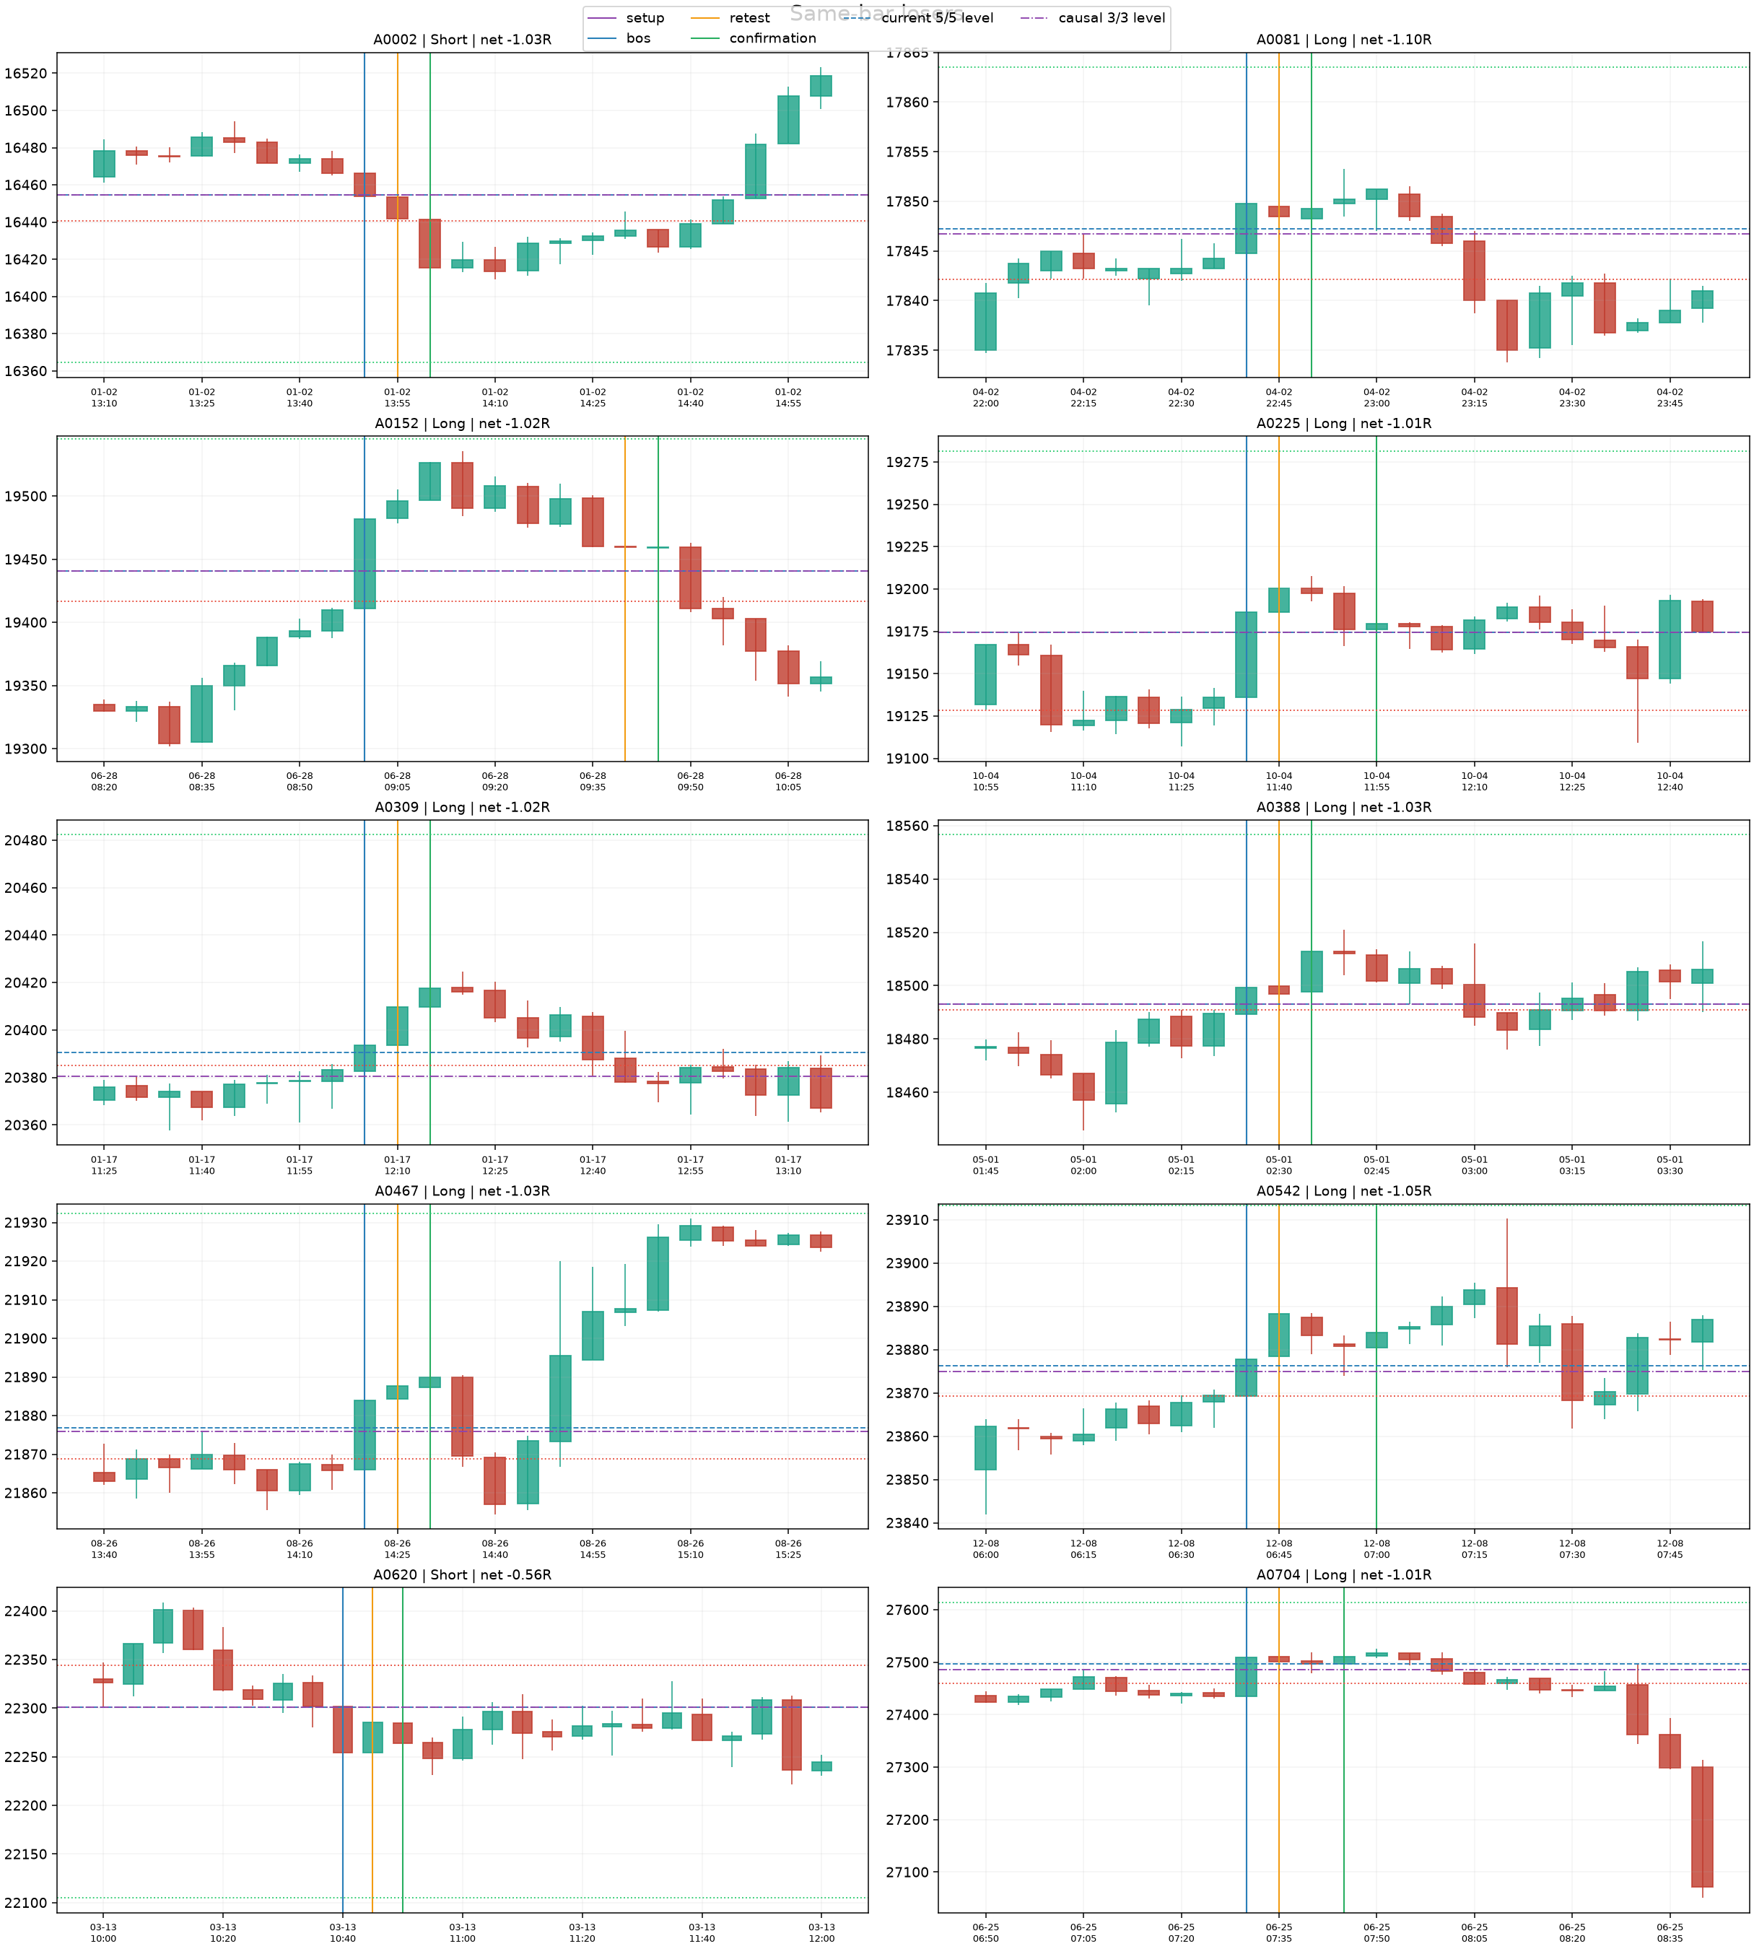
10 deterministic same-bar losers

Vertical: purple Setup, blue BOS, orange Retest, green Confirm/Entry • Horizontal: blue 5/5 reference, purple 3/3 swing, dotted red/green Stop/Target

Cases Delayed
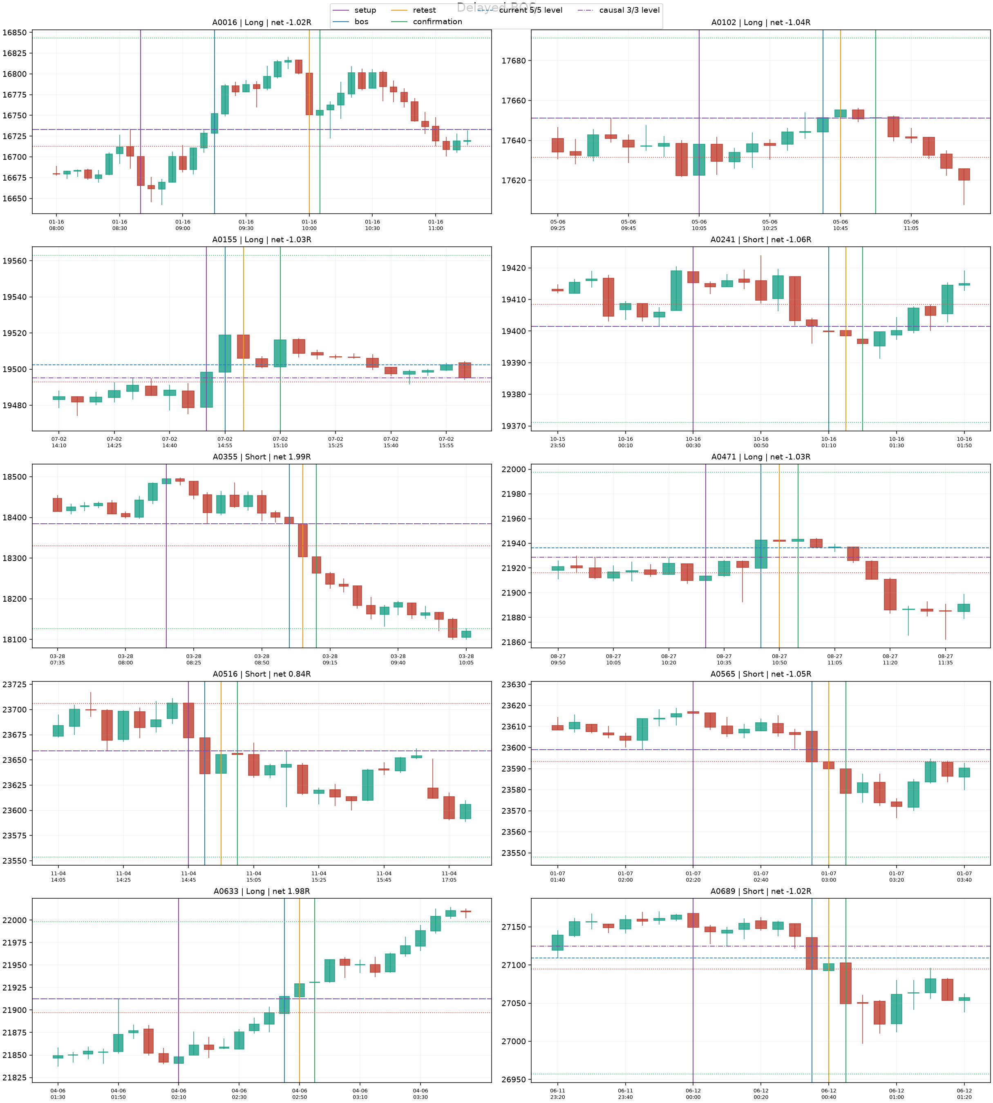
10 deterministic delayed-BOS trades

Vertical: purple Setup, blue BOS, orange Retest, green Confirm/Entry • Horizontal: blue 5/5 reference, purple 3/3 swing, dotted red/green Stop/Target

Cases No 3-3
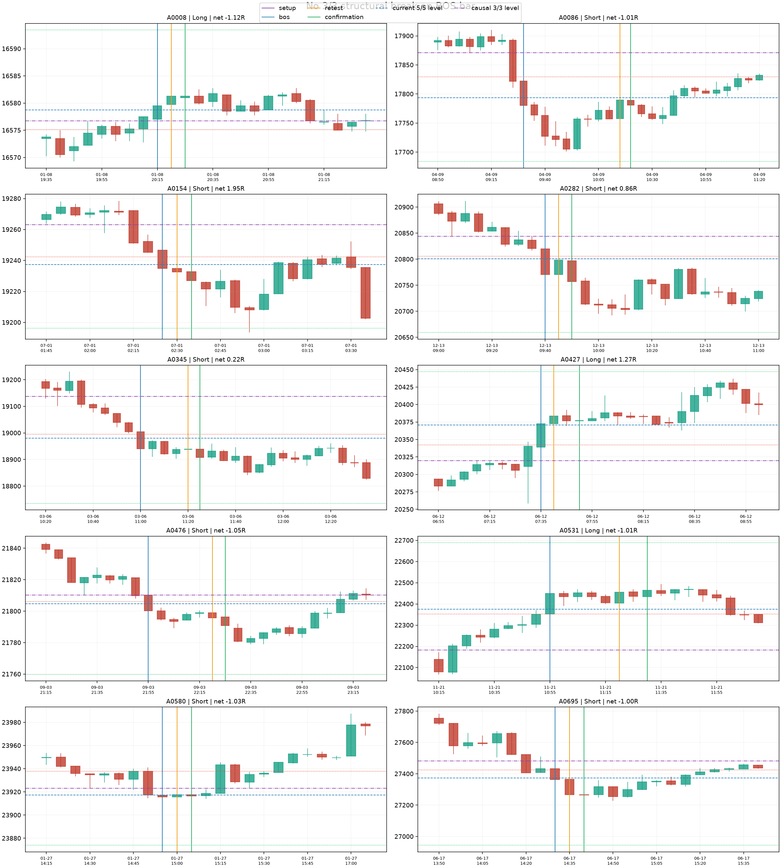
10 trades without a simultaneous 3/3 break

Vertical: purple Setup, blue BOS, orange Retest, green Confirm/Entry • Horizontal: blue 5/5 reference, purple 3/3 swing, dotted red/green Stop/Target

Cases Did 3-3
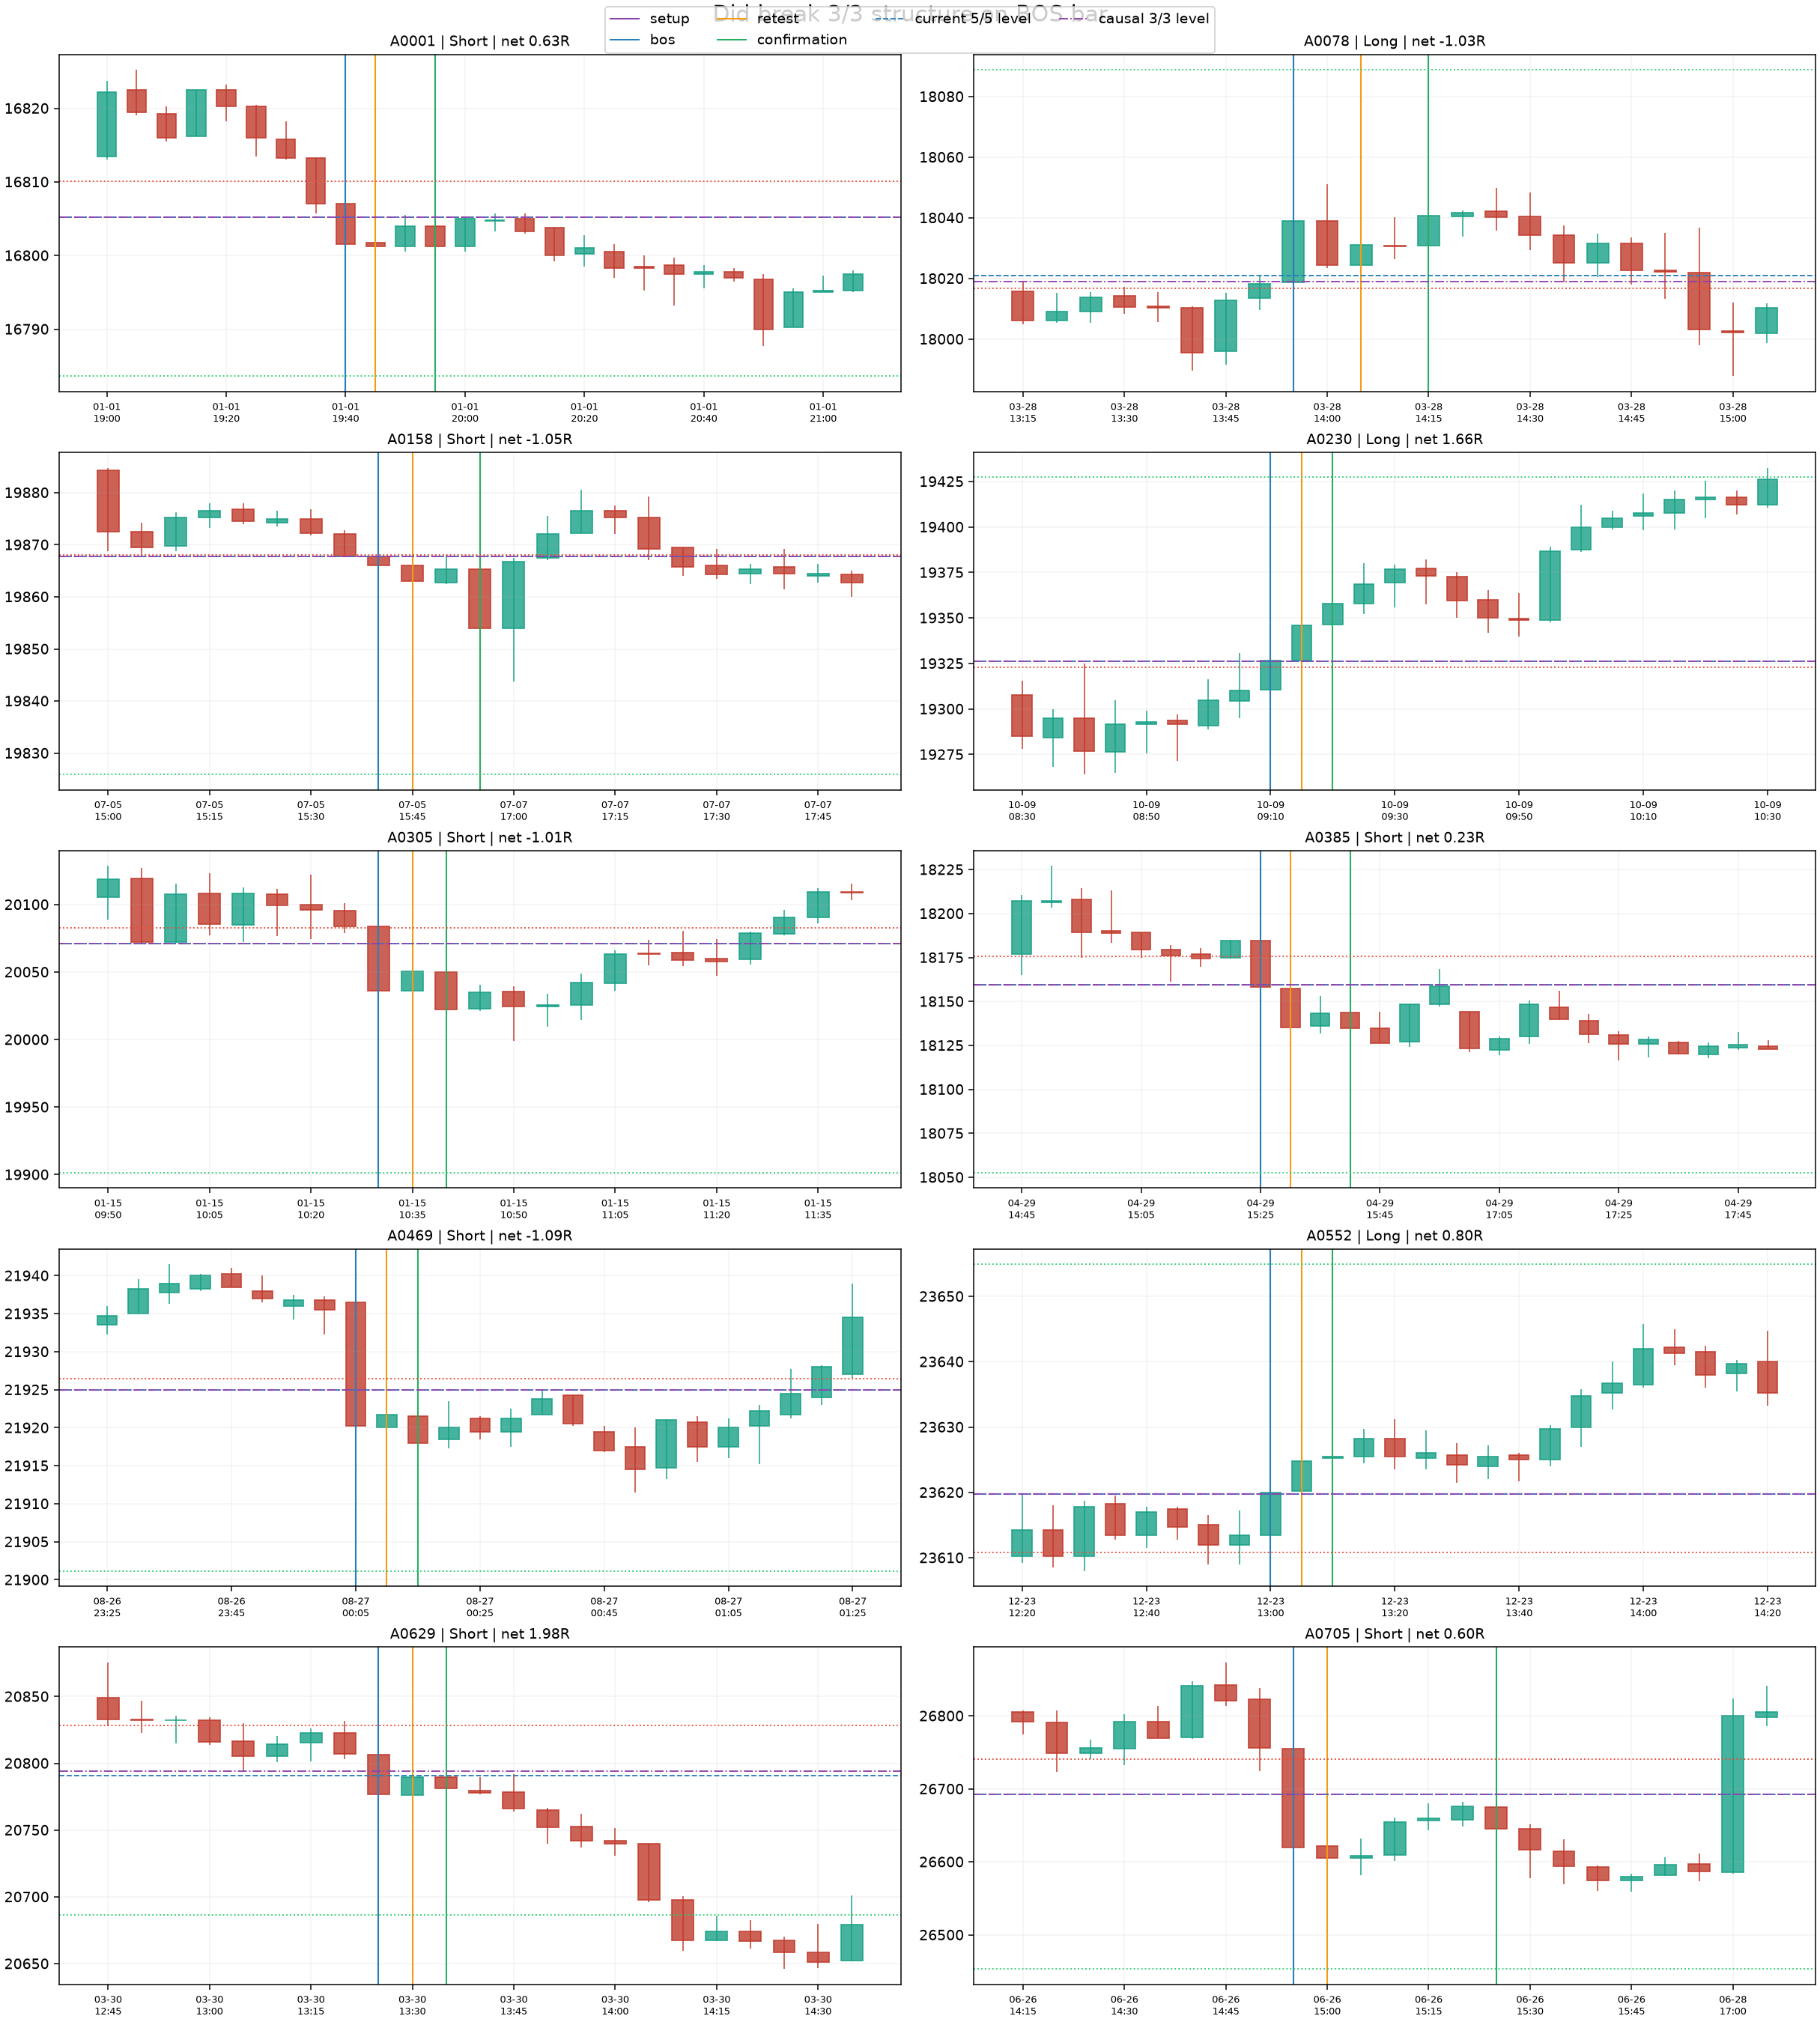
10 trades with a simultaneous 3/3 break

Vertical: purple Setup, blue BOS, orange Retest, green Confirm/Entry • Horizontal: blue 5/5 reference, purple 3/3 swing, dotted red/green Stop/Target

