Notes
Tab | description
2020_Trend_Production | Expected production for top 11 crops of interest plus others linearly extrapolated to 2020
Cold_Production_Reloc | what DSSAT thinks 150 tg nuclear winter production would be, to determine fat and protein
2020_cold_trends | use all the years to get an estimate of the 2020 trends in fat, kcals, protein with no relocation
Cold_Production_No_Reloc | Using 2005 cropland, plant a fraction of it based on the rotation fraction, and determine total calories, fat, and protein
[YEAR]_production | see query picture, with given year selected
all the blue cells are data directly from MINK DSSAT runs
all the orange cells are constants calculated in this document which are used as inputs to the simulation
intermediate constants for calculation are pink

 | “Cold” refers to year 3 of the 150 Tg nuclear winter scenario
 | only non-faostat data is the MINK DSSAT allpotatoes, allmaize, allwheat, allcanola, (all => all 2005 cropland) and the 11 crops 2005 annual production on their 2005 cropland

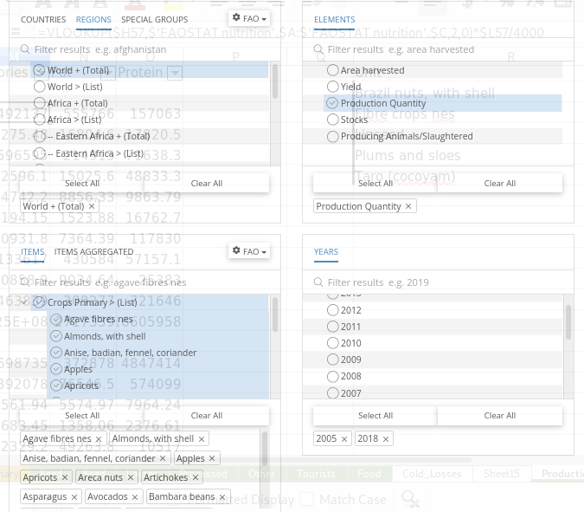
 | This is what the faostat query looks like

