wheat
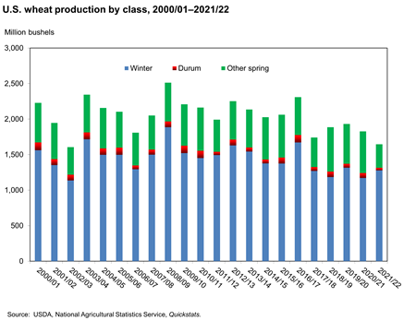
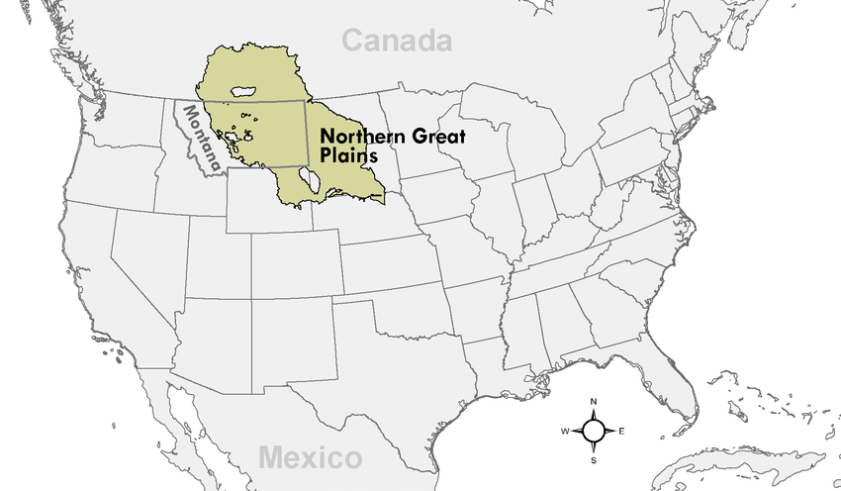
Spring wheat is usally used in the Northern great plains, so consider it for simulations as it accounts at least for 25% of production?
DSSAT CULTIVARS | Company | Year of release | Yield potential (tn ha-1) | Ref country | Target environment | Maturity | Others | Source
Newton | Kansas AES | 1978 |  | US |  |  | Winter wheat | https://wheat.pw.usda.gov/cgi-bin/GG3/report.cgi?class=germplasm&name=&id=22680
DonErnestoBA ME4BN |  | 1987 |  | Argentina |  |  | Winter wheat | https://wheat.pw.usda.gov/cgi-bin/GG3/report.cgi?class=germplasm;query=*Don+Ernesto*;name=DON+ERNESTO+INTA;id=11830
Avalon 0,5 Veff |  | 1980 |  | UK |  |  | ? | https://wheat.pw.usda.gov/cgi-bin/GG3/report.cgi?class=germplasm;query=*Avalon*;name=Avalon;id=46621 | https://npgsweb.ars-grin.gov/gringlobal/accessiondetail?id=1341846
Seri82BA ME1N | CIMMYT | 1982 |  | Mexico |  |  | ? | https://wheat.pw.usda.gov/cgi-bin/GG3/report.cgi?class=germplasm;query=*Seri*;name=SERI+M+82;id=30867
Manitou | ust Area Project, Cereal Crops Division, Canada Dept. of Agriculture, Winnipeg, Manitoba | 1965 |  | Canada |  |  | Spring wheat
Yecora-Rojo 2 | California AES; CIMMYT | 1975 |  | US |  |  | Spring wheat | https://wheat.pw.usda.gov/cgi-bin/GG3/report.cgi?class=germplasm;query=*Yecora+Rojo*;name=Yecora+Rojo;id=37784
HalconsnaBA ME8A
PBW343BA ME1
RRWW00 alt WW lowN
PehlivanBA ME7
ChinaBBA ME10AN
SaratovBA ME6
Maris Fundin |  |  |  | UK
KanchanBA ME5A |  |  |  |  |  |  |  |  |  | https://wheat.pw.usda.gov/cgi-bin/GG3/report.cgi?class=germplasm&name=&id=17986
DebieraBA ME 5B |  |  |  | Al Jazirah
Bacanora modified ME9 | CIMMYT | 1988 |  | Mexico |  |  | Spring wheat | https://wheat.pw.usda.gov/cgi-bin/GG3/report.cgi?class=germplasm;name=BACANORA+T+88;id=2140

soybean
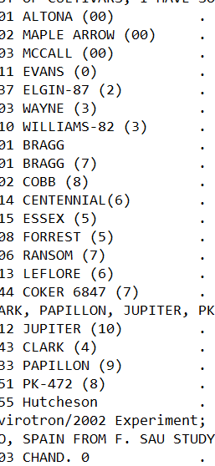
DSSAT CULTIVARS | Registered PVPO
1 SB 990001 M GROUP 1 | no
1 SB 990002 M GROUP 2 | no
1 SB 990003 M GROUP 3 | no
1 SB 990004 M GROUP 4 | no
1 SB 990005 M GROUP 5 | no
1 SB 990006 M GROUP 6 | no
1 SB 990007 M GROUP 7 | no
1 SB 990008 M GROUP 8 | no
1 SB 990009 M GROUP 9 | no
1 SB 990010 M GROUP 10 | no
1 SB 990011 M GROUP 000 | no
1 SB 990012 M GROUP 00 | no
1 SB 990013 M GROUP 0 | no

maize (+Li cvs)
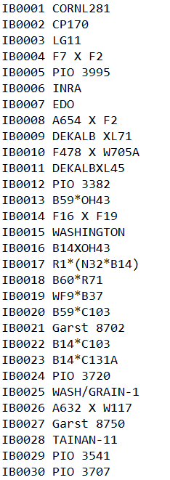
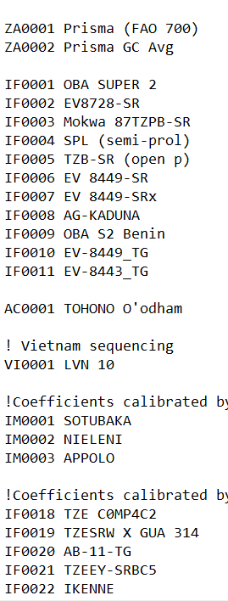
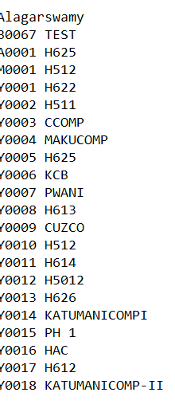
DSSAT CULTIVARS | Registered PVPO
A632 X W117 | no
BH660 | no
CF1505 | no
DEA | no
DEKALB XL82 | no
DKB 333B | no
Garst 8808 | no
JACKSON hybrid | no
McCurdy 84aa | no
MZLOCA Local proxy for mlwi | no
OBATAMPA | no
PIO 30F32 | no
PIO 31R88 | no
QZLOCA Local proxy for mlwi | no
SC403 | no
SC513 | no
Suwan 3851 | no
WH403 | no
ZM521 | no

