Sheet3
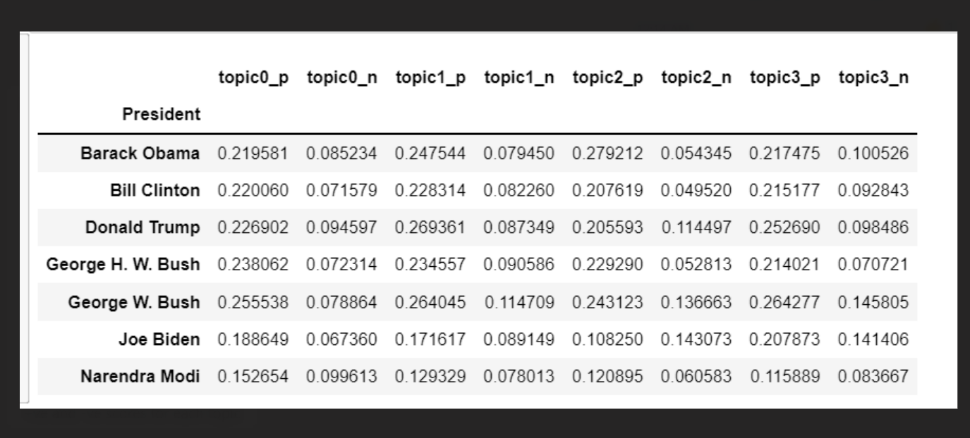
 |  |  |  |  | [ | ] | ["place","world","family","community","immigration",]
place | " | " | , | "place",
world | " | " | , | "world", | "place",
family | " | " | , | "family", | "place","world",
community | " | " | , | "community", | "place","world","family",
immigration | " | " | , | "immigration", | "place","world","family","community",
heart | " | " | , | "heart", | "place","world","family","community","immigration",
 | " | " | , | "", | "place","world","family","community","immigration","heart",
 | " | " | , | "", | "place","world","family","community","immigration","heart","",
 | " | " | , | "", | "place","world","family","community","immigration","heart","","",
 | " | " | , | "", | "place","world","family","community","immigration","heart","","","",
 | " | " | , | "", | "place","world","family","community","immigration","heart","","","","",
 | " | " | , | "", | "place","world","family","community","immigration","heart","","","","","",
 | " | " | , | "", | "place","world","family","community","immigration","heart","","","","","","",

Sheet1
 | Real Deal Topics | War Motivation | Vanilla Words | Nationalism
President | topic_0 | topic_1 | topic_2 | topic_3 |  | President | Barack Obama | Bill Clinton | Joe Biden | Donald Trump | George H. W. Bush | George W. Bush
Bill Clinton | 0.317964 | 0.331969 | 0.101287 | 0.248779 |  | topic_0 | 0.33604445071 | 0.31796443088 | 0.19838760937 | 0.12879493878 | 0.19938579717 | 0.2307753082
Barack Obama | 0.336044 | 0.303425 | 0.110466 | 0.250065 |  | topic_1 | 0.30342500269 | 0.33196897134 | 0.25213959942 | 0.20788892417 | 0.48714532192 | 0.48133522166
Joe Biden | 0.198388 | 0.252140 | 0.287870 | 0.261603 |  | topic_2 | 0.11046588516 | 0.10128740266 | 0.28786994258 | 0.29413621823 | 0.12080208341 | 0.090419154369
Donald Trump | 0.128795 | 0.207889 | 0.294136 | 0.369180 |  | topic_3 | 0.25006466144 | 0.24877919512 | 0.26160284864 | 0.36917991883 | 0.19266679751 | 0.19747031578
George W. Bush | 0.230775 | 0.481335 | 0.090419 | 0.197470
George H. W. Bush | 0.199386 | 0.487145 | 0.120802 | 0.192667

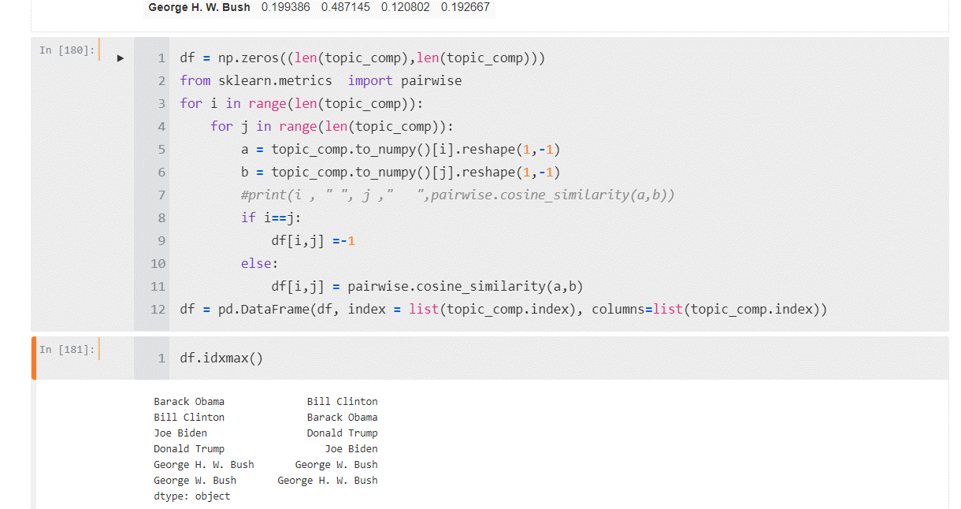
 |  |  |  |  |  | Barack Obama | Bill Clinton | Joe Biden | Donald Trump | George H. W. Bush | George W. Bush
 |  |  |  |  | Barack Obama | 100% | 98% | -86% | -60% | 54% | 67%
 |  |  |  |  | Bill Clinton | 98% | 100% | -75% | -56% | 69% | 79%
 |  |  |  |  | Joe Biden | -86% | -75% | 100% | 78% | -13% | -28%
 |  |  |  |  | Donald Trump | -60% | -56% | 78% | 100% | -32% | -40%
 |  |  |  |  | George H. W. Bush | 54% | 69% | -13% | -32% | 100% | 99%
 |  |  |  |  | George W. Bush | 67% | 79% | -28% | -40% | 99% | 100%

 |  |  |  |  |  | Bill Clinton | Barack Obama | Joe Biden | Donald Trump | George W. Bush | George H. W. Bush
 |  |  |  |  | Bill Clinton |  | 98% | -75% | -56% | 79% | 69%
 |  |  |  |  | Barack Obama |  |  | -86% | -60% | 67% | 54%
 |  |  |  |  | Joe Biden |  |  |  | 78% | -28% | -13%
 |  |  |  |  | Donald Trump |  |  |  |  | 40% | -32%
 |  |  |  |  | George W. Bush |  |  |  |  |  | 99%
 |  |  |  |  | George H. W. Bush

 |  |  |  |  |  |  |  |  |  | 54
Bill Clinton | 0.317964 | 0.331969 | 0.101287 | 0.248779 |  |  |  |  |  | 69
 |  |  |  |  |  |  |  |  |  | -13
 |  |  |  |  |  |  |  |  |  | -32
 |  |  |  |  |  |  |  |  |  | 100
 |  |  |  |  |  |  |  |  |  | 99

