Sheet1
President | topic_0 | topic_1 | topic_2
Bill Clinton | 0.49447 | 0.31068 | 0.19484 |  |  | President | Barack Obama | Bill Clinton | Donald Trump | George H. W. Bush | George W. Bush | Joe Biden | MMS | Narendra Modi
Barack Obama | 0.46324 | 0.33998 | 0.19678 |  |  | topic_0 | 0.46324325566 | 0.49447416124 | 0.4033017231 | 0.59291479775 | 0.5984359237 | 0.39275143185 | 0.52315310692 | 0.4697075759
Joe Biden | 0.39275 | 0.21726 | 0.38999 |  |  | topic_1 | 0.33998109336 | 0.3106831936 | 0.18536210449 | 0.2282977984 | 0.25238147225 | 0.21725900682 | 0.36727574841 | 0.17053245633
Donald Trump | 0.40330 | 0.18536 | 0.41134 |  |  | topic_2 | 0.19677565098 | 0.19484264515 | 0.41133617241 | 0.17878740385 | 0.14918260405 | 0.38998956133 | 0.10957114467 | 0.35975996778
George W. Bush | 0.59844 | 0.25238 | 0.14918
George H. W. Bush | 0.59291 | 0.22830 | 0.17879
MMS | 0.52315 | 0.36728 | 0.10957
Narendra Modi | 0.46971 | 0.17053 | 0.35976

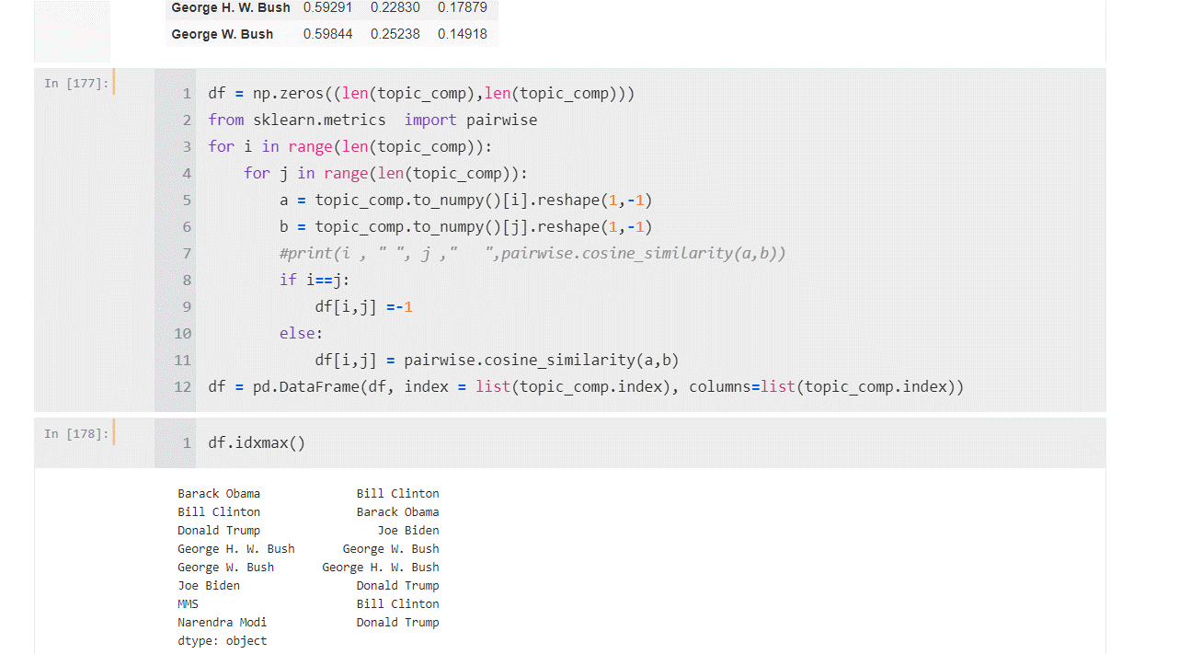
 |  |  |  |  |  |  | Barack Obama | Bill Clinton | Joe Biden | Donald Trump | George H. W. Bush | George W. Bush | MMS | Narendra Modi
 |  |  |  |  |  | Barack Obama | 100.0% | 98.5% | -2.9% | -7.4% | 89.7% | 94.1% | 99.5% | 32.3%
 |  |  |  |  |  | Bill Clinton | 98.5% | 100.0% | 14.3% | 9.9% | 96.0% | 98.5% | 96.3% | 48.1%
 |  |  |  |  |  | Joe Biden | -2.9% | 14.3% | 100.0% | 99.9% | 41.5% | 31.1% | -12.7% | 93.7%
 |  |  |  |  |  | Donald Trump | -7.4% | 9.9% | 99.9% | 100.0% | 37.3% | 26.8% | -17.2% | 92.0%
 |  |  |  |  |  | George H. W. Bush | 89.7% | 96.0% | 41.5% | 37.3% | 100.0% | 99.4% | 85.0% | 70.7%
 |  |  |  |  |  | George W. Bush | 94.1% | 98.5% | 31.1% | 26.8% | 99.4% | 100.0% | 90.3% | 62.4%
 |  |  |  |  |  | MMS | 99.5% | 96.3% | -12.7% | -17.2% | 85.0% | 90.3% | 100.0% | 22.9%
 |  |  |  |  |  | Narendra Modi | 32.3% | 48.1% | 93.7% | 92.0% | 70.7% | 62.4% | 22.9% | 100.0%

 |  |  |  |  | Bill Clinton | 0.49447 | 0.31068 | 0.19484
 | Barack Obama | 0.46324 | 0.33998 | 0.19678 | Barack Obama | 0.46324 | 0.33998 | 0.19678
 | Bill Clinton | 0.49447 | 0.31068 | 0.19484 | Joe Biden | 0.39275 | 0.21726 | 0.38999
 | Donald Trump | 0.40330 | 0.18536 | 0.41134 | Donald Trump | 0.40330 | 0.18536 | 0.41134
 | George H. W. Bush | 0.59291 | 0.22830 | 0.17879 | George W. Bush | 0.59844 | 0.25238 | 0.14918
 | George W. Bush | 0.59844 | 0.25238 | 0.14918 | George H. W. Bush | 0.59291 | 0.22830 | 0.17879

 |  | Real Deal Topics | War Motivation | Vanilla Words
 | President | topic_0 | topic_1 | topic_2 |  |  |  |  |  | Bill Clinton | Barack Obama | Joe Biden | Donald Trump | George W. Bush | George H. W. Bush | Manmohan Singh | Narendra Modi
 | Bill Clinton | 0.31068 | 0.49447 | 0.19484 |  |  |  |  | Bill Clinton |  | 98.5% | 14.3% | 9.9% | 98.5% | 96.0% | 96.3% | 48.1%
 | Barack Obama | 0.33998 | 0.46324 | 0.19678 |  |  |  |  | Barack Obama |  |  | -2.9% | -7.4% | 94.1% | 89.7% | 99.5% | 32.3%
 | Joe Biden | 0.21726 | 0.39275 | 0.38999 |  |  |  |  | Joe Biden |  |  |  | 99.0% | 31.3% | 41.5% | -12.7% | 93.7%
 | Donald Trump | 0.18536 | 0.40330 | 0.41134 |  |  |  |  | Donald Trump |  |  |  |  | 26.8% | 35.3% | -17.2% | 92.0%
 | George W. Bush | 0.25238 | 0.59844 | 0.14918 |  |  |  |  | George W. Bush |  |  |  |  |  | 99.4% | 90.3% | 62.4%
 | George H. W. Bush | 0.22830 | 0.59291 | 0.17879 |  |  |  |  | George H. W. Bush |  |  |  |  |  |  | 85.0% | 70.7%
 | Manmohan Singh | 0.36728 | 0.52315 | 0.10957 |  |  |  |  | Manmohan Singh |  |  |  |  |  |  |  | 22.9%
 | Narendra Modi | 0.17053 | 0.46971 | 0.35976 |  |  |  |  | Narendra Modi

 | Real Deal Topics
 | topic_1
 | 0.31068
 | 0.33998
 | 0.21726
 | 0.18536
 | 0.25238
 | 0.22830
 | 0.36728
 | 0.17053

 |  | Real Deal Topics | War Motivation | Vanilla Words
 | President | topic_0 | topic_1 | topic_2
 | Bill Clinton | 0.31068 | 0.49447 | 0.19484
 | Barack Obama | 0.33998 | 0.46324 | 0.19678
 | Joe Biden | 0.21726 | 0.39275 | 0.38999
 | Donald Trump | 0.18536 | 0.40330 | 0.41134
 | George W. Bush | 0.25238 | 0.59844 | 0.14918
 | George H. W. Bush | 0.22830 | 0.59291 | 0.17879
 | Manmohan Singh | 0.36728 | 0.52315 | 0.10957
 | Narendra Modi | 0.17053 | 0.46971 | 0.35976

