1. Title Page
Instacart Grocery Basket Analysis

Project Name: Instacart Grocery Basket Analysis
Date: 7/20/2022
Analyst Name: Allie Qualman

Contents:
Population Flow
Consistency checks
Wrangling steps
Column derivations
Visualizations
Recommendations

Source:
“The Instacart Online Grocery Shopping Dataset 2017”, Accessed from https://www.instacart.com/datasets/grocery-shopping-2017 on 6/22/2022.

Objective:
Instacart, an online grocery store that operates through an app. Instacart already has very good sales, but they want to uncover more information about their sales patterns. My task is to perform an initial data and exploratory analysis of some of their data in order to derive insights and suggest strategies for better segmentation based on the provided criteria.

Context:
The Instacart stakeholders are most interested in the variety of customers in their database along with their purchasing behaviors. They assume they can't target everyone using the same methods, and they’re considering a targeted marketing strategy. They want to target different customers with applicable marketing campaigns to see whether they have an effect on the sale of their products. My analysis will inform what this strategy might look like to ensure Instacart targets the right customer profiles with the appropriate products.

2. Population Flow
Title page

Population flow

Exclusion flag
Condition: max_order < 5
Obervations to be removed: 1,440,295
Final total count of order_products_all: 30,964,564

Orders_products_combined
Orders_products_merged
Orders_products_all

Total: 32,404,859
Total: 32,640,698
Total: 30,629,741

3. Consistency checks
 |  |  |  | Title page
Consistency checks

Dataset | Missing values | Missing values treatment | Duplicates
orders | days_since_prior_order - 206,209 | Removed NaN from this column | N/A
products | product_name - 16 | Removed NaN from this column | 5 duplicates
orders_products_prior | N/A | N/A | N/A
customers | first_name - 11,259 values | N/A | N/A

4. Wrangling steps
 |  |  |  | Title page
Wrangling steps

Columns dropped | Columns renamed | Columns' type changed | Comment/Reason
eval_set | N/A | removed | No useful information
N/A | Order_dow --> order_day_of_week | name change | Acronym not know
N/A | N/A | order_id to string | it was set as an integer but has no numerical value so I changed it to a string
N/A | N/A | user_id to string | it was set as an integer but has no numerical value so I changed it to a string
N/A | "First_Name" --> first_name | name change | Renamed to make consistent with other columns.
N/A | "Last_Name" --> last_name | name change | Renamed to make consistent with other columns.
N/A | "Gender" --> gender | name change | Renamed to make consistent with other columns.
N/A | "STATE" --> state | name change | Renamed to make consistent with other columns.
N/A | "Age" --> age | name change | Renamed to make consistent with other columns.
N/A | "n_dependants" --> number_of_ dependents | name change | Renamed to provide clarity and make consistent with other columns.
N/A | "fam_status" --> marital_status | name change | Renamed to provide clarity and make consistent with other columns.

5. Column derivations
 |  |  |  | Title page

Column derivations and aggregations

In this tab you should add tables below that the frequences of flags/label variables that you produced after deriving them. NB: don't do this for continuous variables, only for flags.
Dataset | New column | Column/s it was derived from | Conditions
ords_prods_merge | max_order | order_number | Max taken from order_number.
ords_prods_merge | loyalty_flag | max_order | Created 3 different groups based on customer loyalty.
ords_prods_merge | user_spending | user_id, prices | Mean price per customer.
ords_prods_merge | spending_flag | user_spending | Created two different groups based on spend of a customer.
ords_prods_merge | order_frequency | user_id, days_since_last_order | Median days since last order per customer.
ords_prods_merge | order_frequency_flag | order_frequency | Created 3 different groups based on the frequency of orders.
ords_prods_merge | price_range_loc | prices | Created 3 different groups based on the price of products.
ords_prods_merge | busiest_days | orders_day_of_week | Loop that indicates if an order is on the busiest day of the week, as per the aggregation of orders day of the week data.
ords_prods_merge | busiest_period_of_day | order_hour_of_day | Loop that indicates if an order is during the busiest hours of the day, as per the aggregation of order hour of day data.
df_instacart | activity_flag | max_order | Flag based on the amount of orders a customer has made.
df_instacart | region | state | US States grouped into 4 regions
df_instacart | age_profile | age | Created 3 different age groups.
df_instacart | income_profile | income | Created 3 different income groups.
df_instacart | goods_profile | department_id | Clearly defined each department of products.
df_instacart | dependants_profile | number_of_dependants | Created 3 different dependants groups.
df_instacart | customer_profile | age_profile, income_profile, dependents_profile | Profiled customers based on their age, income and dependants groups.

6. Visuals and Recommendations
 |  |  | Title page

Visualisations and Recommendations

The sales team needs to know what the busiest days of the week and hours of the day are (i.e., the days and times with the most orders) in order to schedule ads at times when there are fewer orders


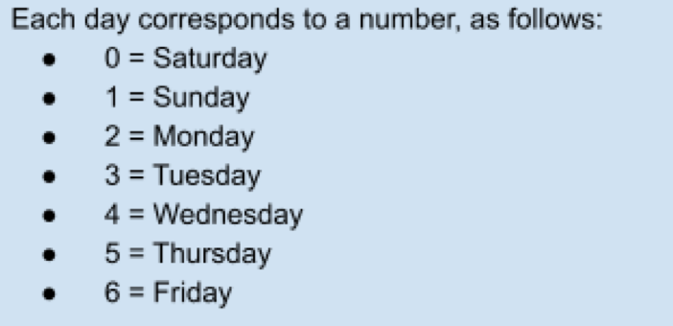
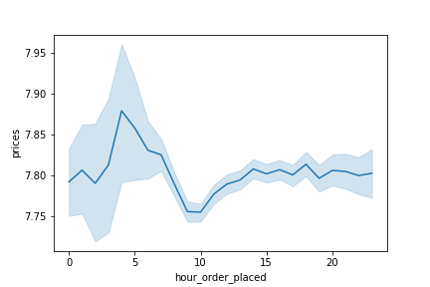
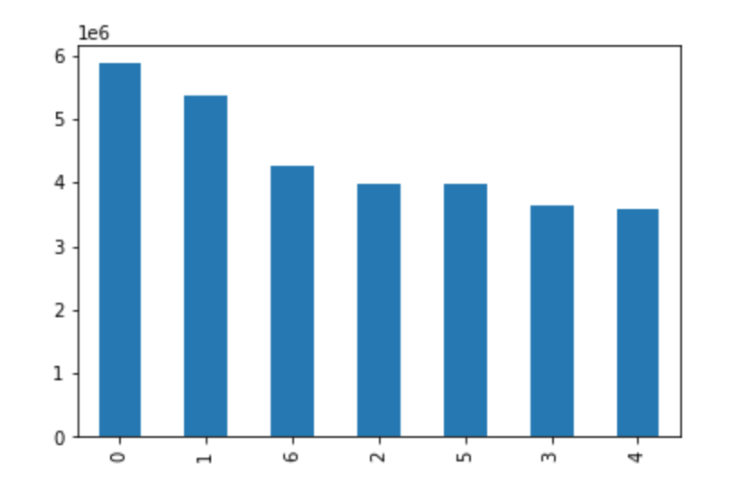
Distribution of Orders Placed in a 24 Hour Time Period

This histogram displays the hours of the day that orders are placed. As we can see the orders peak from 10AM to 3PM. | This bar chart shows the number of orders made for every day of the week. The most orders are made over the weekend from Friday to Sunday. Ads should be scheduled on the weekdays. | This line chart depicts the mean price of goods purchased for each hour of the day. The most expensive products are ordered between midnight and 7 am.

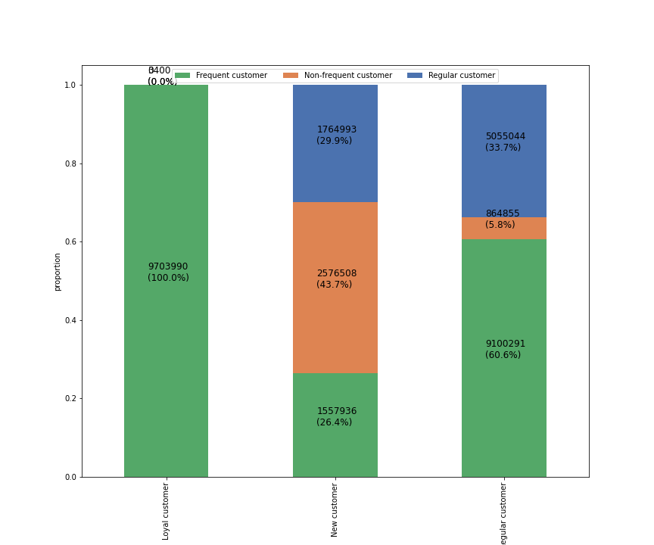

What’s the distribution among users in regards to their brand loyalty (i.e., how often do they return to Instacart)?

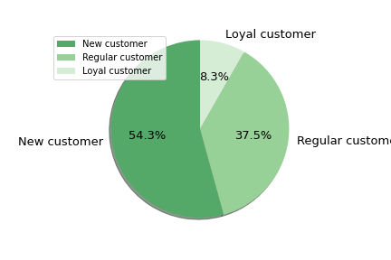

 | This pie chart displays the percent of customers that are loyal, regular or new. As we can see there is more than half of customers being new and more than a third of customers that are regular.

 | The chart to the right shows the proportion of loyal, new and regular customers that are either frequent, non-frequent, and regular in terms of order frequency.
 | Loyal customers consist entirely of frequent customers. The regular customers have a higher proportion of frequent customers and regular customers. The new customers consist of all three frequent, non frequent and regular customers.
 | The regular customers have the highest proportion of non-frequent customers compared to the rest.
 | Targeted ads for new customers and regular customers could improve the frequency of the customer. We could also look into what the frequent customer is coming back for to get a handle of why they are loyal.

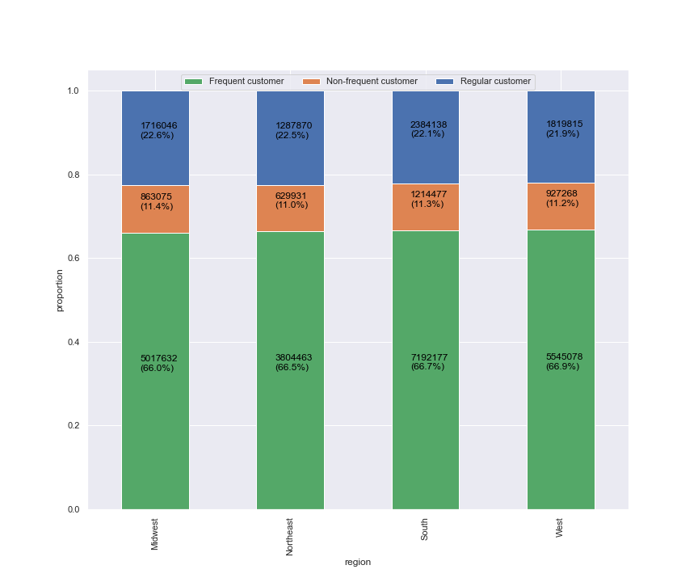
Are there differences in ordering habits based on a customer’s region?

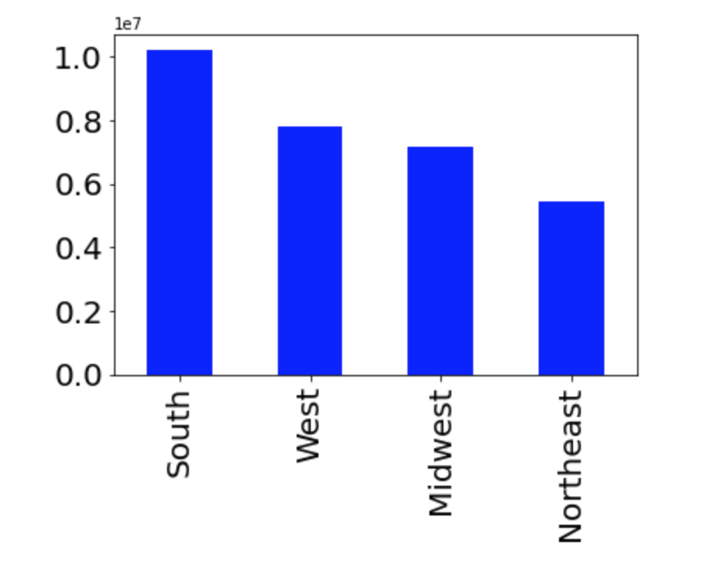

 | The chart on the left depicts the orders from each region. South has generated the most orders compared to the other regions. Northeast is last in orders placed. We can either target our weak area, Northeast, or continue growing our best region, South.

 | The stacked bar chart shows what proportion of orders from each region come from frequent customers, non-frequent customers and regular customers.
 | The good news is most of the customers are frequent buyers in all regions. All regions can improve on getting their non frequent and regular customers to come back more.

What different classifications does the demographic information suggest? Age? Income? Certain types of goods? Family status?
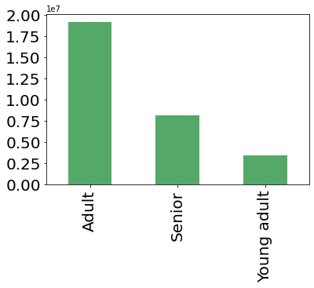
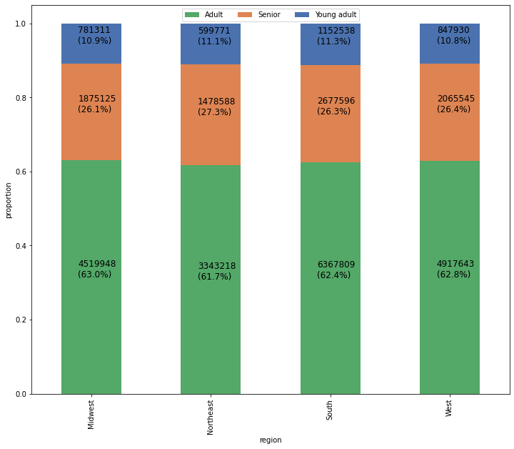

 | To your left, you can see the age group with the most frequency is Adults (25-64) with Seniors (65+) falling short behind and Young adults (18-24) being last. We can try to identify what the young adults and seniors are buying and try to use target ads to get them to become more frequent buyers.

 | The bar chart to the right displays the age groups each region obtains. Most of the customers in each region are Adults and the minority of customers are seniors and young adults. This is about the same for each region. From this we can choose to look further into the products each age group is buying to determine what is bringing them to use Instacart.

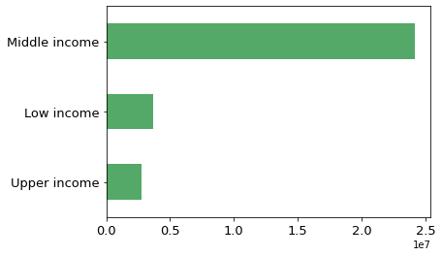
 | The group of people that utilize instacart are the ones with average/middle income. The fewest orders come from the people making the most income.

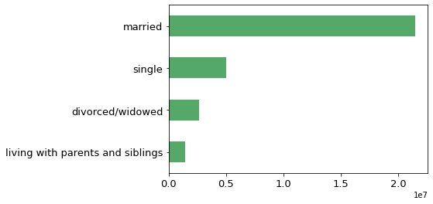
 | The chart shows the customers who utilize Instacart the most are people who are married.

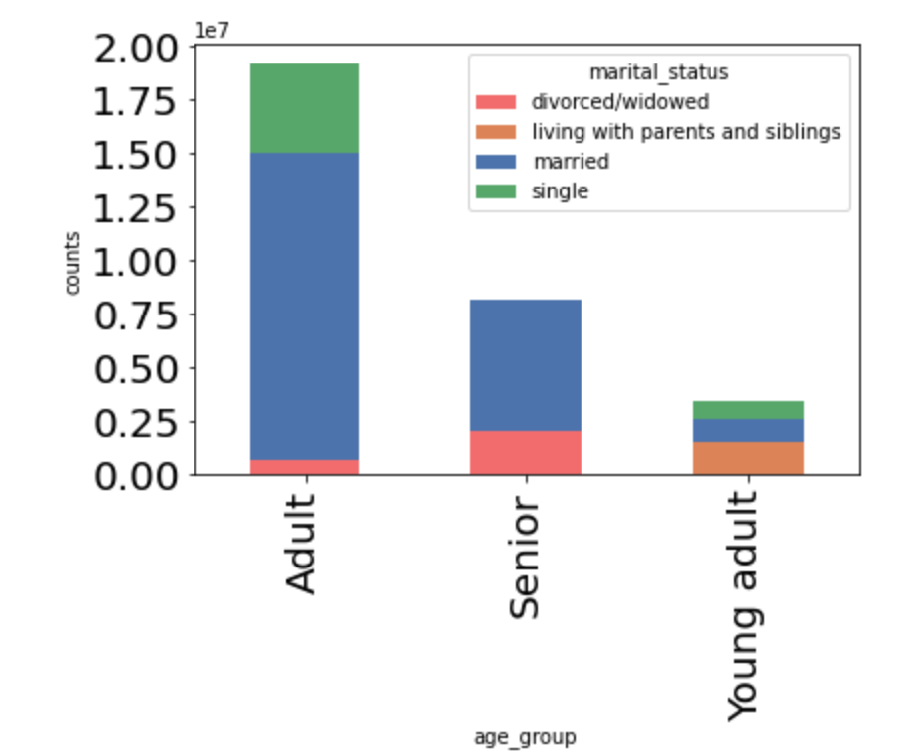

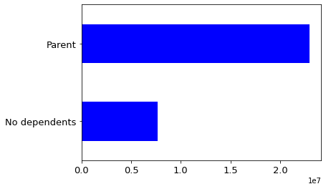

 | The frequency of this chart displays that more likely the customers using Instacart are parents as opposed to people with no children.

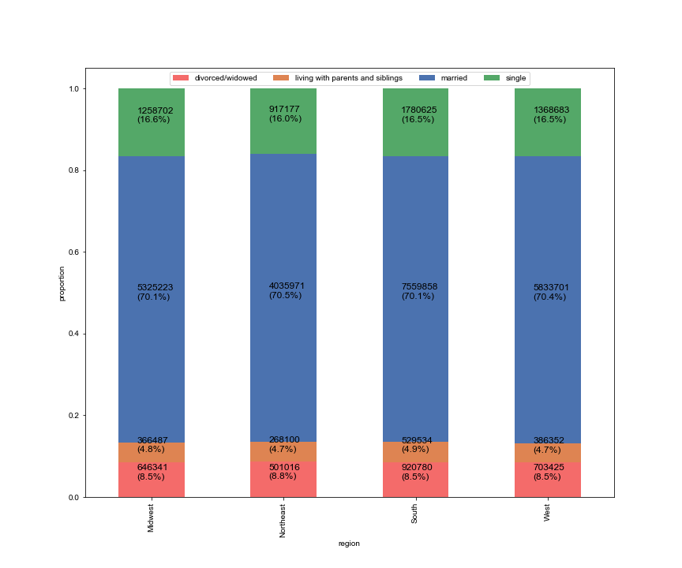

 |  | The chart to the left and above depicts the regions with the distribution of Married, Single, Divorced/Widowed and Living with parents and siblings. As we can see, each region is very close in the distribution of each category. Married taking up more than 70% percent of the customers in each region. In alignment with the young adults being the least frequent customers, the people living with parents and siblings are also not utilizing Instacart in any region. This could be due to financials or the cost of the products.

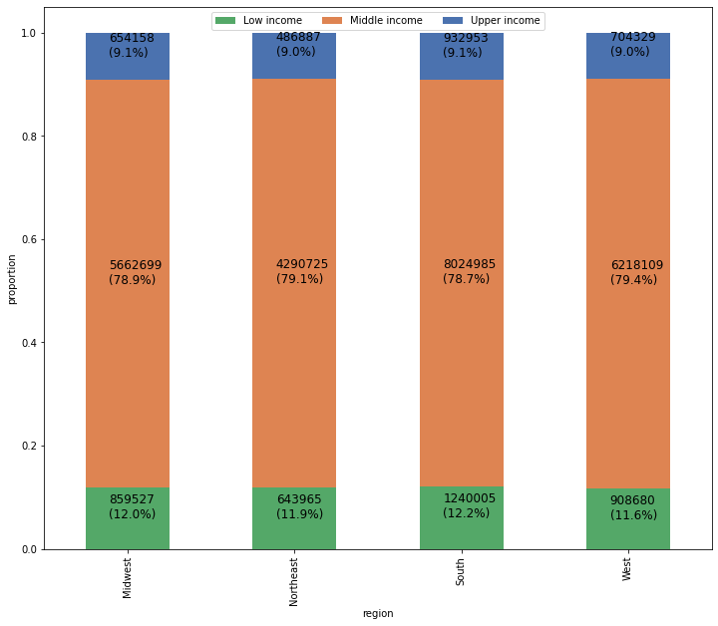

The chart to the right shows the regional distribution of orders coming from each income group.
The south has the highest proportion of low income orders and also the highest proportion of upper income orders. There is a relatively even and matching distribution for each low, middle and upper income among each region. People with middle size income are the majority of customers for Instacart. This is interesting that the people with upper income are even less likely to be customers than the lower income. Does this have to do with the status of Instacart? What deters people with higher income from Instacart?

Are there differences in ordering habits based on a customer’s region?

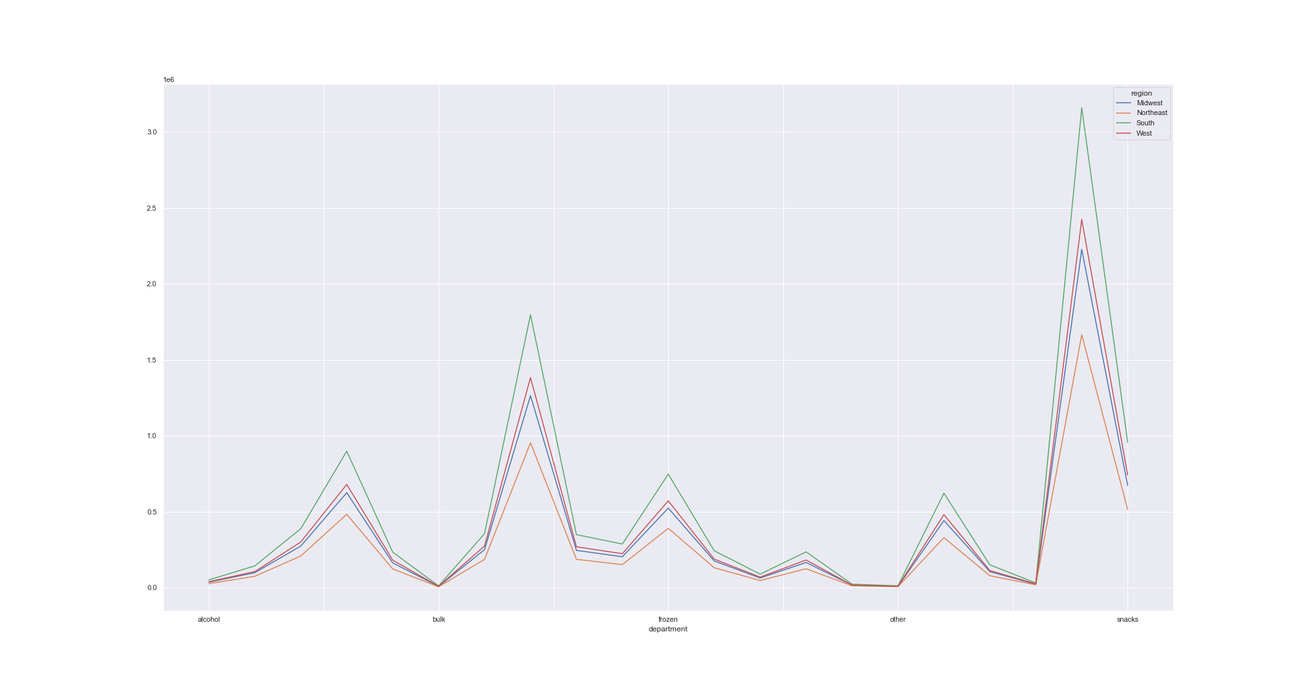

 |  | The line chart to the left shows the frequency of orders made for each department in each region.
 |  | All regions seem to align with the same preferences in terms of departments. Produce is the most popular department while bulk is the least popular item.
 |  | The snacks department skyrockets where as alcohol and other categories are lacking orders. Instacart could narrow the product they hold and specialize with what the people want - snacks.

