Checkpoint reporting
Checkpoint One

The idea
Alouette's ambition is to deliver a new and innovative solution to get Europe as quickly as possible out of the current economic crisis.
We are creating a pan-European framework for rapid deployment of the infastructure required to deliver helicopter money directly to citizens.

The problems with existing policy tools that we solve
Long "Time to the real economy": Traditional methods of stimulating the economy always involve several layers of middlemen that charge fees and critically, slow the process down.
Uncontrolable shotgun approach: These methods deny policy makers realtime insights into how stimulus ripples through the economy and offer little possiblity to change direction after the stimulus injection is started.
Lack of transarency: the rules of entitlement are not transparent

How do we solve these
By using blockchain technology as the underlying infrastructure for the solution, we solve for the removal of middlemen and deliver stimulus that is spendable in the real economy instantly.
As all transactions are immediately visible, policy makers are provided with instant insight into how money is flowing through the economy
As the stimulus tokens within the system are fully programmable, policy makers can also specify a number of parameters to target stimulus efforts effectively.
For instance, "purpose" stimulus tokens can have a predefined purpose like food, clothing, medicine, etc. and it can strictly controlled that only merchants providing these products and services are eligible to receive the tokens for a pre-defined purpose.
Another key example in our model is that stimulus tokens need to be spent as soon as possible rather than hoarded. We thus incentivize recipients to spend by adding a "decay" factor to the tokens meaning their monetary value dimishes over time.

Impact the solution will have
The time to impact will decrease from 3-6 months to 1-2 weeks
The cost of administration will be decreased by 60%
Impact on GDP

Progress
Team structure

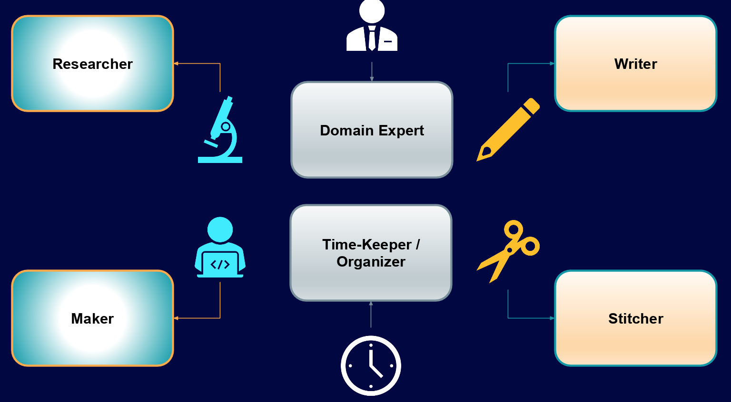
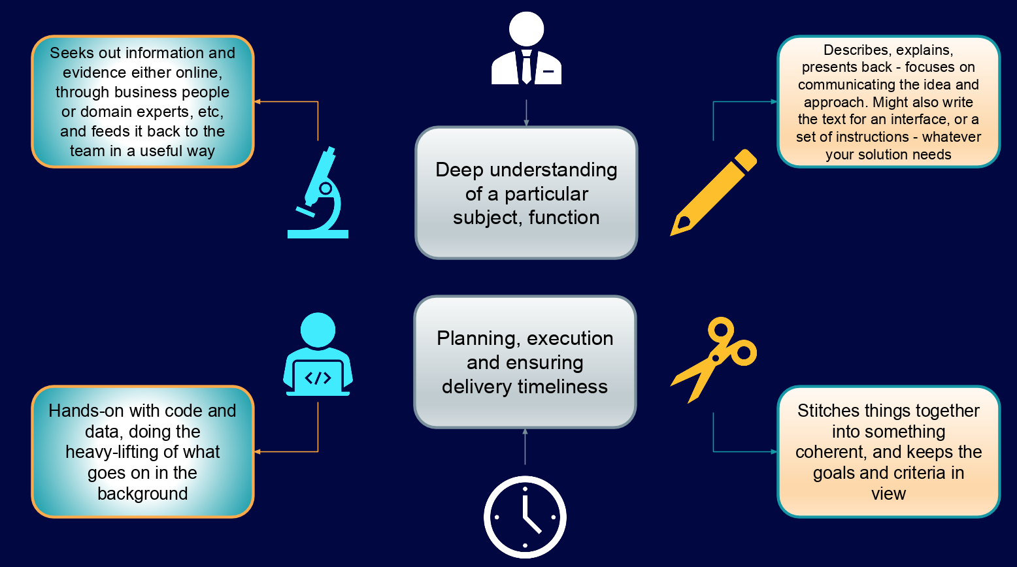
Roles |  |  |  |  | Role description

Team members primary and secondary roles |  |  |  |  | Team structure

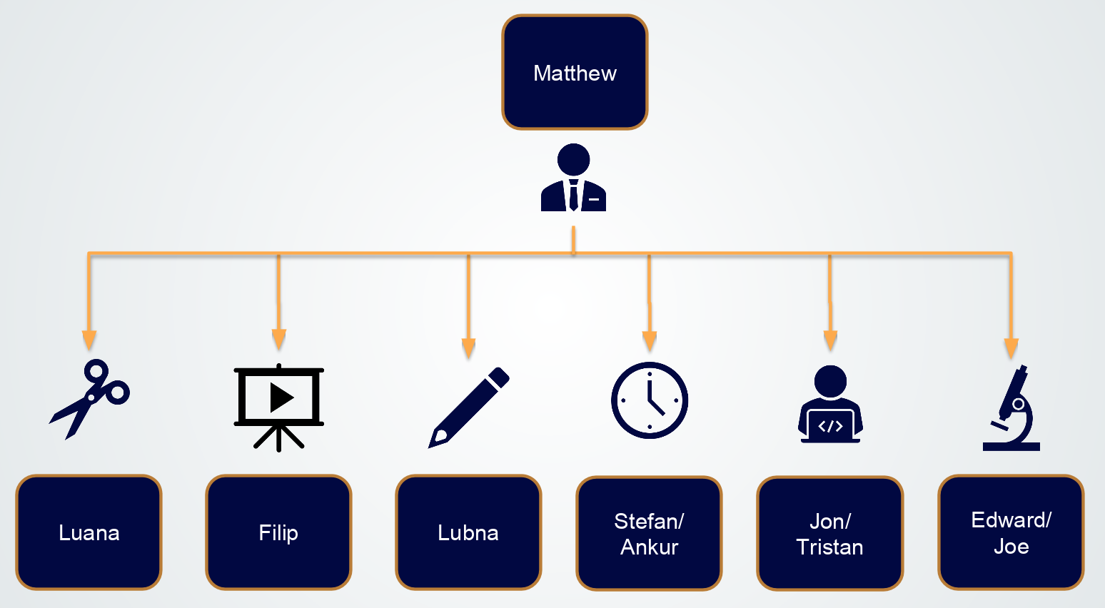

Timeline
see tab "Delivery Timelines"

 | FRI - 24/07 |  | SAT - 25/04 |  |  |  |  |  |  |  | SUN - 26/04 |  |  |  |  |  |  |  | MON - 27/04
 | 19:00:00 | 0:00:00 | 8:00:00 | 10:00:00 | 12:00:00 | 14:00:00 | 16:00:00 | 18:00:00 | 20:00:00 | 0:00:00 | 8:00:00 | 10:00:00 | 12:00:00 | 14:00:00 | 16:00:00 | 18:00:00 | 20:00:00 | 22:00:00 | 1900-01-01 00:00:00 | 8:00:00 | 9:00:00
Business Function |  |  | #VALUE! |  | #VALUE! | #VALUE! | #VALUE! | #VALUE!
Research
Initial Concept
Key Considerations
Baseline Model
Technical Delivery
Architecture and wireframes
#BUIDL - Front End |  |  |  |  |  |  | 1st Checkpoint at 5:30
#BUIDL - Back End
Technical Documentation
Consolidation
Stitching BUS & TECH Content
Final Response to the 7 Deliverables
Proof-Reading / Review
Video
Problem (<30s)
Solution (~30s)
Achievements (~30s)
Next Steps (~30s)

Check point 2
Progress: what has been your progress since the last checkpoint?
· Problems: what problems are you facing that holds you back within your progress
· Plans: what are your next steps until the next checkpoint, how far are you with your functional MVP/Demo?

Delivery Timelines
FINAL
SUBMISSION
 | FRI - 24/07 |  | SAT - 25/04 |  |  |  |  |  |  |  | SUN - 26/04 |  |  |  |  |  |  |  | MON - 27/04
 | 19:00:00 | 0:00:00 | 8:00:00 | 10:00:00 | 12:00:00 | 14:00:00 | 16:00:00 | 18:00:00 | 20:00:00 | 0:00:00 | 8:00:00 | 10:00:00 | 12:00:00 | 14:00:00 | 16:00:00 | 18:00:00 | 20:00:00 | 22:00:00 | 1900-01-01 00:00:00 | 8:00:00 | 9:00:00
Business Function |  |  | #VALUE! |  | #VALUE! | #VALUE! | #VALUE! | #VALUE!
Research
Initial Concept
Key Considerations
Baseline Model
Quantified Value Proposition
Technical Delivery
Architecture and wireframes
#BUIDL - Front End |  |  |  |  |  |  | 1st Checkpoint at 5:30
#BUIDL - Back End
Technical Documentation
Consolidation
Stitching BUS & TECH Content |  |  |  |  |  |  |  |  |  |  |  |  |  |  |  |  |  | UPLOAD
Final Response to the 7 Deliverables
Proof-Reading / Review
Video
Problem (<30s) |  |  |  |  |  |  |  |  |  |  |  | SCRIPT |  |  |  |  |  | UPLOAD
Solution (~30s)
Achievements (~30s)
Next Steps (~30s)

