Cover
Highline College BI 348
taught by Mike excelisfun Girvin (Excel MVP)

MSPTDA 01: Microsoft Power Tools for Data Analysis

Microsoft Power Tools for Data Analysis
Class Introduction Video
 | Power Query
DAX
 | Power Pivot
 | DAX Formulas
 | Power BI Desktop
 | Excel
 |  | ** MSPTDA 01

Power Query
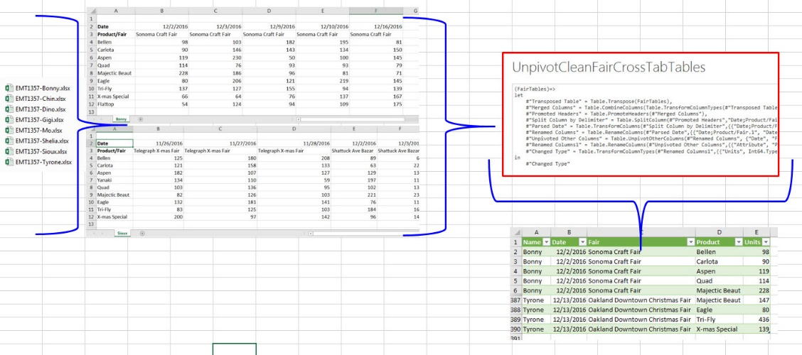

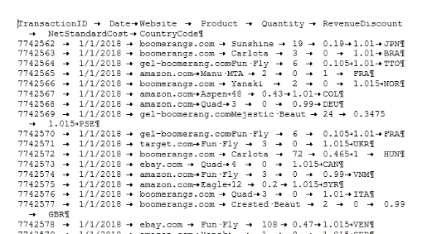
Power Query
User Interface in Power Query
Case Sensitive, Function-based M Code Language
1) | Import Data from multiple sources
2) | Clean and Transform Data
3) | Create Data Components for Star Schema Data Models
4) | Load Data To Excel, the Data Model and Connection Only
5) | Replace Complicated Excel Solutions with Power Query Solution

Data Model
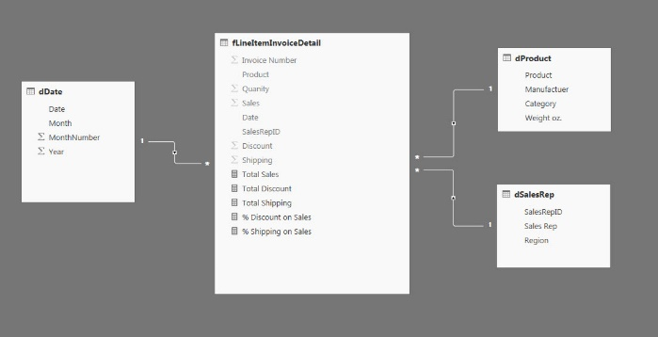
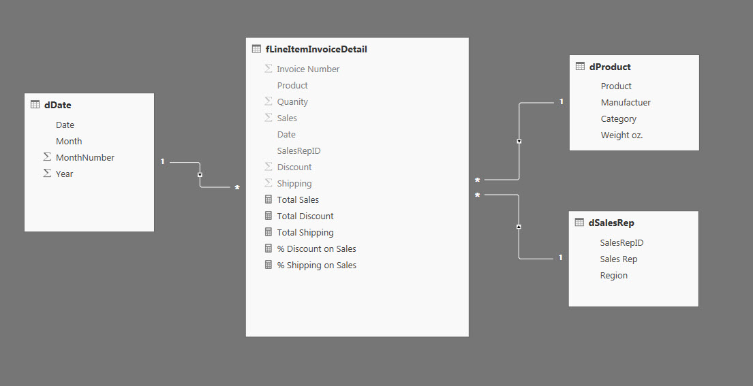
Create Star Schema Data Models from many Types of Data and Data Sources

Power BI Desktop
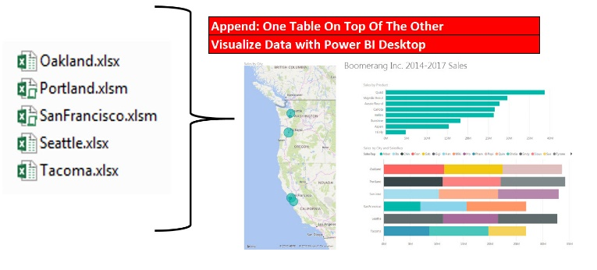
Power BI Desktop
Free, Amazing Tool that combines:
1) | Power Query
2) | Columnar Database Data Model
3) | DAX
4) | Interactive Visualizations
Different than Excel: Free Tool & Perfect for Dashboards

Dashboards
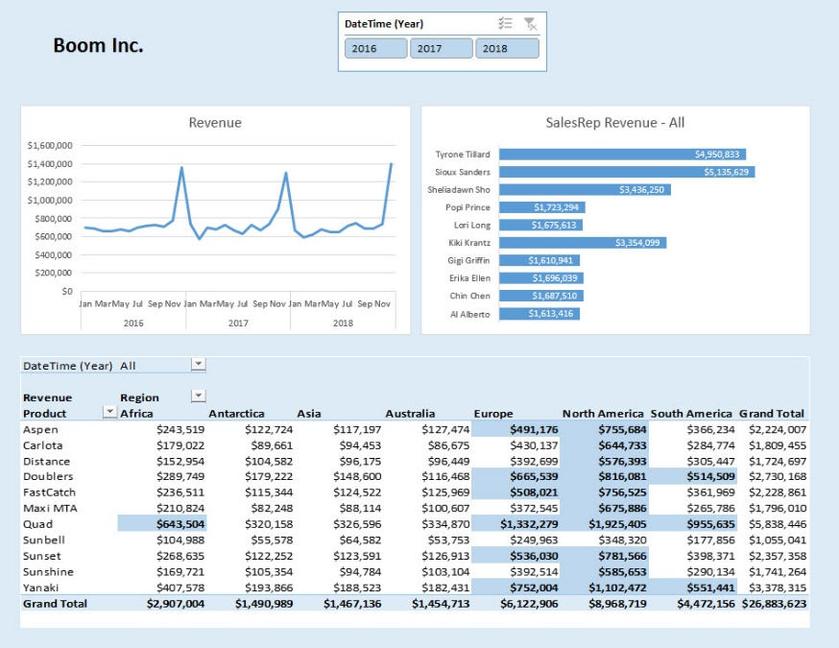
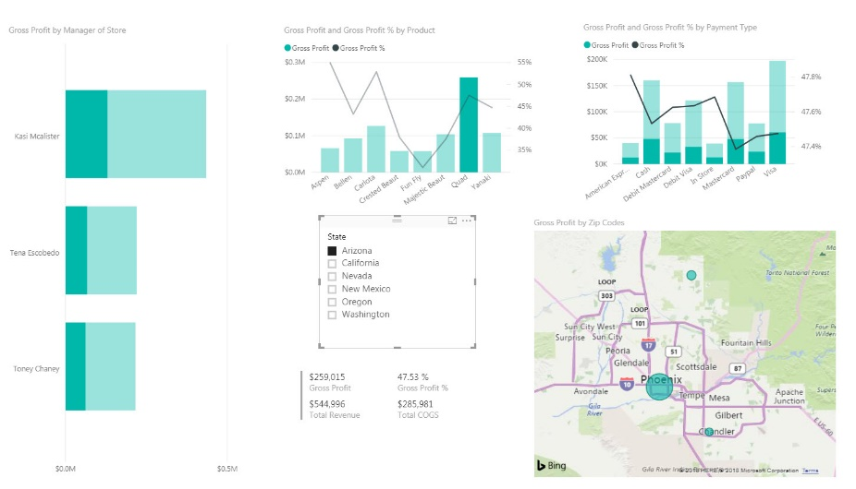
Dashboards in Excel: | Dashboards in Power BI Desktop:

