FB-TaaS_Periodic_Table
 | Vendor Name | and American Express Confidential
Do not copy or redistribute without approval by an authorized representative of |  |  |  | Vendor Name
All deliverables will be subject to the final written acceptance of the Amexco Project Manager. Such final written acceptance will be based upon the deliverables’ completeness, adequacy, and accuracy in addressing all requirements of this SOW.
Select SOW Type in Cell D10 of SDF
Note: Please fill the details in Grey highlighted cells. Other cells are locked and will auto populate.

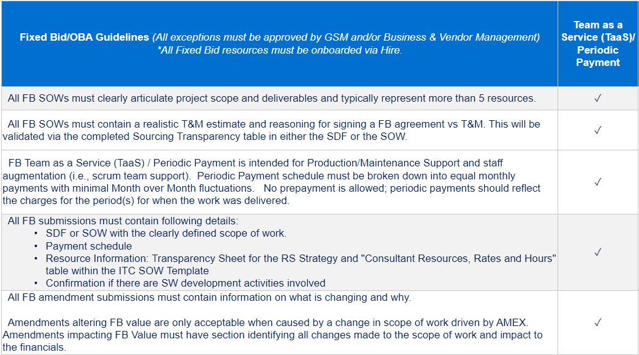
Payment Number | Enter Payment Month | Specify Time Period for Payment | Cost | Currency
1 |  |  | - | Select Currency
2 |  |  | - | Select Currency
3 |  |  | - | Select Currency
4 |  |  | - | Select Currency
5 |  |  | - | Select Currency
6 |  |  | - | Select Currency
7 |  |  | - | Select Currency
8 |  |  | - | Select Currency
9 |  |  | - | Select Currency
10 |  |  | - | Select Currency
11 |  |  | - | Select Currency
12 |  |  | - | Select Currency
13 |  |  | - | Select Currency
Fixed Bid Labor Charges Total |  |  | - | Select Currency

Passthrough Charges |  | Cost Description |  | Cost
Other Charges |  |  |  | 0.00
Travel & Expense (T&E) Charges |  |  |  | 0.00
Total SOW Value |  |  |  | 0.00

Select Y/N in Cell D15 of SDF_Template to confirm if this is an Amendment or Not
 |  | Enter the Current Total Value of the SOW for each row (SOW,Other,T&E), which is for each row the sum of the initial amount and amounts added or removed through any previous amendments. | Enter the new full amount for the SOW for each row (SOW,Other,T&E), which is for each row the sum of the initial amount and amounts added or removed through any previous amendments, plus the change of this current request. | This Column is read-only and auto-calculated based on the difference in Original and New Values. Reduction in value resulting in a negative amount will display in red. Negative amounts will be submitted as a Zero dollar amendments.
Amendment Details |  | Original Values | New Values | Amended Values
Fixed Bid Labor Charges |  | 0.00 | 0.00 | 0.00
Other Charges |  | 0.00 | 0.00 | 0.00
Travel & Expense (T&E) Charges |  | 0.00 | 0.00 | 0.00
Total Amendment SOW Value |  | 0.00 | 0.00 | 0.00

