matrix
corresponds to rhs vector b/corresponds to flows | r1 | r2 | r3 | r4 | r5 | r6 | r7 | r8 | r9 | r10 | r11 | r12 | r13 | r14 | r15 | r16 | r17 | r18 | r19 | r20 | r21 | r22 | r23 | r24 | r25 | r26 | r27 | r28 | r29 | r30 | r31 | r32 | r33 | r34 | r35 | r36 | r37 | r38 | r39 | r40 | r41
Eaten PP |  |  |  | 0.68571428571 |  | -1
sinking PP |  |  |  | 0.11428571429 | -1
PP to DOM |  |  | -1 | 0.15714285714
2. Zooplankton |  | -1 |  |  |  | 0.875
Eaten ZP |  |  |  |  |  | 0.088541666667 | -1
3. Higher Predators | -1 |  |  |  |  |  | 0.94117647059
wild caught |  |  |  | 0.00046071428571 |  |  |  | -1
4. Capture fisheries |  |  |  |  |  |  |  | 1 | 1 | 1 | -1 | -1 | -1 | -1 |  |  |  |  |  |  | -1
krill |  |  |  |  |  |  |  |  | 1 |  | -1 |  |  | -1 |  |  |  |  |  |  | -1
5. Fish processing |  |  |  |  |  |  |  |  |  |  |  | 1 |  |  | -1 |  | -1 | -1
byproduct for FM&O |  |  |  |  |  |  |  |  |  |  |  | 0.086720867209 |  |  | -1
fisheries byproduct |  |  |  |  |  |  |  |  |  |  |  | 0.11924119241 |  |  |  |  | -1
6. Fish meal and fish oil production |  |  |  |  |  |  |  |  |  |  |  |  | 1 | 1 | 1 | -1 |  |  | 1 | -1 |  |  |  |  |  | -1 | -1 | -1 | -1 | -1 | -1 | -1 |  |  |  |  |  |  |  | 1
7. Aquaculture Shrimp + Freshwater Crustaceans |  |  |  |  |  |  |  |  |  |  |  |  |  |  |  |  |  |  |  |  |  |  |  |  |  | 1.0 |  |  |  |  |  |  | -1.0
Salmon + Trout |  |  |  |  |  |  |  |  |  |  |  |  |  |  |  |  |  |  |  |  |  |  |  |  |  |  | 0.4 |  |  |  |  |  |  | -1.0
Eel |  |  |  |  |  |  |  |  |  |  |  |  |  |  |  |  |  |  |  |  |  |  |  |  |  |  |  | 0.0 |  |  |  |  |  |  | -1.00
Marine Finfish |  |  |  |  |  |  |  |  |  |  |  |  |  |  |  |  |  |  |  |  |  |  |  |  |  |  |  |  | 0.1 |  |  |  |  |  |  | -1.0
Tilapia |  |  |  |  |  |  |  |  |  |  |  |  |  |  |  |  |  |  |  |  |  |  |  |  |  |  |  |  |  | 0.1 |  |  |  |  |  |  | -1.0
Milkfish |  |  |  |  |  |  |  |  |  |  |  |  |  |  |  |  |  |  |  |  |  |  |  |  |  |  |  |  |  |  | 0.0 |  |  |  |  |  |  | -1.0
Chinese carps + catfish |  |  |  |  |  |  |  |  |  |  |  |  |  |  |  |  |  |  |  |  |  |  |  |  |  |  |  |  |  |  |  | 51.5 |  |  |  |  |  |  | -1.0
aquaculture byproducts |  |  |  |  |  |  |  |  |  |  |  |  |  |  |  |  |  |  |  |  |  | -1 |  |  |  |  |  |  |  |  |  |  | 0.03 | 0.03 | 0.03 | 0.03 | 0.03 | 0.03 | 0.03
byproduct (for FM&O) |  |  |  |  |  |  |  |  |  |  |  |  |  |  |  |  |  |  | -1 |  |  |  |  |  |  |  |  |  |  |  |  |  | 0.053333333333 | 0.053333333333 | 0.053333333333 | 0.053333333333 | 0.053333333333 | 0.053333333333 | 0.053333333333
8. Retail and household food preparation |  |  |  |  |  |  |  |  |  |  |  |  |  |  |  |  |  | 1 |  | 1 | 1 |  | -1 | -1 | 1 |  |  |  |  |  |  |  | 1 | 1 | 1 | 1 | 1 | 1 | 1 | -1 | -1
unavoidable food waste |  |  |  |  |  |  |  |  |  |  |  |  |  |  |  |  |  |  |  |  |  |  | -1 |  |  |  |  |  |  |  |  |  |  |  |  |  |  |  |  |  | 0.27142857143
avoidable food waste |  |  |  |  |  |  |  |  |  |  |  |  |  |  |  |  |  |  |  |  |  |  |  | -1 |  |  |  |  |  |  |  |  |  |  |  |  |  |  |  |  | 0.25
unavoidable food waste to FMFO |  |  |  |  |  |  |  |  |  |  |  |  |  |  |  |  |  |  |  |  |  |  |  |  |  |  |  |  |  |  |  |  |  |  |  |  |  |  |  | -1 | 0

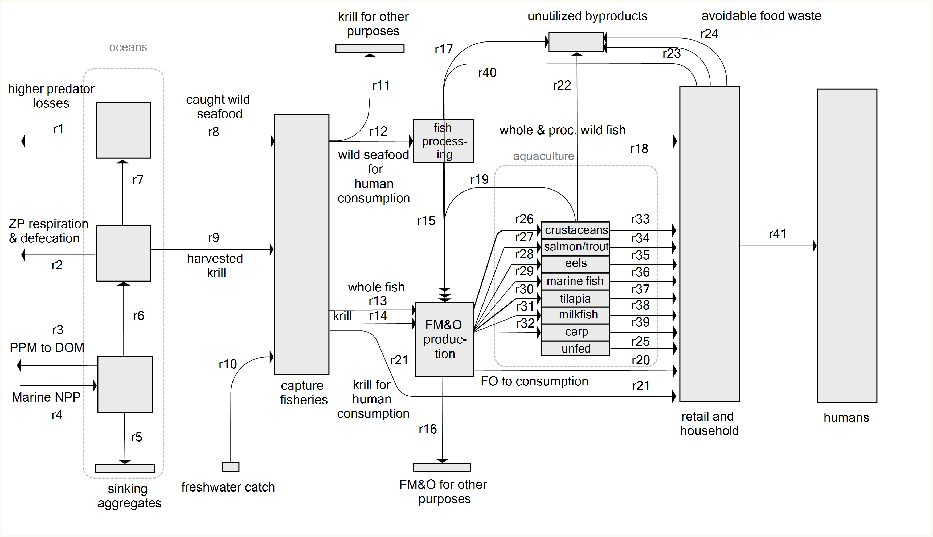
 |  |  | minus sign - going out of box, plus sign - going in
Unit = kilotonnes
fixed

 |  |  |  |  |  |  |  |  |  |  |  |  |  |  |  |  |  |  |  |  |  | 0.12716763006

 |  |  |  |  |  |  |  |  |  |  |  |  |  |  |  |  |  |  |  |  |  |  |  | Aqauculture's omega-3 input and output based on Hamilton et al 2020
 |  |  |  |  |  |  |  |  |  |  |  |  |  |  |  |  |  |  |  |  |  |  |  |  |  | FM consumed (kt EPA+DHA) | FO consumption (kt EPA + DHA) | Fish produced (kt EPA+DHA) | Net (t EPA+DHA) | conversion ratio (omega production/omega in FMFO)
 |  |  |  |  |  |  |  |  |  |  |  |  |  |  |  |  |  |  |  |  |  |  |  | R33 | Shrimp + Freshwater Crustaceans | 27.3 | 8 | 35.5 | 0.6 | 1.02 |  | 34.9
 |  |  |  |  |  |  |  |  |  |  |  |  |  |  |  |  |  |  |  |  |  |  |  | R34 | Salmon + Trout | 20.0 | 89 | 40.4 | -68.6 | 0.37 |  | 109.0
 |  |  |  |  |  |  |  |  |  |  |  |  |  |  |  |  |  |  |  |  |  |  |  | R35 | Eel | 4.5 | 3 | 0.2 | -7.4 | 0.03 |  | 7.6
 |  |  |  |  |  |  |  |  |  |  |  |  |  |  |  |  |  |  |  |  |  |  |  | R36 | Marine Finfish | 16.4 | 35 | 4.8 | -46.9 | 0.09 |  | 51.7
 |  |  |  |  |  |  |  |  |  |  |  |  |  |  |  |  |  |  |  |  |  |  |  | R37 | Tilapia | 8.2 | 11 | 2.2 | -16.8 | 0.11 |  | 18.9
 |  |  |  |  |  |  |  |  |  |  |  |  |  |  |  |  |  |  |  |  |  |  |  | R38 | Others | 11.8 | 6 | 0.5 | -17.5 | 0.03 |  | 18.0
 |  |  |  |  |  |  |  |  |  |  |  |  |  |  |  |  |  |  |  |  |  |  |  | R39 | Carps, catfish and cyprinids nei | 2.7 | 0 | 140.5 | 137.7 | 51.51 |  | 2.7
 |  |  |  |  |  |  |  |  |  |  |  |  |  |  |  |  |  |  |  |  |  |  |  |  | Total | 90.9 | 152 | 224.0 | -18.8
 |  |  |  |  |  |  |  |  |  |  |  |  |  |  |  |  |  |  |  |  |  |  |  |  | Unfed (by mass balance) | 0 | 0 | 76.0 | 0
 |  |  |  |  |  |  |  |  |  |  |  |  |  |  |  |  |  |  |  |  |  |  |  |  | 2009-2013 average | 0 | 0 | 0 | 0

