user guide
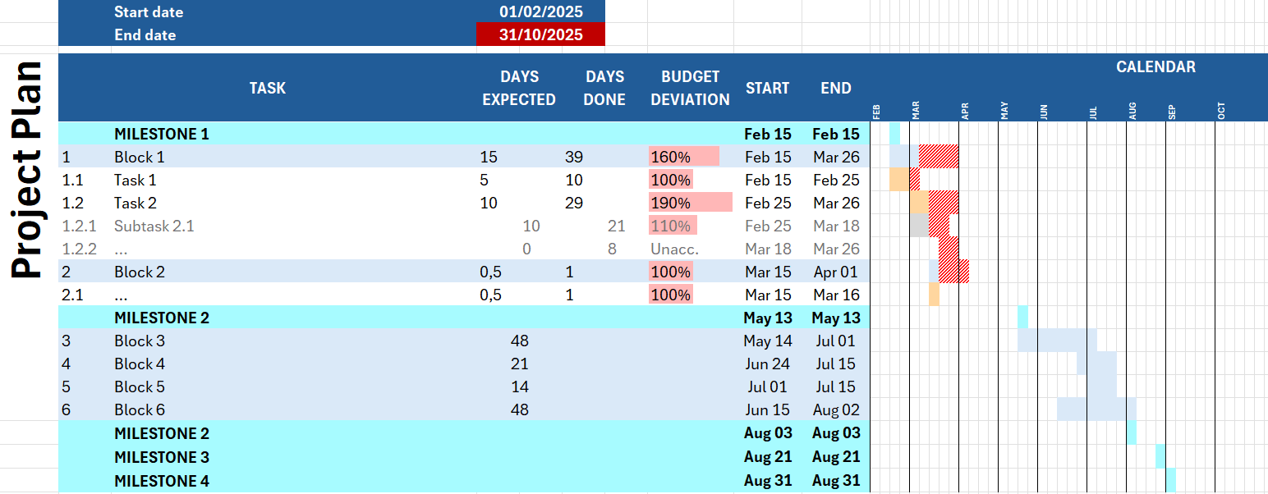
Gantt Chart Template Antonio López Rivera, 2025 With automatic: • Gantt chart plot based on task dates • Delay highlighting • Task classification hierarchy • Month labelling
User Guide Project duration Start date to end date. Task hierarchy Derived from task code. |  |  |  | Tip Tables Generator Export the Gantt chart to LaTeX at: • https://www.tablesgenerator.com
Milestones • Code: no code • Color: light blue |  | Blocks • Code: no period • Color: blue |  | Tasks • Code: one period • Color: orange |  | Subtasks • Code: two periods • Color: grey
 | MILESTONE | 1 | Block | 1.1 | Task | 1.1.1 | Subtask
Details • Automatic Gantt chart plotting based on task dates (formula) • Calendar rendering based on ISO week number • Automatically generated date range from project start to end date (SEQUENCE of ISO week numbers) • Automatically generated month labelling (formula) • Automatically highlighting (conditional formatting rules)

