Journal Entries
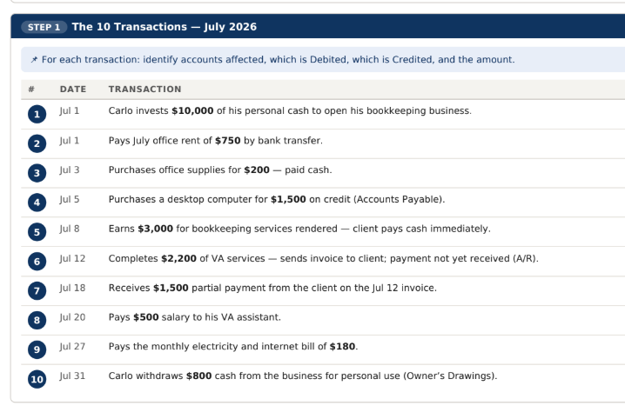
Carlo's Digital Solutions
General Journal - July 2026

DATE | ACCOUNT TITLE | REF | DEBIT | CREDIT | NOTES
2026-07-01 | Cash | 101 | 10,000 |  | Owner's Investment
 | Owner's Capital | 301 |  | 10,000 | Owner's Investment
2026-07-01 | Rent Expense | 501 | 750 |  | Paid office rent through cash
 | Cash | 101 |  | 750 | Paid office rent through cash
2026-07-03 | Office Supplies | 120 | 200 |  | Purchased office supplies through cash
 | Cash | 101 |  | 200 | Purchased office supplies through cash
2026-07-05 | Equipment | 150 | 1,500 |  | Purchased desktop on credit
 | Account Payable | 201 |  | 1,500 | Purchased desktop on credit
2026-07-08 | Cash | 101 | 3,000 |  | Service Revenue- client paid cash
 | Service Revenue | 401 |  | 3,000 | Service Revenue- client paid cash
2026-07-12 | Accounts Receivable | 110 | 2,200 |  | Service Revenue-payment to be collected
 | Service Revenue | 401 |  | 2,200 | Service Revenue-payment to be collected
2026-07-18 | Cash | 101 | 1,500 |  | Collected partial payment from client, service provided on July 12, 2026
 | Accounts Receivable | 110 |  | 1,500 | Collected partial payment from client, service provided on July 12, 2026
2026-07-20 | Salaries Expense | 510 | 500 |  | To record salary expense - paid through cash
 | Cash | 101 |  | 500 | To record salary expense - paid through cash
2026-07-27 | Utilities Expense | 520 | 180 |  | To record payment of utilitites through cash
 | Cash | 101 |  | 180 | To record payment of utilitites through cash
2026-07-31 | Owner's Drawing | 302 | 800 |  | Owner's withdrawal
 | Cash | 101 |  | 800 | Owner's withdrawal
 |  |  | 20,630 | 20,630

 |  |  | Validation | Okay

