RC Snubber Design
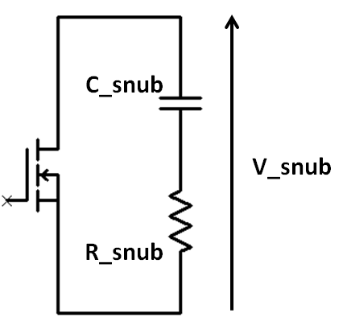
Biricha RC Snubber Design Tool

Input values in dark yellow cells
Results are shown in light red

Type in the Necessary Parameters
Step 1: Input ringing frequency Fr, (from scope measurement) |  |  | 25000000 | Hz
Step 2: Input total leakage inductance (from measurement)* |  |  | 2.5e-07 | H
Step 3: Input voltage across the snubber, V_snub (from WDS) |  |  | 19.5 | V
Step 4: Input maximum allowable snubber power loss, Ploss_snub |  |  | 0.025 | W
Step 5: Input PSU switching frequency, Fs |  |  | 200000 | Hz

Calculated Component Values
R_snub (ohms) | C_snub (F)
39.3 | 3e-10

Actual Component Values
Step 6: Type in actual component values used on the board
Actual R_snub (ohms) | Actual C_snub (F) | Ploss_snub (W)
39 | 4e-10 | 0.033462

* total leakage as seen on primary must include secondary leakage referred to primary - the east way is just to measure the total leakage with a Bode 100 or similar
* total leakage as seen on secondary must include primary leakage referred to secondary - the east way is just to measure the total leakage with a Bode 100 or similar

