Important notice
Important notice for 2025

Background The Your Future, Your Super reforms (the YFYS reforms) came into effect on 1 July 2021. The YFYS reforms are significant and far reaching, designed to ensure superannuation works in the best financial interests of all Australians. The YFYS reforms require the superannuation industry to improve its efficiency, transparency and accountability.
The Performance Test In 2025, MySuper and Trustee Directed Products (TDPs) were subject to an annual performance test, conducted by APRA. APRA is required to publish the performance test assessments on a website maintained by APRA before 1 September 2025. The assessment under the performance test, in conjunction with the ATO’s YourSuper comparison tool, is intended to hold RSE licensees to account for underperformance through greater transparency and increased consequences. Where a product fails the performance test in two consecutive years, the RSE licensee will be prohibited from accepting new beneficiaries into that product. Where an RSE licensee is advised by APRA that they have a product that has failed the performance test, they must, within 28 days of receiving this result, give notice in writing to beneficiaries who hold this product that it has failed the performance test. The Australian Securities and Investments Commission (ASIC) will be checking that communications made by RSE licensees about performance do not mislead members and are consistent with the required format.
YourSuper Comparison Tool The YourSuper Comparison Tool (the Tool) was first released by the ATO on 1 July 2021. The Tool helps consumers compare MySuper products and choose a super fund that meets their needs. The Tool uses information collated and supplied by APRA. The Tool contains the results of the performance test conducted for MySuper products for each fund.
The ATO's YourSuper Comparison Tool can be found at
https://www.ato.gov.au/Calculators-and-tools/YourSuper-comparison-tool/
The Tool can also be accessed by scanning the QR code below.


APRA Performance Test Disclaimer The Australian Prudential Regulation Authority (APRA) is an Australian Government statutory authority that supervises institutions across banking, insurance and superannuation and promotes financial system stability in Australia. As part of APRA’s role, APRA makes publications including on statistics for the financial sector. 1. The Performance Test utilises asset allocation, investment return and fee data provided to APRA by regulated RSE licensees. Superannuation RSE licensees are responsible for ensuring they report accurate data to APRA. While APRA endeavours to ensure the quality of this publication, it does not accept any responsibility for the accuracy, completeness or currency of the material included in this publication and will not be liable for any loss or damage arising out of any use of, or reliance on, this publication. 2. The Performance Test is not a substitute for independent professional advice and you should always obtain any appropriate professional advice relevant to your particular circumstances. 3. APRA will take reasonable actions to ensure that any document published in relation to the Performance Test is not compromised with bugs, trojan horses, spyware or adware. APRA accepts no liability or responsibility for any interference with or damage to your computer, software or data occurring as a result of access to, or use of, the Performance Test publications.
4. The Performance Test publications are subject to APRA’s copyright. This work is licensed under the Creative Commons Attribution 4.0 Licence (CCBY 4.0). This licence allows you to copy, redistribute and adapt this work, provided you attribute the work and do not suggest that APRA endorses you or your work. To view a full copy of the terms of this licence, visit:
https://creativecommons.org/licenses/by/4.0/

Colour Legend
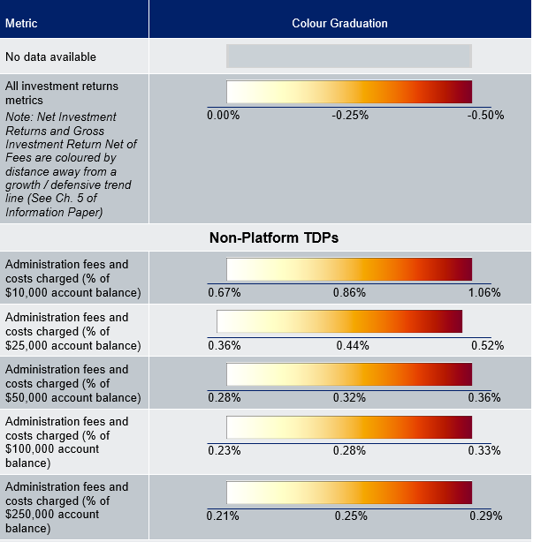
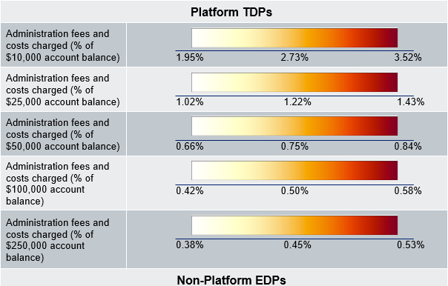
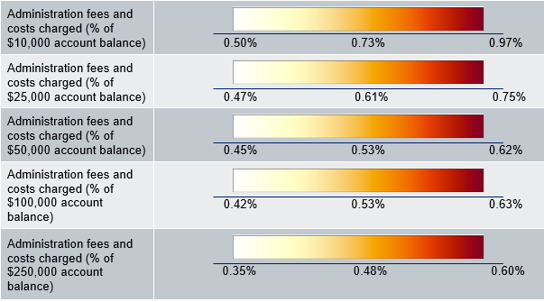
Colour Legend

The CPPP is presented with a colour overlay to provide stakeholders with a visual illustration of the outcomes provided by Choice investment pathways relative to peers and appropriate benchmarks. The colour overlay is a continuous colour gradient that shows the degree of underperformance relative to other options or selected benchmarks. The colour graduation for each metric is listed in the table below. Refer to the Methodology Paper for more information on the colour overlay and thresholds for each metric.

