Instructions
Feedback to the shielded vulnerable people service.

This template is for local authority use only.
Read these instructions carefully before inputting and sending your data.

Instructions

1. Download your latest 'outcomes-' file from your GOV.UK data transfer account.

2. Copy the contents of the outcomes file into your template (the second tab on this document). Make sure the data matches the yellow columns headers on the template worksheet.
Paste your copied data into the greyed out area in the template worksheet. (Using this template will be easier than creating your own spreadsheet, as it contains formatting).

3. Enter the following feedback for each outcome (each row of data), into the first 3 columns:

 | Code | Outcome code - when you click into this field, select an outcome code from the drop down list. The codes tab on this document has a full list of codes.
 | Date | Date that this outcome was completed, in the format DD/MM/YYYY (for example, 28/05/2020).
 | Comments | Any comments - this field is not mandatory. If you enter text, start and end the text in in double quotation marks.
 |  | There is a 125 character limit for each comment.
 |  | Please do not use line breaks in the comments column.

 | You do not need to feedback on every case - some fields can be left blank.

4. Save this document to your own device.

5. Save a second copy as a CSV file, but only save the template tab. To do this you must:

 | 5.1 Leave this instructions tab and go to the template worksheet (second tab)
 | 5.2 Select "Save As" from the File menu
 | 5.3 Change the type of file you save as to: CSV UTF-8 (comma-delimeted)
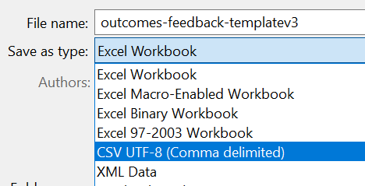

 | (If you see a warning that this may cause data loss on other sheets, that is fine - click OK)

It is important you save the document whilst on the template tab, as it will only save the page that you are currently viewing.

6. Upload the CSV file you've just created, using the upload tool in your GOV.UK data transfer account: https://transfer-coronavirus-data.service.gov.uk/

