Assignment
The different deliverables for this assignment are located in the tabs of this workbook.
Deliverables
1 | Include a written test report in your assignment summary with the results of running your test set against the initial buggy implementations to classify Triangle

2 | Upload a copy of source code for the improved program
3 | Upload a copy of the test set as a separate file
4 | Upload a creen shot or output file of running the test set on the improved program

5 | Include a written test report on your assignment summary with the results of running the new/improved program | Link to Github

6 | the assignment summary should include a matrix in the summary results along with a description of the strategy you used to decide when you has a sufficient number of test cases.

1. Assignment Description: HW 02a - Testing a legacy program and reporting on testing results
2. Author: Alisha Sacharoff
3. Summary: at the top, include
Three seperate rounds of testing was performed.
1) The first round of testing used the baseline Triange program and the baseline unitTest file. The purpose was to see what errors occured at the baseline, tab named BaselineTestSummary provides a very detailed summary on this round of test.
a. bugs = 5
b. three of three unitTests failed
2) The second round of testing was attempting to get the unitTests opperating with as little change to the baseline code as possible. The reason being is I don't know what the original requirements were so to make major changes to the program could affect the programs ability to meet stakeholder requirements. For example the program sets an upper limit on the length of the sides that can be used, this may be based on a stakeholder requirement where the customer knows that the trianblge they are studying should not exceed that length so setting that limit helps prevent input errors. The tab named v2TestSummary provides a detailed summary for this round of test.
a. bugs = 0
b. three of three unitTests passed
3) The final round of test was attempting to improve the unitTestings to over more of the code. Three additional unitTests were added, the tab names v3TestSummary provided a detailed summary for this round of tests.
a. bugs = 0
b. six of six unitTests passed
Also included in this workbook is:
- A side by side code comparison between the baseline ClassifyTriangle program and the updated version, located in the tab named CodeUpdates.
- In the tab named UnitTestUpdates there is a side by side code comparison of the three versions of the unitTests and how the code changed between the three rounds of testing.
- Tab named SummaryResults Matrix provides an at a glance of the three rounds of testing performed.
- Final tab names Decision Table shows how the updated unitTest were derived based on the functions in the code.
- reflection -- this is where you actually think about the assignment after it is over -- what did you learn? What worked, what didn't?
I very much dislike starting any project from someone else code, but becuase this program was so small it was an acheivable goal. In my previous experience it is very rare that code is documented well enough to reuse it on new projects without the original creator being involved. However this exercise made me wonder if we broke the code into much smaller buckets, maybe to the level of the specific funcations would we be able to test them individually and resue them. Im not sure there is proof that doing all that work at a larger scale is less time consuming then just rewritting the code but it is worth investigating.
Also learned that based on the way this code was written it was impossible to write a unitTest for non-numbers. Becuase of the statement in line 39 that verifies all three lines are integers the unitTest would not allow me to put in a non-number variable. And becuase the program doesn't request the user for input I wasn't able to manually test for this.
5. Honor pledge: I pledge that I didn't cheat of copy my work.
6. Detailed results, if any:
- assumptions or constraints made
1) Assumed that this testing is for the classifyTriangle function only and that other aspects of the program would be tested by other developers. This is why the request for input is not included here.
2) There are stakeholder requirements I am not aware of so any major modifications to the code could make the program not compliant to the requirements. For example maybe the user is studying triangles and they shuold not have sided larger than 200 so by setting that value as an upper limit they are ensuring only the triangle they want to study are included.
- A description of whatever data inputs you used
Generic data input were used for values known to represent the triangle being tested. Also input the exceeded valid outcomes were used to ensure the the program had the proper responce.
- An explanation of the results of your work. In this case, upload copies of the code, the sanity tests, and the results, plus any other relevant results about the tools selection/installation/usage.
Please see the various tabs of this workbook.

BaselineTestSummary
 | The first test was performed using the files provided by the professor also referred to as the baseline. It is assumed that the purpose of this assignment is to test this function only and that other aspects of a program are not being tested, for example the request for user input of the sides is being done and tested seperatly.

Triangle Program Test Cases |  |  | Inputs |  |  |  |  |  | List of Defects |  |  | for Triangle.py
 |  | Test ID | a | b | c | Expected Result | Actual Results | Pass / Fail |  | # | Description
 | classifyTriangle | testRightTriangleA | 3 | 4 | 5 | 1) Right 2) 3,4,5 is a Right triangle | InvalidInput' != 'Right' | Fail |  | Classify Triangle Program: Triangle.py
 |  | testRightTriangleB | 5 | 3 | 4 | 1) Right 2) 5,3,4 is a Right triangle | InvalidInput' != 'Right' | Fail |  | 1 | Line 34, side be is set to be less than or equal to itself, it should be greater than or equal to zero
 |  | testEquilateralTriangles | 1 | 1 | 1 | 1) Equilateral 2) 1,1,1 should be a equilateral | InvalidInput' != 'Equilateral' | Fail |  | 2 | line 46, 2 equations are wrong
 |  |  |  |  |  |  |  |  |  | 3 | line 46 should be a "if not" statement
 |  |  |  |  |  |  |  |  |  | 4 | line 50 second equation is worng
 | Screen Shot of Test Results |  |  |  |  |  |  |  |  | UnitTest: TestTrianlge.py
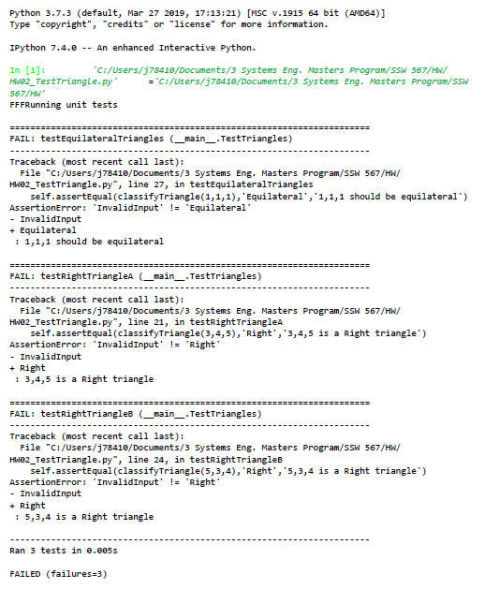
 |  |  |  |  |  |  |  |  |  | 5 | All unit test assert incorrect class type, should be assert True
 |  |  |  |  |  |  |  |  |  | 6
 |  |  |  |  |  |  |  |  |  | 7
 |  |  |  |  |  |  |  |  |  | 8

decision table
Decision table for: classifyTriangle(a,b,c): values between 0 and 200 |  |  |  |  |  |  |  |  |  |  | Decision table for: non-number entries
 |  | Combinations |  |  |  |  |  |  |  |  |  |  | Combinations
Inputs | Values | 1 | 2 | 3 | 4 | 5 | 6 | 7 | 8 | 9 | Inputs | Values | 1 | 2 | 3 | 4 | 5 | 6 | 7 | 8 | 9
no need to list all out, anything other than Combination 1 can be combined.
no need to list all out, anything other than Combination 1 can be combined.
a | number betweeen 0 & 200 (1) number < 0 (2) number > 200 | 1 | 2 | 2 | 2 | 1 | 3 | 3 |  |  | Length_a | is number (1) not a number (2) | 1 | 2 | 2 | 2
b | number betweeen 0 & 200 (1) number < 0 (2) number > 200 | 1 | 1 | 2 | 2 | 3 | 1 | 3 |  |  | length_b | is number (1) not a number (2) | 1 | 1 | 2 | 2
Test Case A
Test to ensure input is between 0 and 200.
- enter positive numbers, (done in tests B,C,D & E)
- enter non-positive numbers, ensure program recognized invlid input
- enternumber larger than 200, ensure program recognizes unvalid input
- use non-number unit test
c | number betweeen 0 & 200 (1) number < 0 (2) number > 200 | 1 | 1 | 1 | 2 | 3 | 1 | 1 |  |  | length_c | is number (1) not a number (2) | 1 | 1 | 1 | 2
effects |  |  |  |  |  |  |  |  |  |  | effects
TRUE |  | x |  |  |  |  |  |  |  |  | TRUE |  | x
FALSE |  |  | X | X | X | X | X | X |  |  | FALSE |  |  | X | X | X | X | X | X

Decision table for: def triangle_type (a,b,c): |  |  |  |  |  |  |  |  |  |  | Decision table for: is_trianlge(length_a, length_b, length_c):
 |  | Combinations |  |  |  |  |  |  |  |  |  |  | Combinations
Inputs | Values | 1 | 2 | 3 | 4 |  |  |  |  |  | Inputs | Values | 1 | 2 | 3 | 4 | 5
a==b and b==c | True, False | T | F | F | F |  |  |  |  |  | a==b and b==c | True, False | T | F | F | F | F
a**2+b**2==c**2 or b**2+c**2==a**2 or a**2+c**2==b**2 | True, False | F | T | F | F |  |  |  |  |  | a**2+b**2==c**2 or b**2+c**2==a**2 or a**2+c**2==b**2 | True, False | F | T | F | F | F
a==b or b==c or a==c | True, False | F | F | T | F |  |  |  |  |  | a==b or b==c or a==c | True, False | F | F | T | F | F
None of the above are true | True, False | F | F | F | T |  |  |  |  |  | None of the above are true | True, False | F | F | F | T | F
Test Case B:test numbers that represent Equilateral Triangle
Test Case C: test numbers that represent Right Triangle
Test Case D: test numbers that represent Isosceles
Test Case E: test numbers that represent Scalene
effects |  |  |  |  |  |  |  |  |  |  | effects
Equilateral |  | X |  |  |  |  |  |  |  |  | Equilateral |  | X
Right |  |  | X |  |  |  |  |  |  |  | Right |  |  | X
Isosceles |  |  |  | X |  |  |  |  |  |  | Isosceles |  |  |  | X
Scalene |  |  |  |  | X |  |  |  |  |  | Scalene |  |  |  |  | X

