stock_analysis
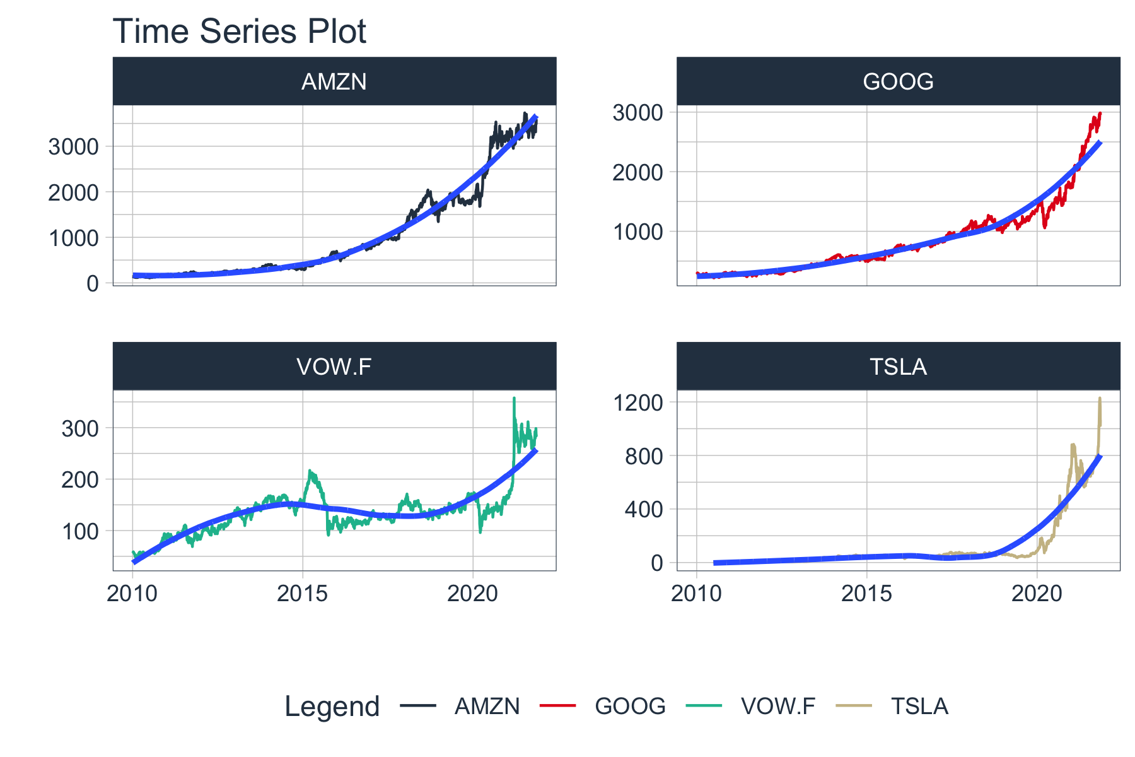
year | AMZN | GOOG | TSLA | VOW.F
2010 | 0.34428684142 | -0.052301557862 | 0.11469233989 | 0.48289536668
2011 | -0.060362582454 | 0.068751545442 | 0.072877535687 | -0.062554368154
2012 | 0.40127350947 | 0.063073927333 | 0.2061965812 | 0.57834484325
2013 | 0.54984264933 | 0.5495472527 | 3.2542420814 | 0.20119147859
2014 | -0.22016733618 | -0.053244227151 | 0.48174543638 | -0.043460373599
2015 | 1.1907495109 | 0.44997897943 | 0.094386918061 | -0.18083662385
2016 | 0.17720844404 | 0.040412998637 | -0.043507453639 | -0.0012478543874
2017 | 0.55170034283 | 0.33106063047 | 0.43485878231 | 0.21362262857
2018 | 0.26321053512 | -0.027596258216 | 0.038280268386 | -0.16430317616
2019 | 0.20057432445 | 0.27840517348 | 0.34892949016 | 0.31985522524
2020 | 0.71597089311 | 0.28120407162 | 7.2005062822 | -0.006597849225
2021 | 0.11971274921 | 0.70858799419 | 0.4589938622 | 0.73127561716

