Hoja1
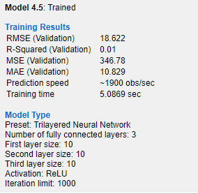
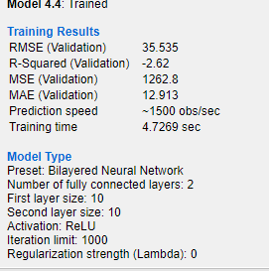
 |  |  | STIFFNESS |  |  |  | STRENGTH
MODEL | RMSE | R-Squared | Prediction Speed | Training Time[S] | RMSE | R-Squared | Prediction Speed | Training Time[S]
FINE TREE | 16.859 | 0.19 | 780 | 3.7636 | 167.53 | 0.55 | 2400 | 0.835
LINEAR REGRESSION | 14.984 | 0.36 | 630 | 3.9478 | 183.31 | 0.46 | 1600 | 0.9456
Linear SVM | 16.245 | 0.24 | 1200 | 3.0226 | 176.24 | 0.5 | 1600 | 1.2923
Gaussian SVM | 13.475 | 0.48 | 1500 | 0.587 | 162.92 | 0.57 | 2200 | 0.8316
Rational quadratic Gaussian | 11.064 | 0.65 | 670 | 8.606 | 146.72 | 0.65 | 1800 | 1.377
Matern 5/2 GPR | 10.905 | 0.66 | 930 | 1.5525 | 142.87 | 0.67 | 2500 | 1.2855
Exponential GPR | 11.092 | 0.65 | 1200 | 1.5616 | 140.21 | 0.68 | 1600 | 1.1625
Narrow Neural network | 46.228 | -5.12 | 1000 | 6.814 | 1014.8 | -15.58 | 1800 | 5.042
Medium Neural network | 30.128 | -1.6 | 1600 | 3.6 | 445.59 | -2.2 | 1700 | 3.99
Wide Neural Network | 30.584 | -1.68 | 1900 | 4.338 | 481.14 | -2.73 | 2700 | 3.38
Trilayered Neural network | 18.622 | 0.01 | 1900 | 5.0869 | 302.25 | -0.47 | 2600 | 4.13
Micromechanics |  |  | NA |  |  |  | NA | NA

