Sheet1
id_designated_in_the_template | images_to_be_replaced_with
image_1 | 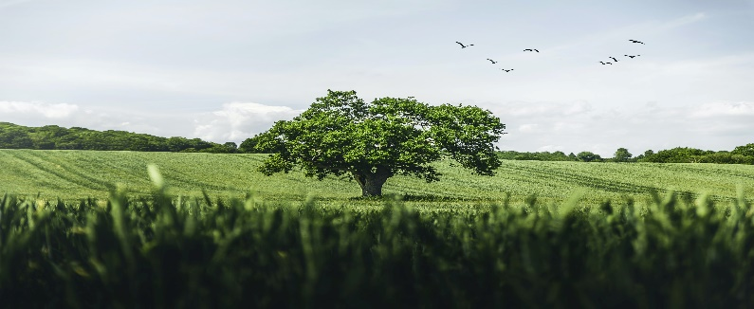
image_2 | 