6. Model_Disc
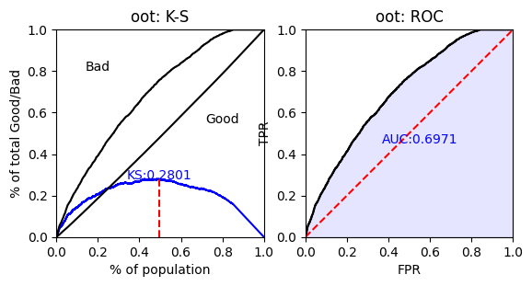
返回目录
模型区分度评估
区分度评测指标 | 训练集 | 测试集 | 差值
KS | 0.317 | 0.335 | 0.018
AUC | 0.726 | 0.73 | 0.008
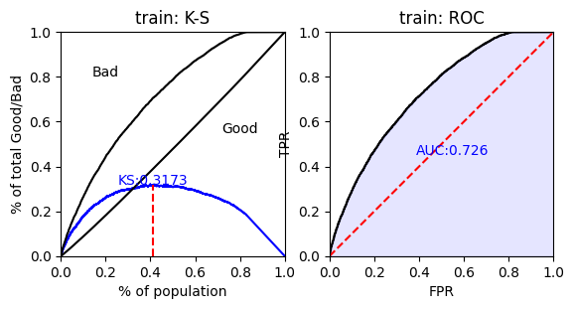
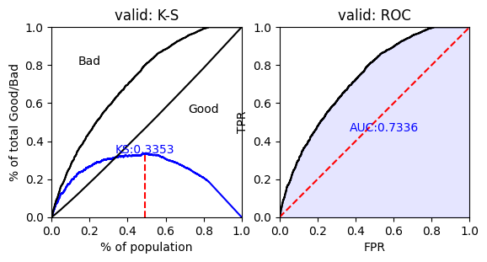

模型区分度评估
区分度评测指标 | 训练集 | 验证集 | 差值
KS | 0.317 | 0.280 | -0.037
AUC | 0.726 | 0.697 | -0.029

