daly_viz
Disability weights
 | Average of UB | Average of Disability weight | Average of LB
Acute subclinical | 0.0% | 0.0% | 0.0%
No infection | 0.0% | 0.0% | 0.0%
Compensated cirrhosis subclinical | 15.2% | 12.7% | 10.2%
Compensated cirrhosis on AVT | 6.4% | 5.3% | 4.2%
Decompensated cirrhosis subclinical | 15.2% | 12.7% | 10.2%
Decompensated cirrhosis on AVT | 15.2% | 12.7% | 10.2%
Hepatocellular carcinoma | 62.3% | 51.9% | 41.5%
Chronic HBeAG- subclinical | 6.4% | 5.3% | 0.0%
Chronic HBeAG- clinically managed | 6.4% | 5.3% | 0.0%
Immune reactive on AVT | 6.4% | 5.3% | 4.2%
Chronic HBeAG- on AVT | 6.4% | 5.3% | 4.2%
Acute clinically managed | 0.0% | 0.0% | 0.0%
Immune tolerant subclinical | 6.4% | 5.3% | 0.0%
Immune tolerant clinically managed | 6.4% | 5.3% | 0.0%
Carrier subclinical | 6.4% | 5.3% | 0.0%
Carrier clinically managed | 6.4% | 5.3% | 0.0%
Immune reactive subclinical | 6.4% | 5.3% | 0.0%
Acute subclinical | 0.0% | 0.0% | 0.0%
No infection | 0.0% | 0.0% | 0.0%
Acute on AVT | 8.0% | 4.0% | 0.0%
Chronic HCV subclinical | 26.0% | 21.0% | 18.0%
Chronic HCV on AVT | 41.0% | 25.0% | 9.0%
Chronic HCV treatment failure | 26.0% | 21.0% | 18.0%
Compensated cirrhosis subclinical | 26.0% | 25.2% | 23.0%
Compensated cirrhosis on AVT | 45.0% | 29.9% | 15.0%
Compensated cirrhosis treatment failure | 26.0% | 25.2% | 23.0%
Decompensated cirrhosis subclinical | 31.0% | 32.8% | 40.0%
Decompensated cirrhosis on AVT | 36.8% | 38.9% | 47.5%
Decompensated cirrhosis treatment failure | 31.0% | 32.8% | 40.0%
Hepatocellular carcinoma | 80.0% | 39.0% | 33.0%
AIDS undetected | 18.9% | 13.7% | 9.2%
ART year 1 | 17.8% | 12.7% | 8.5%
ART year 2 | 11.1% | 7.8% | 5.2%
ART year 3 | 11.1% | 7.8% | 5.2%
ART year 4+ | 11.1% | 7.8% | 5.2%
AIDS on ART year 1 | 42.7% | 33.0% | 22.9%
AIDS on ART year 2 | 26.9% | 20.4% | 14.1%
Residual disability from AIDS on AVT | 26.9% | 20.4% | 14.1%
FNHTR (7-30d) | 7.4% | 5.1% | 3.2%
Malaria (7-20d) | 7.4% | 5.1% | 3.2%
Sepsis inpatient | 60.0% | 50.0% | 40.0%
Syphilis 1-year disability | 15.0% | 12.0% | 9.0%
Sepsis sequelae (20-60d) | 79.0% | 69.0% | 59.0%

HIVcosting
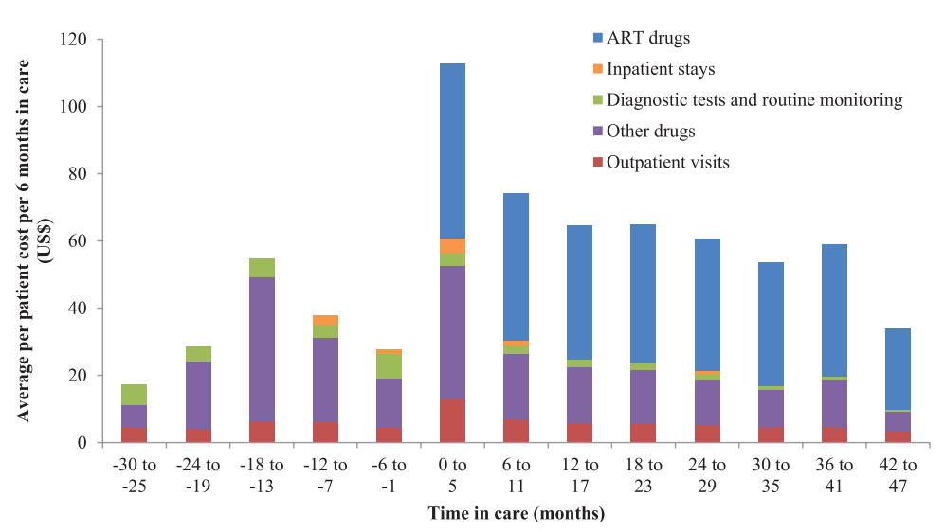
Costs while on AVT by year from initiation
Periods start relative to ART initiation | In text | Line plot WebPlotDigitizer | Col plot WebPlotDigitizer | Cost |  | Cost by Markov state
-2.5 |  | 16.913946588 | 17.278481013 | 17.0962138 |  |  | BC | LB | UB
-2 |  | 29.376854599 | 28.481012658 | 28.928933629
-1.5 |  | 55.192878338 | 54.683544304 | 54.938211321 |  | ART year 1 | $186.70 | $149.36 | $224.04
-1 |  | 37.685459941 | 37.784810127 | 37.735135034 |  | ART year 2 | $64.52 | $51.62 | $77.43
-0.5 |  | 28.189910979 | 27.721518987 | 27.955714983 |  | ART year 3 | $57.02 | $45.61 | $68.42
0 | 112.6 | 111.8694362 | 112.78481013 | 112.6 |  | ART year 4+ | $46.35 | $37.08 | $55.62
0.5 | 74.1 | 73.590504451 | 74.050632911 | 74.1
1 |  | 64.09495549 | 64.556962025 | 64.325958757
1.5 |  | 64.6884273 | 64.746835443 | 64.717631371
2 |  | 60.237388724 | 60.569620253 | 60.403504489
2.5 |  | 53.709198813 | 53.544303797 | 53.626751305
3 |  | 58.753709199 | 58.860759494 | 58.807234346
3.5 | 33.9 | 33.827893175 | 33.797468354 | 33.9 |  |  |  |  |  | Bar0, 17.27848101265822
 |  |  |  |  |  |  |  |  |  | Bar1, 28.481012658227844
 |  |  |  |  |  |  |  |  |  | Bar2, 54.68354430379747
 |  |  |  |  |  |  |  |  |  | Bar3, 37.78481012658227
 |  |  |  |  |  |  |  |  |  | Bar4, 27.72151898734177
 |  |  |  |  |  |  |  |  |  | Bar5, 112.7848101265823
Cost for subclinical AIDS |  |  |  |  |  |  |  |  |  | Bar6, 74.0506329113924
 |  |  |  |  |  |  |  |  |  | Bar7, 64.55696202531645
CD4+ cell count at treatment initiation (by year of ART initiation) | 2009 | 2010 | 2011 | Sum | % of AIDS |  |  |  |  | Bar8, 64.74683544303798
≤50 cells/μl | 20 | 23 | 21 | 64 | 33% |  |  |  |  | Bar9, 60.56962025316456
51–100 cells/μl | 15 | 24 | 11 | 50 | 26% |  |  |  |  | Bar10, 53.544303797468366
101–150 cells/μl | 13 | 15 | 12 | 40 | 20% |  |  |  |  | Bar11, 58.860759493670884
151–200 cells/μl | 16 | 12 | 14 | 42 | 21% |  |  |  |  | Bar12, 33.797468354430386

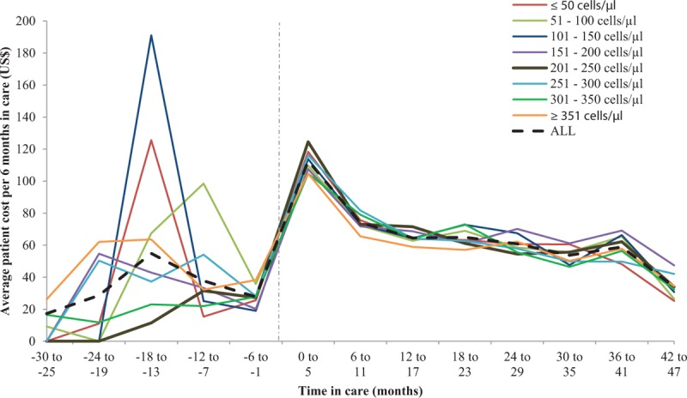
 | CD4:
 | <=50 | 51-100 | 101-150 | 151-200
-18 to -13 | $126 | $68 | $192 | $43
-12 to -7 | $15 | $99 | $25 | $33
1-year cost | $141 | $167 | $217 | $77
% of AIDS patients | 0.32653061224 | 0.25510204082 | 0.20408163265 | 0.21428571429

Weighted annual aids cost not on ART | $149.27

Cost for ART initiation by year

Estimates for first year from Dr. Norman:
Patients characteristics | Cost of Baseline Laboratory investigations (Cedis) | Cost of lab Investigations (BU and E, CBC) for minimum of 4 follow-up visits during the first year in (Cedis) | Additional investigations and treatment | Total, low (excl. ART) in Cedi | Total, high (excl. ART) in Cedi | Cedi to USD | AVT first year (USD, from Mikkelson)
HIV Asymptomatic Including Asymptomatic AIDS diagnosed by CD4 count | 340 | 238 | Usually none | 578 | 578 | 0.17 | $103.80
Symptomatic HIV (Not AIDS) | 340 | 238 | LFTs, antibiotics, antifungals etc. 250-550 | 828 | 1128 | 0.17 | $103.80
AIDS | 340 | 238 | LFTs, biopsy, Imaging, Antibiotics, Antifungals, Antivirals etc. 1500-3000 | 2078 | 3578 | 0.17 | $103.80
About second year costs: | In terms of ART the cost remains the same for all patients irrespective of stage of the infection cos we use the same drugs and it doesn't change over the years except there is treatment failure.
 | What may vary the cost will be the need to treat confections and other diseases that developed due to immunosuppression and associated investigations.
 | It is expected that the cost would be much less than the year one about a third of the cost of additional investigations a d treatment for year one
 | Base case | Low | High
AIDS first year: | 584.56 | 457.06 | 712.06
AIDS second year

Year 1 on ART from AIDS costs ($US) | Base case | Low | High
Baseline laboratory investigations | 57.8 | 57.8 | 57.8
Follow-up labs | 40.46 | 40.46 | 40.46
Additional investigations and treatments | 382.5 | 255 | 510
ART | 103.8 | 83.04 | 124.56
Total: | 584.56 | 436.3 | 732.82

Year 2 on ART from AIDS costs ($US) | Base case | Low | High
Baseline laboratory investigations | 57.8 | 57.8 | 57.8
Follow-up labs | 40.46 | 40.46 | 40.46
Additional investigations and treatments | 127.5 | 85 | 170
ART | 103.8 | 83.04 | 124.56
Total: | 329.56 | 266.3 | 392.82

