Sheet1
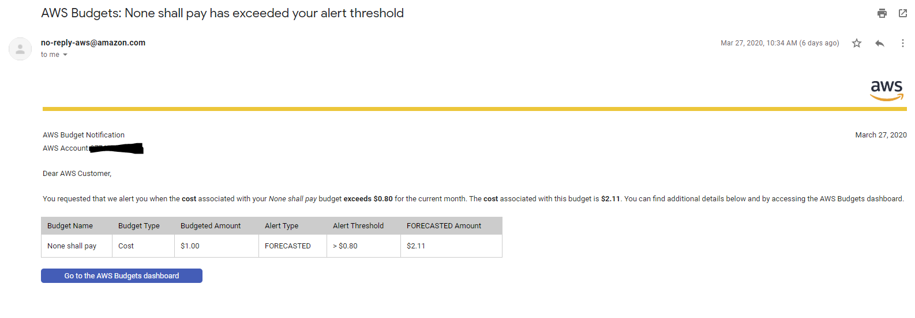
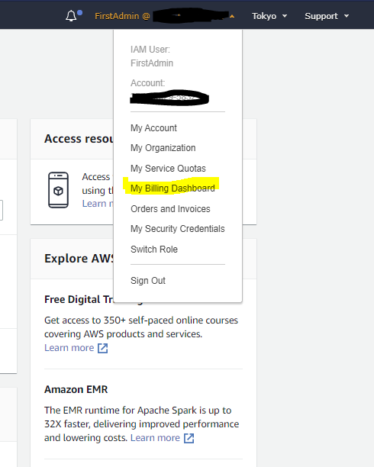
1 | log in into the console
 | go to Billing Dashboard

2 | Go to 「Budgets] | > [Create Budget]

3 | Select cost budget

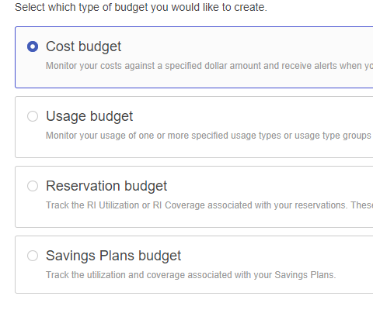

4 | Set your budget as belows
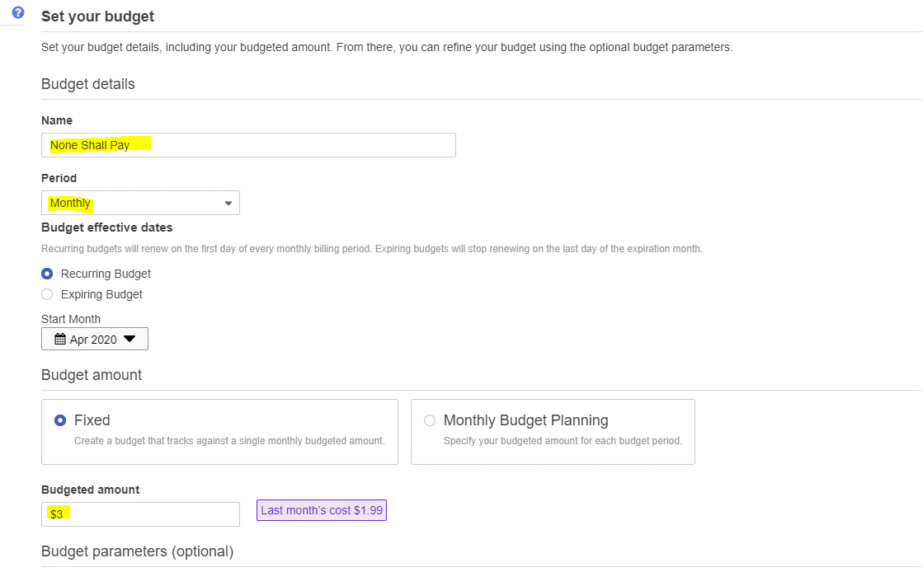

4 | Configure Alert
 | > Click on Manage your SNS topics (a new tab for SNS service will be opened)
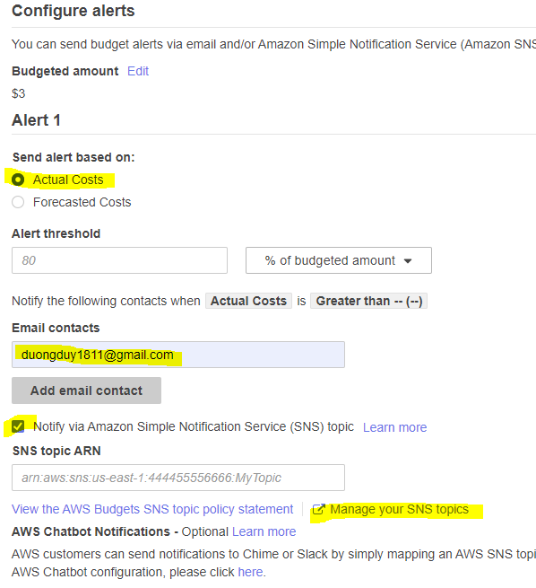

5 | Click on [Topic] > [Create Topic]

6



7 | you will be directed to the topic dashboard
 | click on [create subscription]

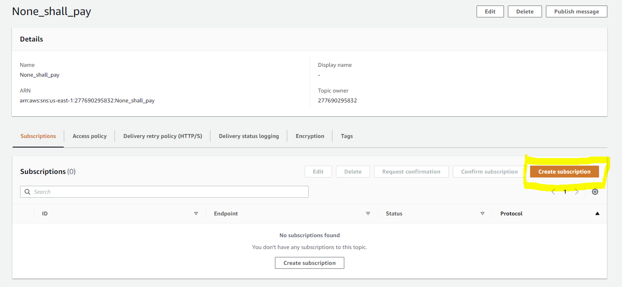

8 | Select [Email] as Protocol, enter your Email
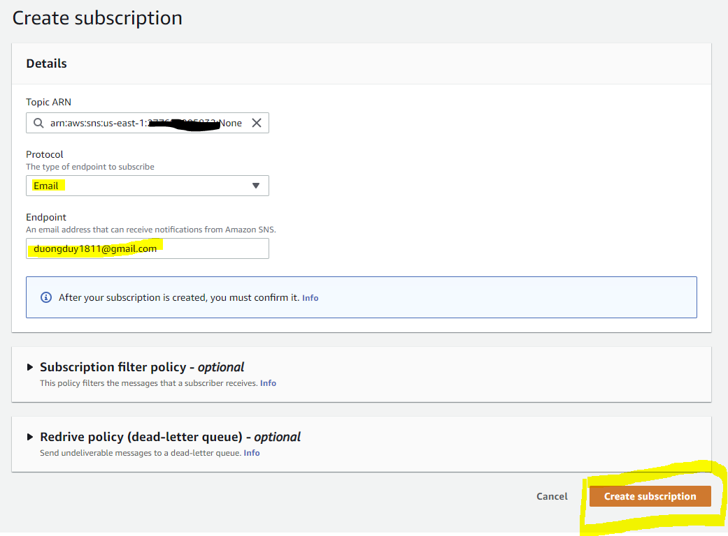

8 | Go to your email to confirm the subscription
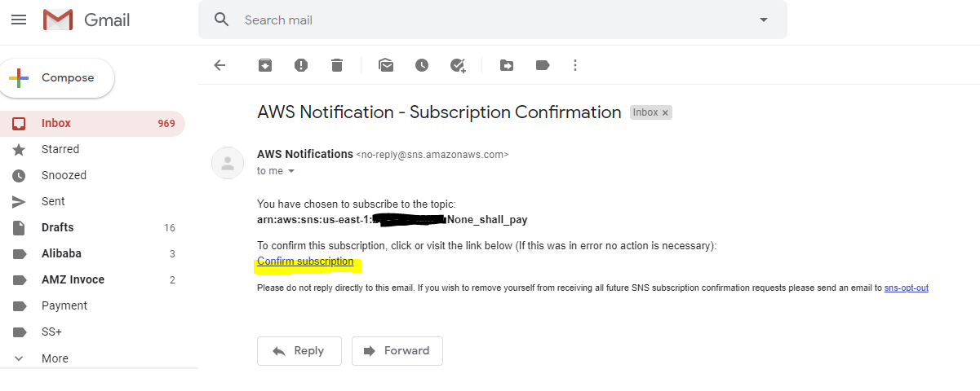

9 | Reload your SNS Dashboard, Status must be [confirmed]
 | Then click on the Topic name link

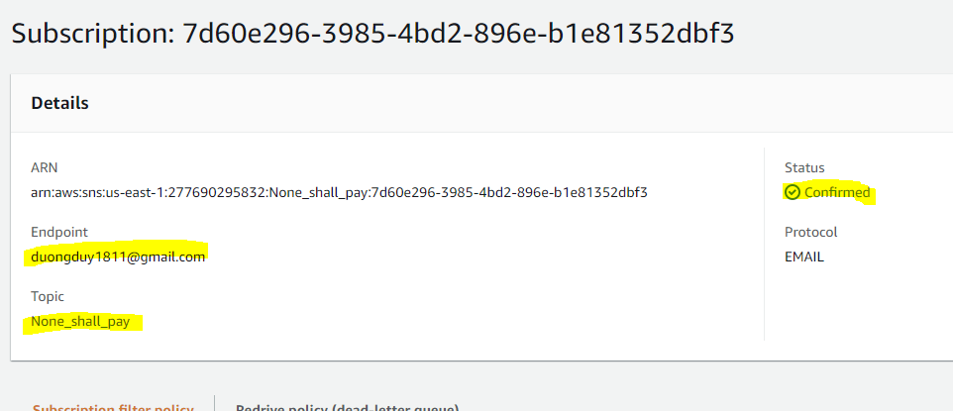

10 | copy the topic ARN into a notepad, then click on [Edit]

11 | go to Access policy
 | paste the topic ARN saved above into this code

 | { "Sid": "E.g., AWSBudgetsSNSPublishingPermissions", "Effect": "Allow", "Principal": { "Service": "budgets.amazonaws.com" }, "Action": "SNS:Publish", "Resource": "your topic ARN" },
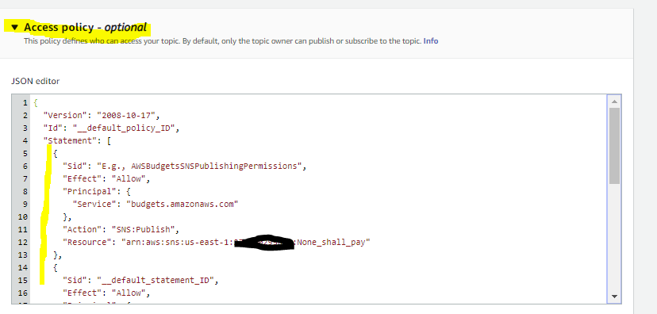

 | then insert it into the policy

 | then [Save Changes]

12 | Go back to the Budget dashboard
 | copy the topic ARN > check your info again > [confirm budget] > Create
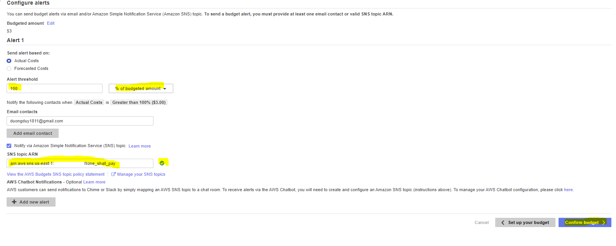

13 | sample of Alarm mail

