Create Table
Requirement |  | 1 | Know how to create a Cloud9 environemnt
 |  | 2 | Know how to create a DynamoDb table
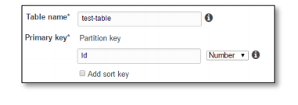

1 |  | Create a DynamoDb table as follows:
 | 1.1 | Table Name: | test-table
 |  | Primary Key Type: | hash
 |  | Hash Attribute Type: | Number
 |  | Hash Attribute Name: | Id
 |  |  | (case sensitive - make sure the first letter is capitalised)
 |  |  | make sure you don't copy any space " "

 | 1.2
 |  | Uncheck default settings

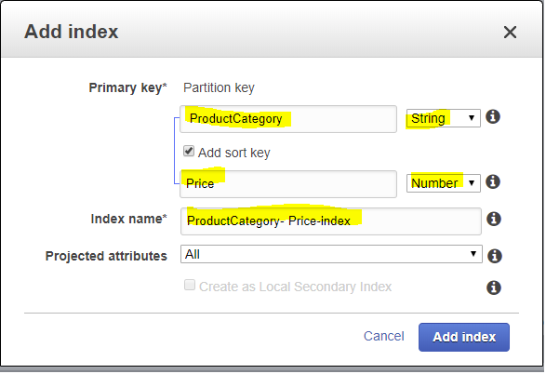

 | 1.3 | Create a Global Secondary Index
 |  | Primary key: | type
 |  | ProductCategory | String
 |  | sort key:
 |  | Price | Number

 |  | index name:
 |  | ProductCategory-Price-index

 |  | Projected attributes
 |  | All

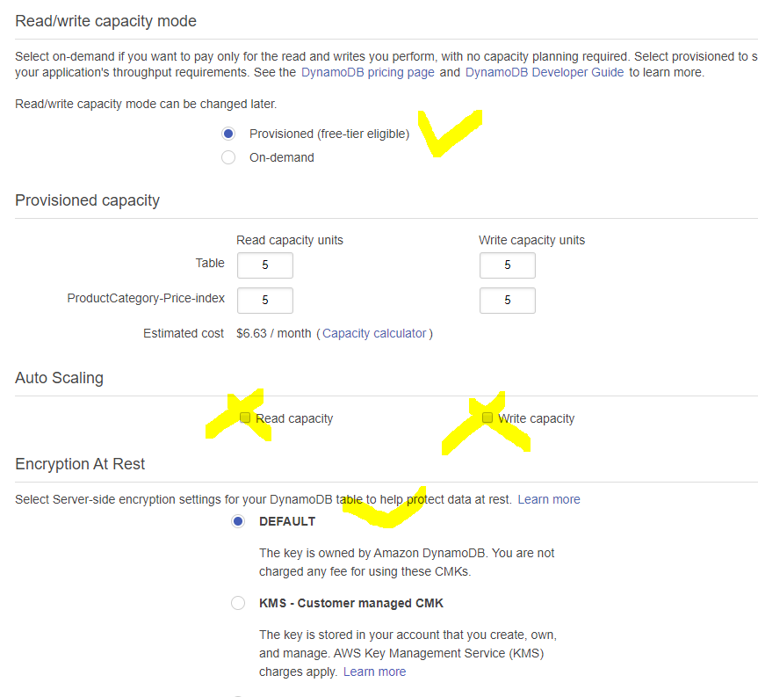

 | 1.4 | Provisioned capacity

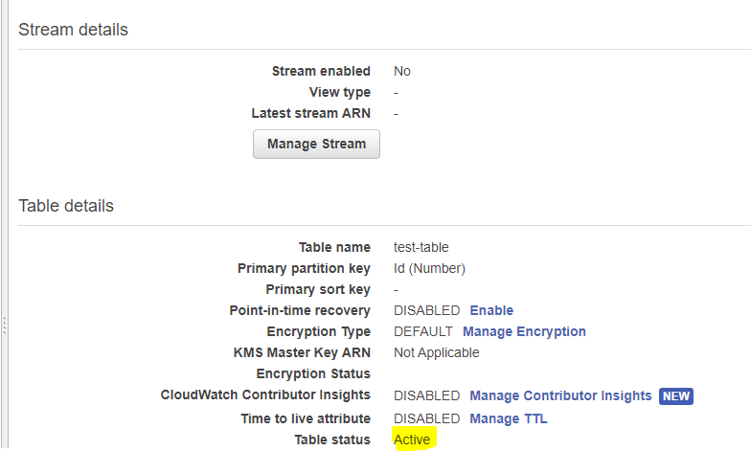
 | 1.5 | Wait until your table is Active

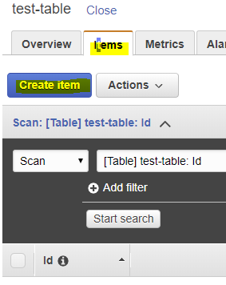
2 |  | Test: create item
 | 2.1

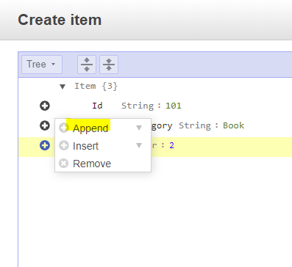
 | 2.2 | append > "select data type"

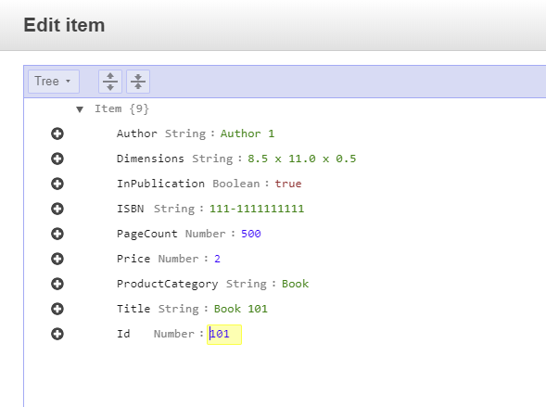
 |  | Field name | data type | value
 |  | InPublication | Boolean | TRUE
 |  | PageCount | Number | 500
 |  | Dimensions | String | 8.5 x 11.0 x 0.5
 |  | Authors | String | Author 1
 |  | ISBN | String | 111-1111111111

 |  | Done!

Add items
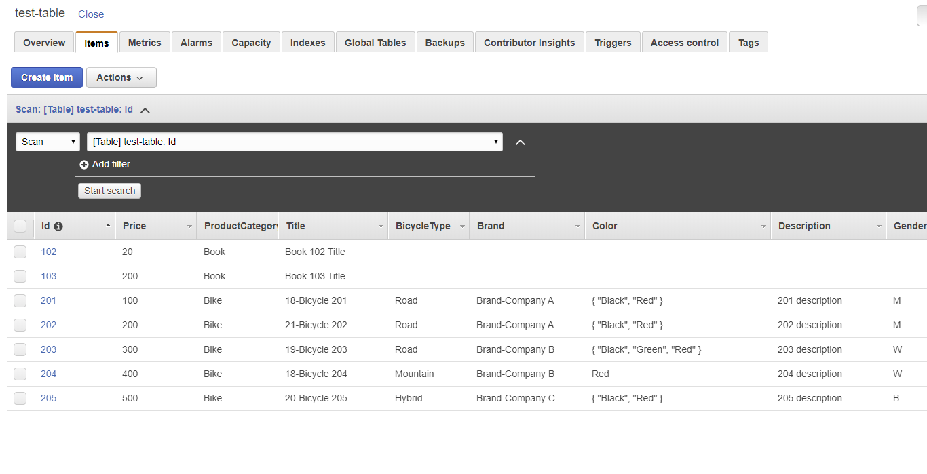
Requirement: | Finish [Create Table]
 | Created a Cloud9 environment (use your name as the evironment name so you can take evidence)
 | Created a S3 Bucket
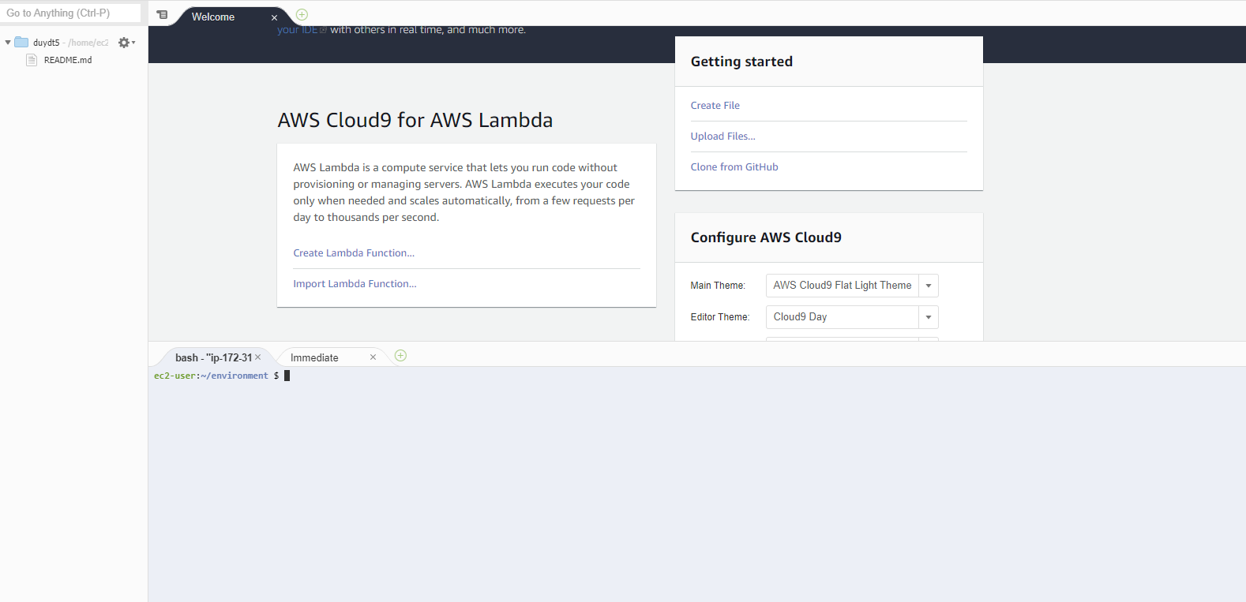
1 | open your Cloud9 environment

2 | File > New File
 | copy the following code into the file content
 | // Load the AWS SDK for Node.js var AWS = require('aws-sdk'); /** * Don't hard-code your credentials! * Create an IAM role for your EC2 instance instead. * For development an IAM role is not required for Cloud9 */ // Set your region AWS.config.region = 'your-region'; var db = new AWS.DynamoDB(); db.listTables(function(err, data) { if (err) { console.log(err, err.stack); // an error occurred } else { console.log(data.TableNames); // successful response } }); | 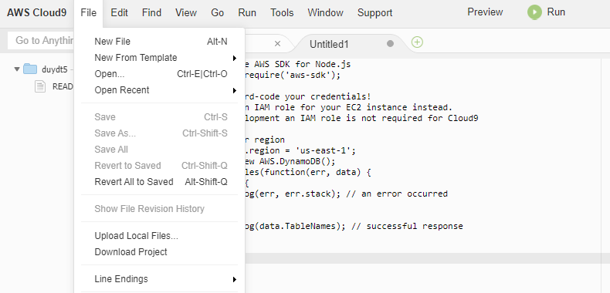

 | Note:
 | US East (Ohio) | us-east-2
 | Asia Pacific (Singapore) | ap-southeast-1
 | Asia Pacific (Tokyo) | ap-northeast-1

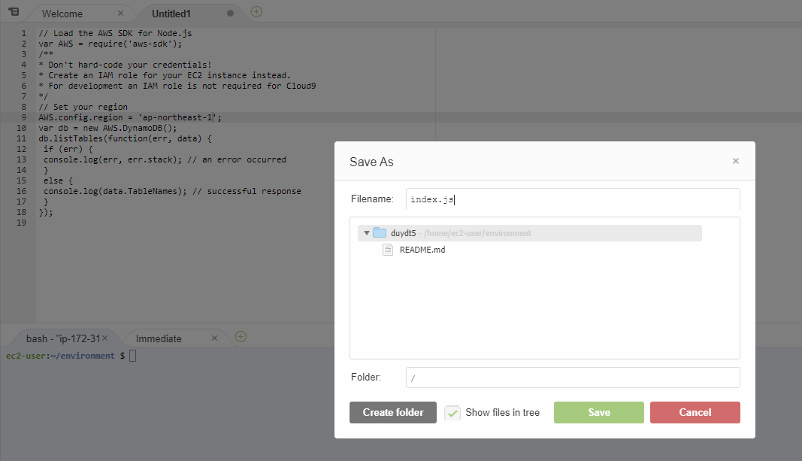
3 | Save file as "index.js"

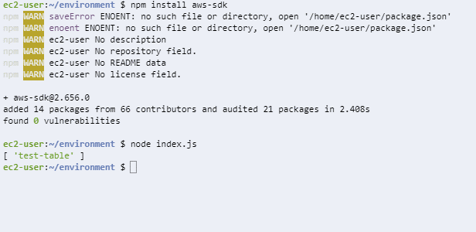
4 | install the nodejs SDK
command | npm install aws-sdk

 | execute your file
command | node index.js

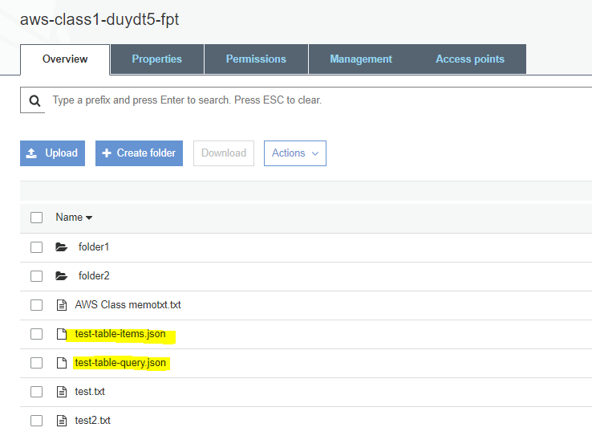

5 | upload the data files to S3 bucket
 | file names should be the same as the screenshot >

 | Remember your bucket name
 | (or you can use [aws s3 ls] command to see your bucket (refer to S3 CLI lab)

6 | Add the function to download file from S3
 | double click on index.js
 | add the following line after [console.log(data.TableNames); // successful response]
 | downloadData();

 | add the following block of code
 | function downloadData(){ // Get JSON file from S3 var s3 = new AWS.S3(); var params = {Bucket: 'your-bucket-name', Key: 'test-table-items.json'}; s3.getObject(params, function(error, data) { if (error) { console.log(error); // error is Response.error } else { var dataJSON = JSON.parse(data.Body); console.log(JSON.stringify(dataJSON)); } }); }; | note: make sure your bucket name and object path/name are correct | 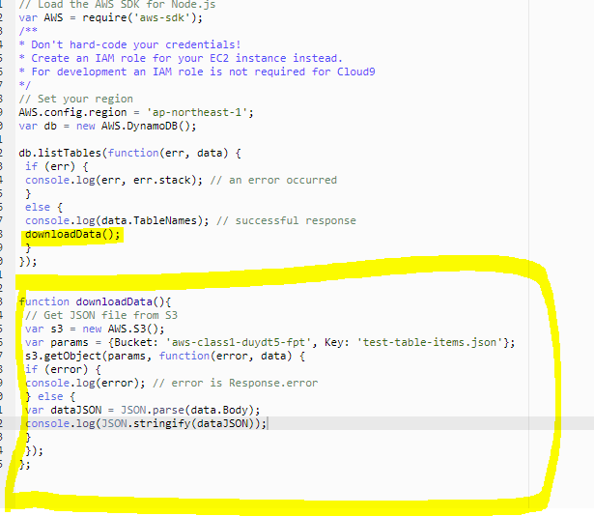

7 | execute index.js
command | node index.js

 | Note: if you see the following error:
 | message: 'The specified key does not exist.', code: 'NoSuchKey',
 | Check your bucket name and key name in the code again
 | if they are correct, just wait for a few minutes (remember the Eventually consistent model of S3/DynamoDB)

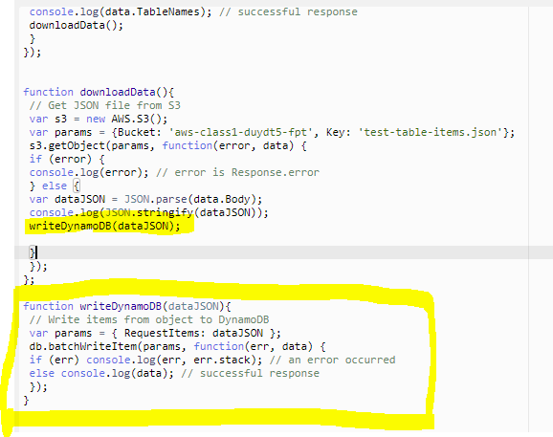
8 | Add the function to write data into DynamoDB
 | add this line after [console.log(JSON.stringify(dataJSON));]
 | writeDynamoDB(dataJSON);
 | add this block of code at the end of the file
 | function writeDynamoDB(dataJSON){ // Write items from object to DynamoDB var params = { RequestItems: dataJSON }; db.batchWriteItem(params, function(err, data) { if (err) console.log(err, err.stack); // an error occurred else console.log(data); // successful response }); }

9 | execute [index.js] again
 | if you see { UnprocessedItems: {} }
 | it means that all the items in the file were successfully uploaded into the table
 | Congratulations!

 | Note: If you see this error, it means at least 1 of the keys was wrong
 | please check all the keys one more time

10 | Open DynamoDB table to check your items

Query your table
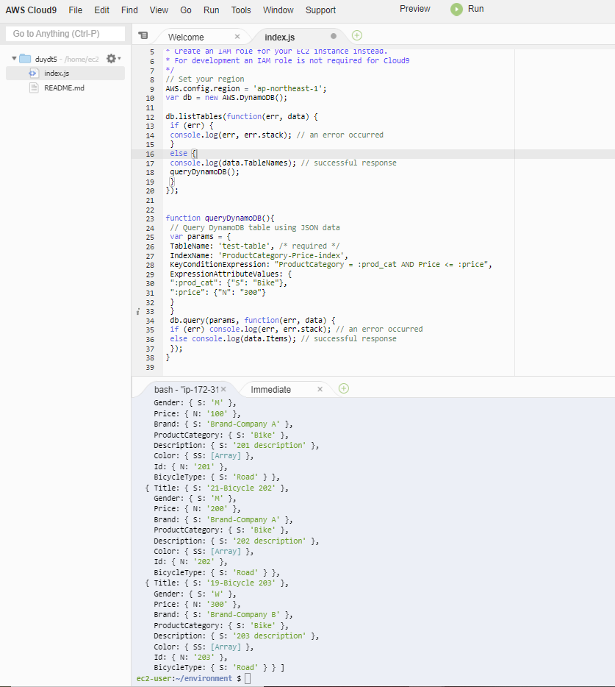
Requirement | Finish [Add items]

1 | Check if your GSI is active and the information is correct

2 | Change the code of index.js
 | // Load the AWS SDK for Node.js var AWS = require('aws-sdk'); /** * Don't hard-code your credentials! * Create an IAM role for your EC2 instance instead. * For development an IAM role is not required for Cloud9 */ // Set your region AWS.config.region = 'ap-northeast-1'; var db = new AWS.DynamoDB(); db.listTables(function(err, data) { if (err) { console.log(err, err.stack); // an error occurred } else { console.log(data.TableNames); // successful response queryDynamoDB(); } }); function queryDynamoDB(){ // Query DynamoDB table using JSON data var params = { TableName: 'test-table', /* required */ IndexName: 'ProductCategory-Price-index', KeyConditions: { "ProductCategory": { "AttributeValueList": [{ "S": "Bike" }], "ComparisonOperator": "EQ" }, "Price": { "AttributeValueList": [{ "N": "300" }], "ComparisonOperator": "LE" } } } db.query(params, function(err, data) { if (err) console.log(err, err.stack); // an error occurred else console.log(data.Items); // successful response }); } | Note: part of the code is hidden by excel, make sure you copy ALL the code, also check if the information of the keys is correct | 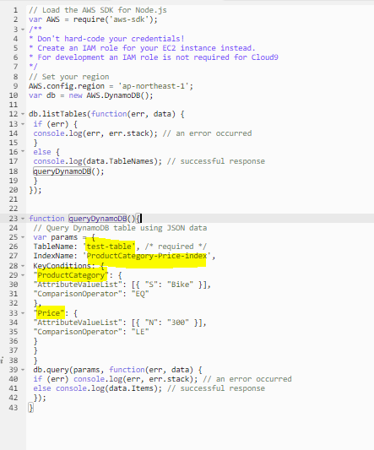

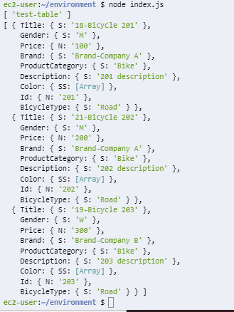
3 | execute index.js
 | Congratulations!
 | You have successfully queried all items that is [Bike] with [Price] <= 300

4 | Practice using [ExpressionAttributeValues]
 | ExpressionAttributeValues allows you to use substitute values in queries with variables
 | Change the queryDynamoDB function code as follows:
 | function queryDynamoDB(){ // Query DynamoDB table using JSON data var params = { TableName: 'test-table', /* required */ IndexName: 'ProductCategory-Price-index', KeyConditionExpression: "ProductCategory = :prod_cat AND Price <= :price", ExpressionAttributeValues: { ":prod_cat": {"S": "Bike"}, ":price": {"N": "300"} } } db.query(params, function(err, data) { if (err) console.log(err, err.stack); // an error occurred else console.log(data.Items); // successful response }); } | 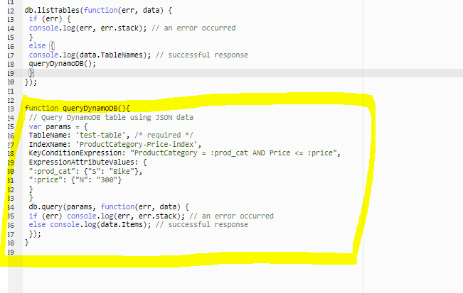

5 | execute index.js
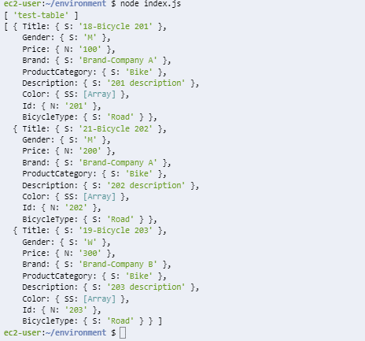

6 | Congratulation! You have finish the lab
 | Make sure to take screenshots as evidence before deleting your resources
 | evidence
 | 1. table info:
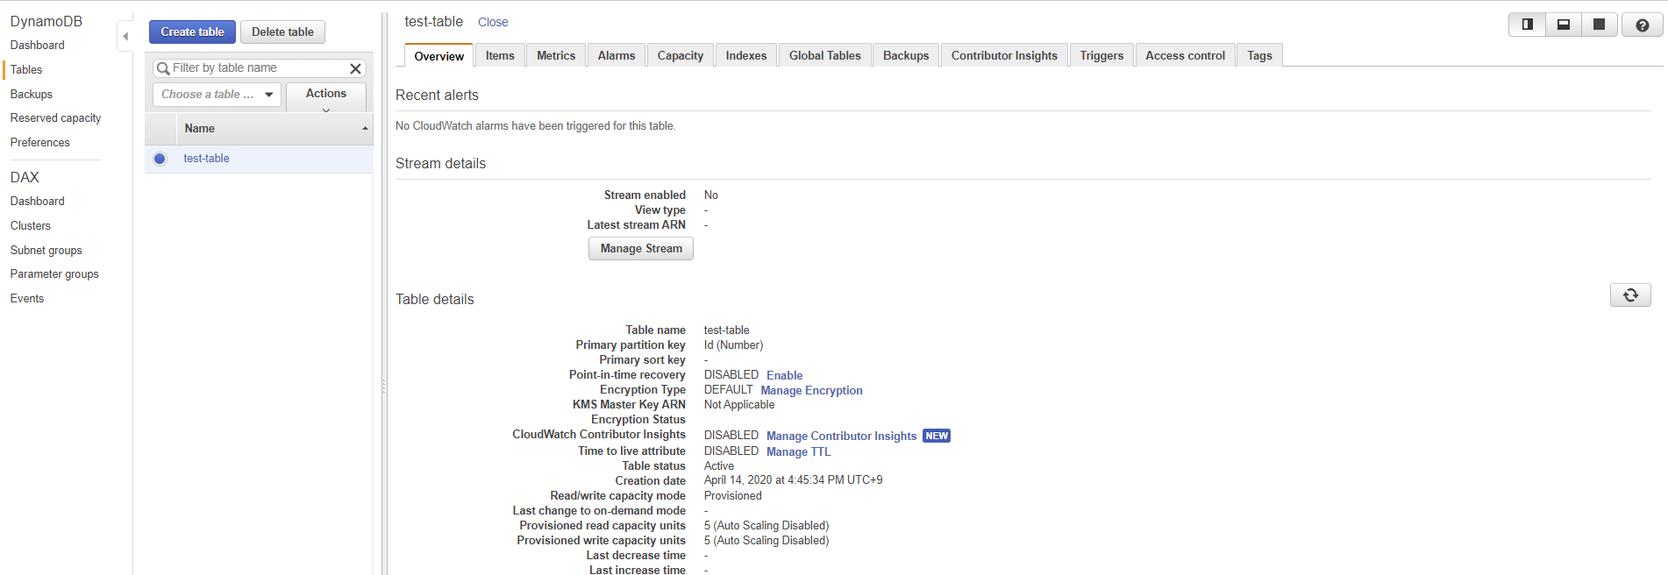

 | 2. Cloud9 code execution result

