List of Files
 | Filelist of folder | 2026 January 23 @04:38PM
Image | Name | LastWriteTime
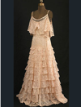 | 3 dresses into one.PNG | 2025-11-11 00:11:50
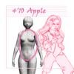 | 4'10_apple_female.jpg | 2025-11-11 00:11:50
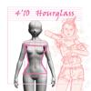 | 4'10_hourglass_female.jpg | 2025-11-11 00:11:50
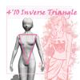 | 4'10_invertedTriangle_female.jpg | 2025-11-11 00:11:50
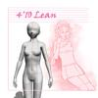 | 4'10_lean_female.jpg | 2025-11-11 00:11:50
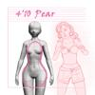 | 4'10_pear_female.jpg | 2025-11-11 00:11:50
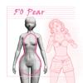 | 5'0_pear_female.jpg | 2025-11-11 00:11:46
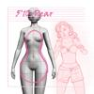 | 5'10_pear_female.jpg | 2025-11-11 00:11:46
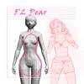 | 5'2_pear_female.jpg | 2025-11-11 00:11:43
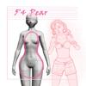 | 5'4_pear_female.jpg | 2025-11-11 00:11:40
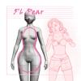 | 5'6_pear_female.jpg | 2025-11-11 00:11:40
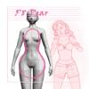 | 5'8_pear_female.jpg | 2025-11-11 00:11:36
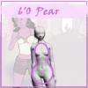 | 6'0_pear_female.jpg | 2025-11-11 00:11:36
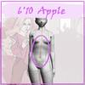 | 6'10_apple_female.jpg | 2025-11-11 00:11:34
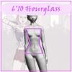 | 6'10_hourglass_female.jpg | 2025-11-11 00:11:34
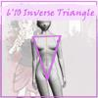 | 6'10_invertedTriangle_female.jpg | 2025-11-11 00:11:34
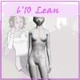 | 6'10_lean_female.jpg | 2025-11-11 00:11:34
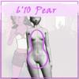 | 6'10_pear_female.jpg | 2025-11-11 00:11:34
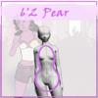 | 6'2_pear_female.jpg | 2025-11-11 00:11:34
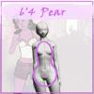 | 6'4_pear_female.jpg | 2025-11-11 00:11:26
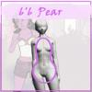 | 6'6_pear_female.jpg | 2025-11-11 00:11:26
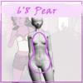 | 6'8_pear_female.jpg | 2025-11-11 00:11:24
 | costume idea .png | 2025-11-11 00:11:21
 | Gloves-Riding-28.jpg | 2025-11-11 00:11:21
 | Gloves-Riding-29.jpg | 2025-11-11 00:11:21
 | hike31.PNG | 2025-11-11 00:11:21
 | IMG_0490.JPG | 2025-11-11 00:11:21

