List of Files
 | Filelist of folder | 2026 January 24 @04:49PM
Image | Name | LastWriteTime
 | IMG_0255.jpg | 2023-09-08 23:18:09
 | IMG_0442.PNG | 2023-11-16 20:47:51
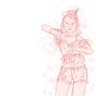 | IMG_0502.JPG | 2023-11-25 12:10:14
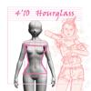 | 4'10_hourglass_female.jpg | 2023-11-25 15:50:48
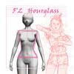 | 5'2_hourglass_female.jpg | 2023-11-25 16:09:08
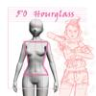 | 5'0_hourglass_female.jpg | 2023-11-25 16:09:55
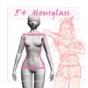 | 5'4_hourglass_female.jpg | 2023-11-25 16:14:48
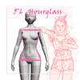 | 5'6_hourglass_female.jpg | 2023-11-25 16:21:46
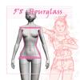 | 5'8_hourglass_female.jpg | 2023-11-25 16:24:26
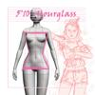 | 5'10_hourglass_female.jpg | 2023-11-25 16:27:20
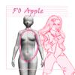 | 5'0_apple_female.jpg | 2023-11-25 18:01:11
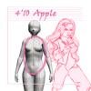 | 4'10_apple_female.jpg | 2023-11-25 18:05:05
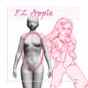 | 5'2_apple_female.jpg | 2023-11-25 18:46:29
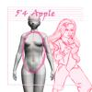 | 5'4_apple_female.jpg | 2023-11-25 18:48:39
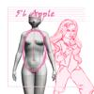 | 5'6_apple_female.jpg | 2023-11-25 19:02:33
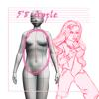 | 5'8_apple_female.jpg | 2023-11-25 19:04:06
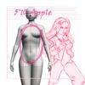 | 5'10_apple_female.jpg | 2023-11-25 19:04:44
 | IMG_0504.JPG | 2023-11-25 19:06:23
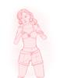 | IMG_0507.JPG | 2023-11-25 20:38:35
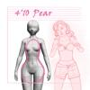 | 4'10_pear_female.jpg | 2023-11-25 20:45:06
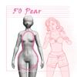 | 5'0_pear_female.jpg | 2023-11-25 20:46:34
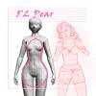 | 5'2_pear_female.jpg | 2023-11-25 20:53:36
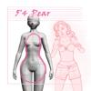 | 5'4_pear_female.jpg | 2023-11-25 20:56:25
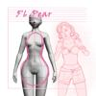 | 5'6_pear_female.jpg | 2023-11-25 20:57:42
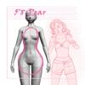 | 5'8_pear_female.jpg | 2023-11-25 20:59:46
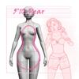 | 5'10_pear_female.jpg | 2023-11-25 21:00:36
 | IMG_0510.JPG | 2023-11-25 21:41:04
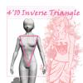 | 4'10_invertedTriangle_female.jpg | 2023-11-25 21:54:37
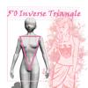 | 5'0_invertedTriangle_female.jpg | 2023-11-25 21:55:36
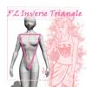 | 5'2_invertedTriangle_female.jpg | 2023-11-25 21:57:24
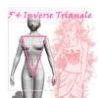 | 5'4_invertedTriangle_female.jpg | 2023-11-25 21:58:22
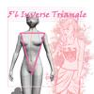 | 5'6_invertedTriangle_female.jpg | 2023-11-25 21:59:28
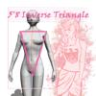 | 5'8_invertedTriangle_female.jpg | 2023-11-25 22:00:50
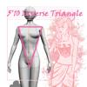 | 5'10_invertedTriangle_female.jpg | 2023-11-25 22:02:44
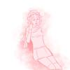 | IMG_0512.JPG | 2023-11-25 22:30:01
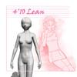 | 4'10_lean_female.jpg | 2023-11-25 22:39:39
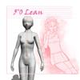 | 5'0_lean_female.jpg | 2023-11-25 22:48:19
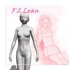 | 5'2_lean_female.jpg | 2023-11-25 22:49:32
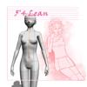 | 5'4_lean_female.jpg | 2023-11-25 22:50:26
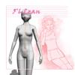 | 5'6_lean_female.jpg | 2023-11-25 22:51:50
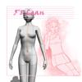 | 5'8_lean_female.jpg | 2023-11-25 22:52:47
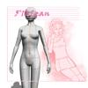 | 5'10_lean_female.jpg | 2023-11-25 22:56:06
 | IMG_0515.PNG | 2023-11-25 23:09:56
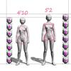 | Female body types (4'10 - 5'2) head ratio.jpg | 2023-12-16 10:33:04
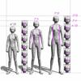 | Female body types (5'4 - 5'10) head ratio.jpg | 2023-12-20 16:37:16
 | IMG_E0581.JPG | 2023-12-21 01:32:19
 | IMG_0588.JPG | 2023-12-21 20:09:46
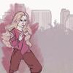 | IMG_0589.JPG | 2023-12-21 20:09:57
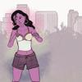 | IMG_0590.JPG | 2023-12-21 20:10:09
 | IMG_0591.JPG | 2023-12-21 20:10:19
 | IMG_0592.JPG | 2023-12-21 20:10:31
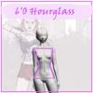 | 6'0_hourglass_female.jpg | 2023-12-21 21:19:12
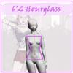 | 6'2_hourglass_female.jpg | 2023-12-21 21:20:02
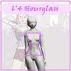 | 6'4_hourglass_female.jpg | 2023-12-21 21:20:34
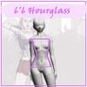 | 6'6_hourglass_female.jpg | 2023-12-21 21:22:50
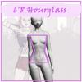 | 6'8_hourglass_female.jpg | 2023-12-21 21:23:35
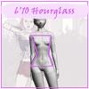 | 6'10_hourglass_female.jpg | 2023-12-21 21:24:24
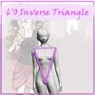 | 6'0_invertedTriangle_female.jpg | 2023-12-21 21:29:14
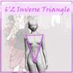 | 6'2_invertedTriangle_female.jpg | 2023-12-21 21:38:04
 | 6'4_invertedTriangle_female.jpg | 2023-12-21 21:38:48
 | 6'6_invertedTriangle_female.jpg | 2023-12-21 21:39:34
 | 6'8_invertedTriangle_female.jpg | 2023-12-21 21:44:59
 | 6'10_invertedTriangle_female.jpg | 2023-12-21 21:45:39
 | 6'0_pear_female.jpg | 2023-12-21 21:50:00
 | 6'2_pear_female.jpg | 2023-12-21 21:50:30
 | 6'4_pear_female.jpg | 2023-12-21 21:51:11
 | 6'6_pear_female.jpg | 2023-12-21 21:51:58
 | 6'8_pear_female.jpg | 2023-12-21 21:52:46
 | 6'10_pear_female.jpg | 2023-12-21 21:53:23
 | 6'0_apple_female.jpg | 2023-12-21 21:56:24
 | female body types.clip | 2023-12-21 22:07:48
 | 6'2_apple_female.jpg | 2023-12-27 19:15:22
 | 6'4_apple_female.jpg | 2023-12-27 19:22:18
 | 6'6_apple_female.jpg | 2023-12-27 19:44:06
 | 6'8_apple_female.jpg | 2023-12-27 19:45:10
 | 6'10_apple_female.jpg | 2023-12-27 19:47:19
 | Female body types (4'10 - 5'2).jpg | 2023-12-27 20:16:51
 | Female body types (5'4 - 5'10).jpg | 2023-12-27 20:21:11
 | 6'0_lean_female.jpg | 2023-12-27 20:30:35
 | 6'2_lean_female.jpg | 2023-12-27 20:41:17
 | Female body types (5'4 - 5'10) - 240.jpg | 2023-12-27 20:43:29
 | Female body types (4'10 - 5'2) - 240.jpg | 2023-12-27 20:44:39
 | 6'4_lean_female.jpg | 2023-12-27 20:49:36
 | 6'6_lean_female.jpg | 2023-12-27 20:51:46
 | 6'8_lean_female.jpg | 2023-12-27 20:52:18
 | 6'10_lean_female.jpg | 2023-12-27 20:54:46
 | Female body types (6'0 - 6'4).jpg | 2023-12-27 21:02:38
 | Female body types (6'0 - 6'4) - 240.jpg | 2023-12-27 21:04:16
 | Female body types 1.clip | 2023-12-27 21:59:26

