List of Files
 | Filelist of folder | 2026 January 24 @03:12PM
Image | Name | LastWriteTime | Used in Collage? | Status
 | IMG_0490.JPG | 2019-08-12 12:13:25 |  | ACTIVE
 | costume idea .png | 2019-10-25 18:40:08 | yes | DELETED
 | hike31.PNG | 2019-12-30 11:58:51 | yes | DELETED
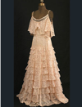 | 3 dresses into one.PNG | 2021-05-02 15:37:53 | yes | DELETED
 | Gloves-Riding-29.jpg | 2021-05-17 21:53:47 | yes | DELETED
 | Gloves-Riding-28.jpg | 2021-05-17 21:54:02 | yes | DELETED
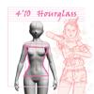 | 4'10_hourglass_female.jpg | 2023-11-25 15:50:48 | yes | DELETED
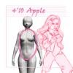 | 4'10_apple_female.jpg | 2023-11-25 18:05:05 | yes | DELETED
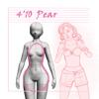 | 4'10_pear_female.jpg | 2023-11-25 20:45:06 | yes | DELETED
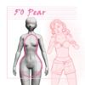 | 5'0_pear_female.jpg | 2023-11-25 20:46:34 | yes | DELETED
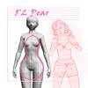 | 5'2_pear_female.jpg | 2023-11-25 20:53:36 | yes | DELETED
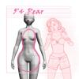 | 5'4_pear_female.jpg | 2023-11-25 20:56:25 | yes | DELETED
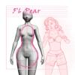 | 5'6_pear_female.jpg | 2023-11-25 20:57:42 | yes | DELETED
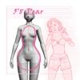 | 5'8_pear_female.jpg | 2023-11-25 20:59:46 | yes | DELETED
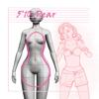 | 5'10_pear_female.jpg | 2023-11-25 21:00:36 | yes | DELETED
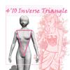 | 4'10_invertedTriangle_female.jpg | 2023-11-25 21:54:37 | yes | DELETED
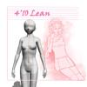 | 4'10_lean_female.jpg | 2023-11-25 22:39:39 | yes | DELETED
 | 6'10_hourglass_female.jpg | 2023-12-21 21:24:24 | yes | DELETED
 | 6'10_invertedTriangle_female.jpg | 2023-12-21 21:45:39 | yes | DELETED
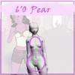 | 6'0_pear_female.jpg | 2023-12-21 21:50:00 | yes | DELETED
 | 6'2_pear_female.jpg | 2023-12-21 21:50:30 | yes | DELETED
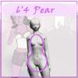 | 6'4_pear_female.jpg | 2023-12-21 21:51:11 | yes | DELETED
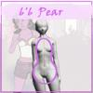 | 6'6_pear_female.jpg | 2023-12-21 21:51:58 |  | ACTIVE
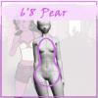 | 6'8_pear_female.jpg | 2023-12-21 21:52:46 |  | ACTIVE
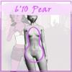 | 6'10_pear_female.jpg | 2023-12-21 21:53:23 |  | ACTIVE
 | 6'10_apple_female.jpg | 2023-12-27 19:47:19 |  | ACTIVE
 | 6'10_lean_female.jpg | 2023-12-27 20:54:46 |  | ACTIVE

