List of Files
 | Filelist of folder | 2026 January 24 @03:21PM
Image | Name | LastWriteTime
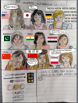 | Screenshot_20190928-215104.png | 2019-09-28 22:51:06
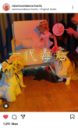 | Screenshot_20210623-073206.png | 2021-06-23 07:32:08
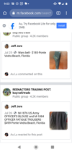 | Screenshot_20210913-095316.png | 2021-09-13 10:53:18
 | Screenshot_20211023-205019.png | 2021-10-23 21:50:20
 | Screenshot_20220104-120603.png | 2022-01-04 12:06:04
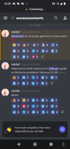 | Screenshot_20211208-102933.png | 2022-03-24 16:37:48
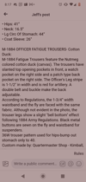 | Screenshot_20220220-201728.png | 2022-03-24 16:37:48
 | Screenshot_20210310-161519.png | 2022-03-24 16:37:50
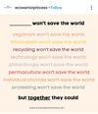 | Screenshot_20210522-105605.png | 2022-03-24 16:37:50
 | Screenshot_20210630-165709.png | 2022-03-24 16:37:50
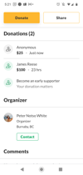 | Screenshot_20210630-172148.png | 2022-03-24 16:37:50
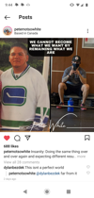 | Screenshot_20210911-094406.png | 2022-03-24 16:37:50
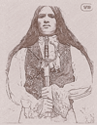 | Screenshot_20211006-180406.png | 2022-03-24 16:37:50
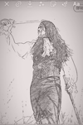 | Screenshot_20211006-180423.png | 2022-03-24 16:37:50
 | Screenshot_20210714-104911.png | 2022-03-24 16:37:52
 | Screenshot_20211006-180518.png | 2022-03-24 16:37:52
 | Screenshot_20220220-232741.png | 2022-03-24 16:37:52
 | Screenshot_20220222-112918.png | 2022-03-24 16:37:52
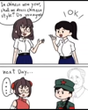 | Screenshot_20220409-132516-617.png | 2022-04-09 13:25:16
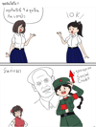 | Screenshot_20220409-132803-854.png | 2022-04-09 13:28:04
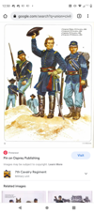 | Screenshot_20220411-005024.png | 2022-04-11 00:50:26
 | Screenshot_20220512-115007-500.png | 2022-05-12 11:50:08
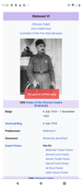 | Screenshot_20220512-115306-452.png | 2022-05-12 11:53:06
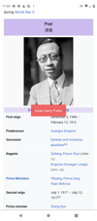 | Screenshot_20220512-115357-684.png | 2022-05-12 11:53:58
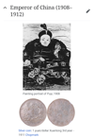 | Screenshot_20220512-115517-340.png | 2022-05-12 11:55:18
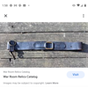 | Screenshot_20220519-015833-190.png | 2022-05-19 01:58:34
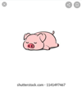 | Screenshot_20220522-155608~2.png | 2022-05-25 00:19:24
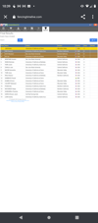 | Screenshot_20220601-103910.png | 2022-06-01 10:39:10
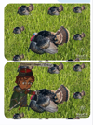 | Screenshot_20220626-090645-033.png | 2022-06-26 09:06:46
 | Screenshot_20220906-174824.png | 2022-09-06 17:48:26
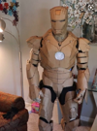 | Screenshot_20220907-121224-543.png | 2022-09-07 12:12:26
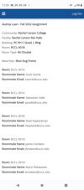 | Screenshot_20220908-112909-474.png | 2022-09-08 11:29:10
 | Screenshot_20220917-082700.png | 2022-09-17 08:27:02
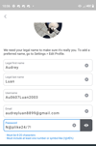 | Screenshot_20220925-100643-742.png | 2022-09-25 10:06:44
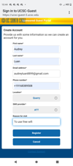 | Screenshot_20221003-224452.png | 2022-10-03 22:44:54
 | Screenshot_20221005-103832.png | 2022-10-05 10:38:34
 | IMG_20221007_211624.jpg | 2022-10-07 21:16:24
 | Screenshot_20221008-222703-364.png | 2022-10-08 22:27:04
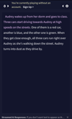 | Screenshot_20221008-222743-465.png | 2022-10-08 22:27:44
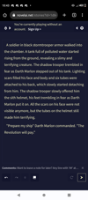 | Screenshot_20221008-224317.png | 2022-10-08 22:43:18
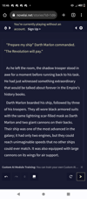 | Screenshot_20221008-224607-360.png | 2022-10-08 22:46:08
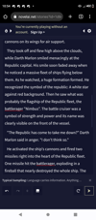 | Screenshot_20221008-225404.png | 2022-10-08 22:54:06
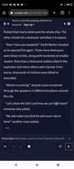 | Screenshot_20221008-225420.png | 2022-10-08 22:54:20
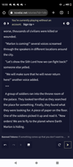 | Screenshot_20221008-225502.png | 2022-10-08 22:55:02
 | Screenshot_20221009-132132-690.png | 2022-10-09 13:21:32
 | Screenshot_20221010-004017.png | 2022-10-10 00:40:20
 | Screenshot_20221015-165940-934.png | 2022-10-15 16:59:42
 | Screenshot_20221016-231829~3.png | 2022-10-16 23:19:42
 | Screenshot_20221016-235450.png | 2022-10-16 23:54:52
 | Screenshot_20221016-235507.png | 2022-10-16 23:55:08
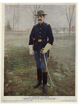 | Screenshot_20221016-015456-077~2.png | 2022-10-18 13:30:34
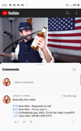 | Screenshot_20221018-155705-439.png | 2022-10-18 15:57:06
 | Screenshot_20221019-020049.png | 2022-10-19 02:00:50
 | Screenshot_20221019-145350.png | 2022-10-19 14:53:52
 | Screenshot_20221020-110857-404.png | 2022-10-20 11:08:58
 | Screenshot_20221020-213818-018.png | 2022-10-20 21:38:20
 | Screenshot_20221021-083610~2.png | 2022-10-21 08:36:56
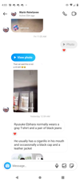 | Screenshot_20221024-160333.png | 2022-10-24 16:03:34
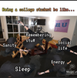 | Screenshot_20221026-212333-608.png | 2022-10-26 22:37:16
 | Screenshot_20221028-000023.png | 2022-10-28 00:00:26
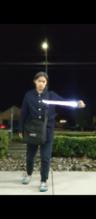 | Screenshot_20221031-195649.png | 2022-10-31 19:56:52
 | Screenshot_20221020-132435-396~2.png | 2022-11-06 23:25:42
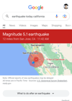 | Screenshot_20221025-114344-547.png | 2022-11-06 23:25:42
 | Screenshot_20221117-110033.png | 2022-11-17 11:00:36
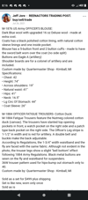 | Screenshot_20221128-201644.png | 2022-11-28 20:16:44
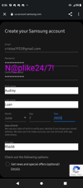 | Screenshot_20221208-203604~2.png | 2022-12-08 20:40:20
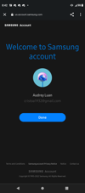 | Screenshot_20221208-204223.png | 2022-12-08 20:42:24
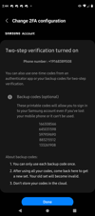 | Screenshot_20221209-024400.png | 2022-12-09 02:44:02
 | Screenshot_20221212-102032.png | 2022-12-12 10:20:34
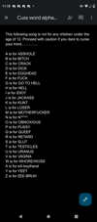 | Screenshot_20221215-231852.png | 2022-12-15 23:18:54
 | Screenshot_20221225-134815.png | 2022-12-25 13:48:18
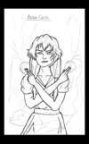 | Screenshot_20230104-152717-299.png | 2023-01-04 15:27:18
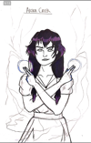 | Screenshot_20230104-224157-524.png | 2023-01-04 22:41:58
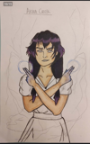 | Screenshot_20230104-224206-247.png | 2023-01-04 22:42:06
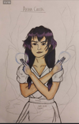 | Screenshot_20230104-224216-384.png | 2023-01-04 22:42:16
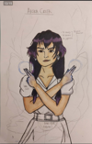 | Screenshot_20230104-224227-537.png | 2023-01-04 22:42:28
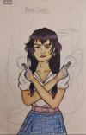 | Screenshot_20230104-224238-610.png | 2023-01-04 22:42:40
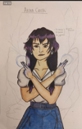 | Screenshot_20230104-224248-461.png | 2023-01-04 22:42:48
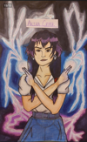 | Screenshot_20230104-224300-357.png | 2023-01-04 22:43:02
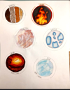 | Screenshot_20230107-001747-791.png | 2023-01-07 00:17:48
 | Screenshot_20221117-201729.png | 2023-01-09 00:25:52
 | Screenshot_20230124-202733.png | 2023-01-24 20:27:36
 | Screenshot_20230124-202741.png | 2023-01-24 20:27:44
 | Screenshot_20230124-202747.png | 2023-01-24 20:27:50
 | Screenshot_20230208-203413.png | 2023-02-08 20:34:16
 | Screenshot_20230209-152231.png | 2023-02-09 15:22:34
 | Screenshot_20230209-221607.png | 2023-02-09 22:16:10
 | Screenshot_20230209-221710.png | 2023-02-09 22:17:12
 | Screenshot_20230221-143359-768.png | 2023-02-21 14:34:00
 | Screenshot_20230311-121339-261.png | 2023-03-11 12:13:40
 | Screenshot_20230320-124935.png | 2023-03-20 12:49:36
 | Screenshot_20230321-125750.png | 2023-03-21 12:57:52
 | Screenshot_20230323-161858-056.png | 2023-03-23 16:18:58
 | Screenshot_20210901-100855.png | 2023-07-30 09:26:20
 | Screenshot 2024-04-10 115750.png | 2024-04-10 11:58:01
 | Screenshot 2024-05-06 212020.png | 2024-05-06 21:20:27
 | Screenshot 2024-05-11 003639.png | 2024-05-11 00:40:14
 | Screenshot 2024-08-21 183259.png | 2024-08-21 18:32:59
 | Screenshot 2024-08-21 183357.png | 2024-08-21 18:33:57
 | Screenshot 2024-09-26 220350.png | 2024-09-26 22:03:51
 | Screenshot 2024-12-06 160548.png | 2024-12-06 16:11:14
 | Screenshot 2025-01-26 192143.png | 2025-01-26 19:21:43
 | Schematic_TopLevel4.png | 2025-02-10 16:41:55
 | Schematic_LFSR.png | 2025-02-10 20:53:43
 | Schematic_countUD8L.png | 2025-02-10 21:25:52
 | Schematic_StateMachine4.png | 2025-02-10 21:39:33
 | Screenshot 2025-03-10 135413.png | 2025-03-10 13:54:14
 | Lab2_CAD-drawing_20250511.png | 2025-05-11 19:27:12
 | Screenshot 2025-06-13 194145.png | 2025-06-13 19:41:53
 | Screenshot 2025-06-23 160229.png | 2025-06-23 16:02:29
 | Screenshot 2025-06-23 214837.png | 2025-06-23 21:48:37
 | Screenshot 2025-07-07 114728.png | 2025-07-07 11:47:28
 | Screenshot 2025-07-10 195519.png | 2025-07-10 19:55:19
 | Screenshot 2025-08-12 121827.png | 2025-08-12 12:18:28
 | Screenshot 2025-08-12 121830.png | 2025-08-12 12:18:34
 | Screenshot 2025-08-16 135156.png | 2025-08-16 13:51:57
 | Screenshot 2025-08-16 140530.png | 2025-08-16 14:05:31
 | Screenshot 2025-08-23 132433.png | 2025-08-23 13:24:33
 | Screenshot 2025-08-23 132517.png | 2025-08-23 13:25:17
 | Screenshot 2025-09-11 101112.png | 2025-09-11 10:11:12

