Notes
Clients how use the application have an annual income of $1mill to more than $6.5mill | https://www.youtube.com/watch?v=BWRni6eR-KU.

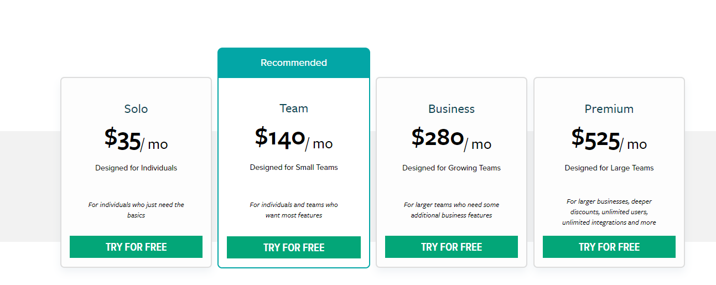
Pruvan Pricing |  | Connect ~ Field Force
 |  | Connect ~ Back Office

Learning in the business: https://greggsargent.teachable.com/ | https://www.youtube.com/watch?v=Wmb7OD7Bbdo

https://www.itqlick.com/xactimate/pricing#:~:text=The%20price%20ranges%20are%20%2425,and%20%24150%20above%20per%20month.
Competitors
https://www.chetu.com/blogs/insurance/xactware-revolutionizes-exact-estimates.php
https://www.restorationmanager.net/mobile/
https://www.xactware.com/en-us/solutions/property-preservation/xactprm/landing-page-1/?SFCID=70130000000WxB2&LS=929

AP Integration - xactimate.com
https://github.com/Xactimate-One/sdk-php
https://xactimate.com/api/help
https://www.yumpu.com/en/document/view/38902667/xactimate-25-users-guidebook-xactware
https://www.xactware.com/store/PRODUCTS/Xactimate/Subscribe/Xactimate-Subscription/2-466.do

